Sheet1
 | RB | RQF/RQD
OHMS_SER | 3.42 | 1.6
HENRYS | 6.5 | 1.93
TC | 1.9005847953 | 1.20625
Max I | 6000 | 2200
DCCT 10V | 6000 | 4000
Max Vload | 24000 | 4000
Max Vdac | 10 | 10
VS.GAIN | 2400 | 400
Terminal I | 7017.5438596 | 2500
10% overrange | 6600 | 4400

https://edms.cern.ch/file/971405/1/Functional_Spec_SPS_conso__971405.pdf
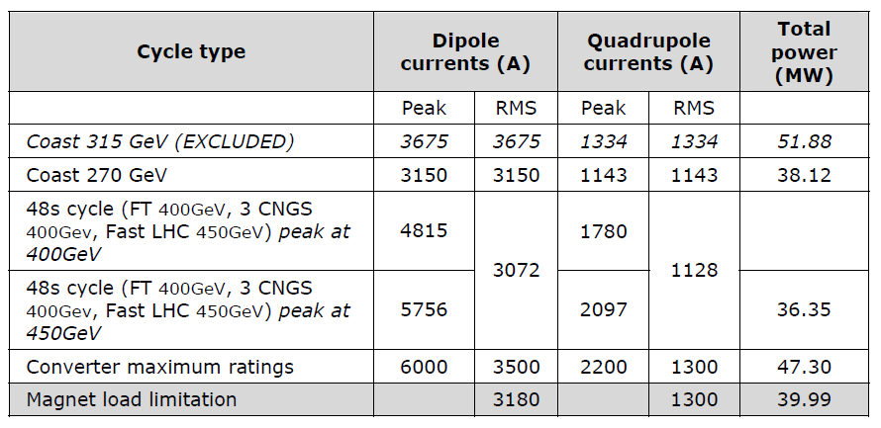

 | RB current | RB Inductance
 | 0 | 1
 | 3950 | 1
 | 4800 | 0.76
 | 5756 | 0.48

 | RQ current | RQ inductance
 | 0 | 1
 | 1290 | 1
 | 1775 | 0.69
 | 2097 | 0.5

