Sheet1
 | RB | RQF/RQD
OHMS_SER | 3.4 | 1.6
HENRYS | 6.4 | 1.93
TC | 1.8823529412 | 1.20625
Max I | 6000 | 2200
DCCT 10V | 6000 | 5000
Max Vload | 25000 | 4000
Max Vdac | 10 | 10
VS.GAIN | 2500 | 400
Terminal I | 7352.9411765 | 2500
10% overrange | 6600 | 5500
Sim R | 1.00E+06 | 1.00E+06
Sim C | 1.88E-06 | 1.21E-06
SIM DCCT.x.GAIN | 735.29411765 | 250

https://edms.cern.ch/file/971405/1/Functional_Spec_SPS_conso__971405.pdf
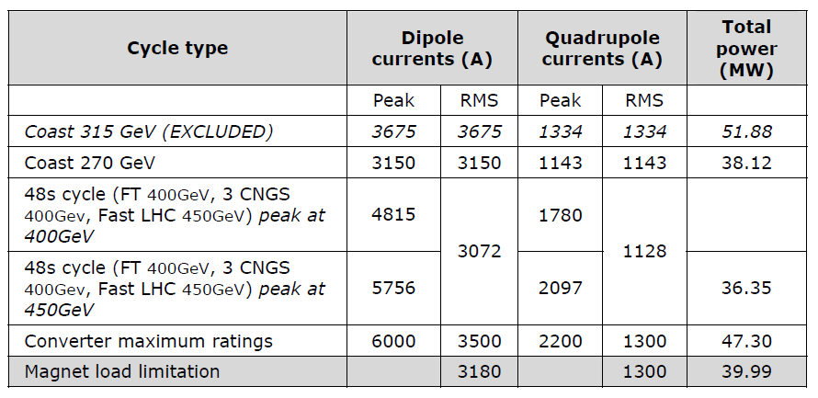

 | RB current | RB Inductance
 | 0 | 1
 | 3950 | 1
 | 4800 | 0.76
 | 5756 | 0.48

 | RQ current | RQ inductance
 | 0 | 1
 | 1290 | 1
 | 1775 | 0.69
 | 2097 | 0.5

