HOME
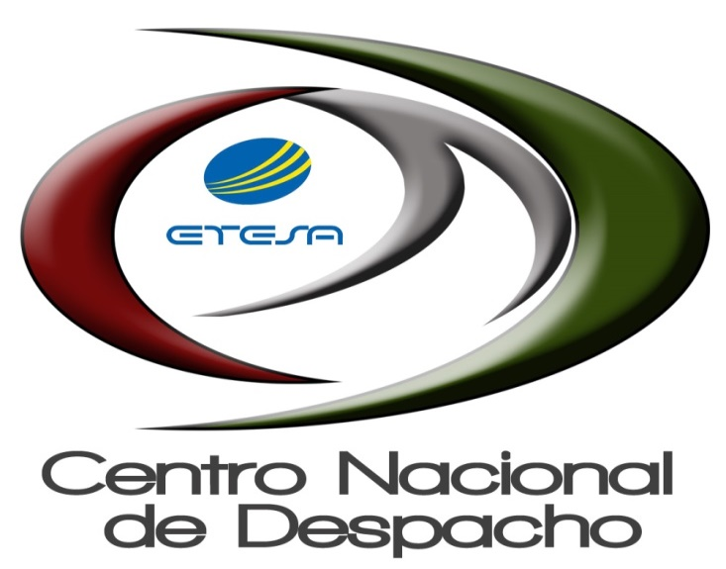

INFORME DE LIQUIDACIÓN

10-01-2021 AL 10-31-2021

