HOME
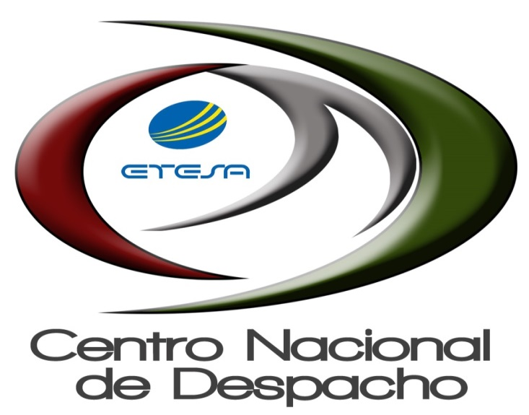

INFORME DE LIQUIDACIÓN

03-01-2021 AL 03-31-2021

