Rating
Average of Job Satisfaction
2.6

rating | 2.6 | 66%
balance rating | 1.4 | 34%

Gender
Row Labels | Count of Employee Number
Female | 588
Male | 882
Grand Total | 1470

Female | 588 | 40%
Male | 882 | 60%

Education wise Attrition
Row Labels | Sum of CF_attrition count
Doctoral Degree | 5
High School | 31
Associates Degree | 44
Master's Degree | 58
Bachelor's Degree | 99
Grand Total | 237

Attrition by Dept
Row Labels | Sum of CF_attrition count | dept | attrition
HR | 12 | HR | 12 | 5.06%
R&D | 133 | R&D | 133 | 56.12%
Sales | 92 | Sales | 92 | 38.82%
Grand Total | 237

Attrition by Age Group
Row Labels | Sum of CF_attrition count
25 - 34 | 112
35 - 44 | 51
Under 25 | 38
45 - 54 | 25
Over 55 | 11
Grand Total | 237

Dashboard

`
HR ANALYTICS DASHBOARD
 | 66%
 | 34%
 | 2.6 | 1.4

JOB SATISFACTION RATING
2.6

Attrition

Attrition Rate
Average Age
Total Employees
Active Employees
37
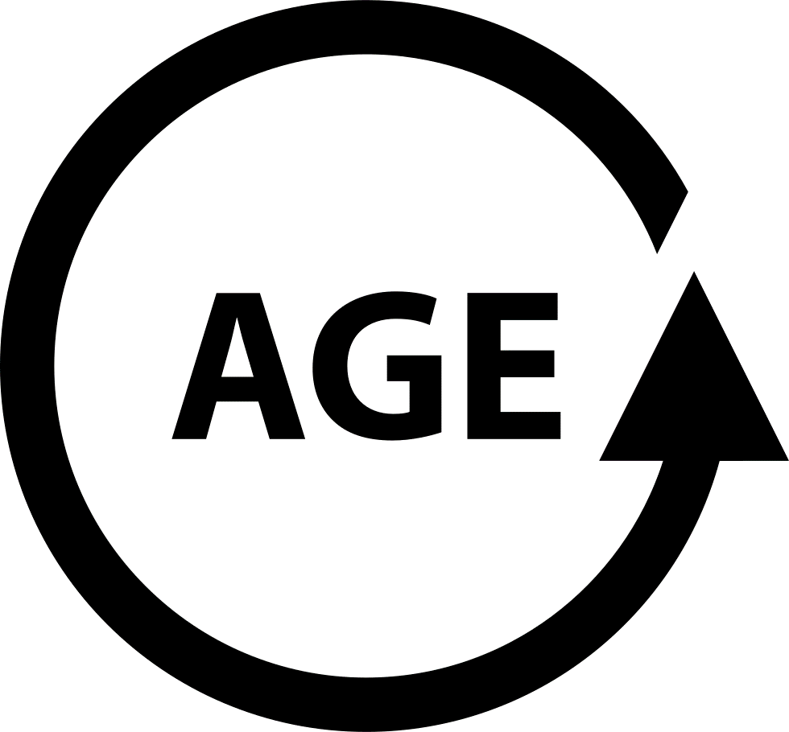
 |  | 
1470
237
1233
16%

Total Employees by Gender
Education wise Attrition
Attrition by Job Role
 | Total
Doctoral Degree | 5
High School | 31
Associates Degree | 44
Master's Degree | 58
Bachelor's Degree | 99

 | 40%
 | 60%
 | 40%
 | 60%
588
882

Department wise Attrition
Attrition by Age Group
Attrition by Marital Status
Filter Panel
HR | 5.06%
R&D | 56.12%
Sales | 38.82%
 | Total
25 - 34 | 112
35 - 44 | 51
Under 25 | 38
45 - 54 | 25
Over 55 | 11

