Feature Importance Scores Lag0
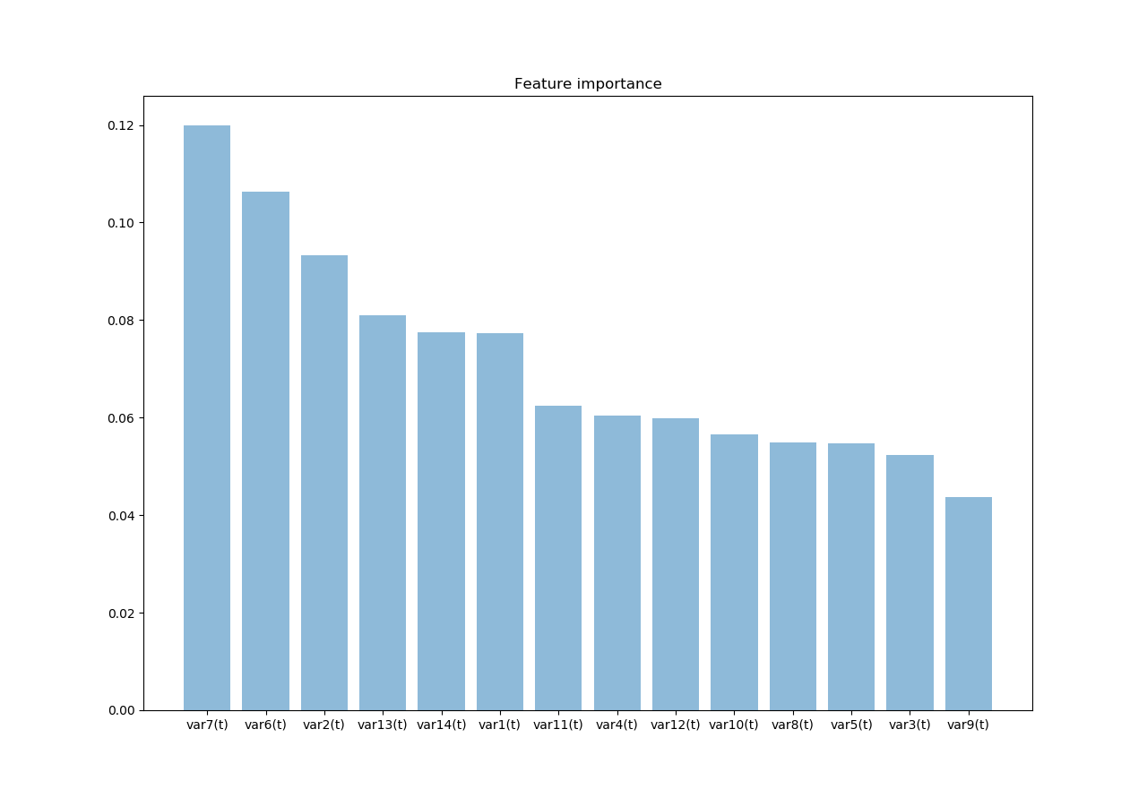
Lag Value: | 0
Feature Importance Score (Graded by RandomForest n=500) | var7(t) 0.117790
 | var6(t) 0.106367
 | var2(t) 0.092797
 | var13(t) 0.080979
 | var14(t) 0.079123
 | var1(t) 0.077118
 | var11(t) 0.061824
 | var4(t) 0.060753
 | var12(t) 0.060072
 | var8(t) 0.056409
 | var10(t) 0.055572
 | var5(t) 0.054238
 | var3(t) 0.052880
 | var9(t) 0.044076

Feature Importance Scores Lag1
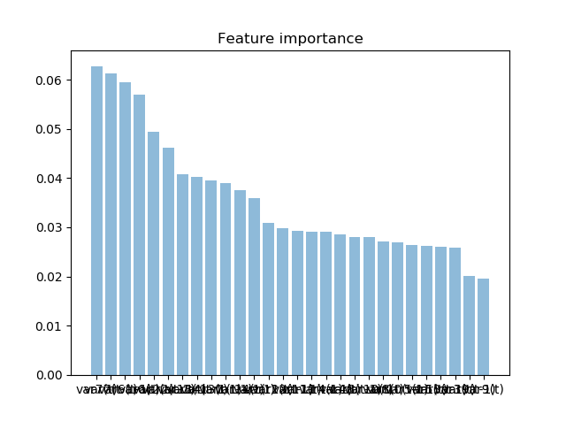
Lag Value: | 1
Feature Importance Score (Graded by RandomForest n=500) | var7(t) 0.062628
 | var7(t-1) 0.061252
 | var6(t-1) 0.058496
 | var6(t) 0.058448
 | var2(t-1) 0.047808
 | var2(t) 0.047635
 | var13(t-1) 0.041218
 | var14(t-1) 0.040310
 | var1(t-1) 0.039462
 | var13(t) 0.039128
 | var14(t) 0.038370
 | var1(t) 0.036824
 | var12(t) 0.030622
 | var11(t) 0.029544
 | var12(t-1) 0.029325
 | var4(t) 0.029174
 | var11(t-1) 0.028833
 | var4(t-1) 0.028736
 | var8(t) 0.027841
 | var8(t-1) 0.027324
 | var10(t-1) 0.027019
 | var10(t) 0.026590
 | var5(t-1) 0.026542
 | var3(t-1) 0.026221
 | var5(t) 0.026219
 | var3(t) 0.025155
 | var9(t) 0.019643
 | var9(t-1) 0.019633

Feature Importance Scores Lag2
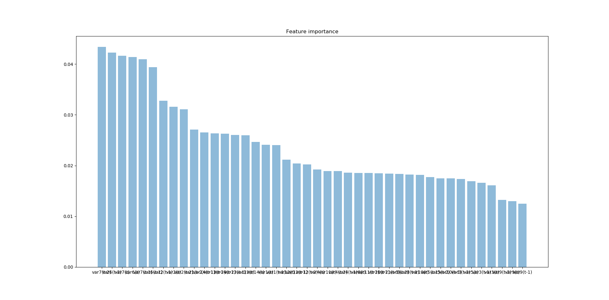
Lag Value: | 2
Feature Importance Score (Graded by RandomForest n=500) | var7(t-2) 0.043229
 | var7(t) 0.042543
 | var6(t-2) 0.041540
 | var7(t-1) 0.040755
 | var6(t) 0.040642
 | var6(t-1) 0.039486
 | var2(t) 0.033136
 | var2(t-1) 0.032458
 | var2(t-2) 0.030486
 | var14(t-2) 0.027810
 | var13(t) 0.026745
 | var13(t-1) 0.026334
 | var1(t-2) 0.026105
 | var13(t-2) 0.025888
 | var14(t-1) 0.025679
 | var1(t-1) 0.024983
 | var14(t) 0.024823
 | var1(t) 0.024406
 | var12(t-2) 0.020751
 | var12(t) 0.020728
 | var12(t-1) 0.019826
 | var4(t-2) 0.019146
 | var4(t-1) 0.019099
 | var4(t) 0.019089
 | var11(t-1) 0.018870
 | var11(t) 0.018587
 | var8(t-2) 0.018331
 | var8(t) 0.018285

Feature Importance Scores Lag3
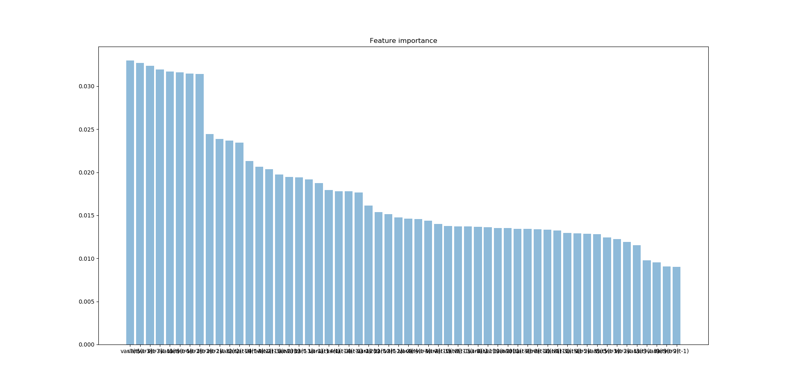
Lag Value: | 3
Feature Importance Score (Graded by RandomForest n=500) | var7(t-3) 0.033738
 | var7(t) 0.032875
 | var6(t-3) 0.032372
 | var6(t-2) 0.032085
 | var7(t-1) 0.031448
 | var6(t-1) 0.031248
 | var7(t-2) 0.030683
 | var6(t) 0.030680
 | var2(t) 0.024112
 | var2(t-2) 0.023911
 | var2(t-3) 0.023703
 | var2(t-1) 0.023434
 | var14(t-3) 0.021704
 | var1(t-3) 0.021573
 | var13(t-3) 0.020028
 | var14(t-2) 0.020007
 | var13(t-2) 0.019922
 | var13(t) 0.019086
 | var13(t-1) 0.019082
 | var14(t-1) 0.018502
 | var1(t-1) 0.018325
 | var1(t-2) 0.018216
 | var14(t) 0.017311
 | var1(t) 0.017187
 | var12(t) 0.015648
 | var12(t-3) 0.015631
 | var12(t-1) 0.015619
 | var12(t-2) 0.014861

Feature Importance Scores Lag4
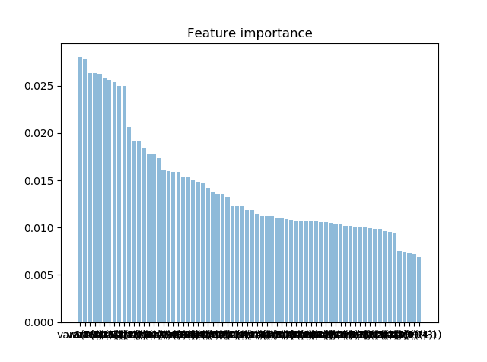
Lag Value: | 4
Feature Importance Score (Graded by RandomForest n=500) | var7(t-4) 0.027139
 | var7(t) 0.027135
 | var6(t-3) 0.027115
 | var7(t-2) 0.026350
 | var6(t-4) 0.026037
 | var6(t-1) 0.026034
 | var7(t-1) 0.025701
 | var6(t) 0.025487
 | var7(t-3) 0.025473
 | var6(t-2) 0.025049
 | var2(t) 0.020887
 | var2(t-1) 0.019472
 | var2(t-2) 0.018927
 | var2(t-3) 0.018777
 | var2(t-4) 0.017967
 | var1(t-4) 0.017434
 | var14(t-4) 0.016686
 | var14(t-3) 0.016677
 | var13(t-1) 0.015640
 | var13(t-3) 0.015472
 | var13(t) 0.015110
 | var1(t-3) 0.015106
 | var13(t-2) 0.015040
 | var13(t-4) 0.015002
 | var14(t-2) 0.014979
 | var14(t-1) 0.014675
 | var14(t) 0.014503
 | var1(t-2) 0.014431

Feature Importance Scores Lag5
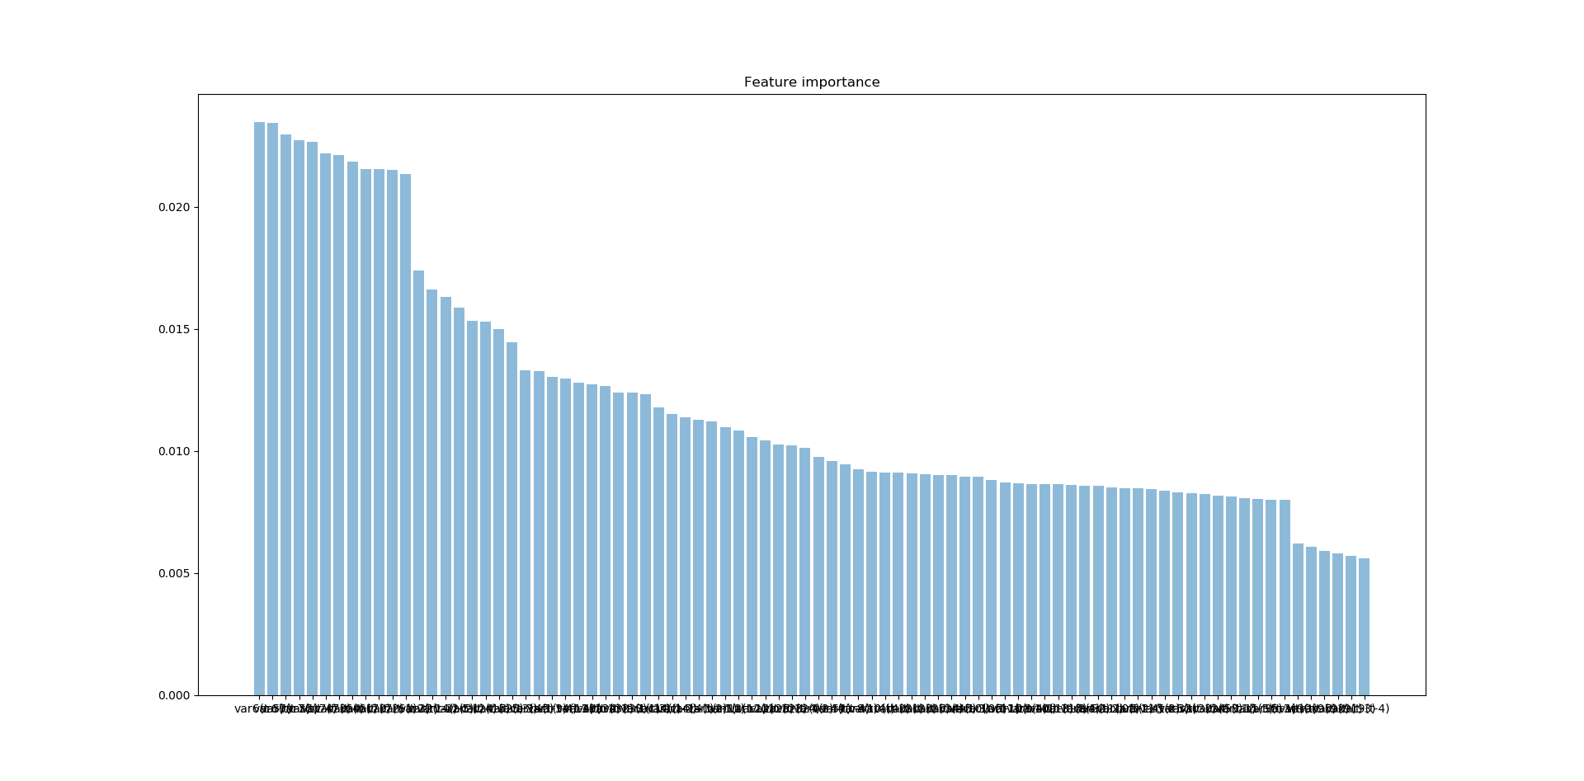
Lag Value: | 5
Feature Importance Score (Graded by RandomForest n=500) | var6(t-5) 0.024429
 | var7(t) 0.023367
 | var6(t) 0.023094
 | var6(t-2) 0.022346
 | var7(t-3) 0.022073
 | var6(t-4) 0.021965
 | var7(t-2) 0.021937
 | var7(t-4) 0.021794
 | var6(t-3) 0.021689
 | var7(t-1) 0.021443
 | var6(t-1) 0.021433
 | var7(t-5) 0.021427
 | var2(t-1) 0.016802
 | var1(t-5) 0.016497
 | var2(t-5) 0.016475
 | var2(t) 0.016114
 | var2(t-4) 0.015661
 | var2(t-3) 0.015408
 | var2(t-2) 0.015308
 | var14(t-5) 0.015192
 | var14(t-4) 0.013650
 | var1(t-4) 0.013340
 | var13(t-5) 0.013318
 | var13(t) 0.012814
 | var13(t-4) 0.012600
 | var13(t-3) 0.012417
 | var13(t-2) 0.012385
 | var13(t-1) 0.012238

Autocorrelation Plot
