Graficos
Total Empleados Mujeres y Hombres
Total de Empleados
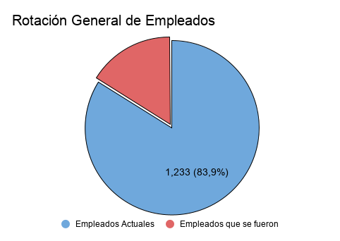

Salarios promedio por hora por Empleados
Salario por Día por Empleados
Salario Mensual por Empleados
v

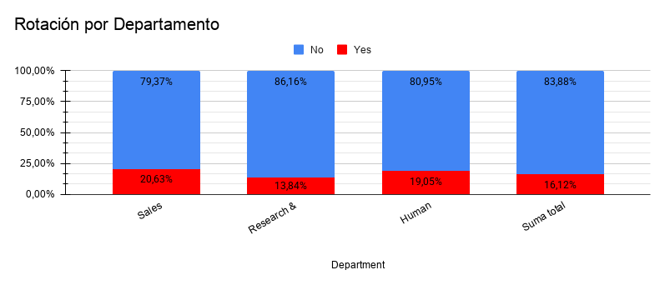
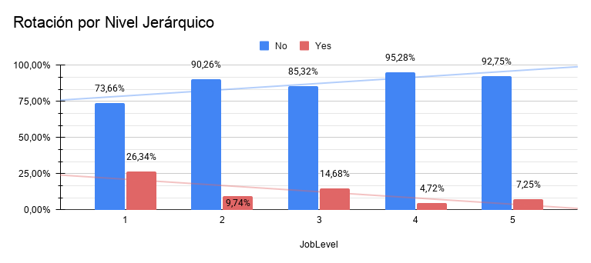

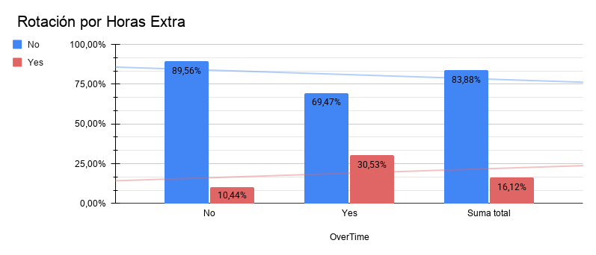
Rotación por Estado Civil

Salario Promedio por Departamento y Rotación
Rotación por Género y Departamento

Satisfacción Laboral de todos los Empleados
Satisfacción Laboral de los Empleados que se fueron

