System Demand and Market Price
I-NTEM
 | 8-Dec-22

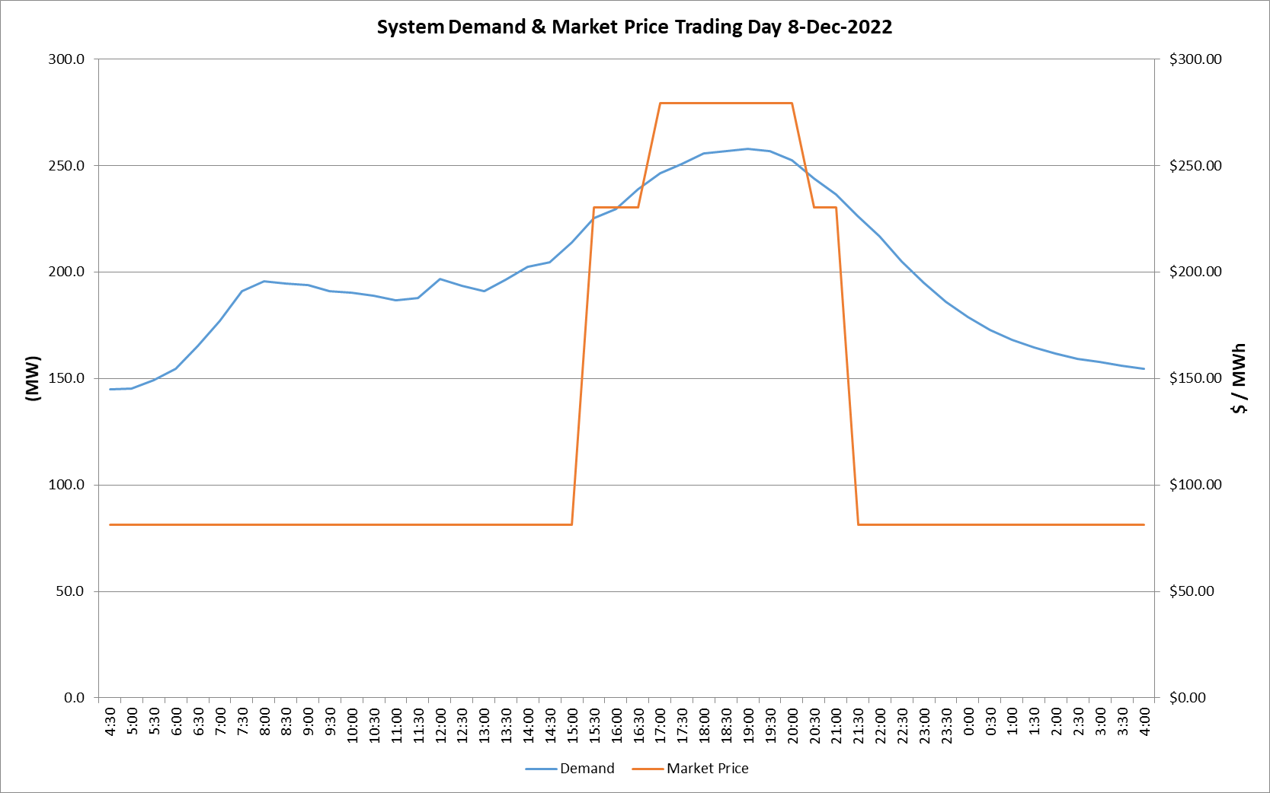
 | Demand | Market Price
4:30:00 | 30.0 | $500.00
5:00:00 | 30.0 | $500.00
5:30:00 | 30.0 | $500.00
6:00:00 | 30.0 | $500.00
6:30:00 | 30.0 | $500.00
7:00:00 | 30.0 | $500.00
7:30:00 | 30.0 | $500.00
8:00:00 | 30.0 | $500.00
8:30:00 | 30.0 | $500.00
9:00:00 | 30.0 | $500.00
9:30:00 | 30.0 | $500.00
10:00:00 | 30.0 | $500.00
10:30:00 | 30.0 | $500.00
11:00:00 | 30.0 | $500.00
11:30:00 | 30.0 | $500.00
12:00:00 | 30.0 | $500.00
12:30:00 | 30.0 | $500.00
13:00:00 | 30.0 | $500.00
13:30:00 | 30.0 | $500.00
14:00:00 | 30.0 | $500.00
14:30:00 | 30.0 | $500.00
15:00:00 | 30.0 | $500.00
15:30:00 | 30.0 | $500.00
16:00:00 | 30.0 | $500.00
16:30:00 | 30.0 | $500.00
17:00:00 | 30.0 | $500.00
17:30:00 | 30.0 | $500.00
18:00:00 | 30.0 | $500.00
18:30:00 | 30.0 | $500.00
19:00:00 | 30.0 | $500.00
19:30:00 | 30.0 | $500.00
20:00:00 | 30.0 | $500.00
20:30:00 | 30.0 | $500.00
21:00:00 | 30.0 | $500.00
21:30:00 | 30.0 | $500.00
22:00:00 | 30.0 | $500.00
22:30:00 | 30.0 | $500.00
23:00:00 | 30.0 | $500.00
23:30:00 | 30.0 | $500.00 | Offers Used For Processing
0:00:00 | 30.0 | $500.00
0:30:00 | 30.0 | $500.00 | Generator | Offer Version | Start Interval | Trading Day
1:00:00 | 30.0 | $500.00
1:30:00 | 30.0 | $500.00 | EDL | Version 1 | 4:30:00 | 2022-12-08
2:00:00 | 30.0 | $500.00
2:30:00 | 30.0 | $500.00 | TGen | Version 1 | 4:30:00 | 2022-12-08
3:00:00 | 30.0 | $500.00
3:30:00 | 30.0 | $500.00
4:00:00 | 30.0 | $500.00

