Sheet1
PinNumber | PinName | ANGSTFunction |  | 2019-04-18
1 | VBAT | 3V3
2 | PC13 | ENx_STSPIN1
3 | PC14_OSC32_IN | ENx_STSPIN2
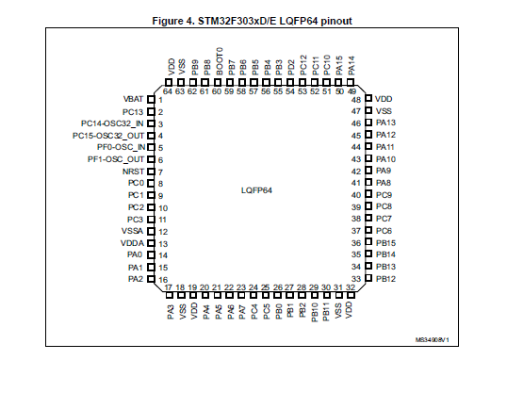
4 | PC15_OSC32_OUT | ENx_STSPIN3
5 | PF0_OSC_IN | OSC_IN | OSC
6 | PF1_OSC_OUT | OSC_OUT
7 | NRST | NRST
8 | PC0 | INU_STSPIN1
9 | PC1 | INV_STSPIN1
10 | PC2 | INW_STSPIN1
11 | PC3 | EN/OC_STSPIN1
12 | VSSA | GND
13 | VDDA | 3V3
14 | PA0 | INU_STSPIN2
15 | PA1 | INV_STSPIN2
16 | PA2 | INW_STSPIN2
17 | PA3 | EN/OC_STSPIN2
18 | VSS | GND
19 | VDD | 3V3
20 | PA4 | SPI1_NSS | SPI_PORT
21 | PA5 | SPI1_SCK
22 | PA6 | SPI1_MISO
23 | PA7 | SPI1_MOSI
24 | PC4 | USART1_TX | DEBUG_UART
25 | PC5 | USART1_RX
26 | PB0 | SENSE_STSPIN1
27 | PB1
28 | PB2
29 | PB10
30 | PB11 | SENSE_STSPIN2
31 | VSS | GND
32 | VDD | 3V3
33 | PB12
34 | PB13
35 | PB14 | SENSE_STSPIN3
36 | PB15
37 | PC6 | INU_STSPIN3
38 | PC7 | INV_STSPIN3
39 | PC8 | INW_STSPIN3
40 | PC9 | EN/OC_STSPIN3
41 | PA8 | LED | LED
42 | PA9 | I2C2_SCL | EEPROM
43 | PA10 | I2C2_SDA
44 | PA11 | DM | USB
45 | PA12 | DP
46 | PA13 | SWDIO | DEBUG
47 | VSS | GND
48 | VDD | 3V3
49 | PA14 | SWCLK | DEBUG
50 | PA15
51 | PC10
52 | PC11
53 | PC12
54 | PD2
55 | PB3 | USART2_RX | UART_PORT
56 | PB4 | USART2_TX
57 | PB5
58 | PB6 | I2C1_SCL | IMU_PORT
59 | PB7 | I2C1_SDA
60 | BOOT0 | BOOT0
61 | PB8
62 | PB9
63 | VSS | GND
64 | VDD | 3V3

