Sheet1
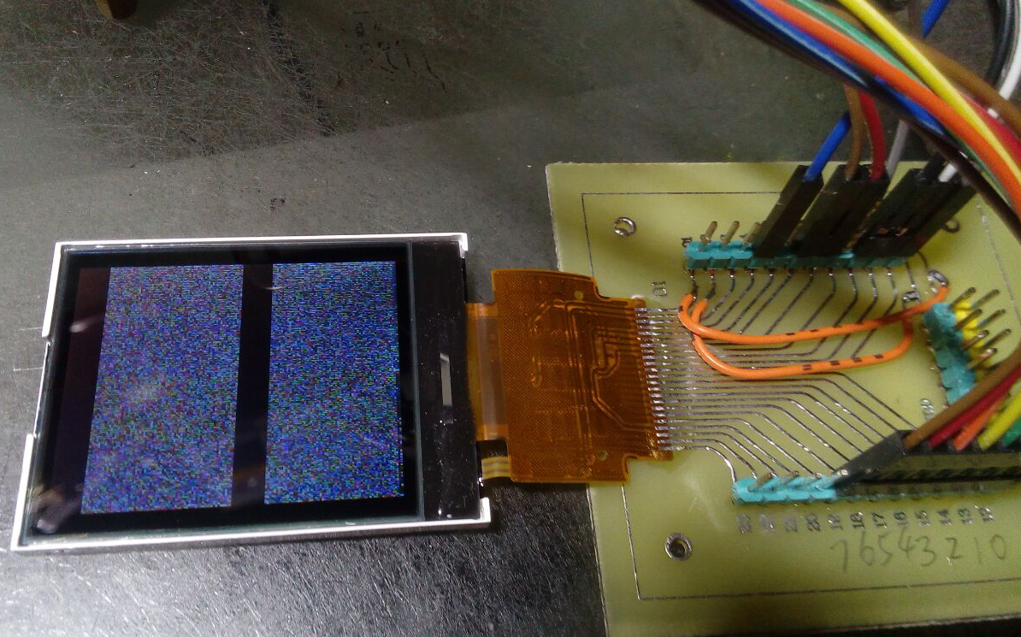
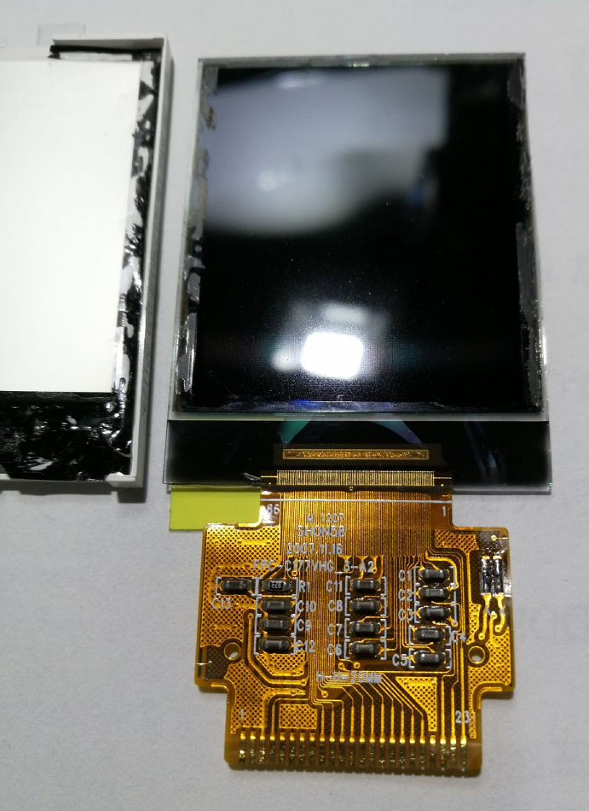
LED-K
LED-A
GND
RST
NC不接空
GND
VDD
CS
RS
WR
RD
D0
D1
D2
D3
D4
D5
D6
D7
VDD
NC不接空
NC不接空
NC不接空

主控
S6B33B2 | FPC-C177VHG_3-A2
IloveC2018 | COG-C177MVHG-03
cc.hack@qq.com | C177MVHG-02A
2018.10.15

