Country Indicators
 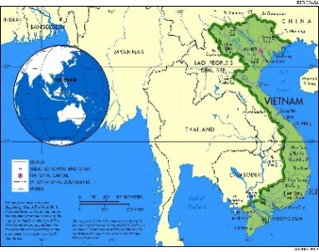 VIETNAM |  |  |  |  |  |  |  |  | All data in USD Source: World Bank Date of Compilation: 10-06-2025
Macro Variables
 | 2016 | 2017 | 2018 | 2019 | 2020 | 2021 | 2022 | 2023
GDP Nominal (billion) | 257.10 | 281.35 | 310.11 | 334.37 | 346.62 | 366.48 | 410.32 | 429.72
Population (million) | 94.000117 | 95.176977 | 96.237319 | 97.173776 | 98.079191 | 98.935098 | 99.680655 | 100.352192
GDP per capita ($/year) | 2735.0604255 | 2956.1140611 | 3222.3050603 | 3440.8974701 | 3534.0422007 | 3704.1960579 | 4116.3854712 | 4282.0888257
Consumer Price Index | 148.4073328 | 153.6316522 | 159.0696412 | 163.5169479 | 168.7837215 | 171.8804227 | 177.3058411 | 183.0734101
Inflation Rate | 2.67% | 3.52% | 3.54% | 2.80% | 3.22% | 1.83% | 3.16% | 3.25%
Gross Capital formation | 31.7245391 | 32.30530092 | 32.0195029 | 31.97996066 | 31.91568839 | 32.89560234 | 32.56809514 | 31.96175139 | DECADAL ANALYSIS
Unemployement Rate (in percent) | 1.848 | 1.874 | 1.161 | 1.681 | 2.103 | 2.385 | 1.523 | 1.645
 |  |  |  |  |  |  |  |  |  | 1994-2003 | 2004-2013 | 2014-2023
COMPOSITION |  |  |  |  |  |  |  |  | GDP Nominal (billion) | 282.89136601 | 1181.0885049 | 3208.76
GDP Nominal (billion) | 257.10 | 281.35 | 310.11 | 334.37 | 346.62 | 366.48 | 410.32 | 429.72 | Population (million) | 79563777 | 90573104 | 100352192
Consumption (billion) | 177.74 | 191.69 | 207.22 | 222.04 | 226.85 | 238.59 | 261.46 | 272.60 | GDP per capita ($/year) | 497.11708925 | 2359.5194441 | 4282.0888257
Exports (billion) | 190.53 | 230.04 | 261.80 | 284.74 | 292.48 | 343.94 | 384.93 | 374.61 | Inflation Rate | 27.78% | 149.55% | 27.45% | 2025 |  | 2026
Imports (billion) | 183.32 | 222.88 | 248.83 | 265.98 | 273.36 | 340.18 | 369.20 | 340.11 | Unemployement Rate (in percent) | 2.2737 | 1.6372 | 1.7324 | 169382419 | 0.0314 | 174701026.96 | 5485612.2778 | 9.5834227312E+14 | 5.2570941398E+21 | 5.038095548E+36
Trade surplus (Billion $) | 7.21 | 7.16 | 12.97 | 18.76 | 19.12 | 3.75 | 15.73 | 34.51
FDI (net inflow) (% of GDP) | 12.60 | 14.10 | 15.50 | 16.12 | 15.80 | 15.66 | 17.90 | 18.50 | GROWTH RATE (AVERAGE EARLY)
Remittance received | 8.56 | 9.41 | 10.19 | 10.89 | 10.71 | 12.72 | 13.20 | 14.00 | GDP | 14% | 37% | 8%
 |  |  |  |  |  |  |  |  | AGRICUTURAL VALUE ADD | 9.96% | 22.82% | -1.96%
SECTOR WISE |  |  |  |  |  |  |  |  | SERVICE VALUE ADD | 11.11% | 40.21% | 0.39%
GDP Nominal | 257.096 | 281.354 | 310.106 | 334.365 | 346.616 | 366.475 | 410.324 | 429.717 | INDUSTRY VALUE ADD | 23.20% | 31.62% | 0.52%
Agrculture Value Add | 35.53 | 36.38 | 38.16 | 39.40 | 43.87 | 46.19 | 49.06 | 51.40 | CONSUMPTION | 7.69% | 34.63% | 7.34%
Service Value Add | 110.18 | 119.80 | 130.77 | 142.00 | 144.99 | 151.20 | 169.56 | 182.79 | EXPORT | 25.49% | 42.61% | 13.06%
Industry Value Add | 87.71 | 99.57 | 113.32 | 123.06 | 127.36 | 137.03 | 156.64 | 159.51 | IMPORT | 23.10% | 31.11% | 12.14%

Growth Rates
GDP Nominal (billion) | 7.46% | 9.44% | 10.22% | 7.82% | 3.66% | 5.73% | 11.97% | 4.73%
Population (million) | 1.27% | 1.25% | 1.11% | 0.97% | 0.93% | 0.87% | 0.75% | 0.67%
GDP per capita ($/year) | 6.11% | 8.08% | 9.00% | 6.78% | 2.71% | 4.81% | 11.13% | 4.03%
Consumption | 6.15% | 7.85% | 8.10% | 7.15% | 2.16% | 5.18% | 9.58% | 4.26%
Exports (% of GDP) | 9.20% | 20.74% | 13.81% | 8.76% | 2.72% | 17.59% | 11.92% | -2.68%
Imports (% of GDP) | 6.43% | 21.58% | 11.64% | 6.89% | 2.77% | 24.45% | 8.53% | -7.88%
FDI (net inflow) (% of GDP) | 56.51% | 11.90% | 9.93% | 4.00% | -1.98% | -0.89% | 14.30% | 3.35%
Agrculture Value Add | 2.58% | 2.40% | 4.91% | 3.25% | 11.32% | 5.29% | 6.21% | 4.77%
Service Value Add | 9.14% | 8.74% | 9.16% | 8.58% | 2.11% | 4.28% | 12.14% | 7.80%
Industry Value Add | 6.98% | 13.53% | 13.81% | 8.59% | 3.50% | 7.59% | 14.31% | 1.83%

Consumption
GDP Growth Rates
2007 | 16.64%
2008 | 28.05%
2009 | 6.95%
2010 | 38.85%
2011 | 17.25%
2012 | 13.32%
2013 | 9.26%
2014 | 9.24%
2015 | 2.49%
2016 | 7.46%
2017 | 9.44%
2018 | 10.22%
2019 | 7.82%
2020 | 3.66%
2021 | 5.73%
2022 | 11.97%
2023 | 4.73%
2024 | 7.09%

Trade Surplus
Population growth rate
2015 | 1.23%
2016 | 1.25%
2017 | 1.24%
2018 | 1.10%
2019 | 0.96%
2020 | 0.92%
2021 | 0.87%
2022 | 0.75%
2023 | 0.67%

Scenarios Analysis
Scenario analysis
(Case I: Best Case) Vietnam's deeper integration into global trade, exemplified by CPTPP and RCEP membership, reinforces structural reforms. These agreements, along with its growing role in the China+1 strategy, boost Vietnam's access to key export markets and enhance its attractiveness for foreign investment. FDI inflows hit a record high of USD 36 billion in 2024, driven by expansions in electronics, textiles, and green energy manufacturing.
The base case assumes continued robust growth, with GDP expected to rise from 5.1% in 2023 to 7.2% in 2025. While export growth remains strong, the government’s focus on infrastructure development (notably Long Thanh International Airport and North-South expressway) is set to unlock bottlenecks and crowd in private sector investment. Low inflation (~3.2%) and stable exchange rates support domestic consumption, which is further aided by a growing middle class and rising urbanization.
Although rising wages could challenge competitiveness, Vietnam offsets this with improved logistics efficiency and digitalization in manufacturing and services. The real estate sector stabilizes after prior turbulence, supported by regulatory reforms and new credit disbursement frameworks.
Favorable demographics, strong external demand, and a proactive government stance on economic liberalization collectively sustain Vietnam’s growth trajectory, positioning the country as a key ASEAN outperformer in the medium term.
 |  | c
 |  | Strong FDI inflows driven by China+1 strategy and stable governance. Robust export growth, especially in electronics and textiles. Low inflation and stable VND supporting purchasing power. Tourism recovery boosting services sector. Continued infrastructure development attracting private investment.

 |  | 0
 |  | Moderate FDI inflows continue, but competition from regional peers increases. Export growth slows due to weaker global demand. Inflation remains under control, but wage pressures emerge. Domestic consumption stabilizes, supported by remittances. Manufacturing remains resilient, but construction faces headwinds.

(Case II: Base Case) Vietnam’s economy is expected to grow at around 5.8% in 2025, slightly moderating from the previous year due to global demand softness and tighter financial conditions. Growth will continue to be driven by the three primary engines: exports, consumption, and investment, though each will experience more tempered momentum.
Fixed asset investment is projected to rise by 16% in 2025, reflecting cautious optimism in both public and private sector capital expenditure. Export growth will decelerate due to subdued electronics demand globally, although sectors like agriculture and garments will remain relatively resilient.
The government may adopt a mildly contractionary monetary stance to prevent overheating in sectors like real estate and retail credit, especially in response to ongoing inflationary concerns (hovering around 4%). Domestic consumption remains steady, buoyed by urban income growth and rising digital retail penetration, though spending patterns are more cautious.
Vietnam’s manufacturing sector maintains its core strength, but is expected to operate below potential due to slower order flows from key trade partners. Given these conditions, the economy is likely to maintain a stable yet moderated trajectory, registering a GDP growth rate of 5.8% in 2025.

 |  | 0
 |  | Global slowdown sharply reduces demand for exports. FDI weakens due to geopolitical risks and rising operational costs. High inflation due to imported energy and food prices. Consumer sentiment weakens, dampening retail and tourism. Delays in public infrastructure projects reduce private sector confidence.

(Case III: Worst Case)
Vietnam’s growth momentum may falter due to a combination of external headwinds and domestic structural risks. The worst-case scenario assumes continued global demand weakness, especially from key markets like the U.S., EU, and China, severely affecting Vietnam’s export-reliant sectors such as electronics and apparel.
High inflation (above 5%), coupled with an aggressive monetary tightening cycle, could significantly suppress domestic consumption and business sentiment. A sharp depreciation of the Vietnamese đồng may raise import costs and discourage investor confidence. The property market, already under stress from regulatory tightening, faces further contraction, affecting credit flow and overall financial stability.
Investor confidence may waver due to policy unpredictability, especially in sectors like real estate, fintech, and foreign ownership regulation. This would result in a steep fall in FDI inflows, reversing Vietnam’s position as a regional magnet for manufacturing relocation.
The banking system may come under strain due to rising non-performing loans, particularly from real estate and small business borrowers. In this environment, consumer confidence drops, private investment retreats, and infrastructure spending slows.
As a result, Vietnam’s economy could decelerate to just 3.5% GDP growth in 2025, marking its lowest rate in years and exposing key vulnerabilities in its growth model.

Growth Rate Scenarios
2019 | 7.82% | 7.82% | 7.82%
2020 | 3.66% | 3.66% | 3.66%
2021 | 5.73% | 5.73% | 5.73%
2022 | 11.97% | 11.97% | 11.97%
2023 | 4.73% | 4.73% | 4.73%
2024 | 7.09% | 7.09% | 7.09%
2025 | 8.60% | 5.80% | 3.50%
2026 | 9.00% | 6.10% | 4.50%
 | Best Case: Probability = 30%
 | Strong FDI inflows driven by China+1 strategy and stable governance. Robust export growth, especially in electronics and textiles. Low inflation and stable VND supporting purchasing power. Tourism recovery boosting services sector. Continued infrastructure development attracting private investment.

 | Base Case: Probability = 50%
 | Moderate FDI inflows continue, but competition from regional peers increases. Export growth slows due to weaker global demand. Inflation remains under control, but wage pressures emerge. Domestic consumption stabilizes, supported by remittances. Manufacturing remains resilient, but construction faces headwinds.

 | Worst Case: Probability = 20%
 | Global slowdown sharply reduces demand for exports. FDI weakens due to geopolitical risks and rising operational costs. High inflation due to imported energy and food prices. Consumer sentiment weakens, dampening retail and tourism. Delays in public infrastructure projects reduce private sector confidence.

Country Summary
 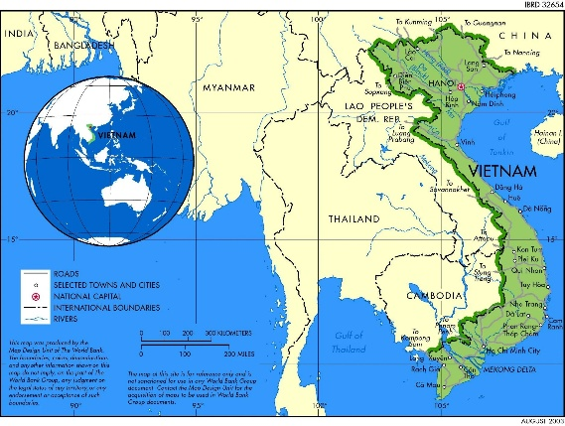 VIETNAM
Region |  | South East Asian
Portfolio Allocation |  | Target: 3-5%
Vietnam is a Southeast Asian nation situated on the eastern Indochinese peninsula, sharing borders with China, Laos, and Cambodia. Its long, "S"-shaped territory features a 3,260 km coastline along the South China Sea, one of the world's major trade routes. This geography provides significant economic advantages.
Economic Impact of Geography: Vietnam's strategic location and extensive coastline are central to its economic development.
Strategic Trade Position: Positioned at the intersection of Northeast and Southeast Asia, Vietnam serves as a gateway to the region and is close to major economies like China, Japan, and India. Its location on primary shipping routes connecting the Indian and Pacific Oceans enhances its role in regional logistics and makes it a key part of the East-West economic corridor.
Coastal Economy: The coastal region, home to half of the country's population, generates over 50% of Vietnam's GDP. This area is vital for maritime trade, tourism, and resource-based industries like aquaculture, seafood processing, and crude oil exploitation, which stimulate growth across the national economy.
Economic Zones: To leverage its geography, Vietnam has established 44 economic zones, including 18 Coastal Economic Zones and 26 Border Gate Economic Zones. These are organized into four Key Economic Regions (KERs) in the north, central, south, and Mekong Delta areas, which are magnets for foreign direct investment (FDI) and hubs for import-export activities. In 2022, the northern KER alone attracted over US$9.61 billion in FDI.
Geographical Challenges: The country's mountainous terrain can complicate infrastructure development and logistics. Vietnam is also vulnerable to natural disasters like typhoons and floods, which can disrupt economic activity and damage infrastructure.
Metropolitan & Economic Hubs
Vietnam's economic activity is concentrated in its major cities and Key Economic Regions. The capital, Hanoi, and the largest city, Ho Chi Minh City, are the primary urban centers. These cities are anchors for the northern and southern KERs, which lead the country in trade and FDI attraction. The southern KER is the nation's primary trade powerhouse, while the northern KER, driven by Hanoi and the port city of Haiphong, is a dynamic economic locomotive.
Geographic Location and Metro Profile
Cost-Competitive Labor Force: Vietnam offers a young, abundant, and relatively low-cost workforce. This attracts labor-intensive manufacturing (textiles, footwear, electronics assembly) and FDI from countries like Japan, South Korea, and China. Their labout force currently stands at approximately 52.4 million which is 13th in the world.
Political Stability and Pro-Business Policies: One-party system ensures political predictability; government supports FDI.
Rapidly Developing Infrastructure: Investments in ports, roads, industrial parks, and urban development.
Education and Skills Development: High literacy rate and growing focus on STEM education.
Entrepreneurial and Adaptive Private Sector: Growth of SMEs and tech startups, especially in fintech, edtech, and e-commerce.
Tourism and Cultural Appeal: Rich cultural heritage, diverse landscapes, and competitive service pricing.
Distinctive Competence
Demographics: Vietnam's population nears 100 million (2023), ranking 15th globally. Population density is 328 people/km² (2025). The population is relatively young but aging, expected to become an aged society by 2035.
Consumer Confidence: Sentiment is mixed to cautiously optimistic. Only 25% expect recovery in 2024, rising to 55% in 2025. Consumer demand is expected to improve modestly, just above inflation. Government plans to increase infrastructure spending in 2025 to boost confidence.
Public Sector Infrastructure Spending: Spending is substantial and increasing. In 2025, infrastructure will be a key GDP growth driver, shifting focus from exports and tourism to domestic consumption, infrastructure, and real estate.
Business Capital Investment: Vietnam sees strong FDI inflows, up 9.4% to $25.35 billion. Driven by exports, domestic consumption, and investor confidence. GDP per capita projected to grow 32%, from $3,720 (2021) to $4,900 (2025).
Trade and Tariffs: Vietnam enjoys open trade policies through multiple trade agreements, though specific tariffs were not detailed.
Employment: Unemployment is very low, at 2.20% in Q1 2025, down from 2.22% in Q4 2024. The 2024 rate among the working-age population was 2.24%. Unlike China, Vietnam's mixed economy benefits from strong private sector growth.
Economic Outlook: GDP growth was 7.1% in 2024, projected at 5.8% in 2025. The World Bank forecasts 6.1% (2024) and 6.5% (2025) growth.
Demand factors
Natural Resource Endowment: Vietnam possesses a wide array of natural resources, including minerals like iron, bauxite, and significant rare earth reserves, ranking third globally. It also has substantial crude oil, natural gas, and hydropower potential. The government actively manages these assets by imposing a Natural Resource Tax on their extraction.
Low Labor Costs & Investment: Vietnam offers competitive labour costs, which are roughly half of China's. This benefits particularly manufacturing sector, and has the highest infrastructure investment rate in Southeast Asia.
Regulations: Following the Đổi Mới reforms of 1986, Vietnam transitioned to a market-oriented economy, opening up to foreign investment and privatizing state enterprises. The regulations since have been very pro-business and liberal.
Industrial Production: The manufacturing sector is the engine of Vietnam's economy, establishing it as a global production hub. Many companies use Vietnam as part of a "China Plus One" strategy to diversify supply chains. While a major player, Vietnamese firms often handle lower-value-added stages like processing and assembly.
Supply factors and market mechanism
Vietnam’s investment climate is strong and positive, supported by robust economic growth, rising FDI, and a recovering stock market with upgrade potential. Unlike China’s 2007 bubble, Vietnam is seen as having a solid foundation for sustainable growth.
Stock Market Performance: The stock market is projected to outperform 2024, with a possible FTSE upgrade to emerging market status in Sept 2025, potentially drawing in US$1.5 billion in foreign capital. The VN-Index has a forward P/E ratio of 10.2x (top 100 stocks), remaining attractive versus regional peers. Optimism is backed by strong corporate earnings and stable macro policies.
Capital Flows (FDI): FDI is a key growth driver, with US$6.9 billion in registered capital in the first two months of 2025 — a 35.5% year-on-year increase. Major FDI sectors: manufacturing, real estate, and high-tech industries (tech, semiconductors, AI). Key investors: Singapore and South Korea. Long-term success depends on addressing administrative barriers and building a skilled workforce.
Investors' Sentiment
External Headwinds and Trade Dependency
Slowing Global Demand: Vietnam's economic outlook is subject to "heightened uncertainties" due to its dependedness on the global economy. A primary risk is waning consumer demand and slower-than-expected growth in key export markets, including the US, EU, and China, which could negatively impact its manufacturing exports and industrial production.
Trade Policy and Geopolitical Risks: The prospect of new US tariffs remains a significant concern, with some forecasts showing potential tariffs could reduce GDP growth. More broadly, global trade tensions and deepening trade fragmentation pose a threat to Vietnam's export-driven model. Tensions in South China Sea being one of them.
Cost of Capital and Exchange Rate Volatility: High interest rates in major economies increase the cost of capital, potentially slowing foreign investment flows.
Domestic Economic and Policy Risks
Aggressive Growth Targets vs. Stability: The government has set an ambitious GDP growth target of at least 8% for 2025, a goal that may require sacrificing some macroeconomic stability. This strategy involves a higher inflation tolerance (revised up to 4.5-5%) and an increased budget deficit, signaling a potential policy trade-off between high growth and stability.
Reliance on Credit Growth: To achieve its growth targets, Vietnam is relying heavily on rapid credit growth, with a target of 16% that could be adjusted as high as 20%. This aggressive expansion of credit is seen as a vital funding channel but also introduces potential risks to the financial system.
Legal and Governance Risks
Regulatory and Legal Environment: Investors face risks from an inconsistent legal framework. While reforms are underway, challenges such as political influence on judicial independence, inconsistent enforcement of laws, and restrictions on foreign ownership can create operational uncertainty for businesses.
Corruption: Corruption remains a notable risk for corporations operating in Vietnam. Although the government's "Blazing Furnace" anti-corruption campaign is establishing a new business standard.
Macro Risk Perception |  |  |  |  |  |  |  | India, 21.4% of Gdp is exports VS Vietnam: 87.18%
Vietnam’s economy is expected to maintain strong momentum over the next few years, driven by robust foreign direct investment (FDI), a young and dynamic workforce, and deepening integration into global supply chains. Investor confidence remains high, bolstered by steady macroeconomic policies and the country’s strategic positioning as a China+1 manufacturing hub.
While data transparency and regulatory unpredictability remain challenges, ongoing reforms—particularly in digital governance, banking sector modernization, and SOE restructuring—signal progress. The government has shown increasing resolve in addressing corruption and improving the ease of doing business.
Investment has been the primary engine of growth, with infrastructure and high-tech manufacturing leading the way. If domestic consumption strengthens further, especially from Vietnam’s expanding middle class, the high-growth phase could sustain well beyond current projections. Industrial growth is expected to remain in double digits, particularly in electronics, textiles, and green energy.
Inflation pressures have risen modestly, primarily due to global commodity prices and energy costs, but remain within manageable bounds. The central bank is likely to continue balancing growth with inflation control through a cautious monetary stance. Overall, Vietnam stands out as one of the most promising frontier-to-emerging market stories in Asia.
Overall Outlook
Roulac Category/Sector outlook |  | Country Target and Weight Recommendation: In the short run (2025), rising/stable interest rates may cause interest-sensitive sectors like steel, housing, and construction to underperform. However, in the long run, industrial real estate, commercial developers, and healthcare are expected to perform well. Company Recommendation: FPT Corporation – Leading IT and digital services firm Vingroup – Diversified player in non-residential real estate and healthcare. Hoàn Mỹ Medical – Largest private healthcare network. Roulac Sector Outlook: Top Sectors – Manufacturing & Industrial Property, Technology, Commercial Developers, Private Healthcare Moderate Outlook – Residential Real Estate, Construction & Cement, Banking & Financials
Average Sector Growth Projection
Manufacturing | 0.033
Technology | 0.0848
Retail/E-commerce | 0.1522
Banking/Finance | 0.0734
Real Estate | 0.052
Energy/Renewables | 0.13
Agriculture | 0.0272
Construction | 0.076
Transport & Logistics | 0.0636
Healthcare Providers | 0.084
Tourism and Hospitality Services | 0.11
Education | 0.0636

Forecasts |  | 2025 | 2026 | 2027 | 2028 | 2029

GDP
GDP growth rate |  | 5.8% | 6.10% | 6.50% | 7.00% | 7.00%

Effective Growth Rate Based on Scenarios
Economic Growth Analysis |  | Base Case |  | Best Case |  | Worst Case
 |  | GDP Growth | Probability | GDP Growth | Probability | GDP Growth | Probability
 |  | 8.6% | 30% | 5.8% | 50% | 3.5% | 20%

Macro Variables
 | 2016 | 2017 | 2018 | 2019 | 2020 | 2021 | 2022 | 2023
GDP Nominal (billion) | 257.096 | 281.354 | 310.106 | 334.365 | 346.616 | 366.475 | 410.324 | 429.717
Population (million) | 94.000117 | 95.176977 | 96.237319 | 97.173776 | 98.079191 | 98.935098 | 99.680655 | 100.352192
GDP per capita ($/year) | 2735.0604255 | 2956.1140611 | 3222.3050603 | 3440.8974701 | 3534.0422007 | 3704.1960579 | 4116.3854712 | 4282.0888257
Consumer Price Index | 148.4073328 | 153.6316522 | 159.0696412 | 163.5169479 | 168.7837215 | 171.8804227 | 177.3058411 | 183.0734101
Inflation Rate | 0.026682481647 | 0.035202569182 | 0.035396280142 | 0.027958236823 | 0.032209343849 | 0.018347155593 | 0.031565074805 | 0.032528928343
Gross Capital formation | 31.7245391 | 32.30530092 | 32.0195029 | 31.97996066 | 31.91568839 | 32.89560234 | 32.56809514 | 31.96175139
Unemployement Rate (in percent) | 1.848 | 1.874 | 1.161 | 1.681 | 2.103 | 2.385 | 1.523 | 1.645

COMPOSITION
GDP Nominal (billion) | 257.096 | 281.354 | 310.106 | 334.365 | 346.616 | 366.475 | 410.324 | 429.717
Consumption (billion) | 177.74429903 | 191.69452831 | 207.2214478 | 222.04145286 | 226.84592008 | 238.59029463 | 261.4582634 | 272.59815289
Exports (billion) | 190.52686867 | 230.04212569 | 261.80220272 | 284.73716713 | 292.48011975 | 343.93754657 | 384.9316672 | 374.61323739
Imports (billion) | 183.31515995 | 222.88177889 | 248.83054506 | 265.97608146 | 273.3561601 | 340.18271182 | 369.20092941 | 340.10756849
Trade surplus (Billion $) | 7.2117087249 | 7.1603467929 | 12.971657665 | 18.761085679 | 19.123959655 | 3.7548347527 | 15.73073779 | 34.505668897
FDI (net inflow) (% of GDP) | 12.599999942 | 14.100019746 | 15.499976088 | 16.119986959 | 15.800011918 | 15.660010564 | 17.89999874 | 18.500001333
Remittance received | 8.5560923028 | 9.4056199968 | 10.191345118 | 10.885215959 | 10.71457983 | 12.722097447 | 13.199999072 | 14.000001007

SECTOR WISE
GDP Nominal | 257.096 | 281.354 | 310.106 | 334.365 | 346.616 | 366.475 | 410.324 | 429.717
Agrculture Value Add | 35.526181834 | 36.378733127 | 38.163717205 | 39.4033389 | 43.865653633 | 46.187175783 | 49.056405483 | 51.396240839
Service Value Add | 110.17717963 | 119.80257109 | 130.77454663 | 142.00054492 | 144.99349507 | 151.19820353 | 169.55553647 | 182.78871267
Industry Value Add | 87.708888793 | 99.572204934 | 113.32027855 | 123.05680869 | 127.35958927 | 137.03057016 | 156.64273028 | 159.51138801

Growth Rates
GDP Nominal (billion) | 0.074555500757 | 0.094353860037 | 0.10219154517 | 0.07822808975 | 0.036639600437 | 0.057293950654 | 0.11965072652 | 0.047262650978
Population (million) | 0.01267853635 | 0.012519771651 | 0.011140740476 | 0.0097307054034 | 0.009317482939 | 0.0087266931066 | 0.0075358190882 | 0.0067368839019
GDP per capita ($/year) | 0.061102276967 | 0.080822212738 | 0.090047607668 | 0.067837279762 | 0.02706989422 | 0.048147092646 | 0.11127634899 | 0.040254576667
Consumption | 0.06147182442 | 0.078484819829 | 0.08099824037 | 0.071517717965 | 0.02163770397 | 0.051772474223 | 0.095846181875 | 0.042606760028
Exports (% of GDP) | 0.092008747411 | 0.20739991839 | 0.1380620047 | 0.087604169004 | 0.027193333059 | 0.17593478442 | 0.11919059445 | -0.026805874112
Imports (% of GDP) | 0.064269061636 | 0.21583931715 | 0.11642390102 | 0.068904468279 | 0.027747151565 | 0.24446696827 | 0.085301858632 | -0.078800887543
FDI (net inflow) (% of GDP) | 0.56508404879 | 0.11904919131 | 0.099287544826 | 0.040000763042 | -0.019849584343 | -0.008860838502 | 0.14303873975 | 0.033519700277
Agrculture Value Add | 0.025821292813 | 0.023997830583 | 0.049066691565 | 0.032481681181 | 0.11324712215 | 0.052923459635 | 0.062121782766 | 0.047696836577
Service Value Add | 0.091401853283 | 0.087362841288 | 0.091583806996 | 0.085842379652 | 0.021077032875 | 0.042793012627 | 0.12141237469 | 0.078046264179
Industry Value Add | 0.069810366929 | 0.13525785475 | 0.13807139876 | 0.085920457193 | 0.034965806674 | 0.07593445413 | 0.14312251706 | 0.018313379299

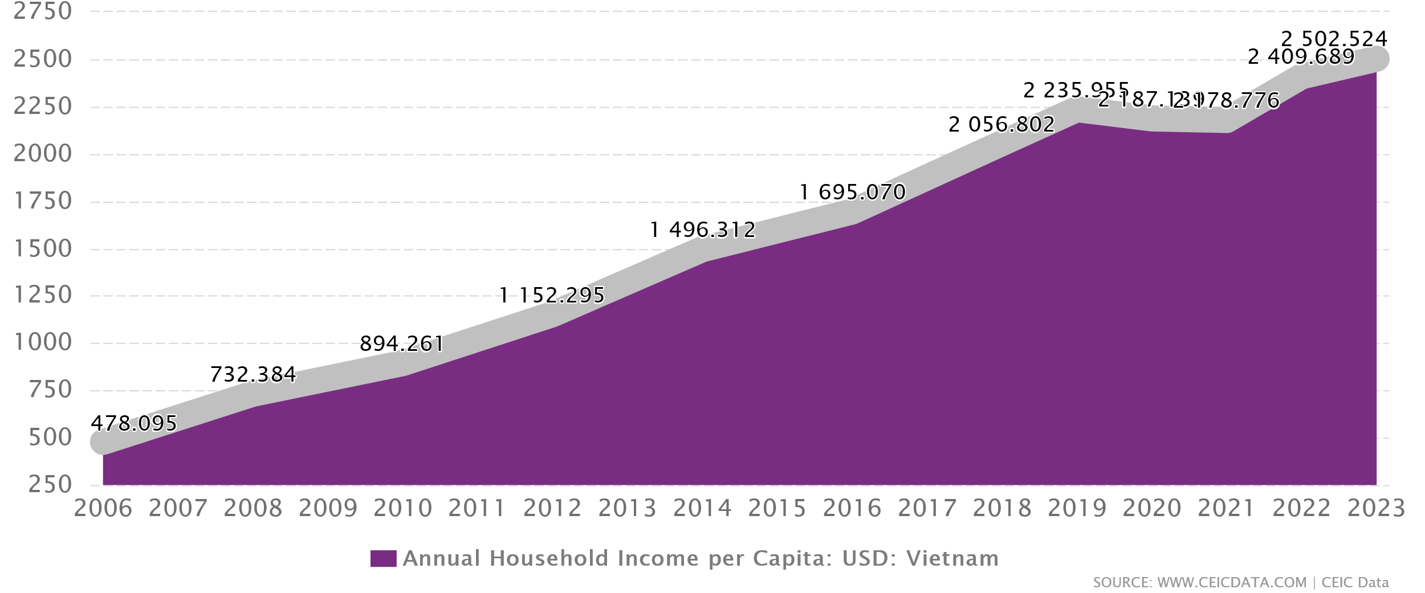
Vietnamese Economy has relied on Cheap Labour to attract FDI in its manufacturing sector. But since its average wage is increasing, it will not be as lucrative a desination for Western companies to set up manufacturing hubs in. Also with the rise of Bangladesh and Phillipines as low cost manufacturing destinations, Vietname is set to face some competition.
To escape this MIddle Income trap, they need to invest heavilty on emerging sectors and reduce reliance on Low cost manufacturing.

Demographics (2)
2019 |  |  |  |  | Projections- 2025
Age | Male | Female | Total | Percentage Composition | Males | Females | Total | Percentage composition | Males (%) | Females (%) | Males (%) | Females (%)
0-4 | 4,100,479 | 3,718,847 | 7,819,326 | 8.13% | 4,330,106 | 3,927,102 | 8,257,208 | 8.13% | -9% | 8% | -9% | 8%
5-9 | 4,354,887 | 3,977,832 | 8,332,719 | 8.66% | 4,598,761 | 4,200,591 | 8,799,351 | 8.66% | -9% | 8% | -9% | 8%
10-14 | 3,737,030 | 3,482,807 | 7,219,837 | 7.50% | 3,946,304 | 3,677,844 | 7,624,148 | 7.50% | -8% | 7% | -8% | 7%
15-19 | 3,352,386 | 3,153,831 | 6,506,217 | 6.76% | 3,540,120 | 3,330,446 | 6,870,565 | 6.76% | -7% | 7% | -7% | 7%
20-24 | 3,417,149 | 3,258,554 | 6,675,703 | 6.94% | 3,608,509 | 3,441,033 | 7,049,542 | 6.94% | -7% | 7% | -7% | 7%
25-29 | 4,301,210 | 4,146,767 | 8,447,977 | 8.78% | 4,542,078 | 4,378,986 | 8,921,064 | 8.78% | -9% | 9% | -9% | 9%
30-34 | 4,276,404 | 4,117,406 | 8,393,810 | 8.72% | 4,515,883 | 4,347,981 | 8,863,863 | 8.72% | -9% | 9% | -9% | 9%
35-39 | 3,891,950 | 3,800,436 | 7,692,386 | 8.00% | 4,109,899 | 4,013,260 | 8,123,160 | 8.00% | -8% | 8% | -8% | 8%
40-44 | 3,366,147 | 3,317,972 | 6,684,119 | 6.95% | 3,554,651 | 3,503,778 | 7,058,430 | 6.95% | -7% | 7% | -7% | 7%
45-49 | 3,132,172 | 3,125,299 | 6,257,471 | 6.50% | 3,307,574 | 3,300,316 | 6,607,889 | 6.50% | -7% | 6% | -7% | 6%
50-54 | 2,772,157 | 2,889,853 | 5,662,010 | 5.89% | 2,927,398 | 3,051,685 | 5,979,083 | 5.89% | -6% | 6% | -6% | 6%
55-59 | 2,402,096 | 2,706,628 | 5,108,724 | 5.31% | 2,536,613 | 2,858,199 | 5,394,813 | 5.31% | -5% | 6% | -5% | 6%
60-64 | 1,810,497 | 2,181,537 | 3,992,034 | 4.15% | 1,911,885 | 2,303,703 | 4,215,588 | 4.15% | -4% | 5% | -4% | 5%
65-69 | 1,167,214 | 1,518,057 | 2,685,271 | 2.79% | 1,232,578 | 1,603,068 | 2,835,646 | 2.79% | -2% | 3% | -2% | 3%
70-74 | 687,339 | 953,511 | 1,640,850 | 1.71% | 725,830 | 1,006,908 | 1,732,738 | 1.71% | -1% | 2% | -1% | 2%
75-79 | 453,972 | 717,839 | 1,171,811 | 1.22% | 479,394 | 758,038 | 1,237,432 | 1.22% | -1% | 1% | -1% | 1%
80-84 | 327,330 | 580,402 | 907,732 | 0.94% | 345,660 | 612,905 | 958,565 | 0.94% | -1% | 1% | -1% | 1%
85+ | 330,642 | 680,345 | 1,010,987 | 1.05% | 349,158 | 718,444 | 1,067,602 | 1.05% | -1% | 1% | -1% | 1%
Total | 47,881,061 | 48,327,923 | 96,208,984 | 100.00% | 50,562,400 | 51,034,287 | 101,596,687 | 100.00% | -1 | 1 | -100% | 100%
Population Pyramid 2019
Population Pyramid 2025

Population Projection In 2025
Population In 2019

Sector_Growth(1)
Sector | Weighted Growth in Sales |  |  |  |  |  | Revenue Growth Projections |  |  |  |  |  | Sector Growth Projections |  |  |  |  |  | Outlook | 5 year Outlook Assumptions
 | 2025 | 2026 | 2027 | 2028 | 2029 | Avg | 2025 | 2026 | 2027 | 2028 | 2029 | Avg | 2025 | 2026 | 2027 | 2028 | 2029 | Avg
Manufacturing | 6.50% | 6.30% | 6.20% | 6.00% | 5.80% | 6.16% | 8.00% | 7.80% | 7.50% | 7.20% | 7.00% | 7.50% | 3.30% | 3.30% | 3.30% | 3.30% | 3.30% | 3.30% | Bullish | Continued FDI inflows; upgradation to semis & EV components; productivity offsets wage rises.
Technology | 8.00% | 8.20% | 8.50% | 8.70% | 9.00% | 8.48% | 12.00% | 12.50% | 13.00% | 13.50% | 14.00% | 13.00% | 8.00% | 8.20% | 8.50% | 8.70% | 9.00% | 8.48% | Bullish | Digital transformation acceleration; AI & cloud adoption; 5G infrastructure rollout; government 'Digital Vietnam 2030' push; FDI in data centers & software development
Retail/E-commerce | 14.70% | 15.00% | 15.20% | 15.50% | 15.70% | 15.22% | 18.00% | 18.50% | 19.00% | 19.50% | 20.00% | 19.00% | 14.70% | 15.00% | 15.20% | 15.50% | 15.70% | 15.22% | Good | Modern retail expansion; online GMV growth; tier-2/3 penetration; omnichannel and payments uptick.
Banking/Finance | 7.50% | 7.70% | 7.80% | 8.00% | 8.20% | 7.84% | 17.00% | 14.50% | 13.00% | 12.50% | 12.00% | 13.80% | 7.00% | 7.20% | 7.30% | 7.50% | 7.70% | 7.34% | Good | Credit demand strong; NPL ratios under control; digital-banking adoption; capital market deepening.
Real Estate | 5.00% | 5.10% | 5.20% | 5.30% | 5.40% | 5.20% | 7.00% | 7.20% | 7.50% | 7.70% | 8.00% | 7.48% | 5.00% | 5.10% | 5.20% | 5.30% | 5.40% | 5.20% | Good | Tourism, fintech & e-commerce expansion driving real estate demand.
Energy/Renewables | 12.00% | 12.50% | 13.00% | 13.50% | 14.00% | 13.00% | 15.00% | 15.20% | 15.50% | 15.80% | 16.00% | 15.50% | 12.00% | 12.50% | 13.00% | 13.50% | 14.00% | 13.00% | Bullish | Renewables auctions accelerate; grid investments cleared; green-hydrogen and storage pilots scale.
Agriculture | 2.50% | 2.60% | 2.70% | 2.80% | 3.00% | 2.72% | 4.00% | 4.20% | 4.30% | 4.50% | 4.70% | 4.34% | 2.50% | 2.60% | 2.70% | 2.80% | 3.00% | 2.72% | Good | Global food prices remain firm; FTA exports; climate-resilient crop R&D and cold-chain expansion.
Construction | 4.00% | 4.10% | 4.20% | 4.30% | 4.50% | 4.22% | 10.00% | 10.20% | 10.50% | 10.70% | 11.00% | 10.48% | 7.60% | 7.60% | 7.60% | 7.60% | 7.60% | 7.60% | Good | Urbanization surge; affordable-housing demand; land-permit reforms and infrastructure projects.
Transport & Logistics | 6.00% | 6.20% | 6.40% | 6.50% | 6.70% | 6.36% | 8.50% | 8.70% | 9.00% | 9.20% | 9.50% | 8.98% | 6.00% | 6.20% | 6.40% | 6.50% | 6.70% | 6.36% | Bullish | Export throughput growth; new port and rail corridors; e-commerce logistics park expansion.
Healthcare Providers | 8.00% | 8.20% | 8.40% | 8.60% | 8.80% | 8.40% | 10.00% | 10.20% | 10.50% | 10.70% | 11.00% | 10.48% | 8.00% | 8.20% | 8.40% | 8.60% | 8.80% | 8.40% | Good | Aging demographics; NCD rise; private hospital FDI; local pharma and AI diagnostics growth.
Tourism and Hospitality Services | 10.00% | 10.50% | 11.00% | 11.50% | 12.00% | 11.00% | 15.00% | 15.50% | 16.00% | 16.50% | 17.00% | 16.00% | 10.00% | 10.50% | 11.00% | 11.50% | 12.00% | 11.00% | Bullish | Tourist arrivals rebound; visa facilitation; experiential and eco-tourism development; hotel supply taper.
Education | 6.00% | 6.20% | 6.40% | 6.50% | 6.70% | 6.36% | 8.00% | 8.20% | 8.50% | 8.70% | 9.00% | 8.48% | 6.00% | 6.20% | 6.40% | 6.50% | 6.70% | 6.36% | Good | Private K-12 & vocational training growth; EdTech integration; rising household education spend.
Average Sector Growth Projection

 |  |  | 100

Econometric Modelling using VAR
We used Vector Autoregression to get the results below. Here is the Python Code for the same: https://colab.research.google.com/drive/1Y_59RZ2OiT4fGghzR44sE3e5Tv6GRpTB?usp=sharing

ECONOMIC INTERPRETATION FOR VIETNAM
MAIN FINDINGS:
1. FDI MULTIPLIER EFFECTS: • A 1% increase in FDI generates significant spillovers across all sectors • Technology sector shows highest responsiveness to FDI shocks • Manufacturing benefits with a lag, suggesting supply chain integration
2. SECTORAL INTERDEPENDENCIES: • Technology sector explains ~8.6% of manufacturing variance (5-year) • GDP growth is primarily driven by domestic factors (~55.5%) • Employment responds gradually to sectoral growth changes
3. POLICY IMPLICATIONS: • FDI targeting in technology creates broader economic benefits • Manufacturing-technology linkages are crucial for sustained growth • Employment effects take 2-3 years to fully materialize
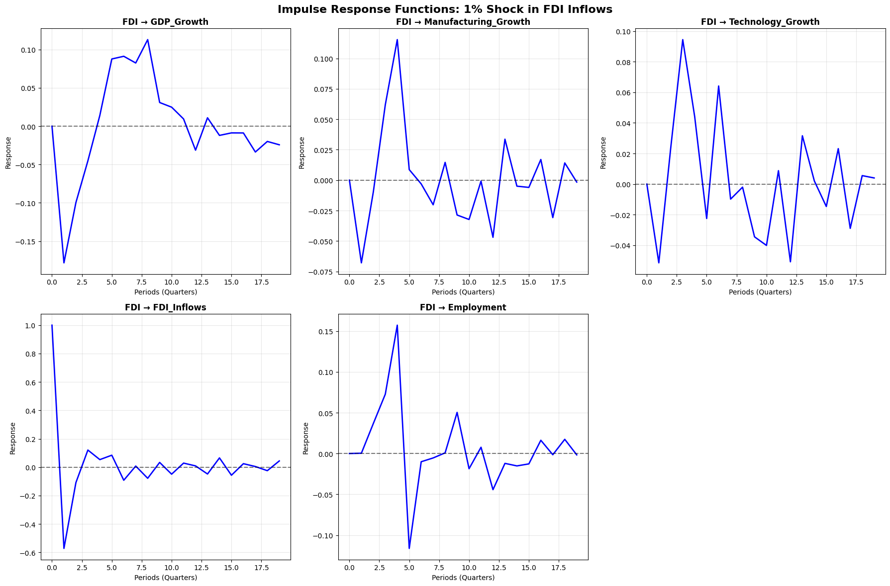
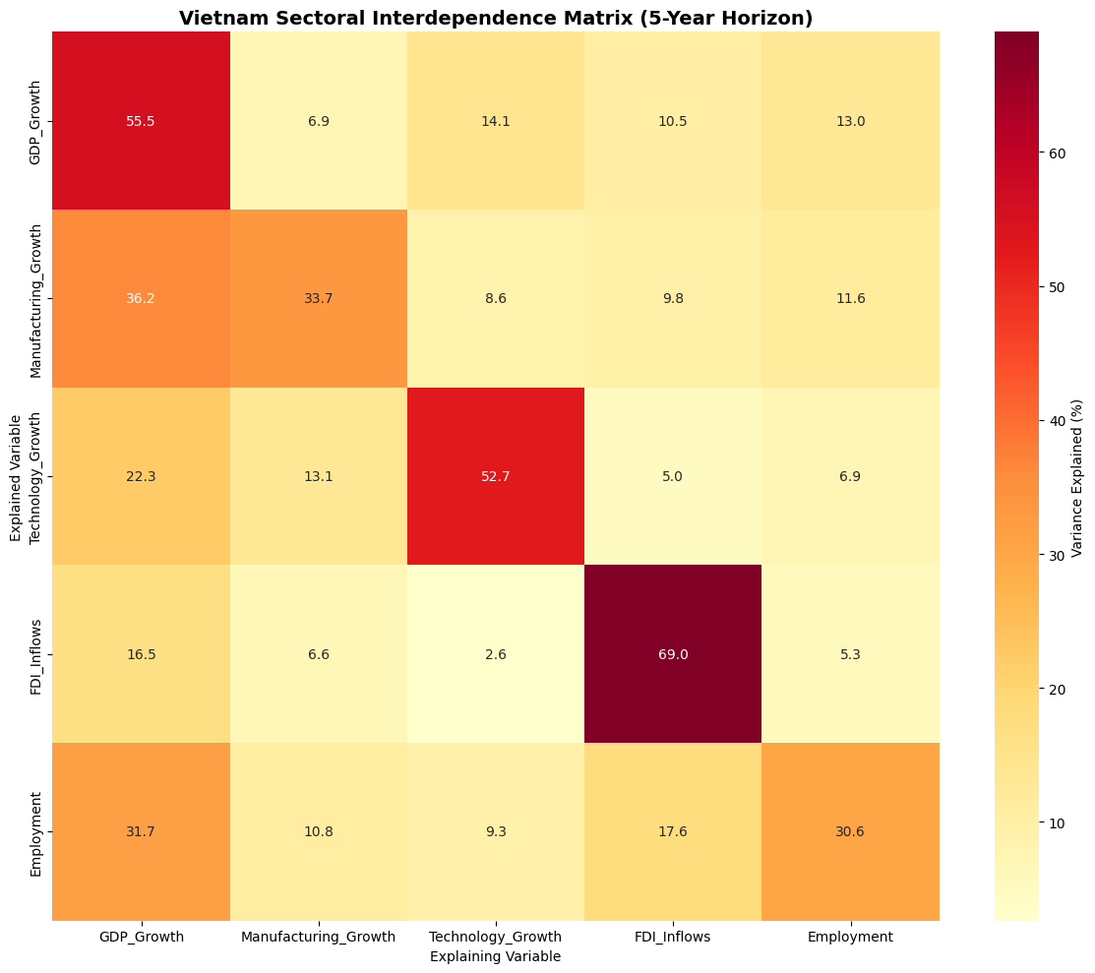

Key IRF Findings: 1-year impact of 1% FDI increase: → GDP Growth: -0.045% → Manufacturing: 0.062% → Technology: 0.094% | Forecasted Growth Rates: GDP_Growth: 6.18% (avg next 2 years) Manufacturing_Growth: -0.14% (avg next 2 years) Technology_Growth: -0.17% (avg next 2 years) FDI_Inflows: 0.17% (avg next 2 years) Employment: -0.06% (avg next 2 years)

