Network
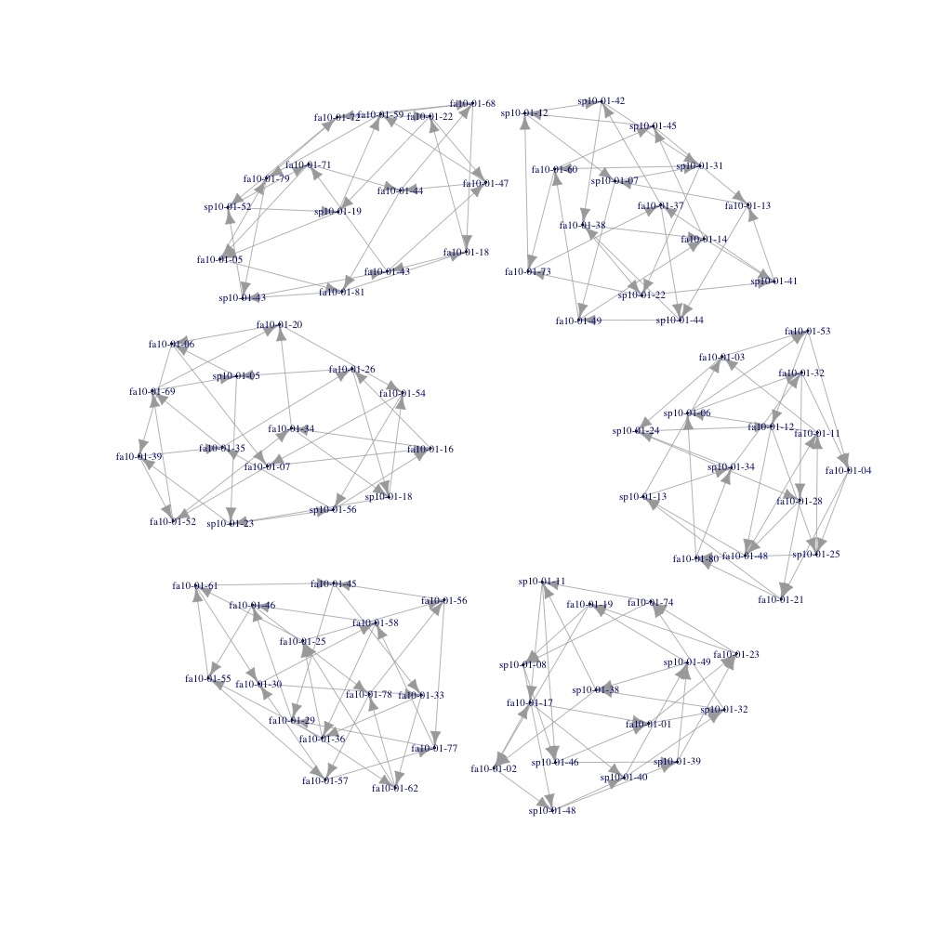
obs | source | target | funf_group
1 | fa10-01-01 | fa10-01-23 | see-peer
2 | fa10-01-01 | sp10-01-32 | see-peer
3 | fa10-01-02 | fa10-01-17 | see-peer
4 | fa10-01-02 | sp10-01-48 | see-peer
5 | fa10-01-05 | fa10-01-79 | see-peer
6 | fa10-01-05 | fa10-01-81 | see-peer
7 | fa10-01-06 | fa10-01-07 | see-peer
8 | fa10-01-06 | fa10-01-39 | see-peer
9 | fa10-01-07 | fa10-01-16 | see-peer
10 | fa10-01-07 | fa10-01-52 | see-peer
11 | fa10-01-16 | fa10-01-26 | see-peer
12 | fa10-01-16 | fa10-01-34 | see-peer
13 | fa10-01-17 | fa10-01-01 | see-peer
14 | fa10-01-17 | sp10-01-40 | see-peer
15 | fa10-01-18 | fa10-01-22 | see-peer
16 | fa10-01-18 | fa10-01-43 | see-peer
17 | fa10-01-19 | fa10-01-02 | see-peer
18 | fa10-01-19 | sp10-01-08 | see-peer
19 | fa10-01-20 | fa10-01-06 | see-peer
20 | fa10-01-20 | fa10-01-54 | see-peer
21 | fa10-01-22 | fa10-01-47 | see-peer
22 | fa10-01-22 | sp10-01-19 | see-peer
23 | fa10-01-23 | fa10-01-19 | see-peer
24 | fa10-01-23 | fa10-01-74 | see-peer
25 | fa10-01-26 | sp10-01-05 | see-peer
26 | fa10-01-26 | sp10-01-18 | see-peer
27 | fa10-01-34 | fa10-01-20 | see-peer
28 | fa10-01-34 | sp10-01-18 | see-peer
29 | fa10-01-35 | fa10-01-26 | see-peer
30 | fa10-01-35 | fa10-01-69 | see-peer
31 | fa10-01-39 | fa10-01-35 | see-peer
32 | fa10-01-39 | fa10-01-52 | see-peer
33 | fa10-01-43 | fa10-01-47 | see-peer
34 | fa10-01-43 | fa10-01-71 | see-peer
35 | fa10-01-44 | fa10-01-68 | see-peer
36 | fa10-01-44 | fa10-01-81 | see-peer
37 | fa10-01-47 | fa10-01-44 | see-peer
38 | fa10-01-47 | fa10-01-59 | see-peer
39 | fa10-01-52 | fa10-01-34 | see-peer
40 | fa10-01-52 | fa10-01-69 | see-peer
41 | fa10-01-54 | fa10-01-07 | see-peer
42 | fa10-01-54 | sp10-01-56 | see-peer
43 | fa10-01-59 | fa10-01-68 | see-peer
44 | fa10-01-59 | fa10-01-79 | see-peer
45 | fa10-01-68 | fa10-01-18 | see-peer
46 | fa10-01-68 | fa10-01-72 | see-peer
47 | fa10-01-69 | fa10-01-20 | see-peer
48 | fa10-01-69 | sp10-01-05 | see-peer
49 | fa10-01-71 | fa10-01-05 | see-peer
50 | fa10-01-71 | fa10-01-44 | see-peer
51 | fa10-01-72 | fa10-01-22 | see-peer
52 | fa10-01-72 | sp10-01-52 | see-peer
53 | fa10-01-74 | sp10-01-08 | see-peer
54 | fa10-01-74 | sp10-01-11 | see-peer
55 | fa10-01-79 | fa10-01-72 | see-peer
56 | fa10-01-79 | sp10-01-43 | see-peer
57 | fa10-01-81 | fa10-01-18 | see-peer
58 | fa10-01-81 | sp10-01-43 | see-peer
59 | sp10-01-05 | fa10-01-06 | see-peer
60 | sp10-01-05 | sp10-01-23 | see-peer
61 | sp10-01-08 | sp10-01-46 | see-peer
62 | sp10-01-08 | sp10-01-48 | see-peer
63 | sp10-01-11 | fa10-01-17 | see-peer
64 | sp10-01-11 | sp10-01-46 | see-peer
65 | sp10-01-18 | fa10-01-54 | see-peer
66 | sp10-01-18 | sp10-01-23 | see-peer
67 | sp10-01-19 | fa10-01-05 | see-peer
68 | sp10-01-19 | fa10-01-59 | see-peer
69 | sp10-01-23 | fa10-01-39 | see-peer
70 | sp10-01-23 | sp10-01-56 | see-peer
71 | sp10-01-32 | fa10-01-74 | see-peer
72 | sp10-01-32 | sp10-01-38 | see-peer
73 | sp10-01-38 | fa10-01-02 | see-peer
74 | sp10-01-38 | sp10-01-11 | see-peer
75 | sp10-01-39 | fa10-01-23 | see-peer
76 | sp10-01-39 | sp10-01-49 | see-peer
77 | sp10-01-40 | sp10-01-32 | see-peer
78 | sp10-01-40 | sp10-01-49 | see-peer
79 | sp10-01-43 | fa10-01-43 | see-peer
80 | sp10-01-43 | sp10-01-52 | see-peer
81 | sp10-01-46 | fa10-01-01 | see-peer
82 | sp10-01-46 | sp10-01-39 | see-peer
83 | sp10-01-48 | sp10-01-39 | see-peer
84 | sp10-01-48 | sp10-01-40 | see-peer
85 | sp10-01-49 | fa10-01-19 | see-peer
86 | sp10-01-49 | sp10-01-38 | see-peer
87 | sp10-01-52 | fa10-01-71 | see-peer
88 | sp10-01-52 | sp10-01-19 | see-peer
89 | sp10-01-56 | fa10-01-16 | see-peer
90 | sp10-01-56 | fa10-01-35 | see-peer
91 | fa10-01-03 | fa10-01-53 | pay-peer
92 | fa10-01-03 | sp10-01-24 | pay-peer
93 | fa10-01-04 | fa10-01-21 | pay-peer
94 | fa10-01-04 | sp10-01-25 | pay-peer
95 | fa10-01-11 | fa10-01-03 | pay-peer
96 | fa10-01-11 | sp10-01-06 | pay-peer
97 | fa10-01-12 | fa10-01-48 | pay-peer
98 | fa10-01-12 | sp10-01-25 | pay-peer
99 | fa10-01-13 | sp10-01-07 | pay-peer
100 | fa10-01-13 | sp10-01-44 | pay-peer
101 | fa10-01-14 | sp10-01-41 | pay-peer
102 | fa10-01-14 | sp10-01-45 | pay-peer
103 | fa10-01-21 | fa10-01-80 | pay-peer
104 | fa10-01-21 | sp10-01-13 | pay-peer
105 | fa10-01-25 | fa10-01-56 | pay-peer
106 | fa10-01-25 | fa10-01-61 | pay-peer
107 | fa10-01-28 | fa10-01-21 | pay-peer
108 | fa10-01-28 | fa10-01-48 | pay-peer
109 | fa10-01-29 | fa10-01-46 | pay-peer
110 | fa10-01-29 | fa10-01-62 | pay-peer
111 | fa10-01-30 | fa10-01-33 | pay-peer
112 | fa10-01-30 | fa10-01-58 | pay-peer
113 | fa10-01-32 | fa10-01-04 | pay-peer
114 | fa10-01-32 | fa10-01-28 | pay-peer
115 | fa10-01-33 | fa10-01-36 | pay-peer
116 | fa10-01-33 | fa10-01-62 | pay-peer
117 | fa10-01-36 | fa10-01-25 | pay-peer
118 | fa10-01-36 | fa10-01-55 | pay-peer
119 | fa10-01-37 | sp10-01-42 | pay-peer
120 | fa10-01-37 | sp10-01-44 | pay-peer
121 | fa10-01-38 | fa10-01-14 | pay-peer
122 | fa10-01-38 | sp10-01-22 | pay-peer
123 | fa10-01-45 | fa10-01-29 | pay-peer
124 | fa10-01-45 | fa10-01-33 | pay-peer
125 | fa10-01-46 | fa10-01-55 | pay-peer
126 | fa10-01-46 | fa10-01-78 | pay-peer
127 | fa10-01-48 | fa10-01-11 | pay-peer
128 | fa10-01-48 | sp10-01-13 | pay-peer
129 | fa10-01-49 | fa10-01-14 | pay-peer
130 | fa10-01-49 | fa10-01-60 | pay-peer
131 | fa10-01-53 | fa10-01-04 | pay-peer
132 | fa10-01-53 | fa10-01-12 | pay-peer
133 | fa10-01-55 | fa10-01-57 | pay-peer
134 | fa10-01-55 | fa10-01-61 | pay-peer
135 | fa10-01-56 | fa10-01-45 | pay-peer
136 | fa10-01-56 | fa10-01-77 | pay-peer
137 | fa10-01-57 | fa10-01-30 | pay-peer
138 | fa10-01-57 | fa10-01-77 | pay-peer
139 | fa10-01-58 | fa10-01-36 | pay-peer
140 | fa10-01-58 | fa10-01-46 | pay-peer
141 | fa10-01-60 | fa10-01-73 | pay-peer
142 | fa10-01-60 | sp10-01-45 | pay-peer
143 | fa10-01-61 | fa10-01-30 | pay-peer
144 | fa10-01-61 | fa10-01-45 | pay-peer
145 | fa10-01-62 | fa10-01-25 | pay-peer
146 | fa10-01-62 | fa10-01-78 | pay-peer
147 | fa10-01-73 | fa10-01-37 | pay-peer
148 | fa10-01-73 | sp10-01-12 | pay-peer
149 | fa10-01-77 | fa10-01-29 | pay-peer
150 | fa10-01-77 | fa10-01-58 | pay-peer
151 | fa10-01-78 | fa10-01-56 | pay-peer
152 | fa10-01-78 | fa10-01-57 | pay-peer
153 | fa10-01-80 | sp10-01-06 | pay-peer
154 | fa10-01-80 | sp10-01-34 | pay-peer
155 | sp10-01-06 | fa10-01-32 | pay-peer
156 | sp10-01-06 | fa10-01-53 | pay-peer
157 | sp10-01-07 | fa10-01-49 | pay-peer
158 | sp10-01-07 | sp10-01-31 | pay-peer
159 | sp10-01-12 | sp10-01-07 | pay-peer
160 | sp10-01-12 | sp10-01-42 | pay-peer
161 | sp10-01-13 | fa10-01-03 | pay-peer
162 | sp10-01-13 | sp10-01-34 | pay-peer
163 | sp10-01-22 | fa10-01-73 | pay-peer
164 | sp10-01-22 | sp10-01-41 | pay-peer
165 | sp10-01-24 | fa10-01-12 | pay-peer
166 | sp10-01-24 | fa10-01-28 | pay-peer
167 | sp10-01-25 | fa10-01-11 | pay-peer
168 | sp10-01-25 | fa10-01-80 | pay-peer
169 | sp10-01-31 | fa10-01-60 | pay-peer
170 | sp10-01-31 | sp10-01-22 | pay-peer
171 | sp10-01-34 | fa10-01-32 | pay-peer
172 | sp10-01-34 | sp10-01-24 | pay-peer
173 | sp10-01-41 | fa10-01-13 | pay-peer
174 | sp10-01-41 | fa10-01-37 | pay-peer
175 | sp10-01-42 | fa10-01-38 | pay-peer
176 | sp10-01-42 | sp10-01-31 | pay-peer
177 | sp10-01-44 | fa10-01-38 | pay-peer
178 | sp10-01-44 | fa10-01-49 | pay-peer
179 | sp10-01-45 | fa10-01-13 | pay-peer
180 | sp10-01-45 | sp10-01-12 | pay-peer

