Introduction
NHS Digital NRLS - Target Operating Model (TOM) Self-Evaluation Checklist
Phase 1A - Usage and Settings submission for approval by NHS Digital
This phase determines if a request to interact with the datasets owned and controlled by NHS Digital is appropriate. The Target Operating Model captures the proposed usage and settings statement (in 3 - End User Organisation tab) for assessment by NHS Digital. The assessment will confirm the legal basis for sharing this data with the End User Organisation and in some cases with the supplier, and establish if a Data Sharing Framework Contract (DSFC) and Data Sharing Agreement (DSA) are required between NHS Digital and the requesting organisation. Following NHS Digital's assessment of the usage and settings information, the Target Operating Model will be returned with the outcome detailed in the 'Approval Gateways' tab.
Please note that to gain approval for this phase, both the End User Organisation and the Supplier need to be IGSoC compliant. Further information on IGSoC compliance can be found here https://digital.nhs.uk/health-social-care-network/new-to-hscn/connecting-to-HSCN
Phase 1B - Technical Conformance for approval by NHS Digital
This phase assesses technical conformance of the product (i.e. the SMS Client) developed by the supplier in line with the requirements. The SMSP guidance explains in detail the requirements in scope, which in summary includes the web service interface requirements, the generic ITK technical requirements , and the specific SMSP requirements specified in tabs 9a and 9b. Technical Conformance assessment involves local testing against an NHS Digital supplied interface stub, followed by end-to-end testing in a live like spine environment. Once these are completed to the satisfactory level NHS Digital will issue a statement of technical conformance in the Approval's tab of the TOM.
Phase 2 - Full TOM and Product evaluation by the End User Organisation
The purpose of this phase is to assist the End User organisation in providing the approval of the TOM and the Service provided by the Supplier. The End User Organisation requesting the spine mini service connection is responsible for ensuring conformance with the guidance in this document as stated in the End User Policy, as this will not be centrally assured by NHS Digital. The End User Organisation requesting the spine mini service connection is responsible for approving the Service evaluation against the TOM and accepting any risks highlighted throughout this document. Any non-conformance with a mandatory (“MUST”) requirement on the tab(s) '9 - SMS Client Reqs' MUST be formally reported to NHS Digital so that the risks to national systems can be assessed. Dependant on the results of this risk assessment, NHS Digital reserves the right to refuse the use of a Spine Mini Services connection.
Note: Phase 2 may be conducted in parallel to phase 1a and 1b to expedite the process, whilst acknowledging a go-live dependency of approval to access central data being granted. Before any deployment can commence, the Supplier MUST sign the Connection Agreement and the End User MUST sign the End User Policy,
In the case of further questions or queries please contact itkconformance@nhs.net.

1 - Contact Log
CHECKLIST SECTIONS
 |  | KEY FOR COMPLETION
 | This section captures contact details for all involved organisations. Required for Phase 1A | The colour key used throughout this document is:
 |  | NHS Digital to complete
 |  | Supplier to complete
2 - Supplier Information
 |  | End User organisation to complete
 | Captures Supplier information. Required for Phase 1A and 1B | Supplier/End User collaborate to complete

3 - End User Organisation
 | Captures Organisation information, data usage, and the associated legal agreements. Required for Phase 1A

4 - Topology
 | Shows the NHS Digital recognised topologies. One must be selected as part of the evaluation process. Required for Phase 1A

5 - Architecture
 | This section assesses the technical and integration architecture, and highlights any risks or issues. Required for Phase 2

6 - IG and Security
 | This section considers the IG implications of the new interface - assessing the Controls in place against the Business Scenario. Required for Phase 2

7 - Clinical Safety
 | This section assesses whether there may be clinical safety implications of the new interface. Required for Phase 2

8 - Service
 | This section ensures the correct Service Management processes are in place to assist the deployment and maintenance once the application is deployed in to the live environment. Required for Phase 2

9n - NRLS Reqs
 | This section is the assessment o fNRLS applications against the NRLS requirements. Required for Phase 1B

User Guide
Roles and Responsibilities
The table below outlines the roles and responsibilities for those who will either complete, review or approve the Target Operating Model (TOM)

Role | Responsibility within the TOM Completion, Review and Approval Process
End User Organisation | Organisation responsible for the deployment Responsible for completing the relevant sections of the TOM, demonstrating compliance against the requirement set Responsible for providing acceptance of the End Product (Phase 2) Accountable for reviewing the content of the completed TOM and accepting any key risks, exclusions or mitigations (Phase 2) May also be the Supplier, if a Client End Product is being developed in-house Organisation which will be the end user of the NRLS Product
Supplier | Organisation responsible for developing the product which will be used by the end user Responsible for completing the relevant sections of the TOM, demonstrating the compliance against the requirement set
NHS Digital | Responsible for reviewing the relevant sections of the TOM for completion Accountable for ensuring any key risks which stem from non-compliance against the Target Operating Model are highlighted to the End User Organisation Responsible for ensuring guidance is provided to the Supplier and End User Organisation for Target Operating Model completion Provides approval for the Client to be deployed Provides approval for the Personal Demographics Service Data Access Request (through Usage and Settings approval) Provides statement if technical conformance has been achieved

TOM Completion Guidance | Further information is provided on the Health Developer Network
The notes below provide guidance to those who will be completing the TOM:
File naming: when submitting an iteration of the TOM to NHS Digital for review, please format the filename as follows: TOM - End User - ccyymmdd
Prior to completing the TOM, individuals should familiarise themselves with the supporting notes on the Developer Portal (Health Developer Network - link above) and within the “Introduction” tab of this document. Users should also review the Role and Responsibilities box above to identify which role they will play in the completion of the document.
Users should also determine whether the TOM is being completed to achieve Technical Conformance only or both Technical Conformance and Service Assurance. Both will be required to be completed should they wish to proceed to deployment in to the live environment.
Each tab within the TOM is essentially self-contained and covers a different aspect of the assessment process.
Further guidance about the topics can be found within the “Introduction” tab of this workbook and in the Target Operating Model documentation on the Developer Network, which the (End User organisation) approver should refer to, to inform their final approval decision.
It is anticipated that the Client Supplier and End User Organisation will complete the TOM collaboratively, unless the Supplier is only applying to achieve Technical Conformance, where they will complete the relevant tabs independently (see the Introduction tab for guidance)
A response must be provided for every question. Majority of tabs have a list of questions to answer:
Questions with a category of "Info" capture important information but do not actually affect the outcome of the assessment
Questions with a type of "Action" directly affect the outcome of the assessment, and may lead to further actions being required
Questions with a type of "Req" directly affect the outcome of the assessment, and may lead to further actions being required
Cells within each tab have been colour coded to indicate whether a response is to be provided by a Client Supplier (Red Cells), End User Organisation (Green Cells) or NHS Digital (Blue Cells)
At the bottom of tab 6 and 7 are two headings giving the results:
"Additional Information Required" highlights any further documentation that needs to be collated based on answers to the questions
"Additional Stakeholder Involvement" highlights additional stakeholders who need to be involved (e.g. signoffs), based on the answers to the questions
The completed TOM must be submitted to NHS Digital, it must clearly state within the body of the email whether the TOM is to be checked against Technical Conformance deliverables only or both Technical Conformance and Usage and Settings.
Deployment of the Client in to the live environment is not permitted until NHS Digital verifies that both Technical Conformance and Usage and Settings approval activities have been completed

4 - Topology
Step 4 - Please Select the Topology which matches the Deployment

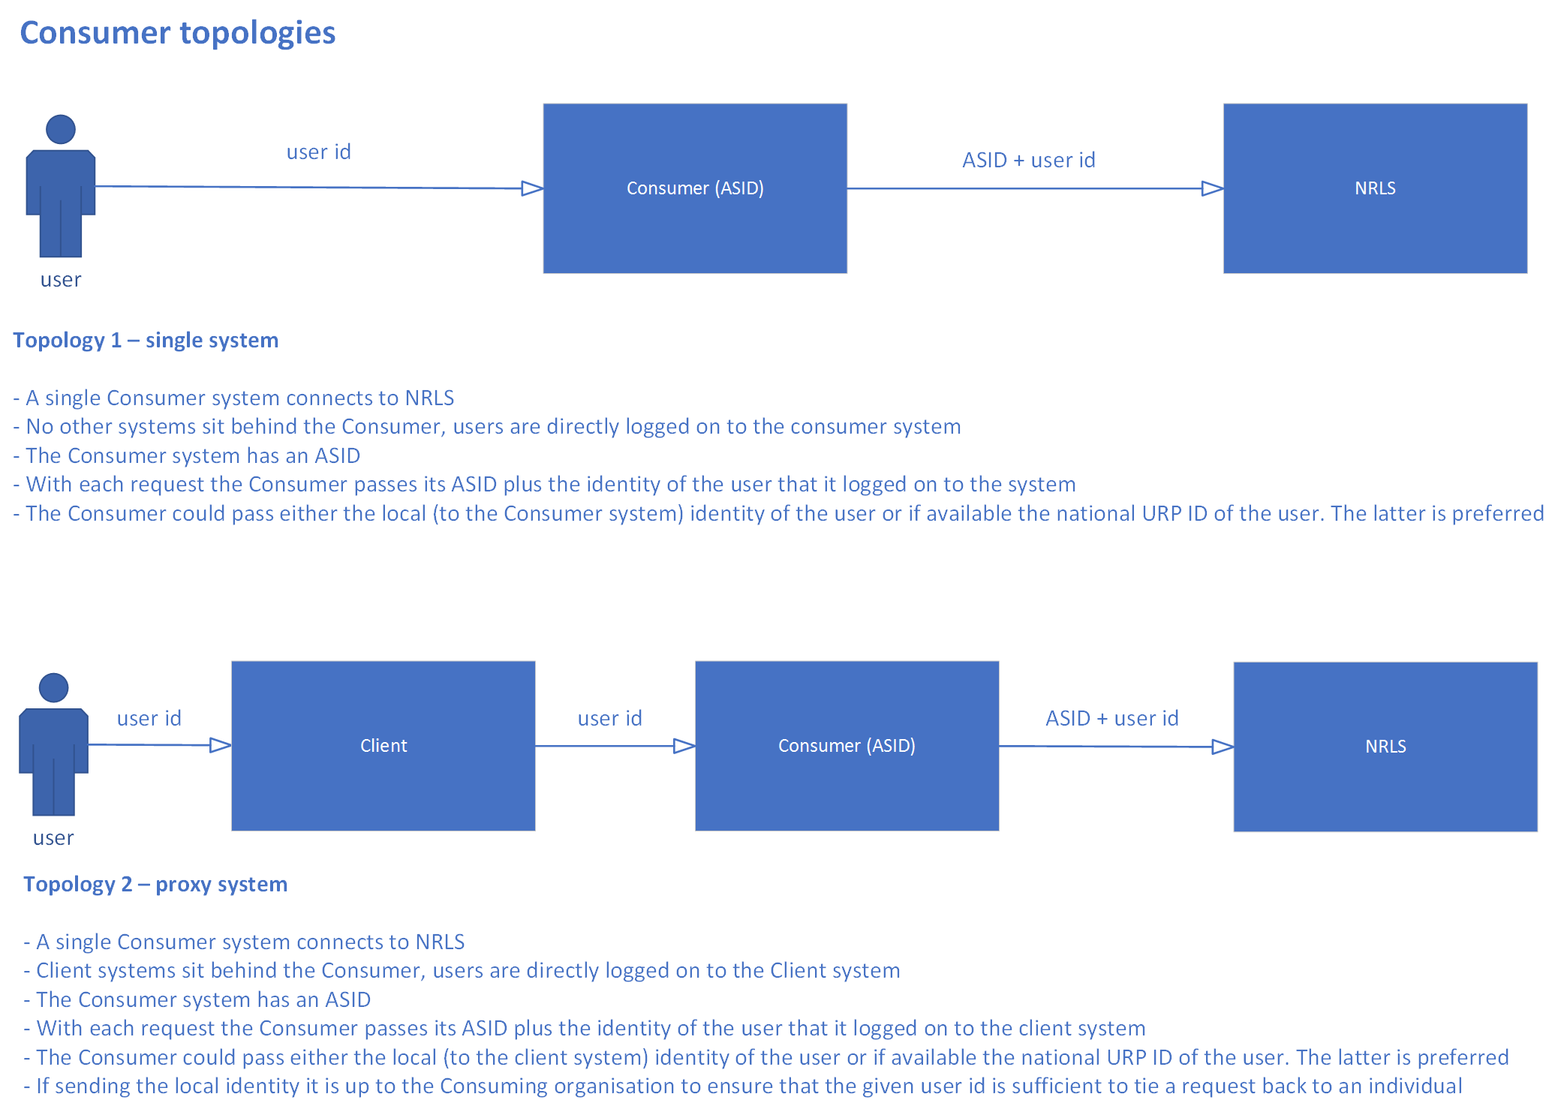

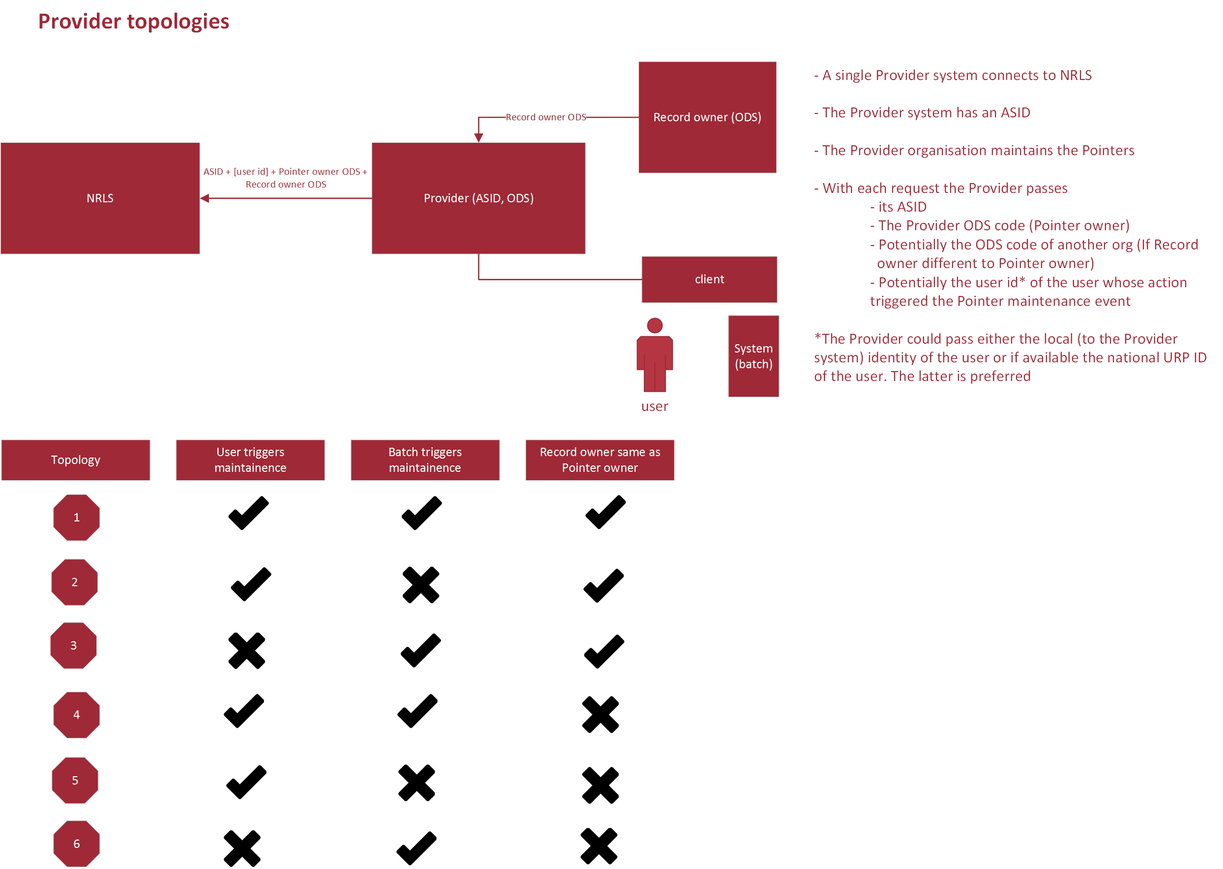

 |  | Topology Number
 | Selected Topology

 | Category | Item | Guidance | Response | Type
 | Supporting Topology Information |  | This details key information about the Supplier Topology
 |  | Topology Justification | Provide an outline for how the application meets the selected system topology. |  | Action
 |  | No. of End Points | Outline how many End Points are going to be used for the deployment (i.e. single end point or multiple end points per deployment) |  | Action
 |  | End Point Registration | Is the intention to use existing live end points or use new end points. If existing End Points are to be used confirm the relevant details here (inc ASID) |  | Action
 |  | Data storage | Is the data persistent in the Supplier's system and can be accessed by the Supplier as well as the End User Organisation? |  | Action

