Requirements Phase Defects
do not print this form |  |  |  | Echipa It is a lifestyle
Review Form. Requirements Defects |  |  |  |  | Numele si prenumele | Grupa
 |  |  |  | Student 1: | Isaia Elena | 234
 | Document Title: | Requirements Document |  | Student 2: | Lăzărescu Anda-Monica | 234
 | Author Name: | Firicescu George |  | Student 3: | Mihăilă Andra | 234
 | Reviewer Name: | It is a lifestyle
 | Review date: | 19.03.2023
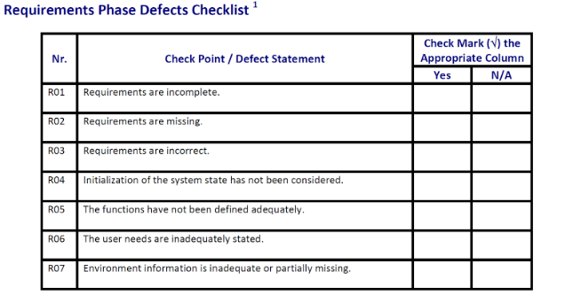
Crt. No. | Checked Item | Doc. page/line | Comments/ improvements
1 | R03 | F01, L3 | In intervalul de timp intre inchiderea bucatariei si cea a restaurantului pot aparea noi clienti, facand astfel imposibila inchiderea restaurantului si, in acelasi timp, clientii respectivi neputand fi serviti. Cele doua ar trebui sa se inchida deodata.
2 | R05 | F01, L1 | Specificarea "la cerere" este ambigua, nefiind clar la cererea cui se face eliberarea: a clientului curent, a chelnerului sau a altui client care doreste locul respectiv.
3 | R07 |  | Nu exista deloc informatii legate de environment.
4
5
6
7
8
9
10
11
12
13
14
15
16

 | Effort to review document (hours): |  | 0.5

Architect. Design Phase Defects
do not print this form |  |  |  | Echipa It is a lifestyle
Review Form. Architectural Design Defects |  |  |  |  | Numele si prenumele | Grupa
 |  |  |  | Student 1: | Isaia Elena | 234
 | Document Title: | Architectural Design Document |  | Student 2: | Lăzărescu Anda-Monica | 234
 | Author Name: | Georgescu Anca |  | Student 3: | Mihăilă Andra | 234
 | Reviewer Name: | It is a lifestyle
 | Review date: | 19.03.2023
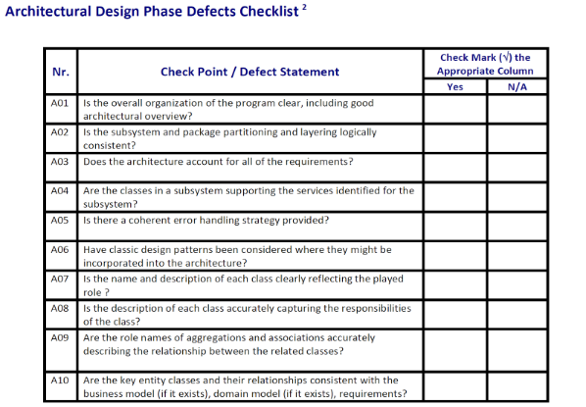
Crt. No. | Checked Item | Doc. page/line | Comments/ improvements
1 | A09 | Toate clasele | Nicio agregare sau asociere nu are denumiri asociate care sa descrie relatia dintre clase.
2 | A08 | Toate clasele | Nicio clasa nu are descrieri.
3 | A02 | Toate clasele | Clasele din diagrama nu sunt impartite pe pachete.
4
5
6
7
8
9
10
11
12
13
14
15
16
17

 | Effort to review document (hours): |  | 0.5

Coding Phase Defects
do not print this form |  |  |  | Echipa It is a lifestyle
Review Form. Coding Defects |  |  |  |  | Numele si prenumele | Grupa
 |  |  |  | Student 1: | Isaia Elena | 234
 | Document Title: | Coding Document |  | Student 2: | Lăzărescu Anda-Monica | 234
 | Author Name: | Popescu Ionel |  | Student 3: | Mihăilă Andra | 234
 | Reviewer Name: | It is a lifestyle
 | Review date:
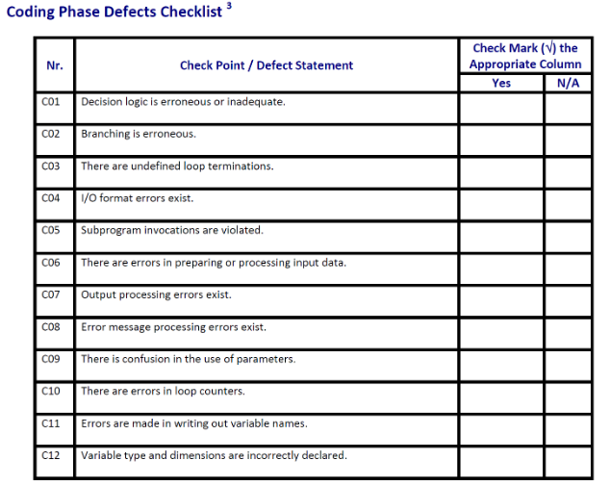
Crt. No. | Checked Item | Doc. page/line | Comments/ improvements
1 | C08 | MenuRepository liniile 30 si 32 | Cele 2 catchuri au acelasi corp deci nu ar trebui separate.
2 | C12 | PizzaService, linia 51 | Variabila de tip double e initializata cu 0.0f, ar trebui sa fie 0.0d sau 0.0.
3 | C01 | PaymentAlert, liniile 52-56 | Nu este nevoie de else if-ul de la linia 52. Cele 2 pot fi unite intr-un singur else.
4 | C01 | MenuRepository liniile 25 si 37 | In ambele functii se verifica daca linia e null. If-ul de la linia 37 nu ar mai trebui sa faca aceasta verificare deoarece sigur i se va trimite o linie diferita de null.
5
6
7
8
9
10
11
12
13
14
15
16
17
18
19
20
21

 | Effort to review document (hours): |  | 0.75

