Description
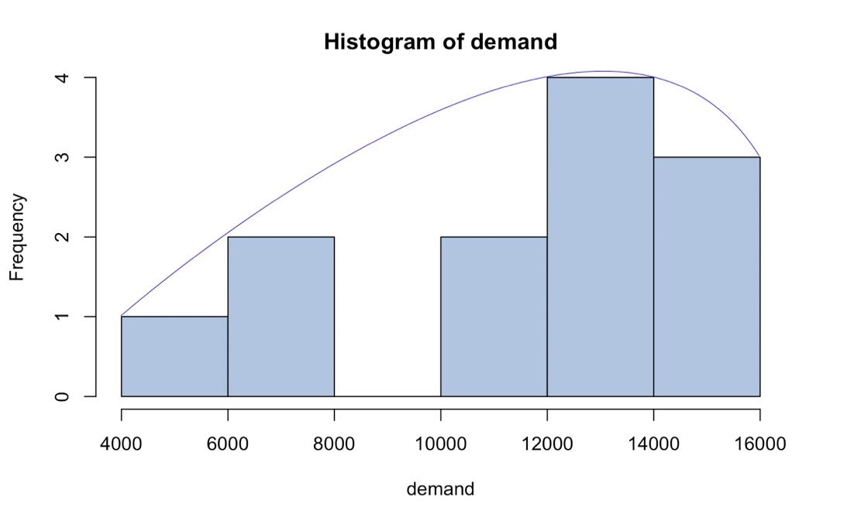
Ski Jacket Production Case

Our solution gives a clear answer to the question "How many ski jackets should a small, promising company Egress release to maximize its profits?" For the most accurate answer, we used the assumptions of employees of this company, as well as tests and methods that strengthen our arguments.

1. Egress management wants to find the best distribution that fits unknown demand in the coming year based on the employees estimates.

The answer for this question can be data visualization on the right where we can see that data is normally distributed. Besides we launched Kolmogorov-Smirnov, D’Agostino and Pearson’s tests for testing our hypothesis. As you can see in both cases p-value is big enough ( > 5%) for stating that data has normal distribution.

2. Use a spreadsheet model to simulate 1000 possible outcomes for demand in the coming year. Based on these scenarios, what is the expected profit if Egress produces Q = 7800 ski jackets? What is the expected profit if Egress produces Q = 12,000 ski jackets? What are 95% confidence intervals of profit in both cases?

In sheet named "Simulation" you can see 1000 possible outcomes for demand in the coming year. On the same page there are table with possible quantities and expected profits. Expected profit and 95% confidence intervals for Q = 7800 and Q = 12,000 are highlited below. To see formula for calculation 95% confidence interval for Q = 12,000, go to sheet "Simulation Q = 12 000".

3. How many ski jackets should Egress produce to maximize expected profit (call this quantity Qmax)? Should it be equal to mean demand or not?

The best solution for the company would be to manufacture 10,000 jackets. We calculated that the expected demand is 12,000 jackets, but we cannot risk releasing 2,000 more. When we calculated the possible losses of the company in both cases (Sheets with names "Frequency histogram..."), we saw that the probability to lose more than 100,000 dollars with 12000 jackets made (15%) was almost twice as much as with 10,000 jackets (8%). Manufacturing of 11,000 jackets is also not the best decision because in most cases the biggest profit is given by manufacturing 10,000 jackets. And since the company is not yet big enough to take such risks and 12,000 or 11,000 jackets will not bring us such profits as 10,000 jackets in most cases, we decided to stop at exactly 10,000 that will bring to company approximately $55,000 of profit.

4. Create a histogram of profit at the production level Qmax. Create a histogram of profit when the production level equals mean demand. What is the probability of a loss greater than $100,000 in each case?

The production quantity that maximizes profit for the company is 10 000. So we created histograms of profit for Qmax = 10 000 and mean = 12 000. They are in the sheets named 'Frequency histogram Qmax' and 'Frequency histogrm Q=12 000'. The "Upper limit" in such files are our intervals on the axis (profit results that are very close to these numbers are rounded up to them). The table represents how often certain profits are. Based on it,we calculated the percantage of loss of 100 000$ and less. It shows that probability of loss more than 100 000$ is 8% for Qmax and 15% for Q=12 000. It proves that 10 000 is the best option to produce jackets. Also, histograms show the biggest probability of profits: for Qmax it is 100 000$ and for Q=12 000 it is 150 000$.

5. What information Egress management would be good to know to make decision making easier? Where they can get this information?

1. Collect information about production from the previous years and form some probabilities of sales, so that analytics can more precisely determine the sums of profit company wants to know.

2. Collect information from rivals and explore market so that Egress can compare prices, discounts, marketing, available production.

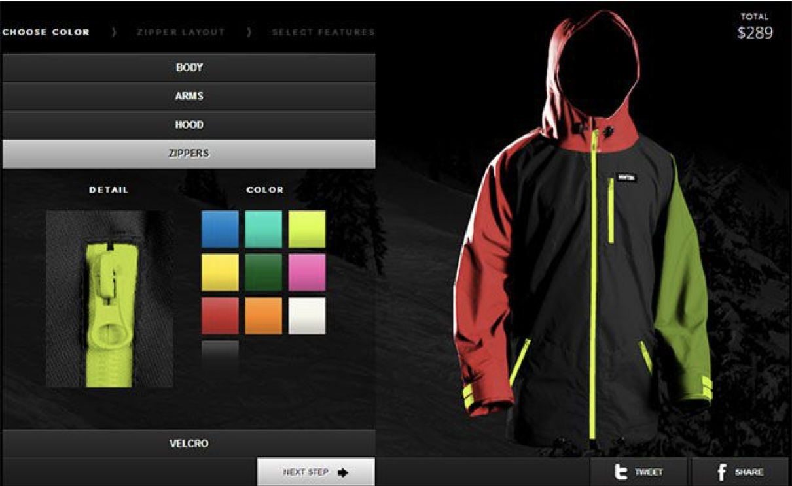
3. Explore weather forecasts. It can be useful since people are more likely to buy ski jackets if the winter is going to be cold and snowy.

6. What would you suggest them beyond the scope of the stated problem?

We suggest company make family ski jackets which will cost less than if we sold these jackets separately. It can be the thing of this company. According to Telegraph, the most popular ski resorts are in France so it would be useful to deeply explore French market as it is much more different than in the USA. For getting clients’ loyalty we can create 100 expensive jackets, every ten of them will have absolutely unique design. Analyzing the preferences of professional skiers, we found out that they love uniqueness and are ready to pay for it. Moreover, we can let them create their own ski jackets with their own design and patterns.

In conclusion, we recommend Egress to produce 10 000 jackets because this number is the most optimal for the different assumptions of the demand. This sum of production is less likely to have the loss in profit in comparison with the average one. The niche of Egress is competitive but there are much more people who like winter sports. So, they will have customers always. The question is whether they found them or whether they did everything for customers to find them. If their brand is unique and differs from others with its design and idea, the sales will only grow from year to year.

While solving case such resources were used: https://mpora.com/snowboarding/want-to-start-your-own-outerwear-company-the-nwt3k-interview https://www.switchbacktravel.com/best-ski-jackets http://www.dazeddigital.com/fashion/article/32153/1/how-exactly-did-north-face-become-cool https://www.statista.com/search/?q=ski+resorts&qKat=search https://www.telegraph.co.uk/travel/ski/resort-guides/the-top-20-ski-resorts-voted-by-readers/ https://www.ski-holidays.ru/173/ski-seasons.html

Frequency histogram Qmax
Histogram
Bin | Frequency
-350000 | 6
-300000 | 5
-250000 | 12
-200000 | 11
-150000 | 25
-100000 | 21
-50000 | 31
0 | 54
50000 | 65
100000 | 770
150000 | 0
200000 | 0
250000 | 0
300000 | 0
350000 | 0 | Probability of loss greater than 100 000$
400000 | 0 | 8%
More | 0

Frequency histogram Q=12000
Histogram
Bin | Frequency
-350000 | 14
-300000 | 13
-250000 | 12
-200000 | 25
-150000 | 31
-100000 | 50
-50000 | 50
0 | 65
50000 | 73
100000 | 76
150000 | 591
200000 | 0
250000 | 0
300000 | 0 | Probability of loss greater than 100 000$
350000 | 0 | 15%
400000 | 0
More | 0

