Sheet1
Globenewswire.com
Collection | Documents | Size | Use | Configuration | Document Prediction in 3 Year
RSS | 2.5mn | 12.4Gb | Master Collection with all the Application wide queryable indexed field Reference - https://www.globenewswire.com/en/newsroom | 3 Replicas with 1 shard per collection across 3 Linux EC2 instances 3x3 Zookeeper-SOLR configuration. | ~5mn with ~25Gb size
RSSArticleBody | 2.5mn | 11.9Gb | Dependent Collection with Article Html Content, this collection is queried only when article's html body content is requested Reference - https://www.globenewswire.com/en/news-release/2021/06/04/2242293/0/en/Wegovy-semaglutide-2-4-mg-the-first-and-only-once-weekly-GLP-1-therapy-for-weight-management-approved-in-the-US.html |  | ~5mn with ~25Gb size

Featured Used
Atomic Update | Specific workflow to re-index specific customer releases
Backup and Restore
Reindex Collection | Custom Dot Net Console Application which connect to DB and soft commits the documents to SOLR. Uses SOLR Net library
Cross Collection Joins | Planned for future
Collection Alias | To achieve the zero downtime full documents re-indexing we have used Collection Alias feature. In this workflow we re-index all the documents to the collection which is not used by the application and after the completion of the re-indexing activity we swap the alias collection to point to newly indexed collection.

Additional Details
Setup Overview | 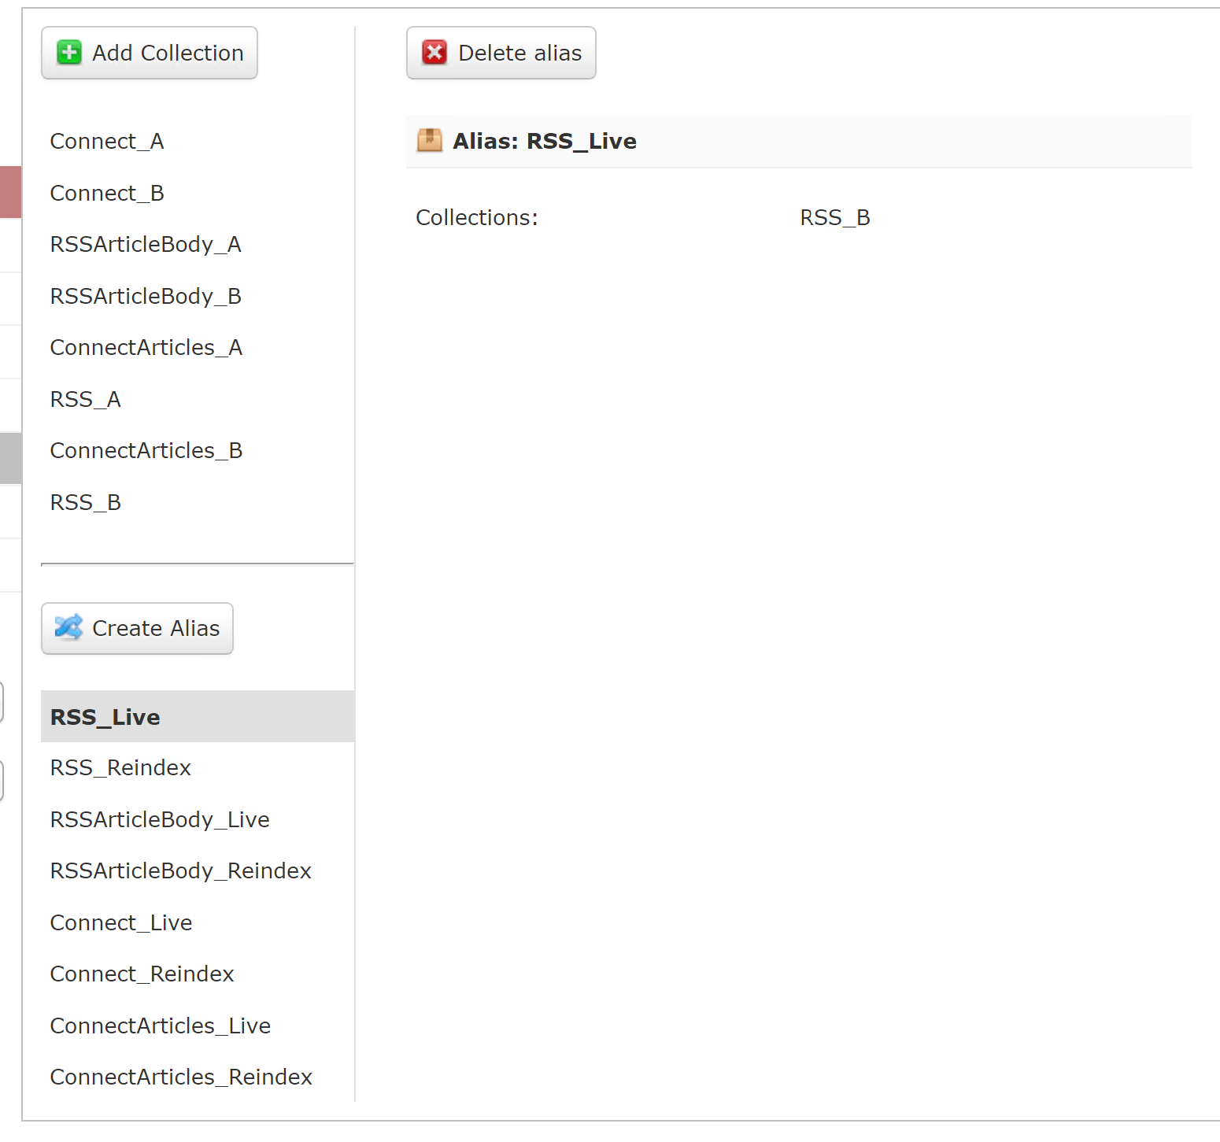

Graph | 