Sheet1
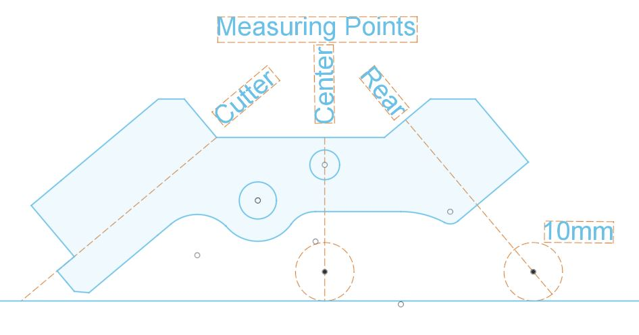
Cutter |  |  |  | Angle Rod Length |  | Center Rod Offset |  | Rear Rod Offset
Included Angle | Relief | Offset Inches | Offset Millimeters | Inches | Millimeters | Inches | Millimeters | Inches | Millimeters
60 | 35 | 1.988 | 50.5 | 1.24 | 31.5 | 1.016 | 25.81 | 1.301 | 33.05
75 | 35 | 1.759 | 44.68 | 1.501 | 38.12 | 1.106 | 28.08 | 1.574 | 39.98
90 | 35 | 1.744 | 44.3 | 2.084 | 52.93 | 1.2374 | 31.43 | 1.952 | 49.59
105 | 35 | 1.645 | 41.78 | 2.587 | 65.72 | 1.322 | 33.58 | 2.183 | 55.44
120 | 35 | 1.601 | 40.67 | 3.372 | 85.66 | 1.39 | 35.32 | 2.41 | 61.23
135 | 35 | 1.584 | 40.23 | 3.595 | 91.32 | 1.445 | 36.7 | 2.608 | 66.24

