Sheet1
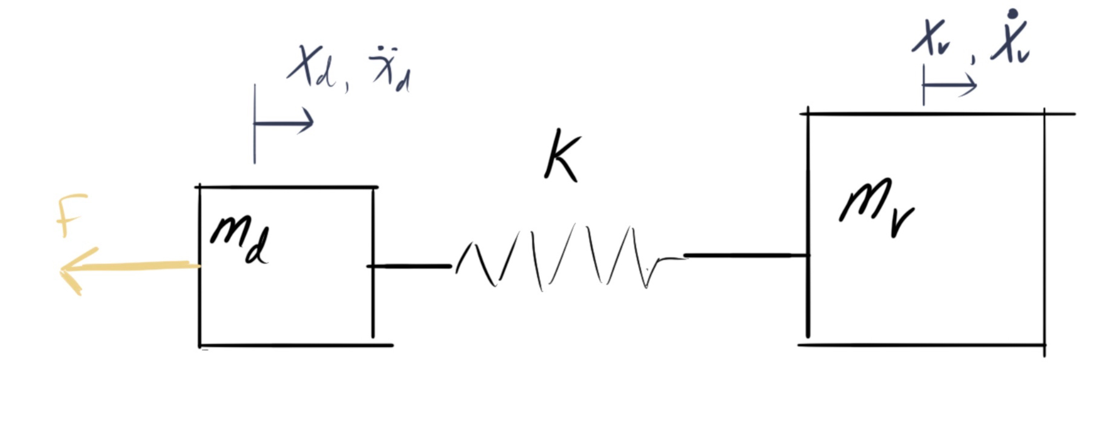
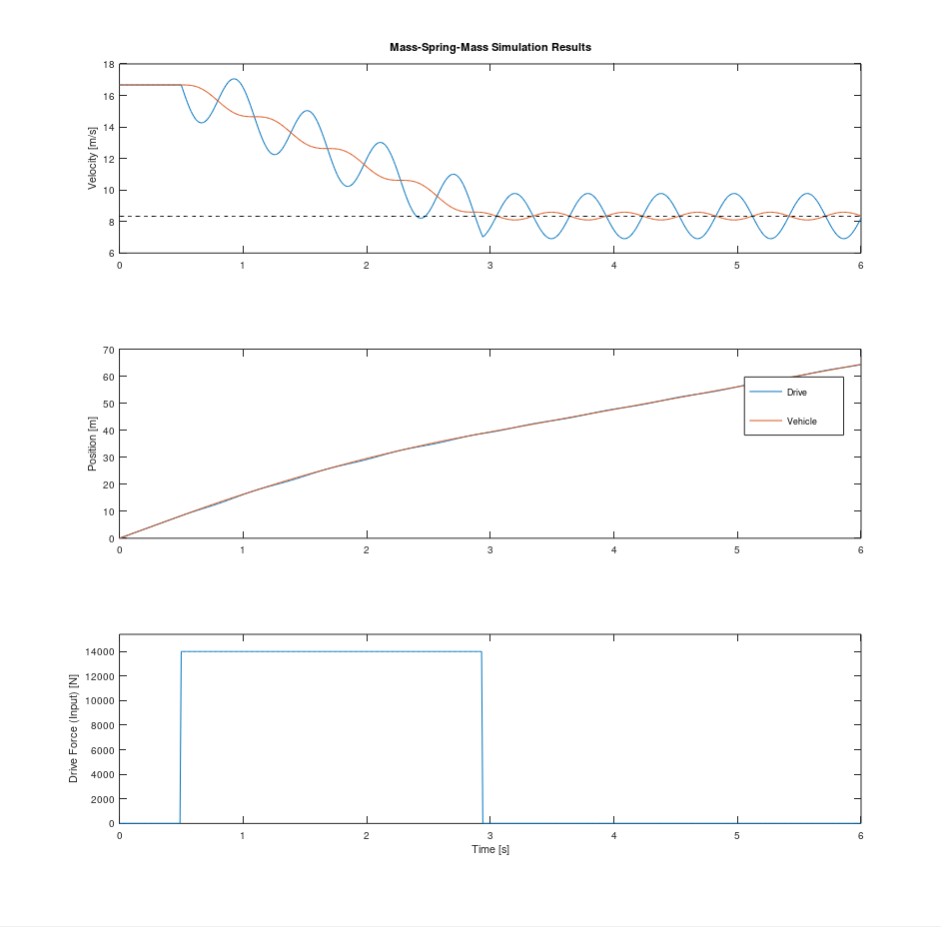
 |  | Fake 4VFD, Light Motor | CATARC | CAERI | Millbrook | Porsche |  | Wire | Polymer
Motor Mass (linear Equiv) | kg | 223.0 | 270 | 500 | 606 | 750 | PseudoStiffness [A*E] [N/m * m] | 13402517.301 | 5895091
Vehicle Mass | kg | 3500
Rope Length | m | 120
Rope K | N/M | 4.9E+04 |  |  |  |  | CATARC | CAERI | Millbrook | Porsche
 |  |  |  |  |  |  | 1940 | 4240 | 5018 | 6768 | ft*lb
Initial Velocity | m/s | 16.666666667 |  |  |  |  | 648 | 1110 | 1687 | 2422 | hp
Final Velocity | m/s | 8.3333333333 |  |  |  |  | 270 | 500 | 606 | 750 | mass (kg)
Vehicle Deceleration | g | 1
Vehicle Deceleration | m/s^2 | 9.81 |  |  |  |  | 4049 | 8849 | 10472 | 14125 | Linearized Braking Force

Force to decelerate Drive | N | 2187.3069209 | 2649 | 4905 | 5945 | 7358
Force to decelerate Vehicle | N | 34335 | 34335 | 34335 | 34335 | 34335
Force to decelerate Both | N | 36522.306921 | 36984 | 39240 | 40280 | 41693

Maximum Regen Force (linearized) | N? Check W James | 13983 | 4049 | 8849 | 10472 | 14125
Max Possible Deceleration (rigid approximation) | g | 0.38 | 0.11 | 0.23 | 0.26 | 0.34

Heaviest Vehicle for Desired deceleration (Rigid Approx) | kg | 1202 | 143 | 402 | 462 | 690

Impulse Momentum
Initial Momentum | J | 62049 | 62833 | 66667 | 68433 | 70833
Final Momentum | J | 31025 | 31025 | 31025 | 31025 | 31025

Change in Momentum | J | 31025 | 31809 | 35642 | 37409 | 39809

Time at Max force to change momentum | s | 2.22 | 7.86 | 4.03 | 3.57 | 2.82

