1. Title Page
Sales and Customers Report

Project Name: Instacart Grocery Basket Analysis
Date: 23/10/2025
Analyst Name: Elia Lanzuise

Contents:
Population Flow
Consistency checks
Wrangling steps
Column derivations
Visualizations
Recommendations

2. Population Flow
Title page

Population flow

Exclusion flag
Condition: max_order < 5
Obervations to be removed:
Final total count of order_products_all: 30964564, 32

Orders_products_combined
Orders_products_merged
Orders_products_all

Total: 32.434.489, 12
Total: 32.404.859, 23
Total: 30.964.564, 34

1.) The grey boxes in the first row of the population flow represent the original data sets as they were when you downloaded them. In the Total fields you need to add the count of the rows when you imported the data set into Jupyter.
2.) The second row of boxes (coloured) represents the data sets after you manipulated them, e.g., removed missing values and duplicates. In the Total fields you need to add the count of the rows after conducting these operations. This offers a visual oveview of how the data flows throughout the data consistency checks.
3.) The third row, where also the arrows are coloured, represents the merges you performed between the datasets. In the Total fields you need to add the count of the rows in the merged datasets, so that you end up with the final dataset (in the red box). Keep in mind the final dataset should be without exclusions (based on the exclusion flag).

3. Consistency checks
 |  |  |  | Title page
Consistency checks

Dataset | Missing values | Missing values treatment | Duplicates
orders | 6% of dataset | Left as it is [Check Note] | 0
products | 16 | eliminated | 5
orders_products_prior | 0 |  | 0
customers | 0 |  | 0

Orders Missing Values: | I have decided not to eliminate this values, because they simply represent the not available days since the previous order, and that is because there it always need to be a first order.

4. Wrangling steps
 |  |  |  | Title page
Wrangling steps

Columns dropped | Columns renamed | Columns' type changed | Comment/Reason

first_name |  |  | Removed from the dataset to comply with data privacy standards. These
last_name |  |  | variables were not required for any analytical question in the project brief.

eval_set |  |  | Not required for the data analysis project requirements

5. Column derivations
 |  |  |  | Title page

Column derivations and aggregations

In this tab you should add tables below that the frequences of flags/label variables that you produced after deriving them. NB: don't do this for continuous variables, only for flags.
Dataset | New column | Column/s it was derived from | Conditions
instacart_dataset_complete.pkl | busiest_days | order_day_of_week | Labeled overall busy days using day-level order frequencies, produced with value counts
 | slowest_days | order_day_of_week | Labeled overall busy days using day-level order frequencies, produced with value counts
 | busiest_period_of_day | order_hour_of_day | Created 3 bins, divided equally in 8 hours, to label frequency of orders during the day.
 | max_order | user_id, order_number | Max order number set for each customer
 | loyalty_flag | max_order | Created loyalty tiers for customers based on their max order number
 | spender_level | avg_user_price | Created two spending level using the average price of orders
 | order_frequency_level | order_frequency_median | Frequency tiers of customers
 | region | state | Grouped and binned each state into a geographical region
 | customer_activity_level | max_order | Exclusion flag for low activity
 | customer_profile | age, income, n_dependants | Created various customer profile to better understand the customer base

6. Visualizations
Title page

Visualisations

In this tab you should include all the visualtions from Exercises 4.9 and 4.10, alongside the questions from the project brief that they answer. Include any commentary on the relationship between different variables.

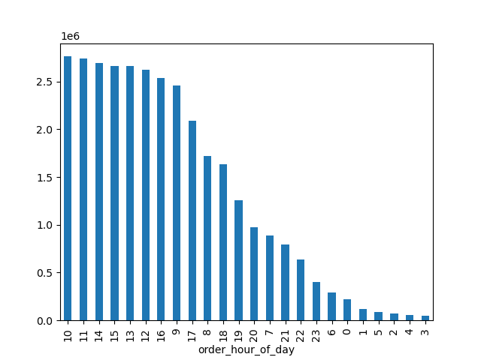


 | PROJECT KEY QUESTION:

 | The sales team needs to know what the busiest days of the week and hours of the day are (i.e., the days and times with the most orders) in order to schedule ads at times when there are fewer orders.

 | INSIGHT:

 | It seems clear to me with this bar chart that the hours of late morning are the busiest, and they keep being the busiest slowly going down until early afternoon. So I think in this regard it looks like the best time for advertising is late afternoon or evening. In regards to days, it seems like Sunday and Monday are the busiest Days, with a significant increased order numbers than the other days of the week.

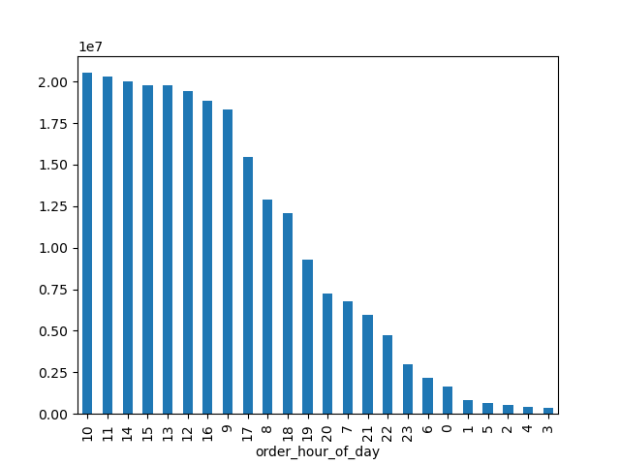

 | PROJECT KEY QUESTION:

 | They also want to know whether there are particular times of the day when people spend the most money, as this might inform the type of products they advertise at these times.

 | INSIGHT:

 | People spend the most money very similarly to the order frequency, in the late morning through early afternoon there is a significant higher amount spending (as seen in the bar chart).

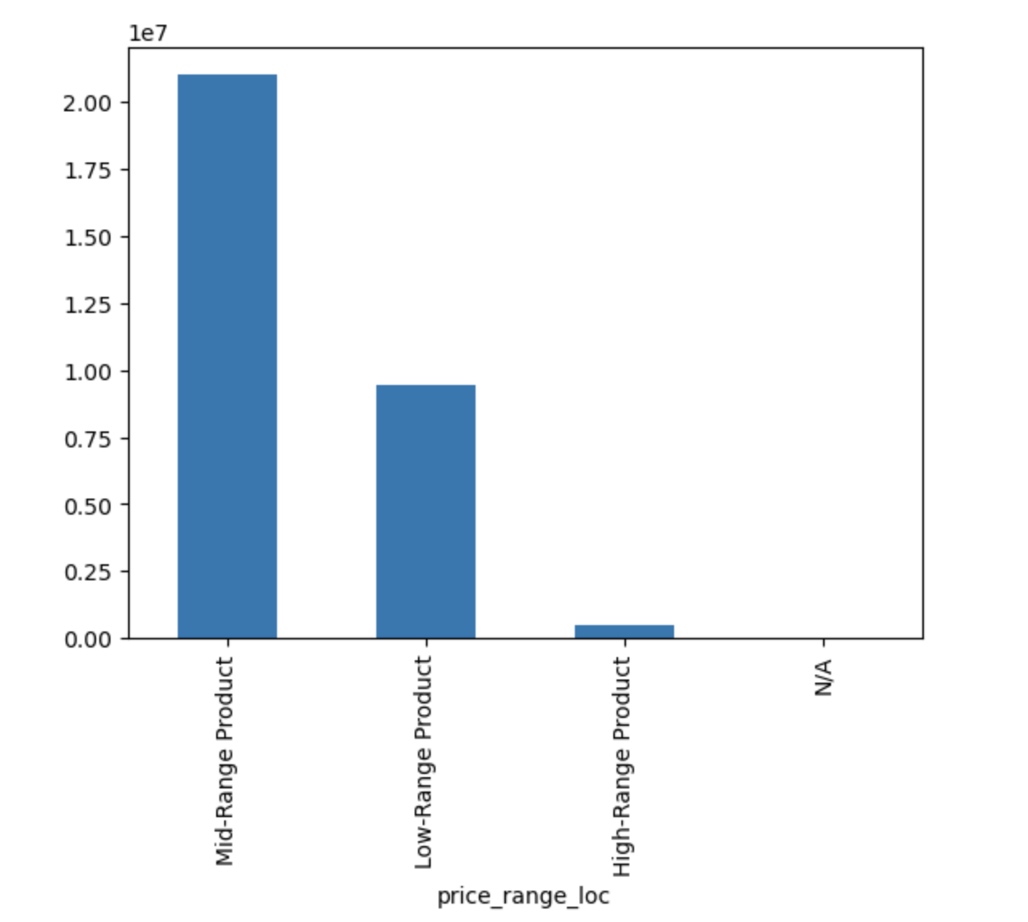

 | PROJECT KEY QUESTION:

 | Instacart has a lot of products with different price tags. Marketing and sales want to use simpler price range groupings to help direct their efforts.

 | INSIGHT:

 | I have created three different Price Groups, the chart shows that mid-range products are the most in instacart catalog.

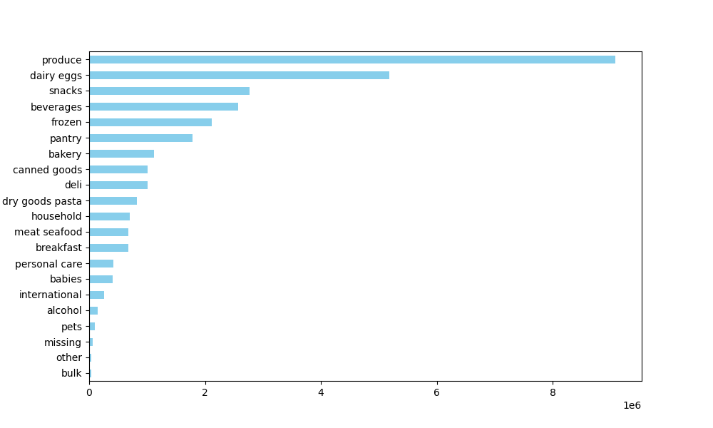

 | PROJECT KEY QUESTION:

 | Are there certain types of products that are more popular than others? The marketing and sales teams want to know which departments have the highest frequency of product orders.

 | INSIGHT:

 | From the bar chart I have extracted is clear that produce and dairy eggs departments are by far the most populat product groups.

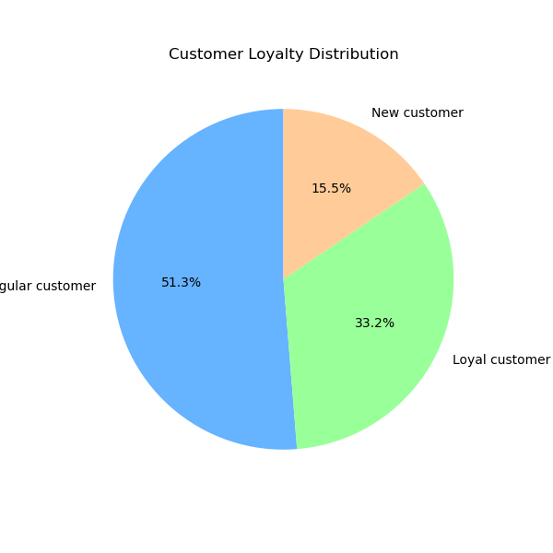

 | PROJECT KEY QUESTION:

 | The marketing and sales teams are particularly interested in the different types of customers in their system and how their ordering behaviors differ. For example: ○ What’s the distribution among users in regards to their brand loyalty (i.e., how often do they return to Instacart)?

 | INSIGHT:

 | Regular Customer are slightly more than Loyal Customers, but loyal customers order twice as more frequently than regular customers.

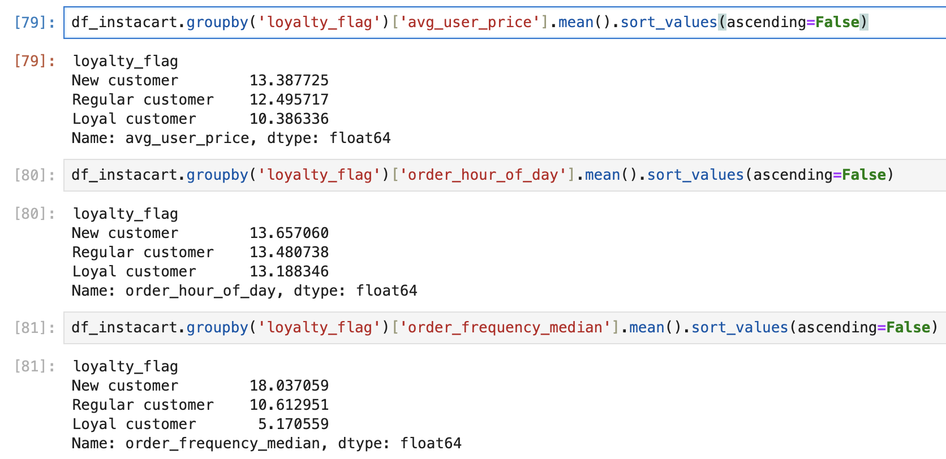
 | PROJECT KEY QUESTION:

 | Are there differences in ordering habits based on a customer’s loyalty status?

 | INSIGHT:

 | It Looks like for all the customer groups there is almost identical ordering hours during the day, what changes though is that loyal customer tend to order more frequently, but also spend slightly less than the other two groups. Regular customer instead order roughly every 10 days, and they spend slightly more than loyal customers.

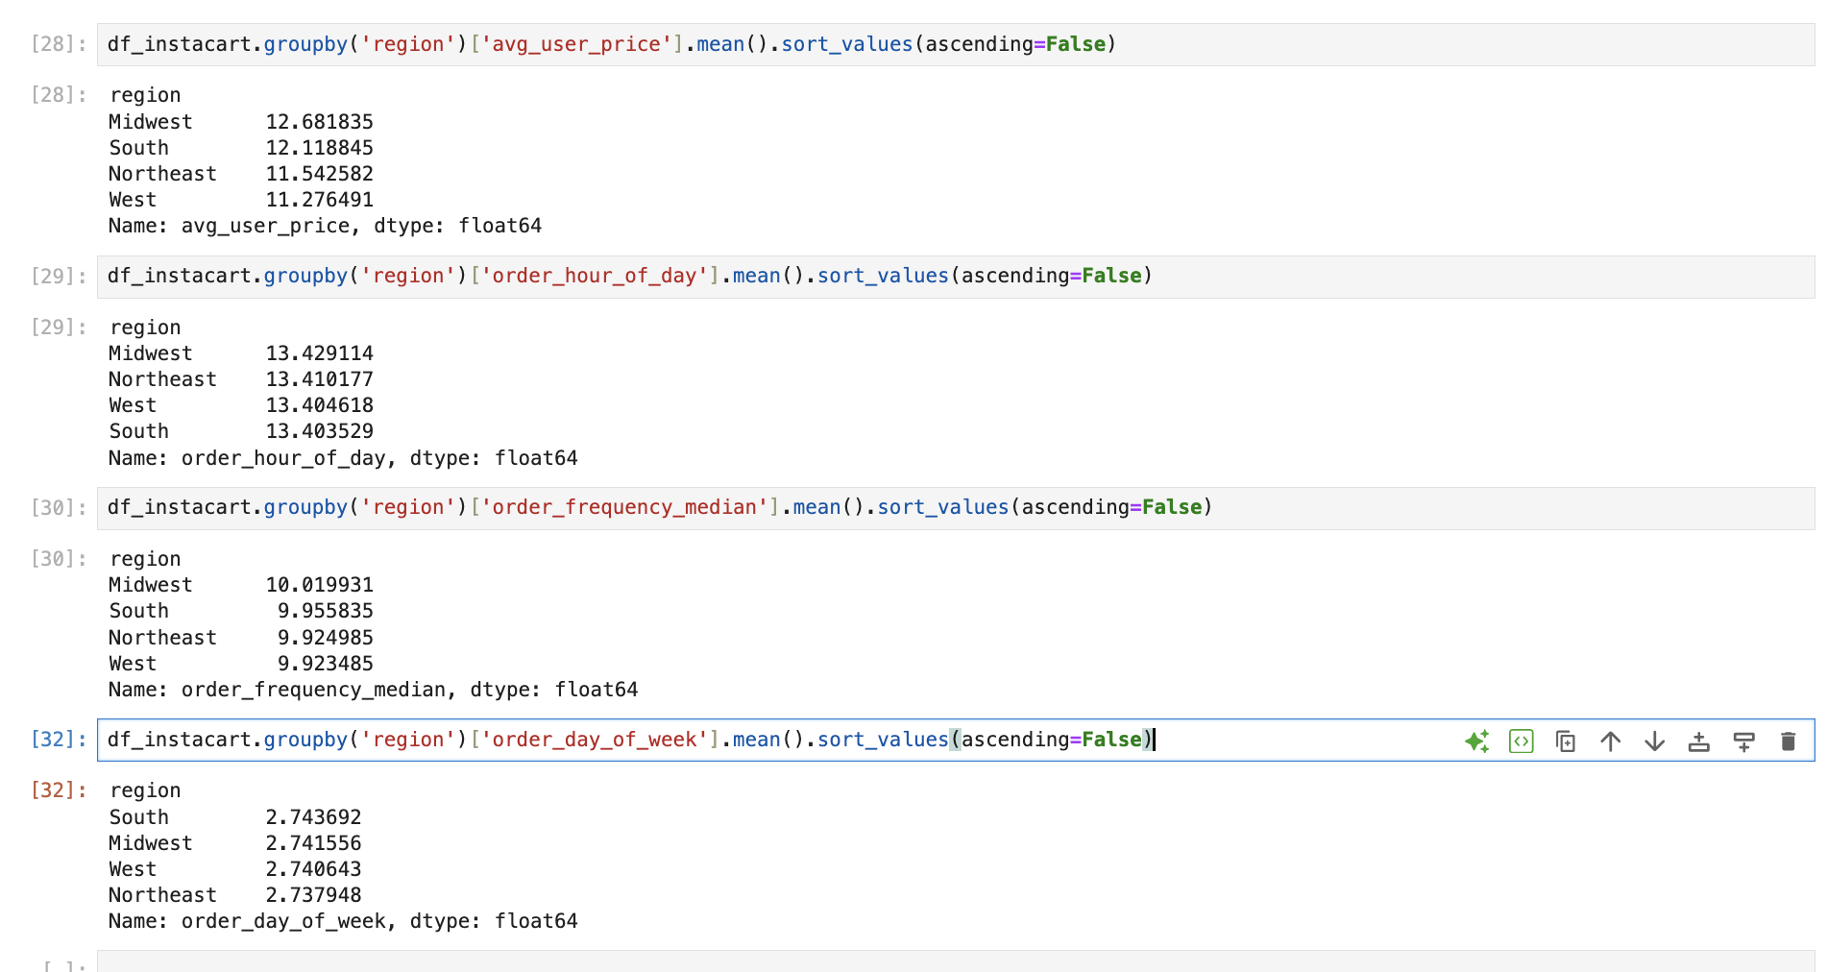

 | PROJECT KEY QUESTION:

 | Are there differences in ordering habits based on a customer’s region?

 | INSIGHT:

 | From these stats we can assume there isn't much difference on customer behaviour in different regions, the only littlw thing we can notice is that customers in the midwest tend to buy slightly more expensive products, while people in West region tend to buy cheaper products.

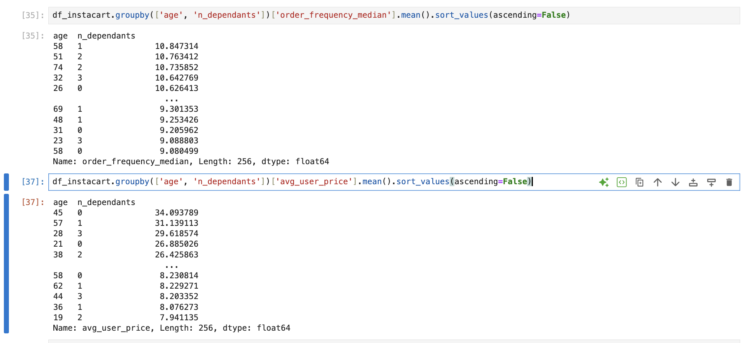

 | PROJECT KEY QUESTION:

 | Is there a connection between age and family status in terms of ordering habits?

 | INSIGHT:

 | We can see that there isn't much difference regarding age and dependants number, in term of order frequency. But there is some differences for example regading age, family status and average purchases price, in this case we can notice for example that single or no dependants people at the age 45 spend more than other age groups or family status.

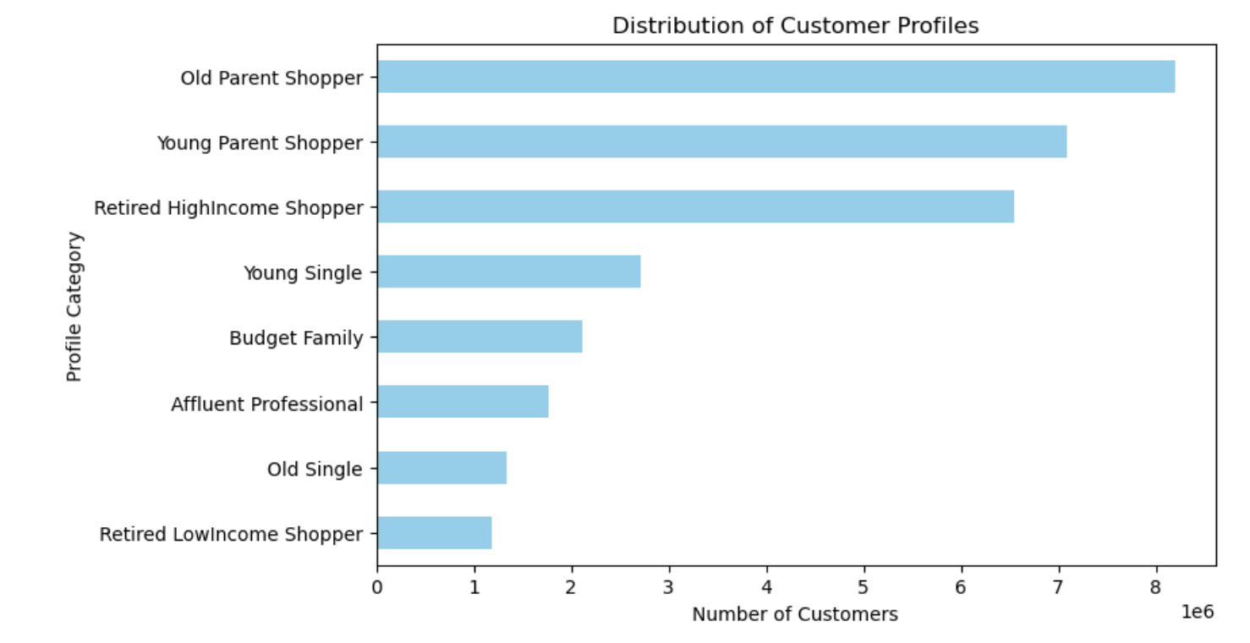

 | PROJECT KEY QUESTION:

 | What different classifications does the demographic information suggest? Age? Income? Certain types of goods? Family status?

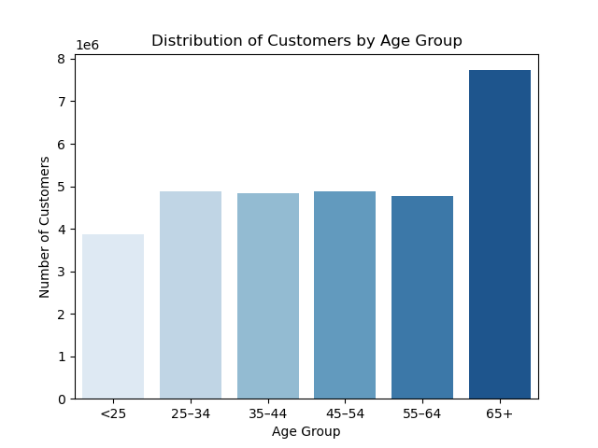
 | INSIGHT:

 | The biggest customer profiles in general are parents, either old or young. Aswell Retired Customer with a High Income seems to be a major customer group for Instacart.
 | As Of number of customers in general in any customer profile, instacart seems to have his major customer base in the 65+ years old age group. (This was also in part shown in the previous chart)

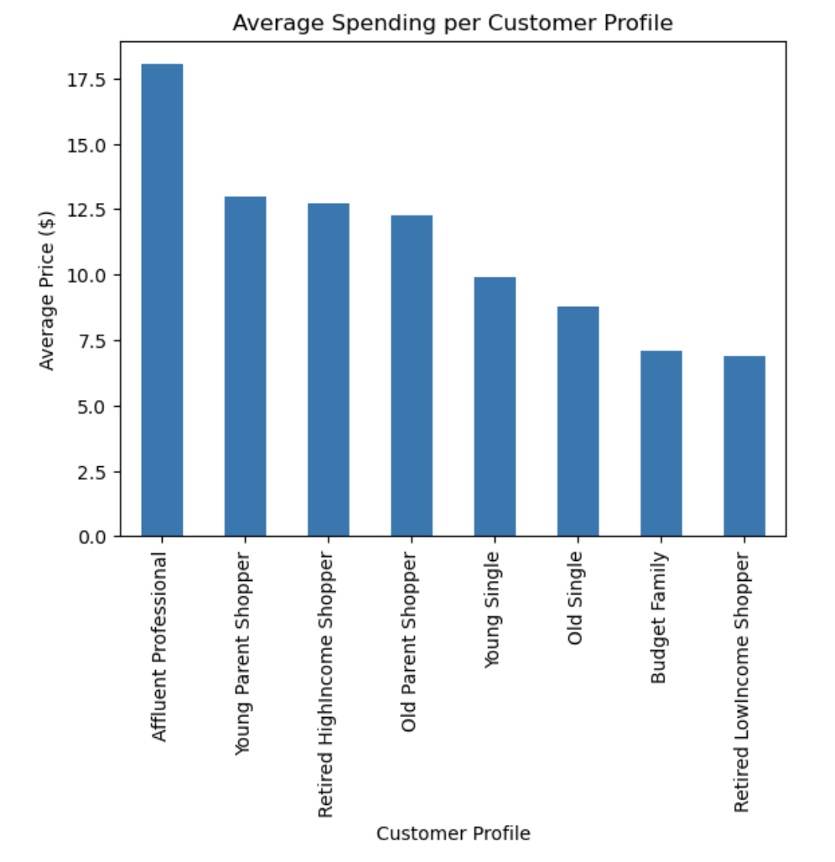

 | PROJECT KEY QUESTION:

 | What differences can you find in ordering habits of different customer profiles? Consider the price of orders, the frequency of orders, the products customers are ordering, and anything else you can think of.

 | INSIGHT:

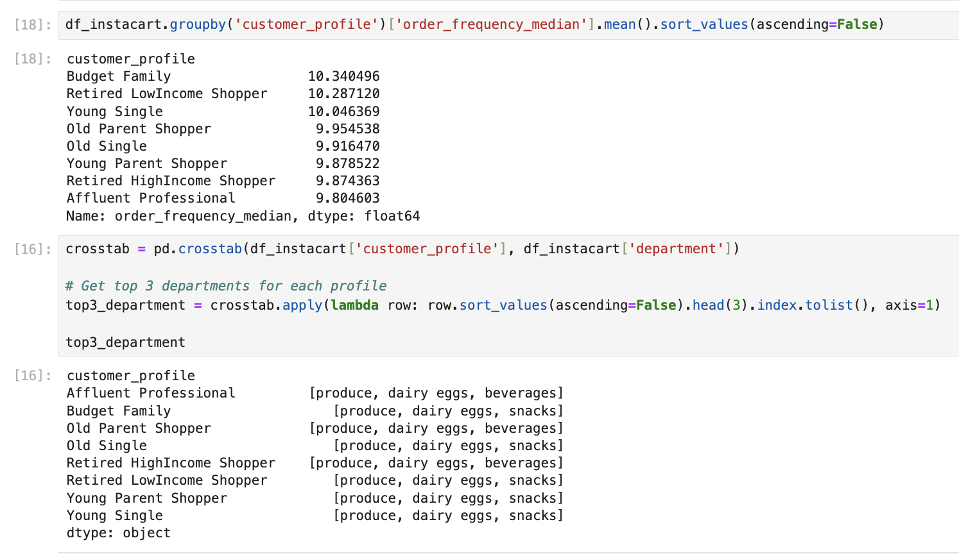
 | We can see clearly that Affluent Professionals tends to spend considerably higher money compared to all other groups.
 | We can also notice how usually produce and dairy eggs are the products most bought by every customer type, with the only difference on some of them preferring beverages and other preferring more snacks at third option.

7. Recommendations
 |  | Title page

Recommendations

In this tab you should include any recommendations you would made to Instcart in terms of their marketing strategy based on the questions posed in the brief. Every key question has been covered in the Tasks of the Exercises - here you need to add an item - a visualisation or table/crosstable that is showing the answer in the data, acompanied by a comment from you. Please, list the questions below and add the answer underneath.
I HAVE INCLUDED MY PROJECT KEY QUESTIONS AND ANSWERS MORE CLEARLY ALONG WITH VISUALIZATIONS, ON TAB PAGE 6 "VISUALIZATIONS".

Question | Answer
Key Question 1
Key Question 2
Instacart has a lot of products with different price tags. Marketing and sales want to use simpler price range groupings to help direct their efforts. | I have correctly grouped and labeled the prices with three groups (LowRange, MidRange and HighRange).
Key Question 4
Key Question 5
Key Question 6
Key Question 7

