C5
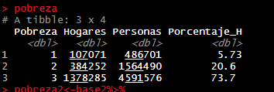
Ítems | Hogares | Personas | Porcentaje H

Pobreza actual

Pobreza Extrema | 107,071 | 486,701 | 5.73
Pobreza Relativa | 384,252 | 1,564,490 | 20.55
Pobreza Total | 491,323 | 2,051,191 | 26.28
No Pobres | 1,378,285 | 4,591,576 | 73.72

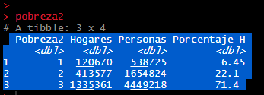
Total | 1,869,608 | 6,642,767 | 100.00

Recomposición de Pobreza

Pobreza Extrema | 120,670 | 538,725 | 6.45
Pobreza Relativa | 413,577 | 1,654,824 | 22.12
Pobreza Total | 534,247 | 2,193,549 | 28.58
No Pobres | 1,335,361 | 4,449,218 | 71.42

Total | 1,869,608 | 6,642,767 | 100.00 | 4,449,218

Cambios

Pobreza Extrema | 13,599 | 52,024 | 0.73
Pobreza Relativa | 29,325 | 90,334 | 1.57
Pobreza Total | 42,924 | 142,358 | 2.30

