Components
Notes

 | Instrument | Groups (NOTE CAN POTENTIALL BE REMOVED)
 | Instrument/Items/Item | A item , e.g a checkbox with various properties such as id and label

 | Instrument/Items/Stimulus | Stimulus has one to one correspondance to the UI items and specified has a part of the item object
 | Instrument/Stimulus OR potentially /Instrument/Stimuli | Stimulus independet of the and specified on the top level of the instrument

 |  | Considerations on how to spec Stimulus
 |  | Option 1 (current) | Stimuli is placed either on the top level (one stimuli, many items) OR has part of the item object (one stimuli to one item). This seems to provide the most effecient spec
 |  | Option 2 (alternative) | Stimuli is always placed in a seperate list on the root level and is linked to the items via an Id. Pro: Consitent spec. Con: Overhead in keeping two seperate lists whene there is a one-to-one between stimuli and item

 | Events | Specifices which log events should be returned (e.g. audio played)

 | Context | Specifies which context data should be returned (e.g. ipadress))

General component notation



 | Name |  | Type | OutputType | DefaultValue | N Min | N Max | Notes/Describtion | Picture | Interaction | Interaction
 |  |  |  |  |  |  |  |  | NO UI | NO UI | NO UI
Component |  |  |  |  |  |  |  | A system component used to indicate that no more slieds/trials is available
 | EndOfExperiment
Version | 1

Inputs:
 | None

Outputs:
 | None

 | Name |  | Type | OutputType | DefaultValue | N Min | N Max | Notes/Describtion | Picture | Interaction | Interaction
 |  |  |  |  |  |  |  |  | NO UI | NO UI | NO UI
Component
 | Monitor |  |  |  |  |  |  | A stand-alone context component with no visual UI, just Eventging of the Events for th ecombined components/slIde
Version | 1

Inputs:
1 | Events |  | Complex |  | 0 | 0 | 1
 | Events/Id
 | Events/Type
 | Events/Method
 | Events/Data

1 | Contexts |  | List | multi | 0 | 0 | 1
 | Contexts/Context |  | Complex | complex |  | 1 | Inf
 | Contexts/Context/DateTime |  | String | simple | "" | 1 | 1
 | Contexts/Context/Type |  | String | simple | "" | 1 | 1
 | Contexts/Context/Data |  | String | simple | "" | 1 | 1

Outputs:
1 | Events |  | List | multi | "" | 0 | 1
 | Events/Event |  | Complex | complex |  | 1 | Inf
 | Events/Event/DateTime |  | String | simple | "" | 1 | 1 | When
 | Events/Event/Id |  | String | simple | "" | 1 | 1 | What object was affected (XPAth like reference)
 | Events/Event/Type |  | String | simple | "" | 1 | 1 | What happend {'selected','start', stop etc}
 | Events/Event/Method |  | String | simple | "" | 1 | 1 | Detailed info about the interaciton methods, e.g. mouse, keyboard
 | Events/Event/Data |  | String | simple | "" | 1 | 1 | Detailed data, state before and after

2 | Contexts |  | List | multi | "" | 0 | 1
 | Contexts/Context |  | Complex | complex |  | 1 | Inf
 | Contexts/Context/DateTime |  | String | simple | "" | 1 | 1
 | Contexts/Context/Type |  | String | simple | "" | 1 | 1 | {ipadress, browserhash, audio todo etc}
 | Contexts/Context/Data |  | String | simple | "" | 1 | 1

 | Name |  | Type | OutputType | DefaultValue | N Min | N Max | Notes/Describtion | Picture | Interaction | Interaction

Component
 | Header |  |  |  |  |  |  | A header for the slide/trial
Version | 1

Inputs:

1 | HeaderLabel |  | Complex | complex | "" | 1 | 1

Outputs:
 | None

 | Name |  | Type | OutputType | DefaultValue | N Min | N Max | Notes/Describtion | Picture | Interaction | Interaction


Component
 | TextBlock |  |  |  |  |  |  | A block of text
Version | 1

Inputs:

1 | Events |  | Complex |  | 0 | 0 | 1
 | Events/Id
 | Events/Type
 | Events/Method
 | Events/Data

2 | Instrument |  | Complex | complex | "" | 1 | 1
 | Instrument/Text |  | String | simple | "" | 1 | 1 | The text in the text box

Outputs:
1 | Events |  | List | multi | "" | 0 | 1
 | Events/Event |  | Complex | complex |  | 1 | Inf
 | Events/Event/DateTime |  | String | simple | "" | 1 | 1 | When
 | Events/Event/Id |  | String | simple | "" | 1 | 1 | What object was affected (XPAth like reference)
 | Events/Event/Type |  | String | simple | "" | 1 | 1 | What happend {'selected','start', stop etc}
 | Events/Event/Method |  | String | simple | "" | 1 | 1 | Detailed info about the interaciton methods, e.g. mouse, keyboard
 | Events/Event/Data |  | String | simple | "" | 1 | 1 | Detailed data, state before and after

 | Name |  | Type | OutputType | DefaultValue | N Min | N Max | Notes/Describtion | Picture | Interaction | Interaction

Component
 | Freetext
Version | 1

Inputs:
1 | Events |  | Complex | multi | 0 | 0 | 1
 | Events/Id |  |  | complex
 | Events/Type |  |  | simple
 | Events/Method |  |  | simple
 | Events/Data |  |  | simple

2 | Instrument |  | Complex | complex | "" | 1 | 1
 | Instrument/Label |  | String | simple | "" | 1 | 1 | The label in front f te box
 | Instrument/LabelPosition |  | String/enum | simple | "" | 1 | 1 | Top','right','left','bottom'
 | Instrument/BoxWidth |  | Int | simple | "" | 1 | 1 | Width of textfield that users can input text
 | Instrument/BoxHeight |  | Int | simple | "" | 1 | 1 | Height of textfield that users can input text
 | Instrument/Resizable |  | Boolean | simple | "" | 1 | 1 | Allow user to resize textbox for input
 | Instrument/Validation |  | String | simple | "" | 1 | 1 | Regexp, .* means optional

Outputs:
1 | Value |  | String | simple | "" | 1 | 1 | The text

2 | Events |  | List | multi | "" | 0 | 1
 | Events/Event |  | Complex | complex |  | 1 | Inf
 | Events/Event/DateTime |  | String | simple | "" | 1 | 1 | When
 | Events/Event/Id |  | String | simple | "" | 1 | 1 | What object was affected (XPAth like reference)
 | Events/Event/Type |  | String | simple | "" | 1 | 1 | What happend {'selected','start', stop etc}
 | Events/Event/Method |  | String | simple | "" | 1 | 1 | Detailed info about the interaciton methods, e.g. mouse, keyboard
 | Events/Event/Data |  | String | simple | "" | 1 | 1 | Detailed data, state before and after

 | Name |  | Type | OutputType | DefaultValue | N Min | N Max | Notes/Describtion | Picture | Interaction | Interaction

Component
 | FreetextHash
Version | 1

Inputs:
1 | Events |  | Complex | multi | 0 | 0 | 1
 | Events/Id |  |  | complex
 | Events/Type |  |  | simple
 | Events/Method |  |  | simple
 | Events/Data |  |  | simple

2 | Instrument |  | Complex | complex | "" | 1 | 1
 | Instrument/Label |  | String | simple | "" | 1 | 1 | The label in front f te box
 | Instrument/LabelPosition |  | String/enum | simple | "" | 1 | 1 | top','right','left','bottom'
 | Instrument/Validation |  | String | simple | "" | 1 | 1 | Regexp, .* means optional
 | Instrument/ForceLowerCase |  | Boolean | simple | "" | 1 | 1 | 0/1

Outputs:
1 | Value |  | String | simple | "" | 1 | 1 | The hash of the lower text
2 | Length |  | Integer | simple | "" | 1 | 1 | Length of the orginal text

2 | Events |  | List | multi | "" | 0 | 1
 | Events/Event |  | Complex | complex |  | 1 | Inf
 | Events/Event/DateTime |  | String | simple | "" | 1 | 1 | When
 | Events/Event/Id |  | String | simple | "" | 1 | 1 | What object was affected (XPAth like reference)
 | Events/Event/Type |  | String | simple | "" | 1 | 1 | What happend {'selected','start', stop etc}
 | Events/Event/Method |  | String | simple | "" | 1 | 1 | Detailed info about the interaciton methods, e.g. mouse, keyboard
 | Events/Event/Data |  | String | simple | "" | 1 | 1 | Detailed data, state before and after

 | Name |  | Type | OutputType | DefaultValue | N Min | N Max | Notes/Describtion | Picture | Interaction | Interaction

Component | ListSelect |  |  |  |  |  |  | Select values from list, NOT DROPDOWN
Version | 1

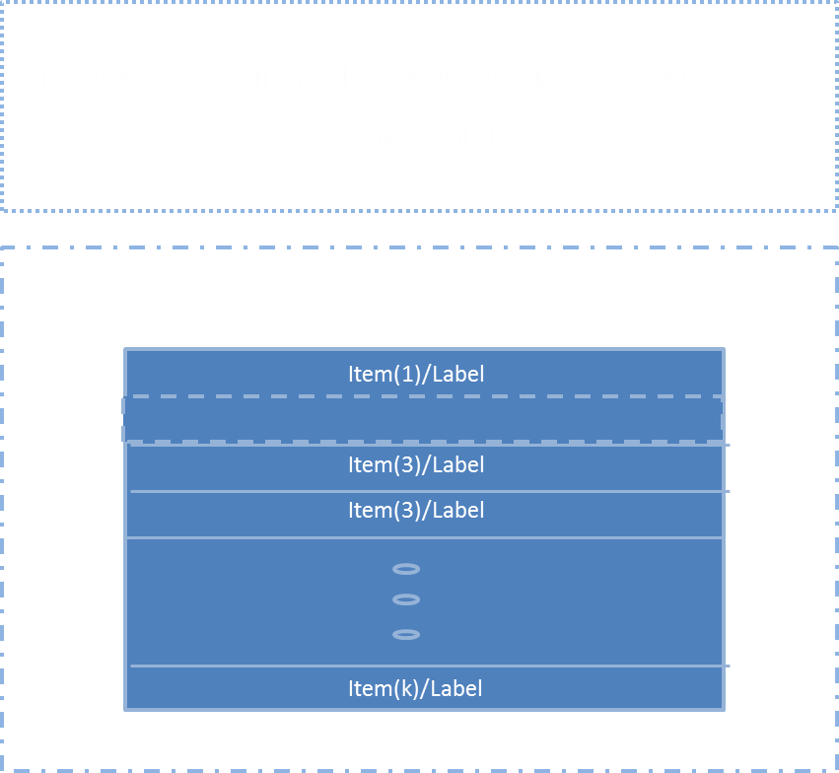
Inputs:
 | (general)
1 | Events |  | Complex |  | 0 | 0 | 1
 | Events/Id
 | Events/Type
 | Events/Method
 | Events/Data

 | (axis)
2 | Instrument
 | Instrument/HeaderLabel |  | String |  | "" | 0 | 1
 | Instrument/MaxNoOfSelections |  | Integer |  | k | 0 | 1
 | Instrument/MinNoOfSelections |  | Integer |  | k | 0 | inf
 | Instrument/Items |  | List |  |  | 1 | 1 | A list
 | Instrument/Items/Item |  | Complex |  | "" | 1 | Inf | A list item
 | Instrument/Items/Item/Id |  | String |  | "" | 1 | 1 | Id of list item
 | Instrument/Items/Item/Label |  | String |  | "" | 1 | 1 | Label on list item
 | Instrument/Items/Item/Selected |  | Binary |  | 0 | 1 | 1 | Selected default (defined by scale) 0=no, 1=yes
 | Instrument/Stimulus |  | Complex |  |  | 1 | 1
 | Instrument/Stimulus/Type |  | String |  | "" | 1 | 1 | Internet media type (text, audio, vIdeo etc), http://www.iana.org/assignments/media-types/media-types.xhtml#text
 | Instrument/Stimulus/Label |  | String |  | "" | 1 | 1 | The value actually returned when selectign thes (?)
 | Instrument/Stimulus/URI |  | String |  | "" | 1 | 1 | Source address of stimuli

Outputs:
 | (list of Scale item Ids for each selected item on scale)
1 | Selections |  | String | multi | "" | 1 | 1 | Id of each selected scale item
 | Selections/Id |  | String | simple | "" | 1 | 1 | Id of each selected scale item

2 | Events |  | List | multi | "" | 0 | 1
 | Events/Event |  | Complex | complex |  | 1 | Inf
 | Events/Event/DateTime |  | String | simple | "" | 1 | 1 | When
 | Events/Event/Id |  | String | simple | "" | 1 | 1 | What object was affected (XPAth like reference)
 | Events/Event/Type |  | String | simple | "" | 1 | 1 | What happend {'selected','start', stop etc}
 | Events/Event/Method |  | String | simple | "" | 1 | 1 | Detailed info about the interaciton methods, e.g. mouse, keyboard
 | Events/Event/Data |  | String | simple | "" | 1 | 1 | Detailed data, state before and after
 | Name |  | Type | OutputType | DefaultValue | N Min | N Max | Notes/Describtion | Picture | Interaction | Interaction

Component
 | RadioButtonGroup |  |  |  |  |  |  | One choice only!
Version | 1

Inputs:
 | (general)
1 | Events |  | Complex |  | 0 | 0 | 1
 | Events/Id
 | Events/Type
 | Events/Method
 | Events/Data


 | (axis)
2 | Instrument
 | Instrument/HeaderLabel |  | String |  | "" | 0 | 1
 | Instrument/Items |  | List |  |  | 1 | 1 | A list
 | Instrument/Items/Item |  | Complex |  | "" | 1 | Inf | A radiobutton item
 | Instrument/Items/Item/Id |  | String |  | "" | 1 | 1 | Id of radiobutton item
 | Instrument/Items/Item/Label |  | String |  | "" | 1 | 1 | Label on radiobutton
 | Instrument/Items/Item/Selected |  | Binary |  | 0 | 1 | 1 | Selected default (defined by scale) 0=no, 1=yes
 | Instrument/Stimulus |  | Complex |  |  | 1 | 1
 | Instrument/Stimulus/Type |  | String |  | "" | 1 | 1 | Internet media type (text, audio, vIdeo etc), http://www.iana.org/assignments/media-types/media-types.xhtml#text
 | Instrument/Stimulus/Label |  | String |  | "" | 1 | 1 | The value actually returned when selectign thes (?)
 | Instrument/Stimulus/URI |  | String |  | "" | 1 | 1 | Source address of stimuli
 | Instrument/Stimulus/Selected |  | Binary |  | 0 | 1 | 1 | Default selection

Outputs:
1 | Selections |  | ? | multi | "" | 1 | 1
 | Selections/Id |  | String | simple | "" | 1 | Inf

2 | Events |  | List | multi | "" | 0 | 1
 | Events/Event |  | Complex | complex |  | 1 | Inf
 | Events/Event/DateTime |  | String | simple | "" | 1 | 1 | When
 | Events/Event/Id |  | String | simple | "" | 1 | 1 | What object was affected (XPAth like reference)
 | Events/Event/Type |  | String | simple | "" | 1 | 1 | What happend {'selected','start', stop etc}
 | Events/Event/Method |  | String | simple | "" | 1 | 1 | Detailed info about the interaciton methods, e.g. mouse, keyboard
 | Events/Event/Data |  | String | simple | "" | 1 | 1 | Detailed data, state before and after
 | Name |  | Type | OutputType | DefaultValue | N Min | N Max | Notes/Describtion | Picture | Interaction | Interaction

Component
 | CheckBoxGroup |  |  |  |  |  |  | Multiple choices
Version | 1

Inputs:
1 | Events |  | Complex |  | 0 | 0 | 1
 | Events/Id
 | Events/Type
 | Events/Method
 | Events/Data

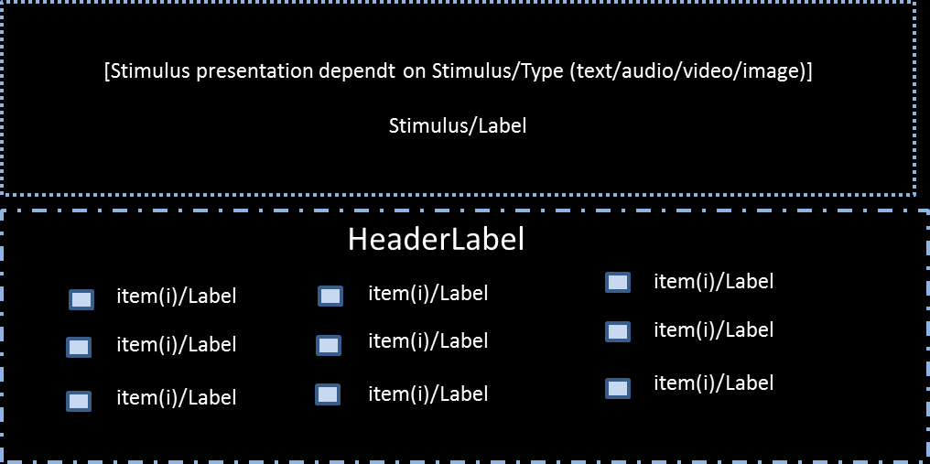
2 | Instrument
 | Instrument/HeaderLabel |  | String |  | "" | 0 | 1
 | Instrument/MaxNoOfSelections |  | Integer |  | k | 0 | inf
 | Instrument/MinNoOfSelections |  | Integer |  | k | 0 | inf
 | Instrument/Items |  | List |  |  | 1 | 1 | A list
 | Instrument/Items/Item |  | Complex |  | "" | 1 | Inf | A checkbox item
 | Instrument/Items/Item/Id |  | String |  | "" | 1 | 1 | Id of checkbox item
 | Instrument/Items/Item/Label |  | String |  | "" | 1 | 1 | Label on checkbox
 | Instrument/Items/Item/Selected |  | Binary |  | 0 | 1 | 1 | Selected default (defined by scale) 0=no, 1=yes
 | Instrument/Stimulus |  | Complex |  |  | 1 | 1
 | Instrument/Stimulus/Type |  | String |  | "" | 1 | 1 | Internet media type (text, audio, vIdeo etc), http://www.iana.org/assignments/media-types/media-types.xhtml#text
 | Instrument/Stimulus/Label |  | String |  | "" | 1 | 1 | The value actually returned when selectign thes (?)
 | Instrument/Stimulus/URI |  | String |  | "" | 1 | 1 | Source address of stimuli

Outputs:
1 | Selections |  | ? | multi | "" | 1 | 1 | List of selected scale Ids
 | Selections/Id |  | String | simple |  | 1 | Inf

2 | Events |  | List | multi | "" | 0 | 1
 | Events/Event |  | Complex | complex |  | 1 | Inf
 | Events/Event/DateTime |  | String | simple | "" | 1 | 1 | When
 | Events/Event/Id |  | String | simple | "" | 1 | 1 | What object was affected (XPAth like reference)
 | Events/Event/Type |  | String | simple | "" | 1 | 1 | What happend {'selected','start', stop etc}
 | Events/Event/Method |  | String | simple | "" | 1 | 1 | Detailed info about the interaciton methods, e.g. mouse, keyboard
 | Events/Event/Data |  | String | simple | "" | 1 | 1 | Detailed data, state before and after
 | Name |  | Type | OutputType | DefaultValue | N Min | N Max | Notes/Describtion | Picture | Interaction | Interaction

Component
 | OneDScale |  |  |  |  |  |  | Abs scale
Version | 1

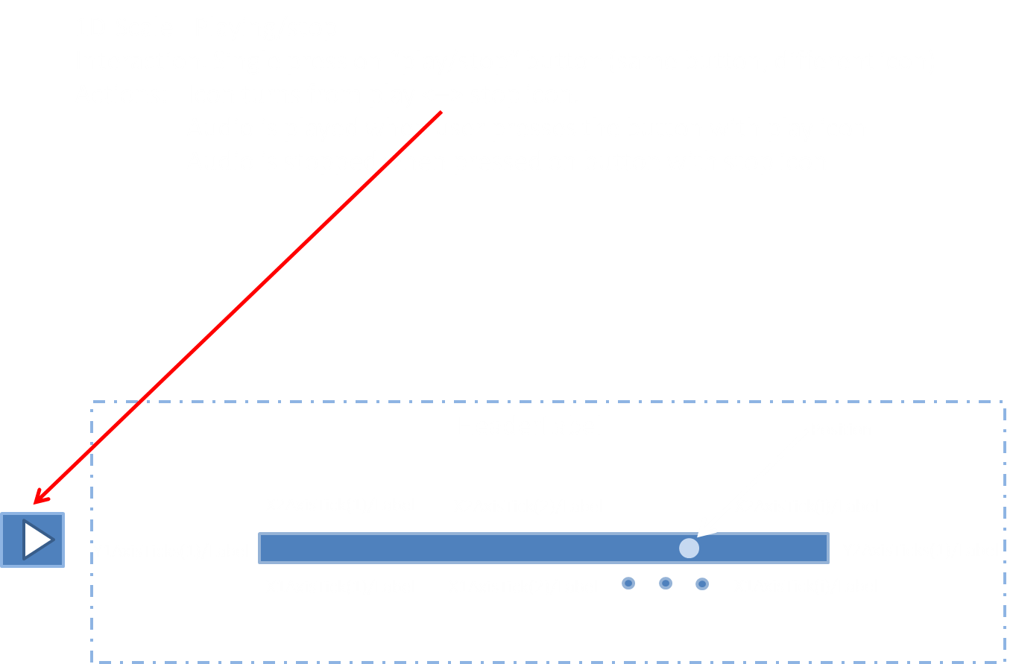
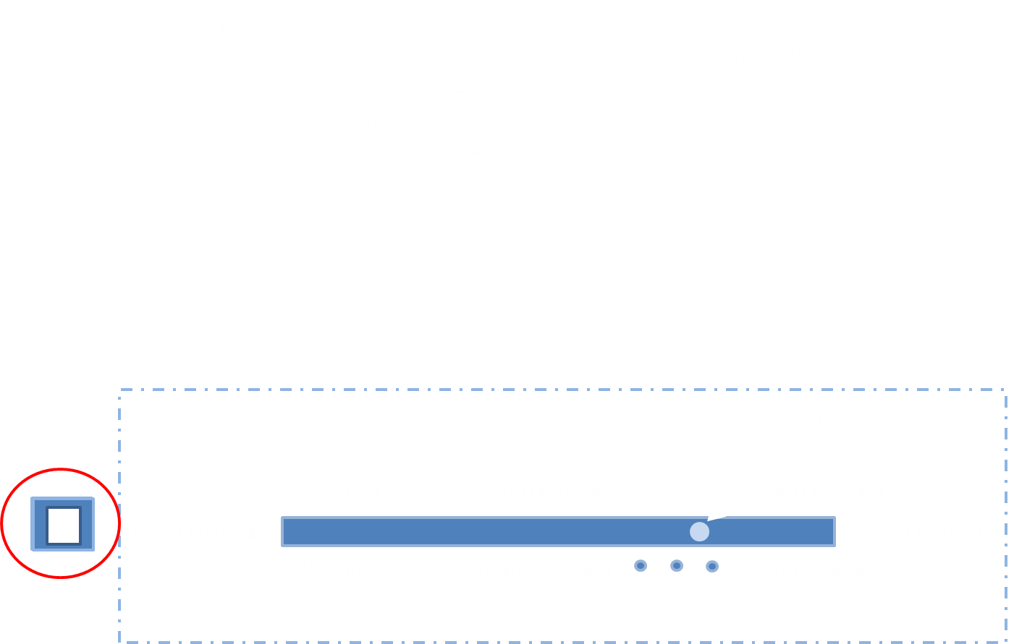
Inputs:
1 | Events |  | Complex |  | 0 | 0 | 1
 | Events/Id
 | Events/Type
 | Events/Method
 | Events/Data

2 | Instrument
 | Instrument/AlignForStimuli |  | Integer |  | 0 | 0 | 1 | Field that controls if instrument is specified without stimuli that the component should be aligned with other components with stimuli defined
 | Instrument/HeaderLabel |  | String |  | "" | 0 | 1 | Text field
 | Instrument/Position |  | Decimal |  | "" | 1 | 1 | Default position, if empty not present at start
 | Instrument/X1AxisLabel |  | String |  | "" | 1 | 1 | Dimension discriptor (x-axis) top
 | Instrument/X2AxisLabel |  | String |  | "" | 1 | 1 | Dimension discriptor (y-axis) left
 | Instrument/Y1AxisLabel |  | String |  | "" | 1 | 1 | Dimension discriptor (y-axis) right
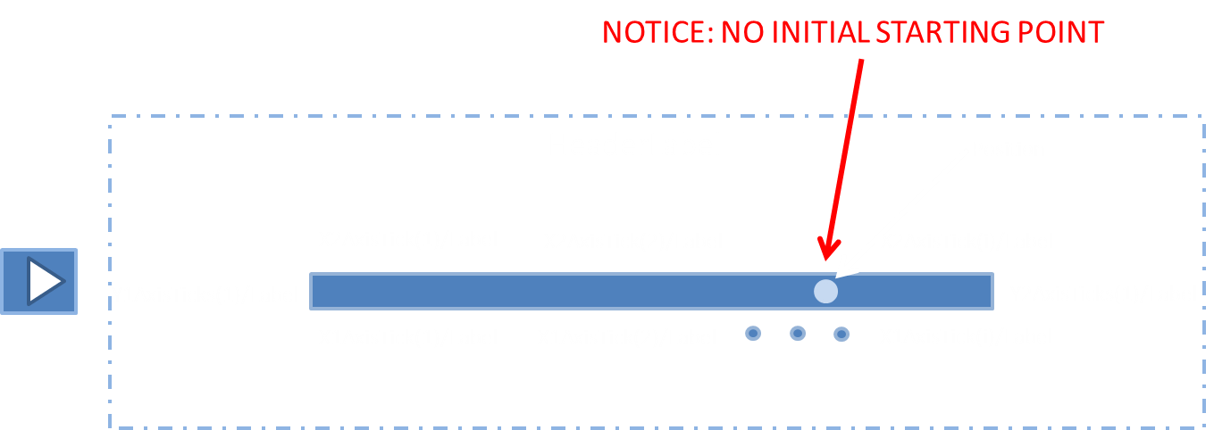
 | Instrument/Y2AxisLabel
 | Instrument/X1AxisTicks |  | List |  |  | 0 | 1 | list of labels on axis
 | Instrument/X1AxisTicks/X1AxisTick |  | Complex |  |  | 1 | Inf
 | Instrument/X1AxisTicks/X1AxisTick/Label |  | String |  | "" | 1 | 1
 | Instrument/X1AxisTicks/X1AxisTick/Position |  | Decimal |  | 0 | 1 | 1 | -1 - +1
 | Instrument/Y1AxisTicks |  | List |  |  | 0 | 1 | list of labels on y axis
 | Instrument/Y1AxisTicks/Y1AxisTick |  | Complex |  |  | 1 | Inf
 | Instrument/Y1AxisTicks/Y1AxisTick/Label |  | String |  | "" | 1 | 1
 | Instrument/Y1AxisTicks/Y1AxisTick/Position |  | Decimal |  | 0 | 1 | 1 | -1 - +1
 | Instrument/X2AxisTicks |  | List |  |  | 0 | 1 | list of labels on axis
 | Instrument/X2AxisTicks/X2AxisTick |  | Complex |  |  | 1 | Inf
 | Instrument/X2AxisTicks/X2AxisTick/Label |  | String |  | "" | 1 | 1
 | Instrument/X2AxisTicks/X2AxisTick/Position |  | Decimal |  | 0 | 1 | 1 | -1 - +1
 | Instrument/Y2AxisTicks |  | List |  |  | 0 | 1 | list of labels on y axis
 | Instrument/Y2AxisTicks/Y2AxisTick |  | Complex |  |  | 1 | Inf
 | Instrument/Y2AxisTicks/Y2AxisTick/Label |  | String |  | "" | 1 | 1
 | Instrument/Y2AxisTicks/Y2AxisTick/Position |  | Decimal |  | 0 | 1 | 1 | -1 - +1
 | Instrument/Stimulus |  | Complex |  |  | 1 | 1
 | Instrument/Stimulus/Type |  | String |  | "" | 1 | 1 | Internet media type (text, audio, vIdeo etc), http://www.iana.org/assignments/media-types/media-types.xhtml#text
 | Instrument/Stimulus/Id |  | String |  | "" | 1 | 1 | The value actually returned when selectign thes (?)
 | Instrument/Stimulus/URI |  | String |  | "" | 1 | 1 | Source address of stimuli

Outputs:
1 | Position |  | Decimal | simple | "" | 1 | 1 | The position on the scale

2 | Events |  | List | multi | "" | 0 | 1
 | Events/Event |  | Complex | complex |  | 1 | Inf
 | Events/Event/DateTime |  | String | simple | "" | 1 | 1 | When
 | Events/Event/Id |  | String | simple | "" | 1 | 1 | What object was affected (XPAth like reference)
 | Events/Event/Type |  | String | simple | "" | 1 | 1 | What happend {'selected','start', stop etc}
 | Events/Event/Method |  | String | simple | "" | 1 | 1 | Detailed info about the interaciton methods, e.g. mouse, keyboard
 | Events/Event/Data |  | String | simple | "" | 1 | 1 | Detailed data, state before and after
 | Name |  | Type | OutputType | DefaultValue | N Min | N Max | Notes/Describtion | Picture | Interaction | Interaction

Component
 | OneDScale-Time |  |  |  |  |  |  | Abs scale
Version | 1

Inputs:
1 | Events |  | Complex |  | 0 | 0 | 1
 | Events/Id
 | Events/Type
 | Events/Method
 | Events/Data

2 | Instrument
 | Instrument/SamplingFrequency |  | Integer |  | 0 | 0 | 10 | Frequency where points are captured in component
 | Instrument/AlignForStimuli |  | Integer |  | 0 | 0 | 1 | Field that controls if instrument is specified without stimuli that the component should be aligned with other components with stimuli defined
 | Instrument/HeaderLabel |  | String |  | "" | 0 | 1 | Text field
 | Instrument/Position |  | Decimal |  | "" | 1 | 1 | Default position, if empty not present at start
 | Instrument/X1AxisLabel |  | String |  | "" | 1 | 1 | Dimension discriptor (x-axis) top
 | Instrument/X2AxisLabel |  | String |  | "" | 1 | 1 | Dimension discriptor (y-axis) left
 | Instrument/Y1AxisLabel |  | String |  | "" | 1 | 1 | Dimension discriptor (y-axis) right
 | Instrument/Y2AxisLabel
 | Instrument/X1AxisTicks |  | List |  |  | 0 | 1 | list of labels on axis
 | Instrument/X1AxisTicks/X1AxisTick |  | Complex |  |  | 1 | Inf
 | Instrument/X1AxisTicks/X1AxisTick/Label |  | String |  | "" | 1 | 1
 | Instrument/X1AxisTicks/X1AxisTick/Position |  | Decimal |  | 0 | 1 | 1 | -1 - +1
 | Instrument/Y1AxisTicks |  | List |  |  | 0 | 1 | list of labels on y axis
 | Instrument/Y1AxisTicks/Y1AxisTick |  | Complex |  |  | 1 | Inf
 | Instrument/Y1AxisTicks/Y1AxisTick/Label |  | String |  | "" | 1 | 1
 | Instrument/Y1AxisTicks/Y1AxisTick/Position |  | Decimal |  | 0 | 1 | 1 | -1 - +1
 | Instrument/X2AxisTicks |  | List |  |  | 0 | 1 | list of labels on axis
 | Instrument/X2AxisTicks/X2AxisTick |  | Complex |  |  | 1 | Inf
 | Instrument/X2AxisTicks/X2AxisTick/Label |  | String |  | "" | 1 | 1
 | Instrument/X2AxisTicks/X2AxisTick/Position |  | Decimal |  | 0 | 1 | 1 | -1 - +1
 | Instrument/Y2AxisTicks |  | List |  |  | 0 | 1 | list of labels on y axis
 | Instrument/Y2AxisTicks/Y2AxisTick |  | Complex |  |  | 1 | Inf
 | Instrument/Y2AxisTicks/Y2AxisTick/Label |  | String |  | "" | 1 | 1
 | Instrument/Y2AxisTicks/Y2AxisTick/Position |  | Decimal |  | 0 | 1 | 1 | -1 - +1
 | Instrument/Stimulus |  | Complex |  |  | 1 | 1
 | Instrument/Stimulus/Type |  | String |  | "" | 1 | 1 | Internet media type (text, audio, vIdeo etc), http://www.iana.org/assignments/media-types/media-types.xhtml#text
 | Instrument/Stimulus/Id |  | String |  | "" | 1 | 1 | The value actually returned when selectign thes (?)
 | Instrument/Stimulus/URI |  | String |  | "" | 1 | 1 | Source address of stimuli

Outputs:
1 | Ratings |  | List
 | Ratings/Position |  | Decimal | simple | "" | 1 | 1 | position
 | Ratings/Time |  | Complex | complex |  |  |  | When was sample made

2 | Events |  | List | multi | "" | 0 | 1
 | Events/Event |  | Complex | complex |  | 1 | Inf
 | Events/Event/DateTime |  | String | simple | "" | 1 | 1 | When
 | Events/Event/Id |  | String | simple | "" | 1 | 1 | What object was affected (XPAth like reference)
 | Events/Event/Type |  | String | simple | "" | 1 | 1 | What happend {'selected','start', stop etc}
 | Events/Event/Method |  | String | simple | "" | 1 | 1 | Detailed info about the interaciton methods, e.g. mouse, keyboard
 | Events/Event/Data |  | String | simple | "" | 1 | 1 | Detailed data, state before and after
 | Name |  | Type | OutputType | DefaultValue | N Min | N Max | Notes/Describtion | Picture | Interaction | Interaction

Component
 | LikertScale |  |  |  |  |  |  | Likert Scale
Version | 1

Inputs:
1 | Events |  | Complex |  | 0 | 0 | 1
 | Events/Id
 | Events/Type
 | Events/Method
 | Events/Data

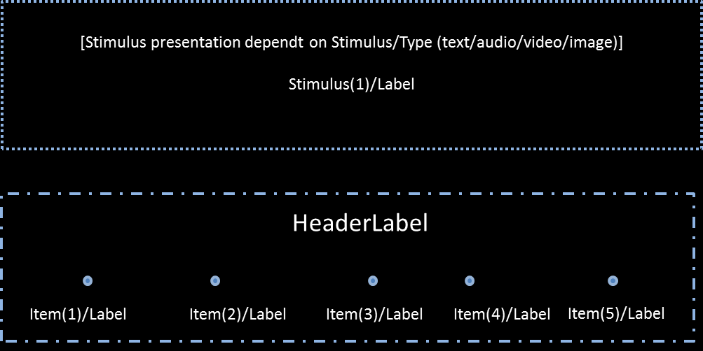
2 | Instrument
 | Instrument/AlignForStimuli |  | Integer |  | 0 | 0 | 1 | Field that controls if instrument is specified without stimuli that the component should be aligned with other components with stimuli defined
 | Instrument/HeaderLabel |  | String |  | "" | 0 | 1 | Text field
 | Instrument/MaxNoOfScalings |  | Integer |  | k | 0 | 1
 | Instrument/MinNoOfScalings |  | Integer |  | k | 0 | 1
 | Instrument/Items |  | List |  |  | 1 | 1 | A list
 | Instrument/Items/Item |  | Complex |  | "" | 1 | Inf | A likert item
 | Instrument/Items/Item/Id |  | String |  | "" | 1 | 1 | Id of the likert item
 | Instrument/Items/Item/Label |  | String |  | "" | 1 | 1 | Label on likert item
 | Instrument/Items/Item/Selected |  | Binary |  | 0 | 1 | 1 | Selected default (defined by scale) 0=no, 1=yes
 | Instrument/Stimulus |  | Complex |  |  | 1 | 1
 | Instrument/Stimulus/Type |  | String |  | "" | 1 | 1 | Internet media type (text, audio, vIdeo etc), http://www.iana.org/assignments/media-types/media-types.xhtml#text
 | Instrument/Stimulus/Id |  | String |  | "" | 1 | 1 | The value actually returned when selectign thes (?)
 | Instrument/Stimulus/URI |  | String |  | "" | 1 | 1 | Source address of stimuli

Outputs:
1 | Selections |  | ? | multi | "" | 1 | 1 | Id of selected item
 | Selections/Id |  | String | simple

2 | Events |  | List | multi | "" | 0 | 1
 | Events/Event |  | Complex | complex |  | 1 | Inf
 | Events/Event/DateTime |  | String | simple | "" | 1 | 1 | When
 | Events/Event/Id |  | String | simple | "" | 1 | 1 | What object was affected (XPAth like reference)
 | Events/Event/Type |  | String | simple | "" | 1 | 1 | What happend {'selected','start', stop etc}
 | Events/Event/Method |  | String | simple | "" | 1 | 1 | Detailed info about the interaciton methods, e.g. mouse, keyboard
 | Events/Event/Data |  | String | simple | "" | 1 | 1 | Detailed data, state before and after
 | Name |  | Type | OutputType | DefaultValue | N Min | N Max | Notes/Describtion | Picture | Interaction | Interaction

Component
 | TwoDScale |  |  |  |  |  |  | Abs scale
Version | 1

Inputs:
1 | Events |  | Complex |  | 0 | 0 | 1
 | Events/Id
 | Events/Type
 | Events/Method
 | Events/Data


2 | Instrument |  | String |  | "" | 1 | 1
 | Instrument/HeaderLabel |  | String |  | "" | 1 | 1 | Text field
 | Instrument/Position |  | Decimal |  | "" | 0 | 1 | Default position, if empty not present at start
 | Instrument/BoxWidth |  | Integer |  |  |  |  | Width of the scalebox (if empty set do default)
 | Instrument/BoxHeight |  | Integer |  |  |  |  | Height of the scalebox (if empty set do default)
 | Instrument/X1AxisLabel |  | String |  | "" | 1 | 1 | Dimension discriptor (x-axis) top
 | Instrument/X2AxisLabel |  | String |  | "" | 1 | 1 | Dimension discriptor (y-axis) left
 | Instrument/Y1AxisLabel |  | String |  | "" | 1 | 1 | Dimension discriptor (y-axis) right
 | Instrument/Y2AxisLabel
 | Instrument/XgridLines |  | List
 | Instrument/XgridLines/XgridLine |  | Complex
 | Instrument/XgridLines/XgridLine/Position |  | Decimal |  |  |  |  | Position of the gridline -1 - +1
 | Instrument/XgridLines/XgridLine/LineStyle |  | String |  |  |  |  | e.g. dashed, dotted, full
 | Instrument/XgridLines/XgridLine/LineThickness |  | Decimal |  |  |  |  | Thickness of tickline
 | Instrument/XgridLines/XgridLine/LineColor |  | String |  |  |  |  | Color of tickline
 | Instrument/YgridLines |  | List
 | Instrument/YgridLines/YgridLine |  | Complex
 | Instrument/YgridLines/YgridLine/Position |  | Decimal |  |  |  |  | Position of the gridline -1 - +1
 | Instrument/YgridLines/YgridLine/LineStyle |  | String |  |  |  |  | e.g. dashed, dotted, full
 | Instrument/YgridLines/YgridLine/LineThickness |  | Decimal |  |  |  |  | Thickness of tickline
 | Instrument/YgridLines/YgridLine/LineColor |  | String |  |  |  |  | Color of tickline
 | Instrument/X1AxisTicks |  | List |  |  | 0 | 1 | list of labels on axis
 | Instrument/X1AxisTicks/X1AxisTick |  | Complex |  |  | 1 | Inf
 | Instrument/X1AxisTicks/X1AxisTick/Label |  | String |  | "" | 1 | 1 | s
 | Instrument/X1AxisTicks/X1AxisTick/Position |  | Decimal |  | 0 | 1 | 1 | -1 - +1
 | Instrument/Y1AxisTicks |  | List |  |  | 0 | 1 | list of labels on y axis
 | Instrument/Y1AxisTicks/Y1AxisTick |  | Complex |  |  | 1 | Inf
 | Instrument/Y1AxisTicks/Y1AxisTick/Label |  | String |  | "" | 1 | 1
 | Instrument/Y1AxisTicks/Y1AxisTick/Position |  | Decimal |  | 0 | 1 | 1 | -1 - +1
 | Instrument/X2AxisTicks |  | List |  |  | 0 | 1 | list of labels on axis
 | Instrument/X2AxisTicks/X2AxisTick |  | Complex |  |  | 1 | Inf
 | Instrument/X2AxisTicks/X2AxisTick/Label |  | String |  | "" | 1 | 1
 | Instrument/X2AxisTicks/X2AxisTick/Position |  | Decimal |  | 0 | 1 | 1 | -1 - +1
 | Instrument/Y2AxisTicks |  | List |  |  | 0 | 1 | list of labels on y axis
 | Instrument/Y2AxisTicks/Y2AxisTick |  | Complex |  |  | 1 | Inf
 | Instrument/Y2AxisTicks/Y2AxisTick/Label |  | String |  | "" | 1 | 1
 | Instrument/Y2AxisTicks/Y2AxisTick/Position |  | Decimal |  | 0 | 1 | 1 | -1 - +1
 | Instrument/Stimulus |  | Complex |  |  | 1 | 1
 | Instrument/Stimulus/Type |  | String |  | "" | 1 | 1 | Internet media type (text, audio, vIdeo etc), http://www.iana.org/assignments/media-types/media-types.xhtml#text
 | Instrument/Stimulus/Id |  | String |  | "" | 1 | 1 | The value actually returned when selectign this
 | Instrument/Stimulus/URI |  | String |  | "" | 1 | 1 | Source address of stimuli

Outputs:
1 | Rating |  | Decimal | simple | "" | 1 | 1 | (x,y)

2 | Events |  | List | multi | "" | 0 | 1
 | Events/Event |  | Complex | complex |  | 1 | Inf
 | Events/Event/DateTime |  | String | simple | "" | 1 | 1 | When
 | Events/Event/Id |  | String | simple | "" | 1 | 1 | What object was affected (XPAth like reference)
 | Events/Event/Type |  | String | simple | "" | 1 | 1 | What happend {'selected','start', stop etc}
 | Events/Event/Method |  | String | simple | "" | 1 | 1 | Detailed info about the interaciton methods, e.g. mouse, keyboard
 | Events/Event/Data |  | String | simple | "" | 1 | 1 | Detailed data, state before and after
 | Name |  | Type | OutputType | DefaultValue | N Min | N Max | Notes/Describtion | Picture | Interaction | Interaction

Component
 | TwoDScale-Time |  |  |  |  |  |  | Abs scale
Version | 1

Inputs:
1 | Events |  | Complex |  | 0 | 0 | 1
 | Events/Id
 | Events/Type
 | Events/Method
 | Events/Data

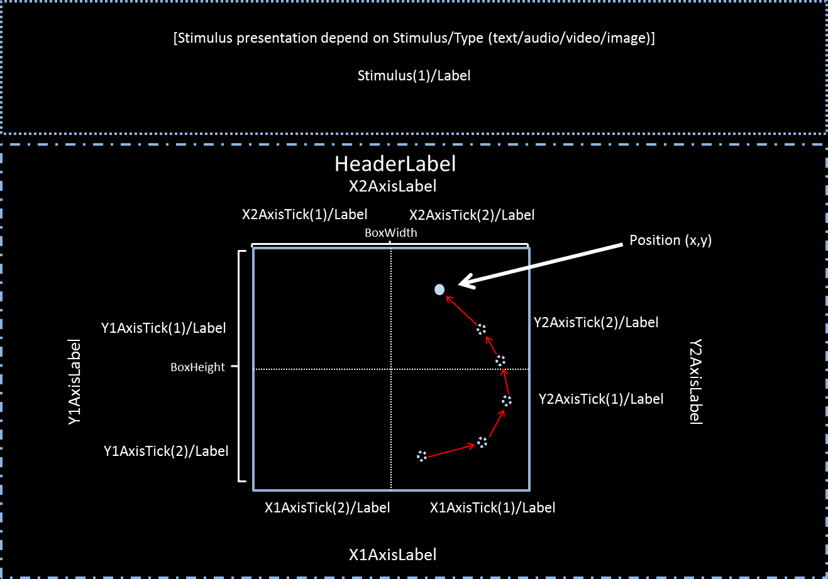
2 | Instrument |  | String |  | "" | 1 | 1
 | Instrument/SamplingFrequency |  | Integer |  | 0 | 0 | 10 | Frequency where points are captured in component
 | Instrument/HeaderLabel |  | String |  | "" | 1 | 1 | Text field
 | Instrument/Position |  | Decimal |  | "" | 0 | 1 | Default position, if empty not present at start
 | Instrument/BoxWidth |  | Integer |  |  |  |  | Width of the scalebox (if empty set do default)
 | Instrument/BoxHeight |  | Integer |  |  |  |  | Height of the scalebox (if empty set do default)
 | Instrument/X1AxisLabel |  | String |  | "" | 1 | 1 | Dimension discriptor (x-axis) top
 | Instrument/X2AxisLabel |  | String |  | "" | 1 | 1 | Dimension discriptor (y-axis) left
 | Instrument/Y1AxisLabel |  | String |  | "" | 1 | 1 | Dimension discriptor (y-axis) right
 | Instrument/Y2AxisLabel
 | Instrument/XgridLines |  | List
 | Instrument/XgridLines/XgridLine |  | Complex
 | Instrument/XgridLines/XgridLine/Position |  | Decimal |  |  |  |  | Position of the gridline -1 - +1
 | Instrument/XgridLines/XgridLine/LineStyle |  | String |  |  |  |  | e.g. dashed, dotted, full
 | Instrument/XgridLines/XgridLine/LineThickness |  | Decimal |  |  |  |  | Thickness of tickline
 | Instrument/XgridLines/XgridLine/LineColor |  | String |  |  |  |  | Color of tickline
 | Instrument/YgridLines |  | List
 | Instrument/YgridLines/YgridLine |  | Complex
 | Instrument/YgridLines/YgridLine/Position |  | Decimal |  |  |  |  | Position of the gridline -1 - +1
 | Instrument/YgridLines/YgridLine/LineStyle |  | String |  |  |  |  | e.g. dashed, dotted, full
 | Instrument/YgridLines/YgridLine/LineThickness |  | Decimal |  |  |  |  | Thickness of tickline
 | Instrument/YgridLines/YgridLine/LineColor |  | String |  |  |  |  | Color of tickline
 | Instrument/X1AxisTicks |  | List |  |  | 0 | 1 | list of labels on axis
 | Instrument/X1AxisTicks/X1AxisTick |  | Complex |  |  | 1 | Inf
 | Instrument/X1AxisTicks/X1AxisTick/Label |  | String |  | "" | 1 | 1 | s
 | Instrument/X1AxisTicks/X1AxisTick/Position |  | Decimal |  | 0 | 1 | 1 | -1 - +1
 | Instrument/Y1AxisTicks |  | List |  |  | 0 | 1 | list of labels on y axis
 | Instrument/Y1AxisTicks/Y1AxisTick |  | Complex |  |  | 1 | Inf
 | Instrument/Y1AxisTicks/Y1AxisTick/Label |  | String |  | "" | 1 | 1
 | Instrument/Y1AxisTicks/Y1AxisTick/Position |  | Decimal |  | 0 | 1 | 1 | -1 - +1
 | Instrument/X2AxisTicks |  | List |  |  | 0 | 1 | list of labels on axis
 | Instrument/X2AxisTicks/X2AxisTick |  | Complex |  |  | 1 | Inf
 | Instrument/X2AxisTicks/X2AxisTick/Label |  | String |  | "" | 1 | 1
 | Instrument/X2AxisTicks/X2AxisTick/Position |  | Decimal |  | 0 | 1 | 1 | -1 - +1
 | Instrument/Y2AxisTicks |  | List |  |  | 0 | 1 | list of labels on y axis
 | Instrument/Y2AxisTicks/Y2AxisTick |  | Complex |  |  | 1 | Inf
 | Instrument/Y2AxisTicks/Y2AxisTick/Label |  | String |  | "" | 1 | 1
 | Instrument/Y2AxisTicks/Y2AxisTick/Position |  | Decimal |  | 0 | 1 | 1 | -1 - +1
 | Instrument/Stimulus |  | Complex |  |  | 1 | 1
 | Instrument/Stimulus/Type |  | String |  | "" | 1 | 1 | Internet media type (text, audio, vIdeo etc), http://www.iana.org/assignments/media-types/media-types.xhtml#text
 | Instrument/Stimulus/Id |  | String |  | "" | 1 | 1 | The value actually returned when selectign this
 | Instrument/Stimulus/URI |  | String |  | "" | 1 | 1 | Source address of stimuli

Outputs:
1 | Ratings |  | List
 | Ratings/Position |  | Decimal | simple | "" | 1 | 1 | (x,y)
 | Ratings/Time |  | Complex | complex |  |  |  | When was sample made

2 | Events |  | List | multi | "" | 0 | 1
 | Events/Event |  | Complex | complex |  | 1 | Inf
 | Events/Event/DateTime |  | String | simple | "" | 1 | 1 | When
 | Events/Event/Id |  | String | simple | "" | 1 | 1 | What object was affected (XPAth like reference)
 | Events/Event/Type |  | String | simple | "" | 1 | 1 | What happend {'selected','start', stop etc}
 | Events/Event/Method |  | String | simple | "" | 1 | 1 | Detailed info about the interaciton methods, e.g. mouse, keyboard
 | Events/Event/Data |  | String | simple | "" | 1 | 1 | Detailed data, state before and after
 | Name |  | Type | OutputType | DefaultValue | N Min | N Max | Notes/Describtion | Picture | Interaction | Interaction

Component | KAC
Version | 1 |  |  |  |  |  |  | k alternative choice with buttons (hortz), TODO MORE DETAILS!

Inputs:
1 | Events |  | Complex |  | 0 | 0 | 1
 | Events/Id
 | Events/Type
 | Events/Method
 | Events/Data
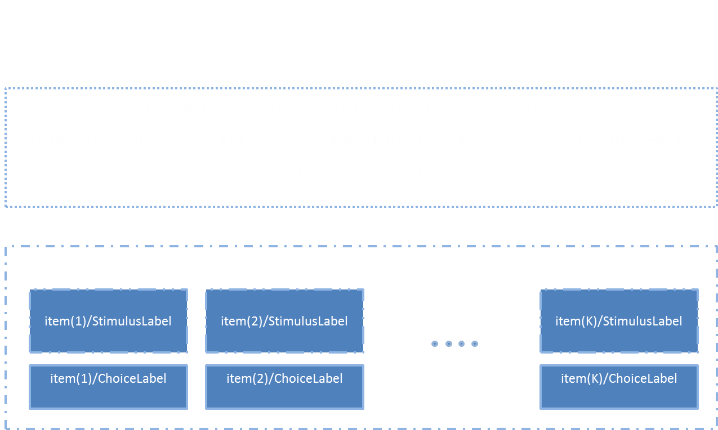
2 | Instrument |  | Complex |  | "" | 1 | 1 | Text field
 | Instrument/HeaderLabel |  | String |  | "" | 1 | 1 | Dimension discriptor (x-axis) bottom
 | Instrument/MaxNoOfScalings |  | Integer |  | k | 0 | 1
 | Instrument/MinNoOfScalings |  | Integer |  | k | 0 | 1
 | Instrument/Items |  | List |  |  |  |  | List of button properties
 | Instrument/Items/Item |  | Complex
 | Instrument/Items/Item/Id |  | String |  |  |  |  | Internal object Id
 | Instrument/Items/Item/StimulusButton |  | Complex
 | Instrument/Items/Item/StimulusButton/Label |  | String |  |  |  |  | Labels on stimuli buttons
 | Instrument/Items/Item/ChoiceButton |  | Complex
 | Instrument/Items/Item/ChoiceButton/Label |  | String |  |  |  |  | Labels on choice buttons
 | Instrument/Items/Item/ChoiceButton/Selected |  | Binary |  |  |  |  | Choice button Selected by default
 | Instrument/Items/Item/Stimulus |  | Complex |  | "" | 1 | 1
 | Instrument/Items/Item/Stimulus/Type |  | String |  | "" | 1 | 1 | Internet media type (text, audio, vIdeo etc), http://www.iana.org/assignments/media-types/media-types.xhtml#text
 | Instrument/Items/Item/Stimulus/Label |  | String |  | "" | 1 | 1
 | Instrument/Items/Item/Stimulus/URI |  | String |  | "" | 1 | 1

Outputs:
1 | Selections |  | List | multi | "" | 1 | 1 | The values selected (forced choice)
 | Selections/Id |  | String | simple |  | 1 | Inf

2 | Events |  | List | multi | "" | 0 | 1
 | Events/Event |  | Complex | complex |  | 1 | Inf
 | Events/Event/DateTime |  | String | simple | "" | 1 | 1 | When
 | Events/Event/Id |  | String | simple | "" | 1 | 1 | What object was affected (XPAth like reference)
 | Events/Event/Type |  | String | simple | "" | 1 | 1 | What happend {'selected','start', stop etc}
 | Events/Event/Method |  | String | simple | "" | 1 | 1 | Detailed info about the interaciton methods, e.g. mouse, keyboard
 | Events/Event/Data |  | String | simple | "" | 1 | 1 | Detailed data, state before and after
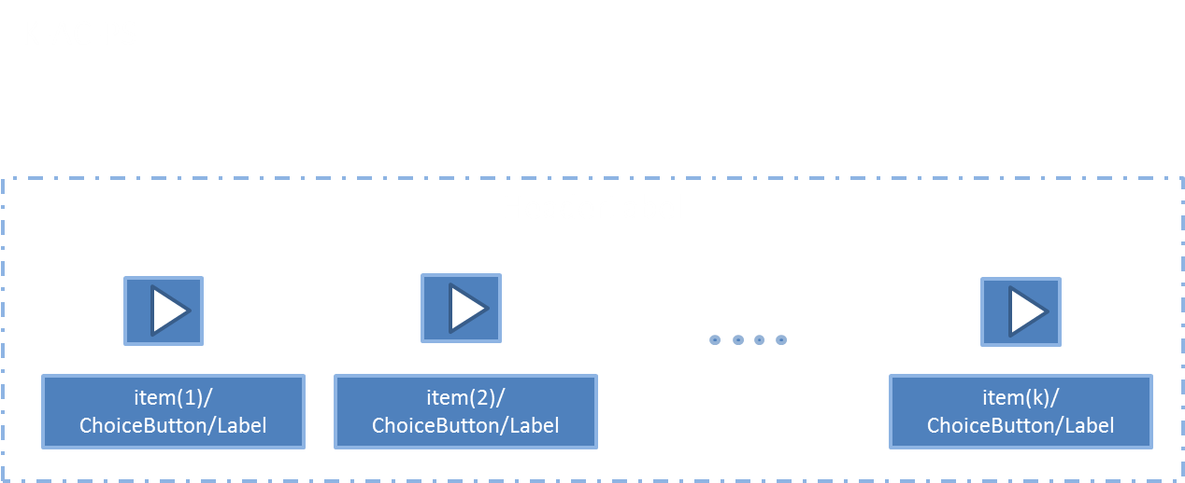
 | Name |  | Type | OutputType | DefaultValue | N Min | N Max | Notes/Describtion | Picture | Interaction | Interaction

Component | KAC-PS
Version | 1 |  |  |  |  |  |  | k alternative choice with buttons (hortz), TODO MORE DETAILS!

Inputs:
1 | Events |  | Complex |  | 0 | 0 | 1
 | Events/Id
 | Events/Type
 | Events/Method
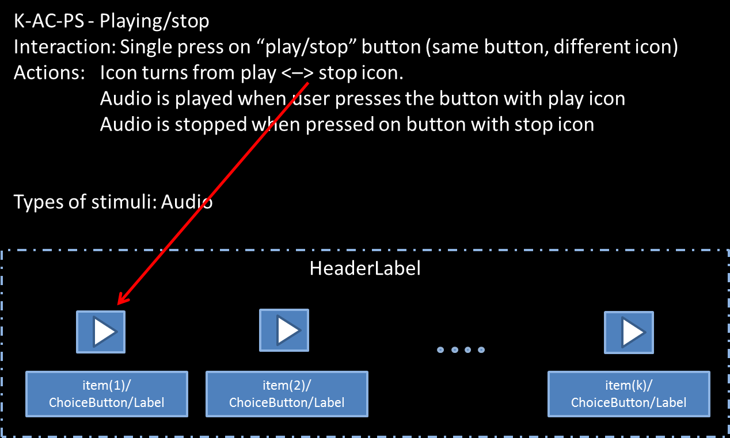
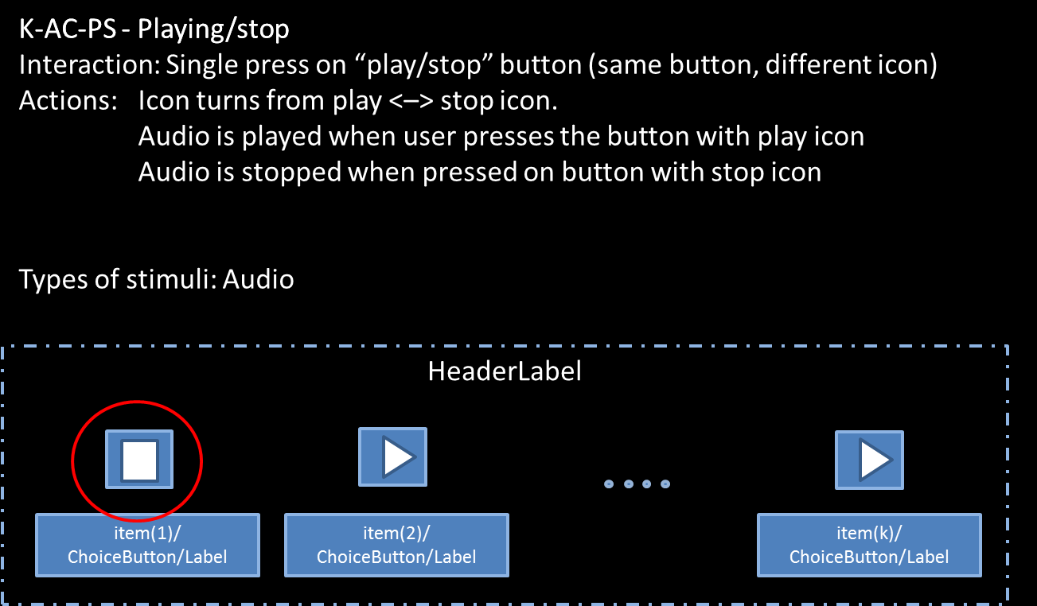
 | Events/Data

2 | Instrument |  | Complex |  | "" | 1 | 1 | Text field
 | Instrument/HeaderLabel |  | String |  | "" | 1 | 1 | Dimension discriptor (x-axis) bottom
 | Instrument/MaxNoOfScalings |  | Integer |  | k | 0 | 1
 | Instrument/MinNoOfScalings |  | Integer |  | k | 0 | 1
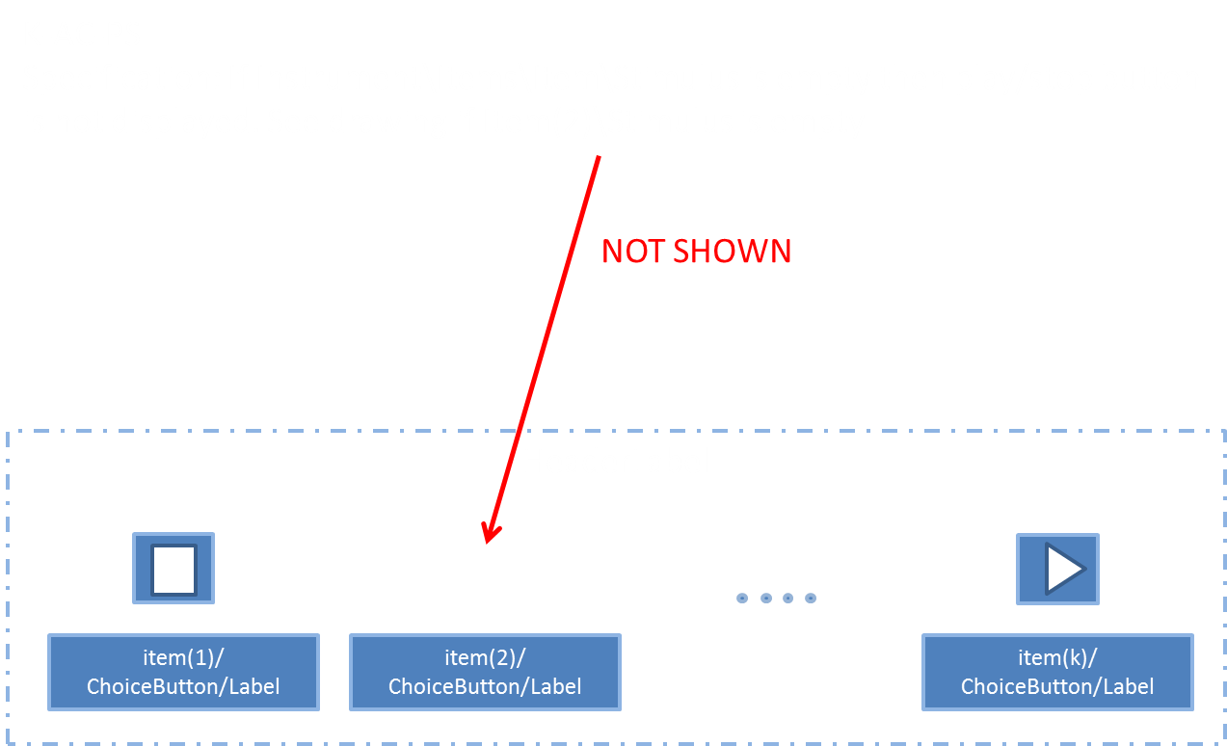
 | Instrument/Items |  | List |  |  |  |  | List of button properties
 | Instrument/Items/Item |  | Complex
 | Instrument/Items/Item/Id |  | String |  |  |  |  | Internal object Id
 | Instrument/Items/Item/ChoiceButton |  | Complex
 | Instrument/Items/Item/ChoiceButton/Label |  | String |  |  |  |  | Labels on choice buttons
 | Instrument/Items/Item/ChoiceButton/Selected |  | Binary |  |  |  |  | Choice button Selected by default
 | Instrument/Items/Item/Stimulus |  | Complex |  | "" | 1 | 1
 | Instrument/Items/Item/Stimulus/Type |  | String |  | "" | 1 | 1 | Internet media type (text, audio, vIdeo etc), http://www.iana.org/assignments/media-types/media-types.xhtml#text
 | Instrument/Items/Item/Stimulus/Label |  | String |  | "" | 1 | 1
 | Instrument/Items/Item/Stimulus/URI |  | String |  | "" | 1 | 1

Outputs:
1 | Selections |  | List | multi | "" | 1 | 1 | The values selected (forced choice)
 | Selections/Id |  | String | simple |  | 1 | Inf

2 | Events |  | List | multi | "" | 0 | 1
 | Events/Event |  | Complex | complex |  | 1 | Inf
 | Events/Event/DateTime |  | String | simple | "" | 1 | 1 | When
 | Events/Event/Id |  | String | simple | "" | 1 | 1 | What object was affected (XPAth like reference)
 | Events/Event/Type |  | String | simple | "" | 1 | 1 | What happend {'selected','start', stop etc}
 | Events/Event/Method |  | String | simple | "" | 1 | 1 | Detailed info about the interaciton methods, e.g. mouse, keyboard
 | Events/Event/Data |  | String | simple | "" | 1 | 1 | Detailed data, state before and after

 | Name |  | Type | OutputType | DefaultValue | N Min | N Max | Notes/Describtion | Picture | Interaction | Interaction
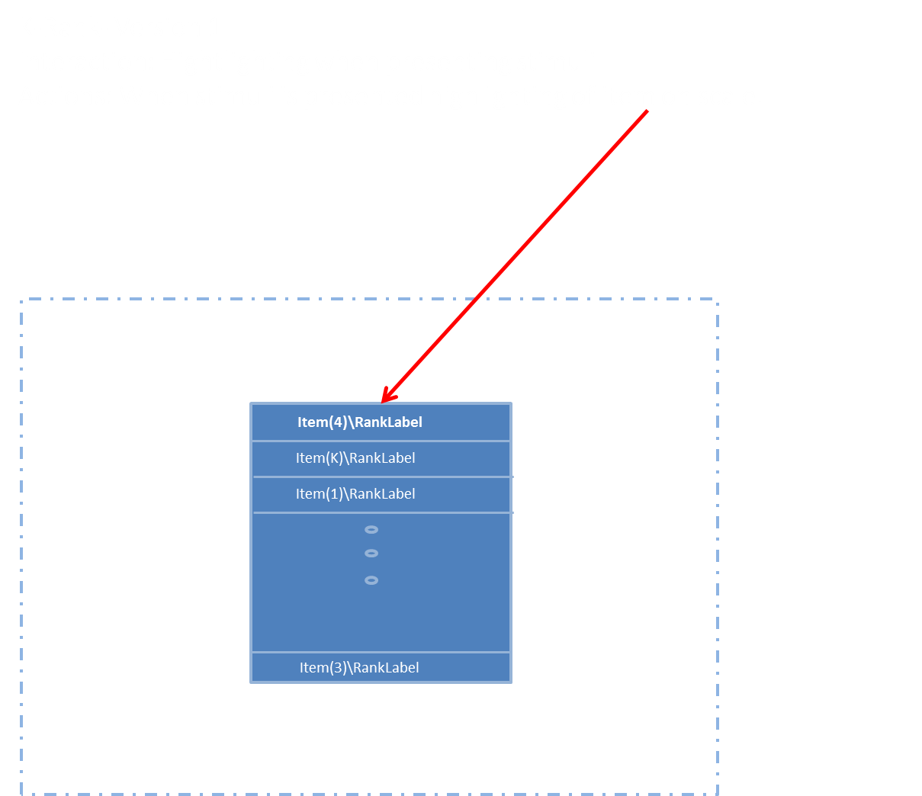
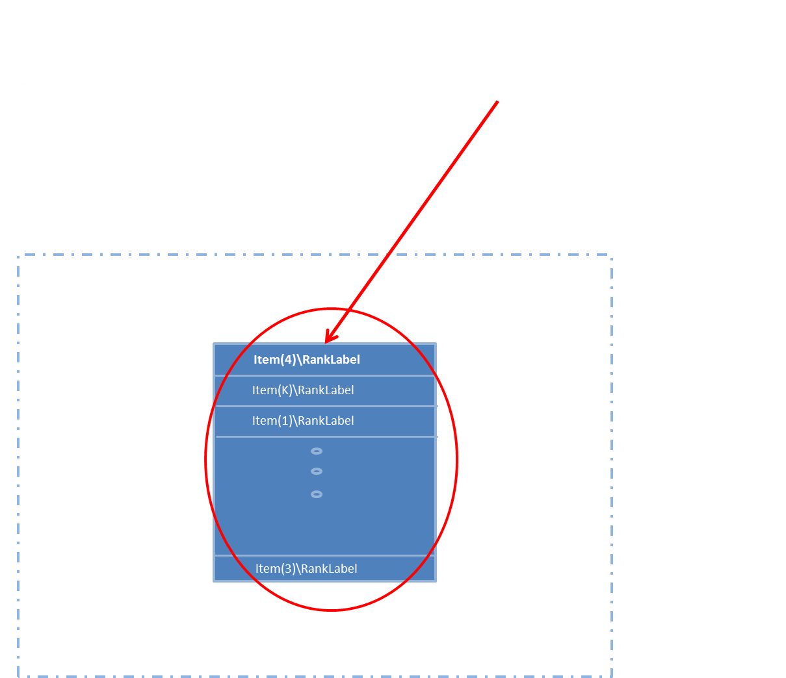
Component
 | KRANK |  |  |  |  |  |  | Ranking k stimulies at the time by arranging items on a rank

Version | 1

Inputs:
1 | Events |  | Complex |  | 0 | 0 | 1
 | Events/Id
 | Events/Type
 | Events/Method
 | Events/Data

2 | Instrument |  | String |  | "" | 1 | 1 | Text field
 | Instrument/HeaderLabel |  | String |  | "" | 1 | 1 | Dimension discriptor (x-axis) bottom
 | Instrument/X1AxisLabel |  | String |  | "" | 1 | 1 | Dimension discriptor (x-axis) top
 | Instrument/X2AxisLabel |  | String |  | "" | 1 | 1 | Dimension discriptor (y-axis) left
 | Instrument/Y1AxisLabel |  | String |  | "" | 1 | 1 | Dimension discriptor (y-axis) right
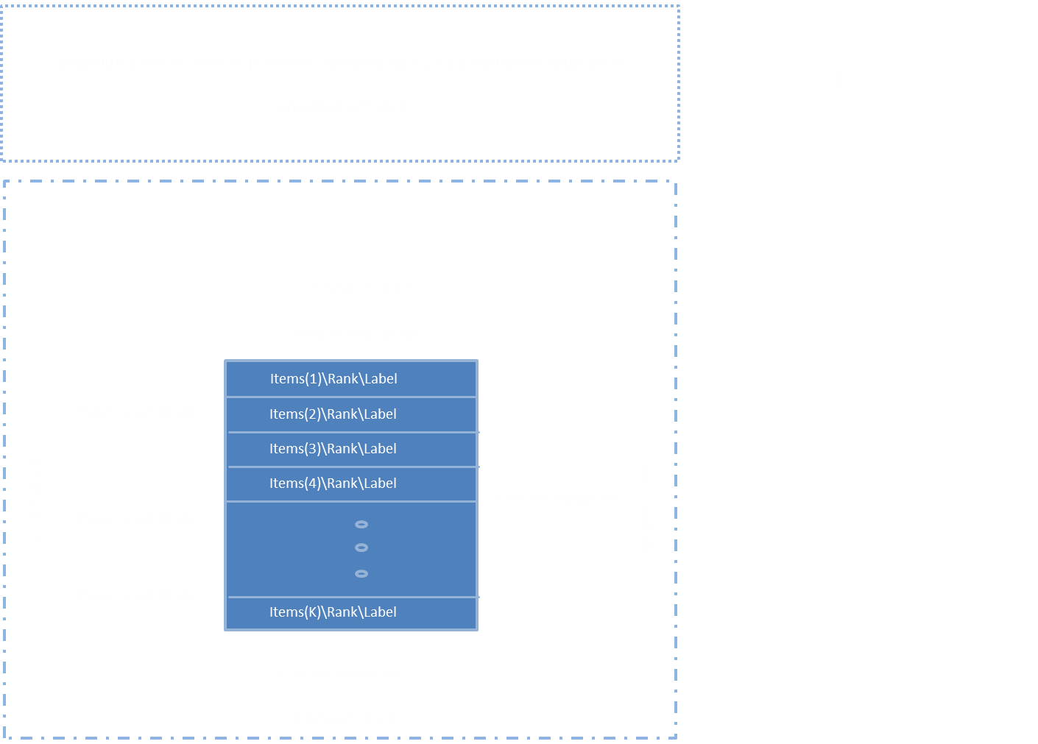
 | Instrument/Y2AxisLabel
 | Instrument/X1AxisTicks |  | List |  |  | 0 | 1 | list of labels on axis
 | Instrument/X1AxisTicks/X1AxisTick |  | Complex |  |  | 1 | Inf
 | Instrument/X1AxisTicks/X1AxisTick/Label |  | String |  | "" | 1 | 1 | s
 | Instrument/X1AxisTicks/X1AxisTick/Position |  | Decimal |  | 0 | 1 | 1 | -1 - +1
 | Instrument/Y1AxisTicks |  | List |  |  | 0 | 1 | list of labels on y axis
 | Instrument/Y1AxisTicks/Y1AxisTick |  | Complex |  |  | 1 | Inf
 | Instrument/Y1AxisTicks/Y1AxisTick/Label |  | String |  | "" | 1 | 1
 | Instrument/Y1AxisTicks/Y1AxisTick/Position |  | Decimal |  | 0 | 1 | 1 | -1 - +1
 | Instrument/X2AxisTicks |  | List |  |  | 0 | 1 | list of labels on axis
 | Instrument/X2AxisTicks/X2AxisTick |  | Complex |  |  | 1 | Inf
 | Instrument/X2AxisTicks/X2AxisTick/Label |  | String |  | "" | 1 | 1
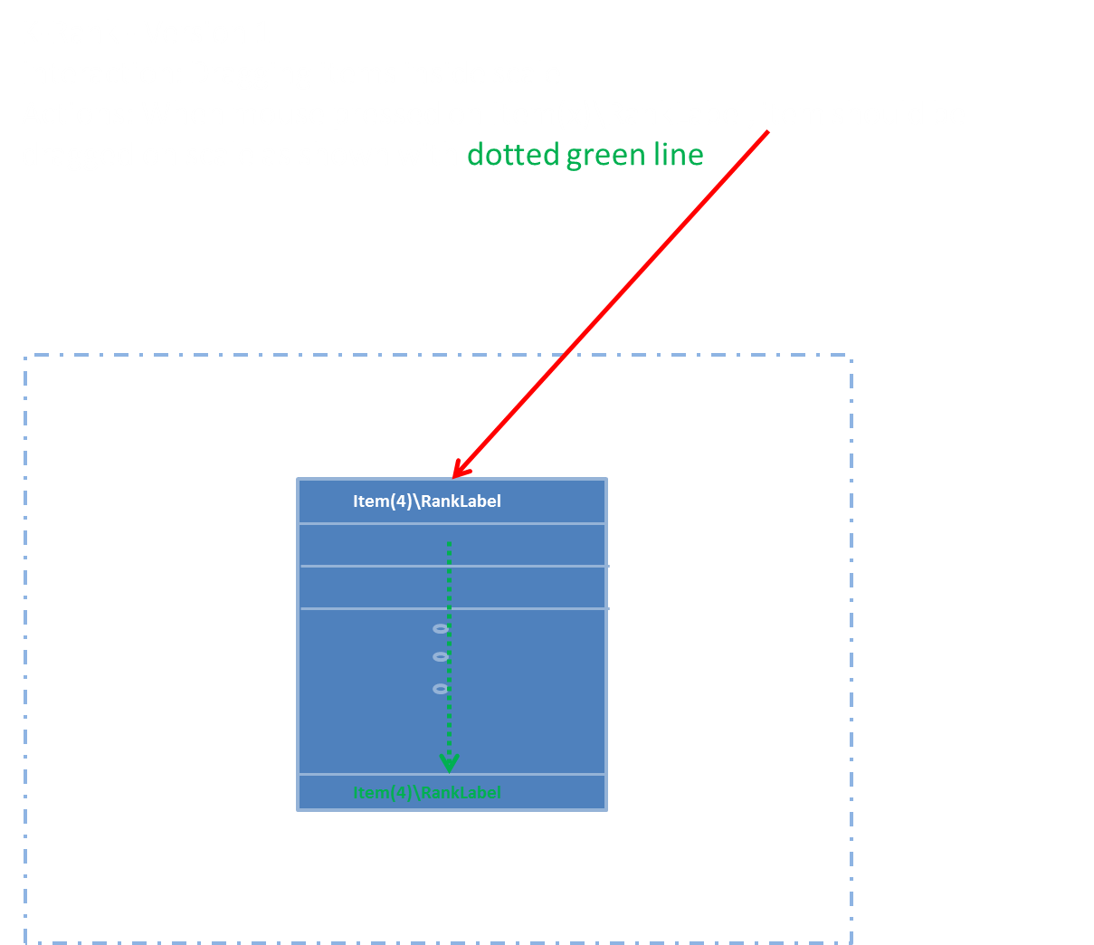
 | Instrument/X2AxisTicks/X2AxisTick/Position |  | Decimal |  | 0 | 1 | 1 | -1 - +1
 | Instrument/Y2AxisTicks |  | List |  |  | 0 | 1 | list of labels on y axis
 | Instrument/Y2AxisTicks/Y2AxisTick |  | Complex |  |  | 1 | Inf
 | Instrument/Y2AxisTicks/Y2AxisTick/Label |  | String |  | "" | 1 | 1
 | Instrument/Y2AxisTicks/Y2AxisTick/Position |  | Decimal |  | 0 | 1 | 1 | -1 - +1
 | Instrument/Items |  | List
 | Instrument/Items/Item |  | Complex
 | Instrument/Items/Item/Id |  | String |  |  |  |  | Internal object Id
 | Instrument/Items/Item/Rank
 | Instrument/Items/Item/Rank/Label |  | String |  |  |  |  | Labels on scaleitems
 | Instrument/Items/Item/Rank/Position |  | Decimal |  |  |  |  | Default rank position
 | Instrument/Items/Item/Rank/Moveable |  | Boolean |  |  |  |  | Allow item to be moved (if empty item is allowed to be moved)
 | Instrument/Items/Item/Stimulus |  | Complex |  | "" | 1 | 1
 | Instrument/Items/Item/Stimulus/Type |  | String |  | "" | 1 | 1 | Internet media type (text, audio, vIdeo etc), http://www.iana.org/assignments/media-types/media-types.xhtml#text
 | Instrument/Items/Item/Stimulus/Label |  | String |  | "" | 1 | 1
 | Instrument/Items/Item/Stimulus/URI |  | String |  | "" | 1 | 1

Outputs:
1 | Ranking |  | List | multi | "" | 0 | 1 | List
 | Ranking/Rank |  | Complex | complex |  | 1 | K
 | Ranking/Rank/Id |  | String | simple | "" | 1 | 1 | Id fo relement in list - depenedt on wheteher (A) or(B, C)
 | Ranking/Rank/Position |  | Integer | simple | "" | 1 | 1 | 0-(K-1)

2 | Events |  | List | multi | "" | 0 | 1
 | Events/Event |  | Complex | complex |  | 1 | Inf
 | Events/Event/DateTime |  | String | simple | "" | 1 | 1 | When
 | Events/Event/Id |  | String | simple | "" | 1 | 1 | What object was affected (XPAth like reference)
 | Events/Event/Type |  | String | simple | "" | 1 | 1 | What happend {'selected','start', stop, moved from to, etc}
 | Events/Event/Method |  | String | simple | "" | 1 | 1 | Detailed info about the interaciton methods, e.g. mouse, keyboard
 | Events/Event/Data |  | String | simple | "" | 1 | 1 | Detailed data, state before and after

 | Name |  | Type | OutputType | DefaultValue | N Min | N Max | Notes/Describtion | Picture | Interaction | Interaction
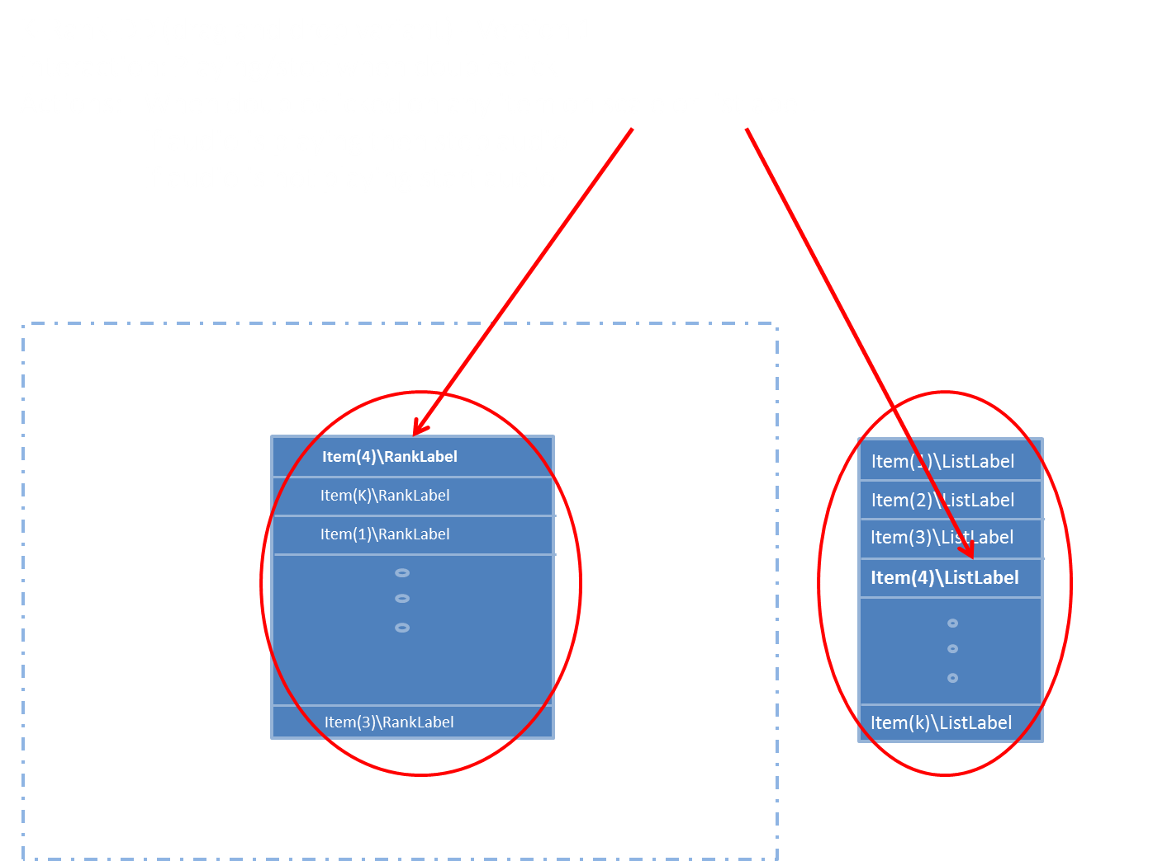
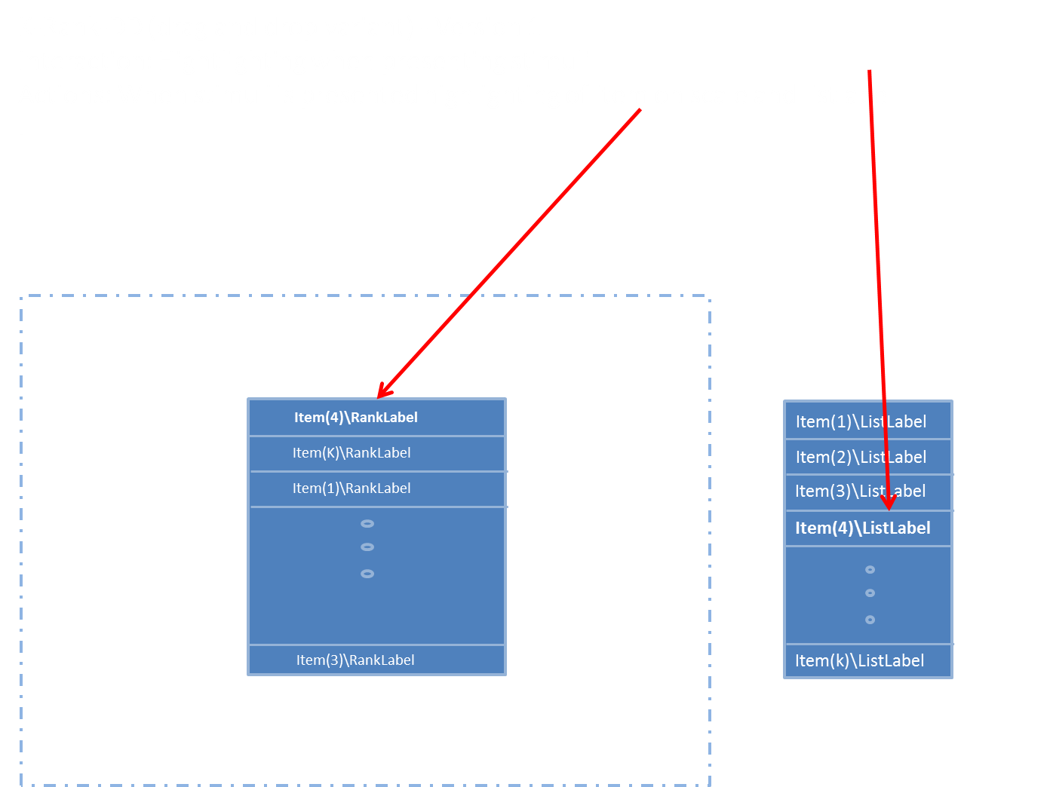
Component
 | KRANKDD |  |  |  |  |  |  | Ranking k stimulies at the time by draging from a list into the rank or internally in the rank (??)

Version | 1

Inputs:
1 | Events |  | Complex |  | 0 | 0 | 1
 | Events/Id
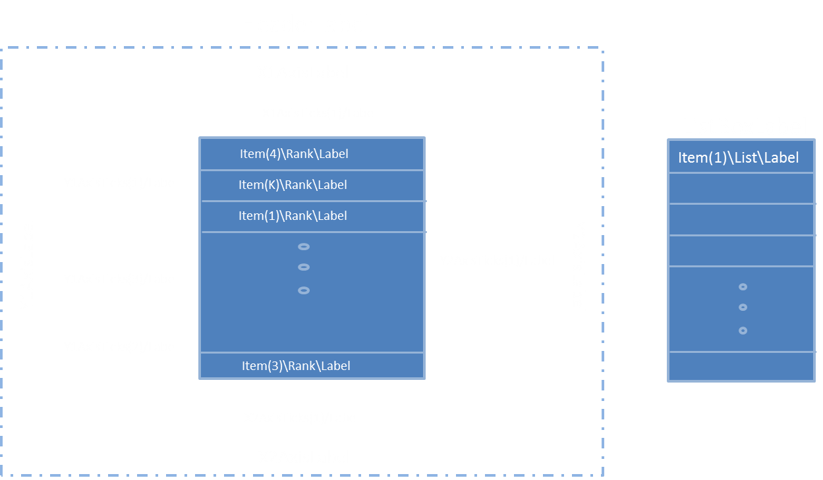
 | Events/Type
 | Events/Method
 | Events/Data

2 | Instrument |  | String |  | "" | 1 | 1 | Text field
 | Instrument/HeaderLabel |  | String |  | "" | 1 | 1 | Dimension discriptor (x-axis) bottom
 | Instrument/MinNoOfScalings |  | Integer |  | k | 0 | 1
 | Instrument/ListBoxLabel |  | String |  | "" | 1 | 1 | Label above listbox
 | Instrument/X1AxisLabel |  | String |  | "" | 1 | 1 | Dimension discriptor (x-axis) top
 | Instrument/X2AxisLabel |  | String |  | "" | 1 | 1 | Dimension discriptor (y-axis) left
 | Instrument/Y1AxisLabel |  | String |  | "" | 1 | 1 | Dimension discriptor (y-axis) right
 | Instrument/Y2AxisLabel
 | Instrument/X1AxisTicks |  | List |  |  | 0 | 1 | list of labels on axis
 | Instrument/X1AxisTicks/X1AxisTick |  | Complex |  |  | 1 | Inf
 | Instrument/X1AxisTicks/X1AxisTick/Label |  | String |  | "" | 1 | 1 | s
 | Instrument/X1AxisTicks/X1AxisTick/Position |  | Decimal |  | 0 | 1 | 1 | -1 - +1
 | Instrument/Y1AxisTicks |  | List |  |  | 0 | 1 | list of labels on y axis
 | Instrument/Y1AxisTicks/Y1AxisTick |  | Complex |  |  | 1 | Inf
 | Instrument/Y1AxisTicks/Y1AxisTick/Label |  | String |  | "" | 1 | 1
 | Instrument/Y1AxisTicks/Y1AxisTick/Position |  | Decimal |  | 0 | 1 | 1 | -1 - +1
 | Instrument/X2AxisTicks |  | List |  |  | 0 | 1 | list of labels on axis
 | Instrument/X2AxisTicks/X2AxisTick |  | Complex |  |  | 1 | Inf
 | Instrument/X2AxisTicks/X2AxisTick/Label |  | String |  | "" | 1 | 1
 | Instrument/X2AxisTicks/X2AxisTick/Position |  | Decimal |  | 0 | 1 | 1 | -1 - +1
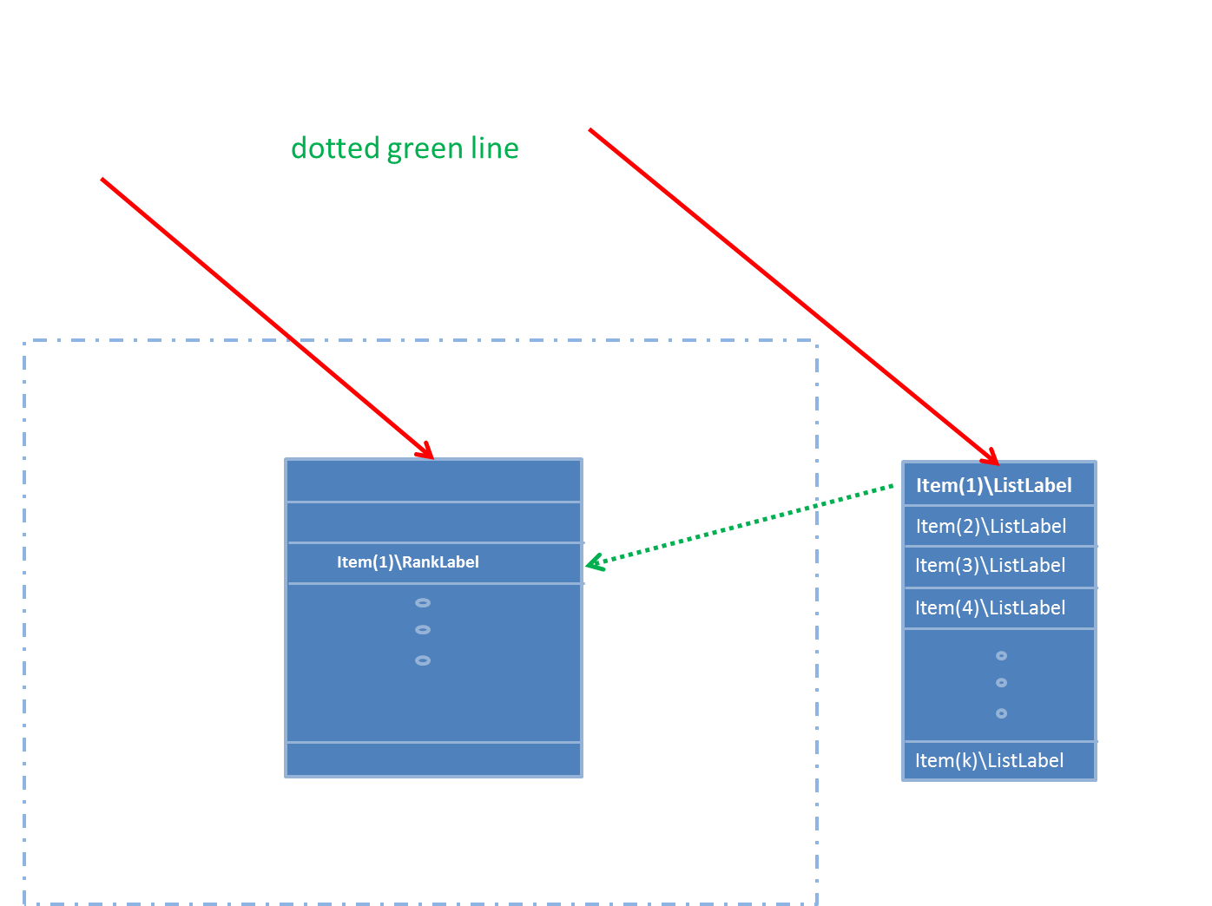
 | Instrument/Y2AxisTicks |  | List |  |  | 0 | 1 | list of labels on y axis
 | Instrument/Y2AxisTicks/Y2AxisTick |  | Complex |  |  | 1 | Inf
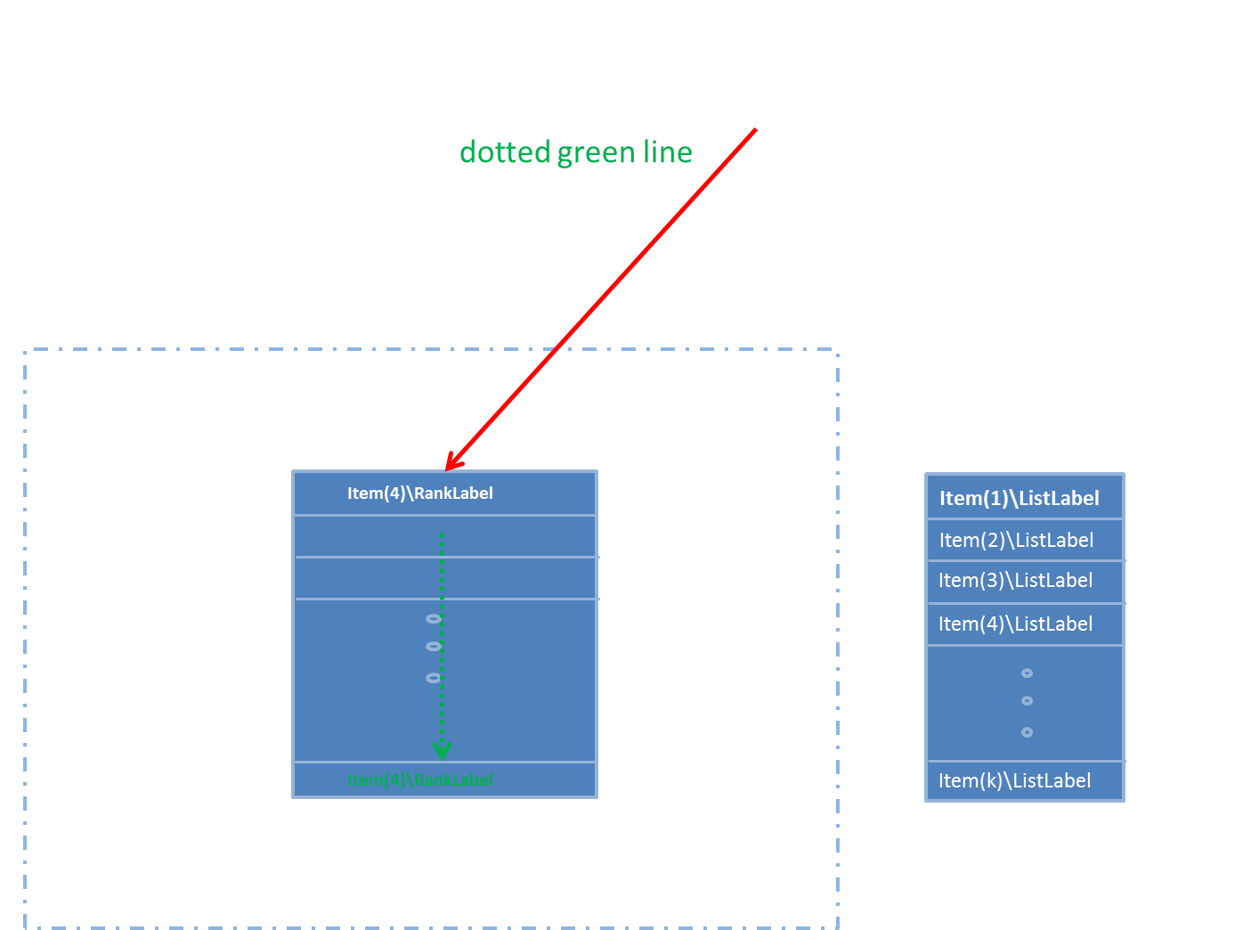
 | Instrument/Y2AxisTicks/Y2AxisTick/Label |  | String |  | "" | 1 | 1
 | Instrument/Y2AxisTicks/Y2AxisTick/Position |  | Decimal |  | 0 | 1 | 1 | -1 - +1
 | Instrument/Items |  | List
 | Instrument/Items/Item |  | Complex
 | Instrument/Items/Item/Id |  | String |  |  |  |  | Internal object Id
 | Instrument/Items/Item/Rank |  | Complex
 | Instrument/Items/Item/Rank/Label |  | String |  |  |  |  | Labels on scaleitems
 | Instrument/Items/Item/Rank/Position |  | Integer |  |  |  |  | Default rank position, leave blank if not default placed in rank
 | Instrument/Items/Item/Rank/Moveable |  | Boolean |  |  |  |  | Allow item to be moved (if empty item is allowed to be moved)
 | Instrument/Items/Item/List |  | Compelx
 | Instrument/Items/Item/List/Label |  | String |  |  |  |  | Label of right sIde list
 | Instrument/Items/Item/List/Position |  | Integer |  |  |  |  | Default position in list (right list)
 | Instrument/Items/Item/Stimulus |  | Complex |  | "" | 1 | 1
 | Instrument/Items/Item/Stimulus/Type |  | String |  | "" | 1 | 1 | Internet media type (text, audio, vIdeo etc), http://www.iana.org/assignments/media-types/media-types.xhtml#text
 | Instrument/Items/Item/Stimulus/Label |  | String |  | "" | 1 | 1
 | Instrument/Items/Item/Stimulus/URI |  | String |  | "" | 1 | 1

Outputs:
1 | Ranking |  | List | multi | "" | 0 | 1 | List
 | Ranking/Rank |  | Complex | complex |  | 1 | K
 | Ranking/Rank/Id |  | String | simple | "" | 1 | 1 | Id fo relement in list - depenedt on wheteher (A) or(B, C)
 | Ranking/Rank/Position |  | Integer | simple | "" | 1 | 1 | 0-(K-1)

2 | Events |  | List | multi | "" | 0 | 1
 | Events/Event |  | Complex | complex |  | 1 | Inf
 | Events/Event/DateTime |  | String | simple | "" | 1 | 1 | When
 | Events/Event/Id |  | String | simple | "" | 1 | 1 | What object was affected (XPAth like reference)
 | Events/Event/Type |  | String | simple | "" | 1 | 1 | What happend {'selected','start', stop, moved from to, etc}
 | Events/Event/Method |  | String | simple | "" | 1 | 1 | Detailed info about the interaciton methods, e.g. mouse, keyboard
 | Events/Event/Data |  | String | simple | "" | 1 | 1 | Detailed data, state before and after

 | Name |  | Type | OutputType | DefaultValue | N Min | N Max | Notes/Describtion | Picture | Interaction | Interaction
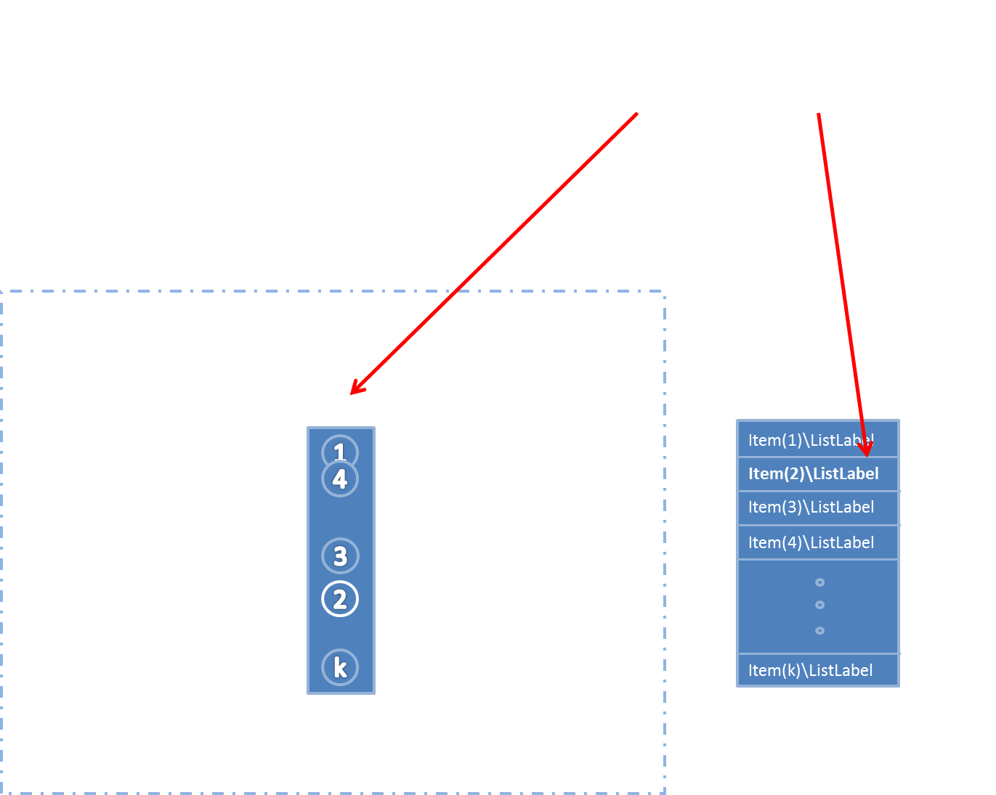
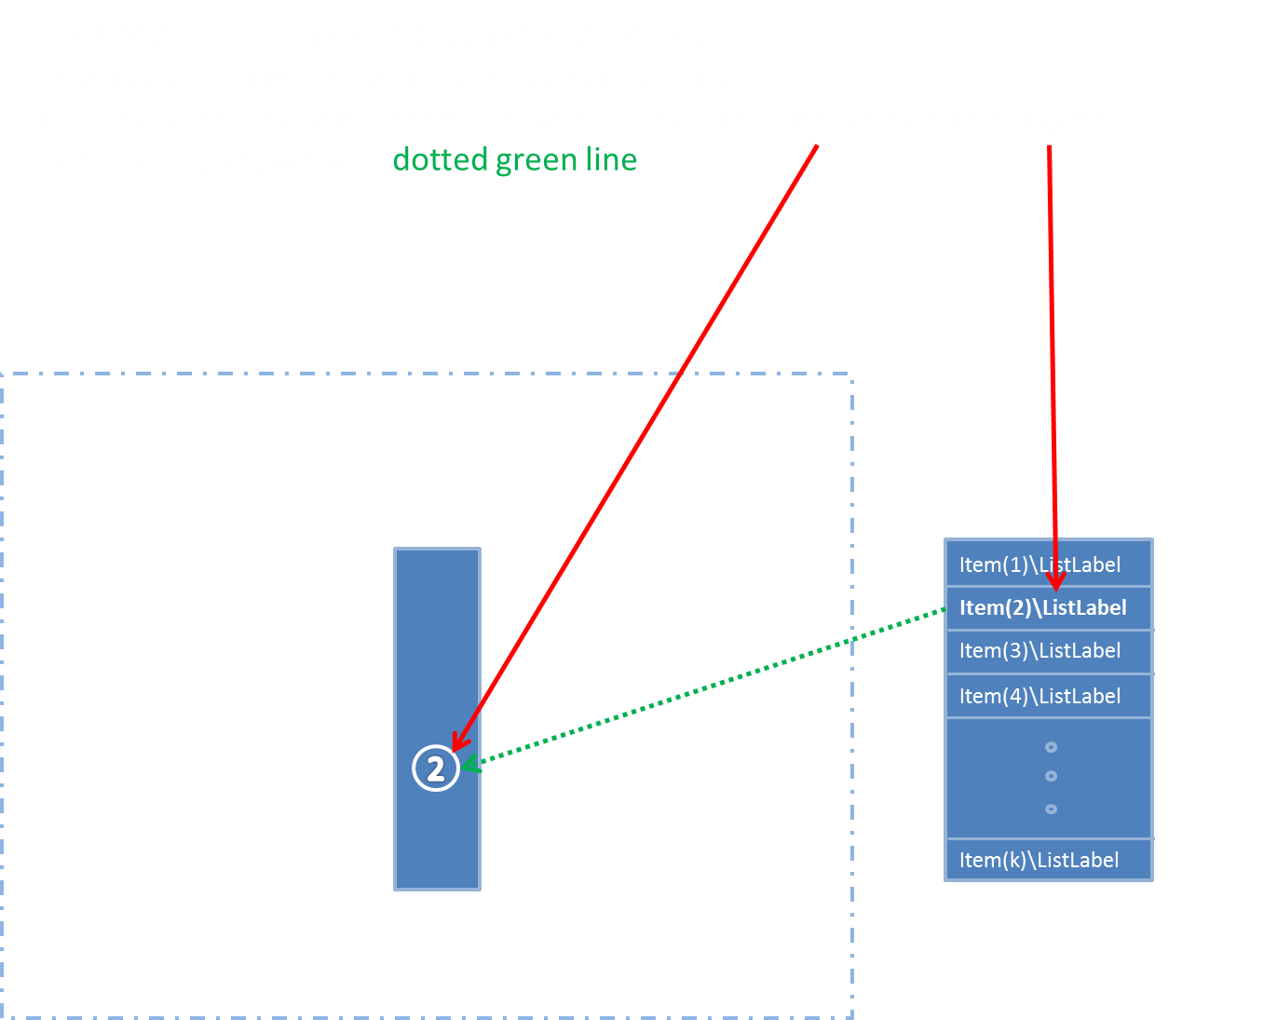
Component | OneDKScaleDD
 | OR "1D-K-SCALE-DD" |  |  |  |  |  |  | Ranking k objects on a scale by draging from a list of simuli into the 1D space
Version | 1

Inputs:
1 | Events |  | Complex |  | 0 | 0 | 1
 | Events/Id
 | Events/Type
 | Events/Method
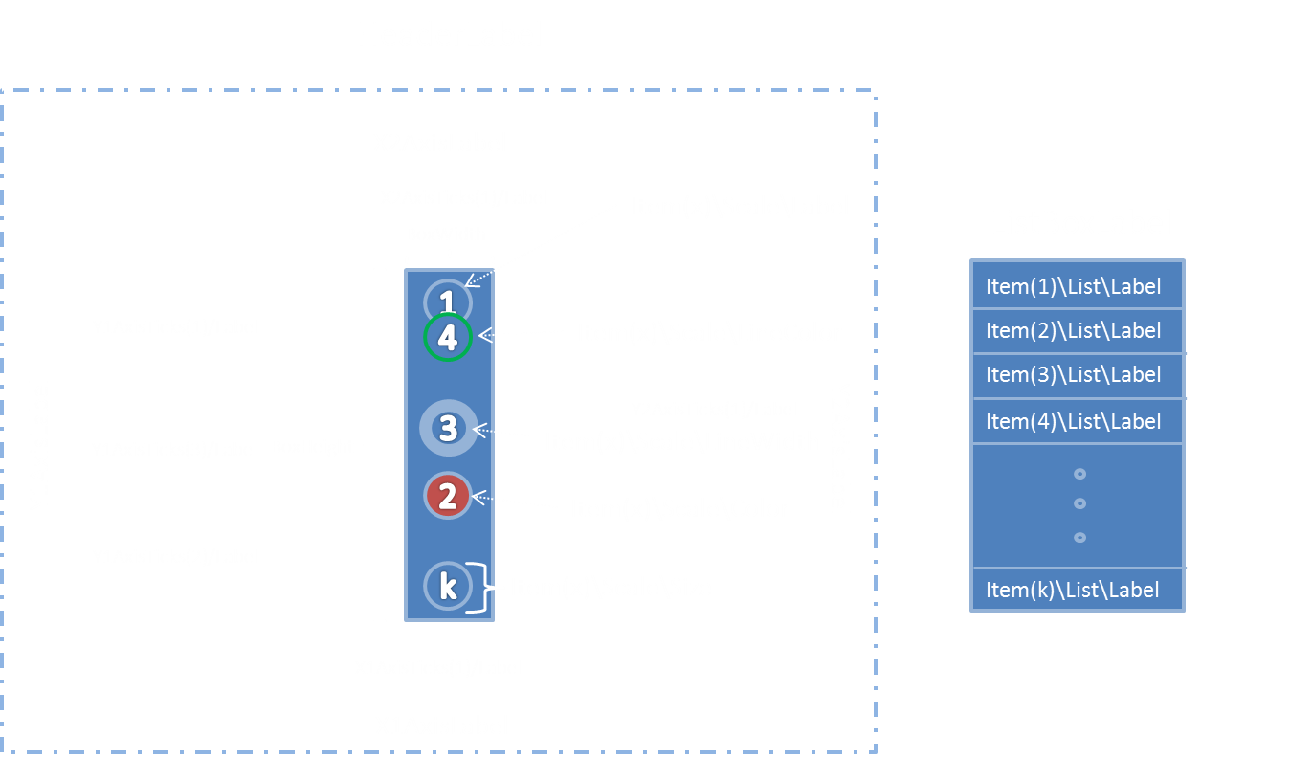
 | Events/Data

2 | Instrument |  | String |  | "" | 1 | 1
 | Instrument/HeaderLabel |  | String |  | "" | 1 | 1 | Header of component
 | Instrument/ListBoxLabel |  | String |  | "" | 1 | 1 | Label above listbox
 | Instrument/MinNoOfScalings |  | Integer |  | k | 0 | 1 | How many items should minimum be dragged into scale
 | Instrument/MaxNoOfScalings |  | Integer |  | k | 0 | 1 | How many items should maximum be dragged into scale
 | Instrument/BoxWidth |  | Integer |  |  |  |  | Width of the scalebox (if empty set do default)
 | Instrument/BoxHeight |  | Integer |  |  |  |  | Height of the scalebox (if empty set do default)
 | Instrument/AllowMovementX |  | Boolean |  |  |  |  | Indicates whether movement in the X-direction is allowed
 | Instrument/AllowMovementY |  | Boolean |  |  |  |  | Indicates whether movement in the Y-direction is allowed
 | Instrument/X1AxisLabel |  | String |  | "" | 1 | 1 | Dimension discriptor (x-axis) top
 | Instrument/X2AxisLabel |  | String |  | "" | 1 | 1 | Dimension discriptor (y-axis) left
 | Instrument/Y1AxisLabel |  | String |  | "" | 1 | 1 | Dimension discriptor (y-axis) right
 | Instrument/Y2AxisLabel |  |  |  |  |  |  | Dimension discriptor (x-axis) bottom
 | Instrument/YgridLines |  | List
 | Instrument/YgridLines/YgridLine |  | Complex
 | Instrument/YgridLines/YgridLine/Position |  | Decimal |  |  |  |  | Position of the gridline -1 - +1
 | Instrument/YgridLines/YgridLine/LineStyle |  | String |  |  |  |  | e.g. dashed, dotted, full
 | Instrument/YgridLines/YgridLine/LineThickness |  | Decimal |  |  |  |  | Thickness of tickline
 | Instrument/YgridLines/YgridLine/LineColor |  | String |  |  |  |  | Color of tickline
 | Instrument/X1AxisTicks |  | List |  |  | 0 | 1 | list of labels on axis
 | Instrument/X1AxisTicks/X1AxisTick |  | Complex |  |  | 1 | Inf
 | Instrument/X1AxisTicks/X1AxisTick/Label |  | String |  | "" | 1 | 1 | s
 | Instrument/X1AxisTicks/X1AxisTick/Position |  | Decimal |  | 0 | 1 | 1 | -1 - +1
 | Instrument/Y1AxisTicks |  | List |  |  | 0 | 1 | list of labels on y axis
 | Instrument/Y1AxisTicks/Y1AxisTick |  | Complex |  |  | 1 | Inf
 | Instrument/Y1AxisTicks/Y1AxisTick/Label |  | String |  | "" | 1 | 1
 | Instrument/Y1AxisTicks/Y1AxisTick/Position |  | Decimal |  | 0 | 1 | 1 | -1 - +1
 | Instrument/X2AxisTicks |  | List |  |  | 0 | 1 | list of labels on axis
 | Instrument/X2AxisTicks/X2AxisTick |  | Complex |  |  | 1 | Inf
 | Instrument/X2AxisTicks/X2AxisTick/Label |  | String |  | "" | 1 | 1
 | Instrument/X2AxisTicks/X2AxisTick/Position |  | Decimal |  | 0 | 1 | 1 | -1 - +1
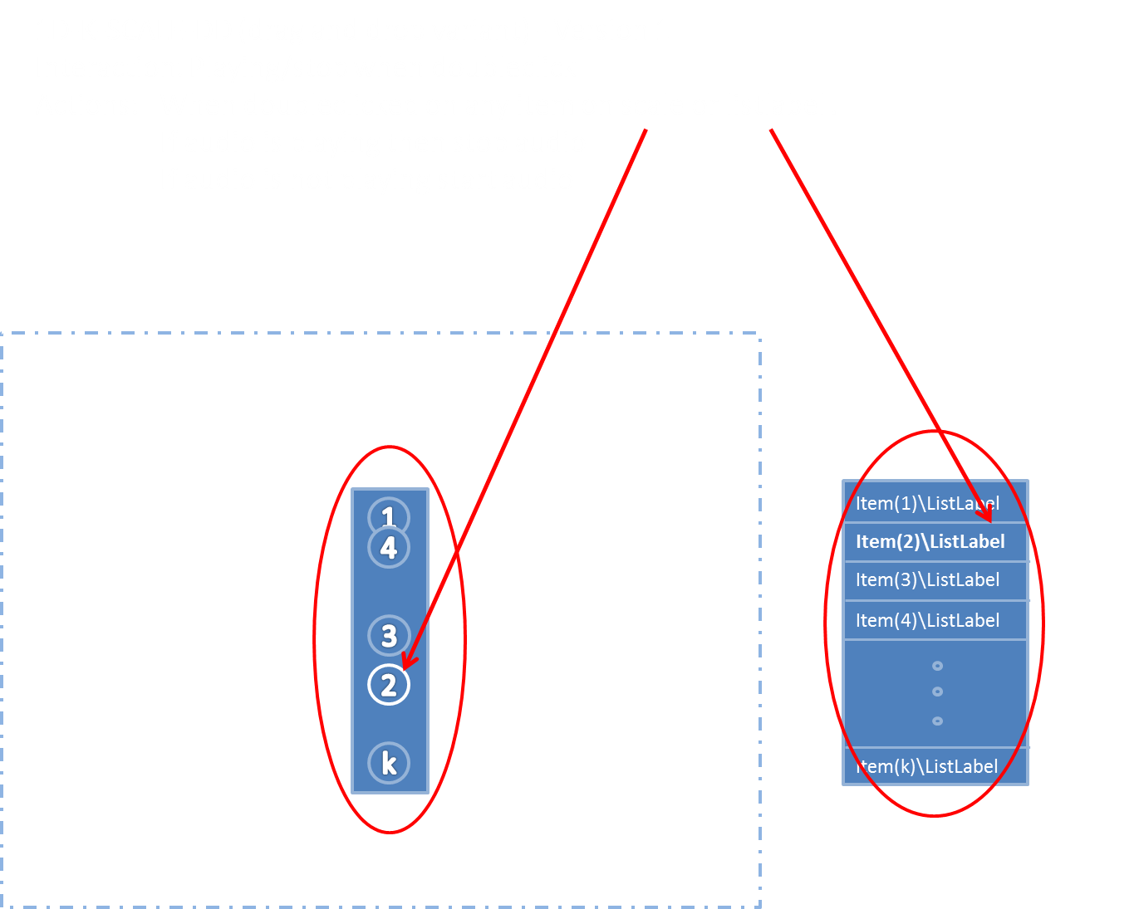
 | Instrument/Y2AxisTicks |  | List |  |  | 0 | 1 | list of labels on y axis

 | Instrument/Y2AxisTicks/Y2AxisTick |  | Complex |  |  | 1 | Inf
 | Instrument/Y2AxisTicks/Y2AxisTick/Label |  | String |  | "" | 1 | 1
 | Instrument/Y2AxisTicks/Y2AxisTick/Position |  | Decimal |  | 0 | 1 | 1 | -1 - +1
 | Instrument/Items |  | List
 | Instrument/Items/Item |  | Complex
 | Instrument/Items/Item/Id |  | String |  |  |  |  | Internal object Id
 | Instrument/Items/Item/Scale |  | Complex
 | Instrument/Items/Item/Scale/Label |  | String |  |  |  |  | Labels on scaleitems
 | Instrument/Items/Item/Scale/Position |  | Decimal |  |  |  |  | Default (x,y), leave blank if not default placed in 2D space
 | Instrument/Items/Item/Scale/Size |  | Decimal |  |  |  |  | Size of circles
 | Instrument/Items/Item/Scale/Color |  | String |  |  |  |  | Color of circles
 | Instrument/Items/Item/Scale/LineColor |  | String |  |  |  |  | Color of line
 | Instrument/Items/Item/Scale/Moveable |  | Boolean |  |  |  |  | Allow to move item
 | Instrument/Items/Item/List |  | Complex |  |  |  |  | if the list is empty the box should not be shown
 | Instrument/Items/Item/List/Label |  | String |  |  |  |  | Label of right sIde list
 | Instrument/Items/Item/List/Position |  | Integer |  |  |  |  | Default position in list (right list)
 | Instrument/Items/Item/Stimulus |  | String |  | "" | 1 | 1
 | Instrument/Items/Item/Stimulus/Type |  | String |  | "" | 1 | 1 | Internet media type (text, audio, vIdeo etc), http://www.iana.org/assignments/media-types/media-types.xhtml#text
 | Instrument/Items/Item/Stimulus/Label |  | String |  | "" | 1 | 1
 | Instrument/Items/Item/Stimulus/URI |  | String |  | "" | 1 | 1

Outputs:
1 | Scalings |  | List | multi | "" | @MinNoOfScalings>0 ? | 1 | List of rank positions for each item in list (x,y)
 | Scalings/Scaling/ |  | Complex | complex |  | @MinNoOfScalings | @K
 | Scalings/Scaling/Id |  | String | simple | "" | 1 | 1 | Stimuli Id
 | Scalings/Scaling/Position |  | Decimal | simple | "" | 1 | 1 | y position

2 | Events |  | List | multi | "" | 0 | 1
 | Events/Event |  | Complex | complex |  | 1 | Inf
 | Events/Event/DateTime |  | String | simple | "" | 1 | 1 | When
 | Events/Event/Id |  | String | simple | "" | 1 | 1 | What object was affected (XPAth like reference)
 | Events/Event/Type |  | String | simple | "" | 1 | 1 | What happend {'selected','start', stop, moved from to, etc}
 | Events/Event/Method |  | String | simple | "" | 1 | 1 | Detailed info about the interaciton methods, e.g. mouse, keyboard
 | Events/Event/Data |  | String | simple | "" | 1 | 1 | Detailed data, state before and after

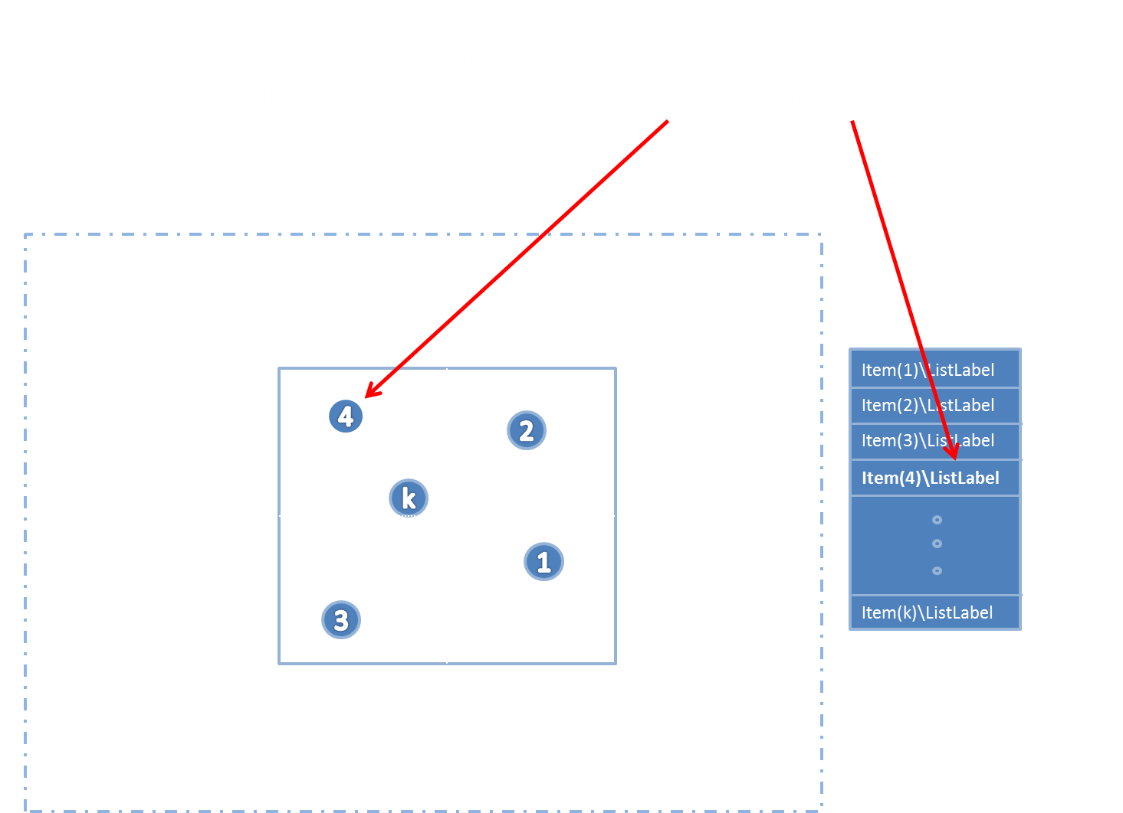
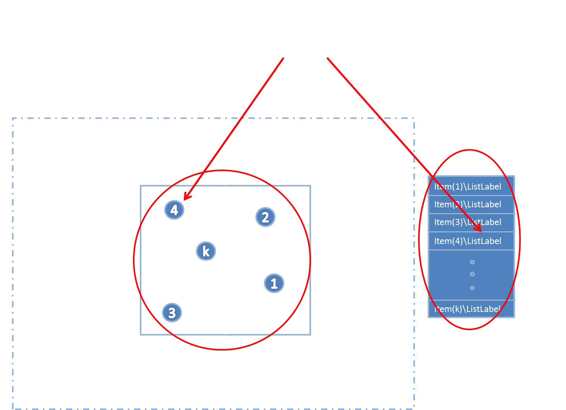
 | Name |  | Type | OutputType | DefaultValue | N Min | N Max | Notes/Describtion | Picture | Interaction | Interaction

Component | TwoDKScaleDD
 | OR 2D-K-SCALE-DD |  |  |  |  |  |  | Ranking k objects on a 2D-scale by draging from a list of stimuli into the 2D space

Version | 1

Inputs:
1 | Events |  | Complex |  | 0 | 0 | 1
 | Events/Id
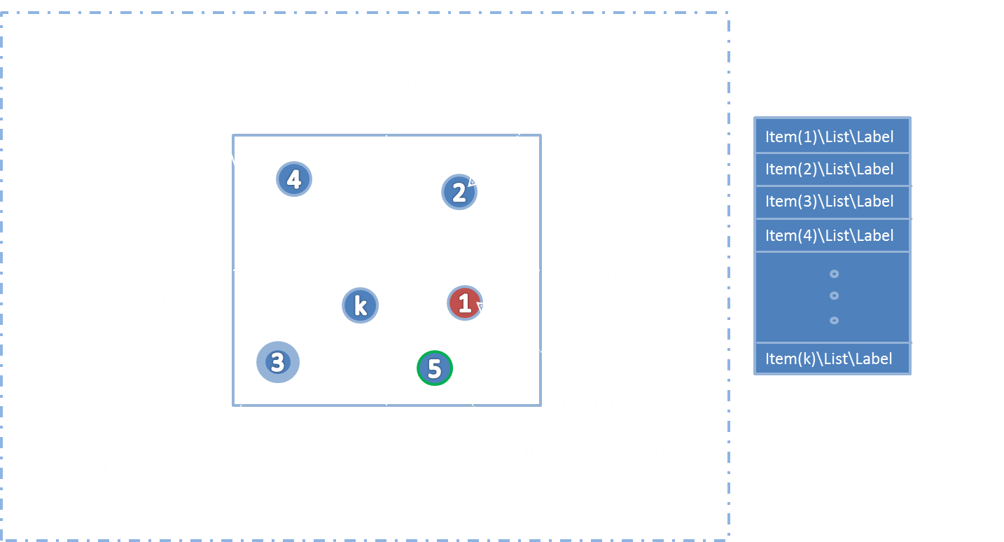
 | Events/Type
 | Events/Method
 | Events/Data

2 | Instrument |  | Complex
 | Instrument/HeaderLabel |  | String
 | Instrument/ListBoxLabel |  | String |  | "" | 1 | 1 | Label above listbox
 | Instrument/MinNoOfScalings |  | Integer |  | k | 0 | 1 | How many items should minimum be dragged into scale
 | Instrument/MaxNoOfScalings |  | Integer |  | k | 0 | 1 | How many items should maximum be dragged into scale
 | Instrument/BoxWidth |  | Integer |  |  |  |  | Width of the scalebox (if empty set do default)
 | Instrument/BoxHeight |  | Integer |  |  |  |  | Height of the scalebox (if empty set do default)
 | Instrument/AllowMovementX |  | Boolean |  |  |  |  | Indicates whether movement in the X-direction is allowed
 | Instrument/AllowMovementY |  | Boolean |  |  |  |  | Indicates whether movement in the Y-direction is allowed
 | Instrument/X1AxisLabel |  | String |  | "" | 1 | 1 | Dimension discriptor (x-axis) bottom
 | Instrument/X2AxisLabel |  | String |  | "" | 1 | 1 | Dimension discriptor (x-axis) top
 | Instrument/Y1AxisLabel |  | String |  | "" | 1 | 1 | Dimension discriptor (y-axis) left
 | Instrument/Y2AxisLabel |  | String |  | "" | 1 | 1 | Dimension discriptor (y-axis) right
 | Instrument/XgridLines |  | List
 | Instrument/XgridLines/XgridLine |  | Complex
 | Instrument/XgridLines/XgridLine/Position |  | Decimal |  |  |  |  | Position of the gridline -1 - +1
 | Instrument/XgridLines/XgridLine/LineStyle |  | String |  |  |  |  | e.g. dashed, dotted, full
 | Instrument/XgridLines/XgridLine/LineThickness |  | Decimal |  |  |  |  | Thickness of tickline
 | Instrument/XgridLines/XgridLine/LineColor |  | String |  |  |  |  | Color of tickline
 | Instrument/YgridLines |  | List
 | Instrument/YgridLines/YgridLine |  | Complex
 | Instrument/YgridLines/YgridLine/Position |  | Decimal |  |  |  |  | Position of the gridline -1 - +1
 | Instrument/YgridLines/YgridLine/LineStyle |  | String |  |  |  |  | e.g. dashed, dotted, full
 | Instrument/YgridLines/YgridLine/LineThickness |  | Decimal |  |  |  |  | Thickness of tickline
 | Instrument/YgridLines/YgridLine/LineColor |  | String |  |  |  |  | Color of tickline
 | Instrument/X1AxisTicks |  | List |  |  | 0 | 1 | list of labels on axis
 | Instrument/X1AxisTicks/X1AxisTick |  | Complex |  |  | 1 | Inf
 | Instrument/X1AxisTicks/X1AxisTick/Label |  | String |  | "" | 1 | 1
 | Instrument/X1AxisTicks/X1AxisTick/Position |  | Decimal |  | 0 | 1 | 1 | -1 - +1
 | Instrument/Y1AxisTicks |  | List |  |  | 0 | 1 | list of labels on y axis
 | Instrument/Y1AxisTicks/Y1AxisTick |  | Complex |  |  | 1 | Inf
 | Instrument/Y1AxisTicks/Y1AxisTick/Label |  | String |  | "" | 1 | 1
 | Instrument/Y1AxisTicks/Y1AxisTick/Position |  | Decimal |  | 0 | 1 | 1 | -1 - +1
 | Instrument/X2AxisTicks |  | List |  |  | 0 | 1 | list of labels on axis
 | Instrument/X2AxisTicks/X2AxisTick |  | Complex |  |  | 1 | Inf
 | Instrument/X2AxisTicks/X2AxisTick/Label |  | String |  | "" | 1 | 1
 | Instrument/X2AxisTicks/X2AxisTick/Position |  | Decimal |  | 0 | 1 | 1 | -1 - +1
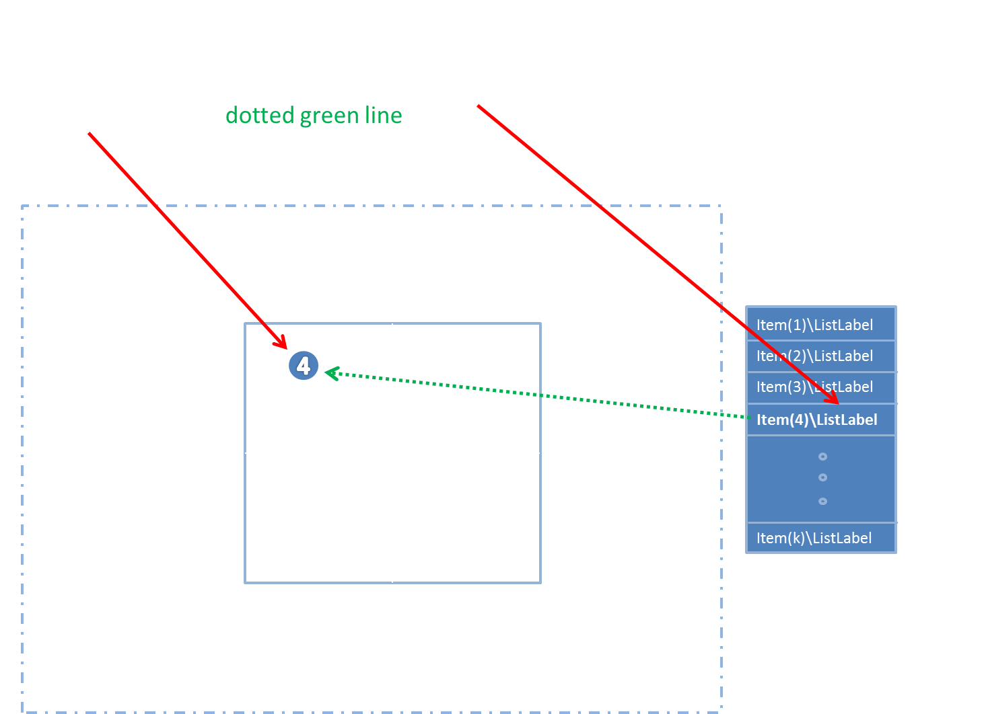
 | Instrument/Y2AxisTicks |  | List |  |  | 0 | 1 | list of labels on y axis
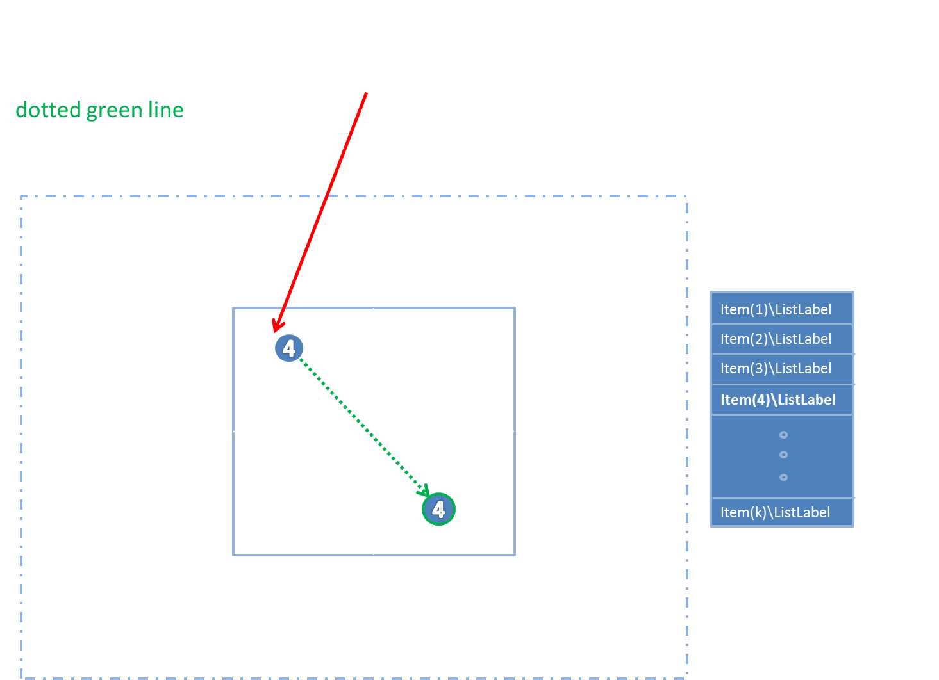
 | Instrument/Y2AxisTicks/Y2AxisTick |  | Complex |  |  | 1 | Inf
 | Instrument/Y2AxisTicks/Y2AxisTick/Label |  | String |  | "" | 1 | 1
 | Instrument/Y2AxisTicks/Y2AxisTick/Position |  | Decimal |  | 0 | 1 | 1 | -1 - +1
 | Instrument/Items |  | List
 | Instrument/Items/Item |  | Complex
 | Instrument/Items/Item/Id |  | String |  |  |  |  | Internal object Id - couples the item (the circles) with the stimuli
 | Instrument/Items/Item/Scale |  | Complex
 | Instrument/Items/Item/Scale/Label |  | String |  |  |  |  | Labels on scaleitems
 | Instrument/Items/Item/Scale/Position |  | Decimal |  |  |  |  | Default (x,y), leave blank if not default placed in 2D space
 | Instrument/Items/Item/Scale/Size |  | Decimal |  |  |  |  | Size of circles (if empty default size)
 | Instrument/Items/Item/Scale/Color |  | String |  |  |  |  | Color of circles (if empty default color)
 | Instrument/Items/Item/Scale/LineColor |  | String |  |  |  |  | Color of line (if empty no line)
 | Instrument/Items/Item/Scale/Moveable |  | Boolean |  |  |  |  | Allow to move item
 | Instrument/Items/Item/List |  | Complex |  |  |  |  | if the list is empty the box should not be shown
 | Instrument/Items/Item/List/Label |  | String |  |  |  |  | Label of right sIde list
 | Instrument/Items/Item/List/Position |  | Integer |  |  |  |  | Default position in list (right list)
 | Instrument/Items/Item/Stimulus |  | String |  | "" | 1 | 1
 | Instrument/Items/Item/Stimulus/Type |  | String |  | "" | 1 | 1 | Internet media type (text, audio, vIdeo etc), http://www.iana.org/assignments/media-types/media-types.xhtml#text
 | Instrument/Items/Item/Stimulus/Label |  | String |  | "" | 1 | 1 | rankLabel (0-k)
 | Instrument/Items/Item/Stimulus/URI |  | String |  | "" | 1 | 1

Outputs:
1 | Scalings |  | List | multi | "" | @MinNoOfScalings>0 ? | 1 | List of rank positions for each item in list (x,y)
 | Scalings/Scaling |  | Complex | complex |  | @MinNoOfScalings | @K | Id
 | Scalings/Scaling/Id |  | String | simple | "" | 1 | 1 | Internal Id
 | Scalings/Scaling/Position |  | Decimal | simple | "" | 1 | 1 | position in x,y

2 | Events |  | List | multi | "" | 0 | 1
 | Events/Event |  | Complex | complex |  | 1 | Inf
 | Events/Event/DateTime |  | String | simple | "" | 1 | 1 | When
 | Events/Event/Id |  | String | simple | "" | 1 | 1 | What object was affected (XPAth like reference)
 | Events/Event/Type |  | String | simple | "" | 1 | 1 | What happend {'selected','start', stop, moved from to, etc}
 | Events/Event/Method |  | String | simple | "" | 1 | 1 | Detailed info about the interaciton methods, e.g. mouse, keyboard
 | Events/Event/Data |  | String | simple | "" | 1 | 1 | Detailed data, state before and after

 | Name |  | Type | OutputType | DefaultValue | N Min | N Max | Notes/Describtion | Picture | Interaction | Interaction

Component
 | TaggingA
Version | 1

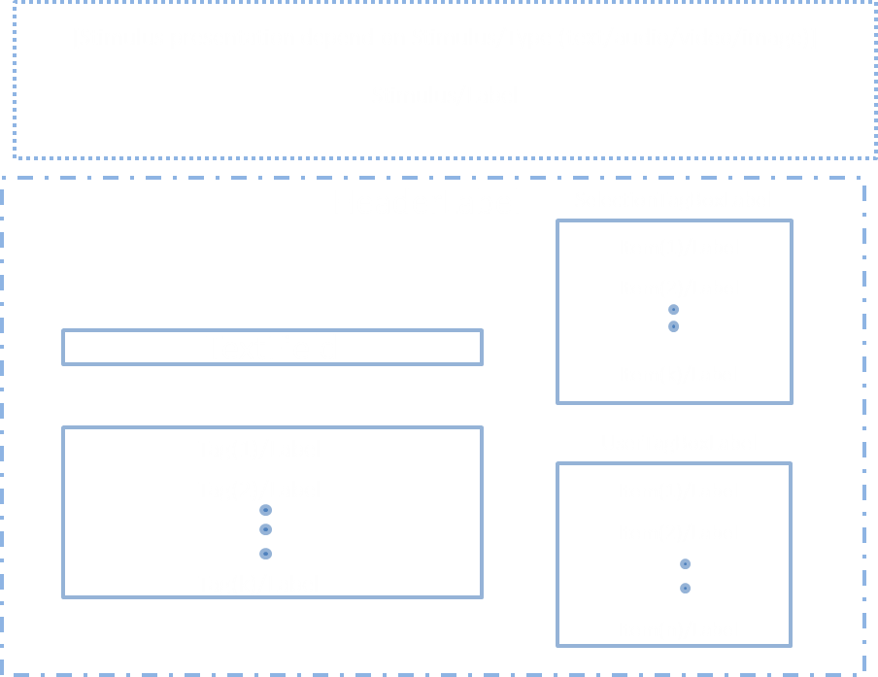
Inputs:
1 | Events |  | Complex | multi | 0 | 0 | 1
 | Events/Id |  |  | complex
 | Events/Type |  |  | simple
 | Events/Method |  |  | simple
 | Events/Data |  |  | simple

2 | Instrument |  | Complex | complex | "" | 1 | 1
 | Instrument/HeaderLabel |  | String | simple | "" | 1 | 1 | The label in front f te box
 | Instrument/SelectionTagBoxLabel |  | String | simple | "" | 1 | 1 | The label on top of the selection tag box
 | Instrument/UserTagBoxLabel |  | String | simple | "" | 1 | 1 | The label on top of the user tag box
 | Instrument/TextField |  | String | simple | "" | 1 | 1
 | Instrument/SelectionTags |  | List |  |  | 1 | 1 | A list of predefined tags a user can choose from
 | Instrument/SelectionTags/Item |  | Complex |  | "" | 1 | Inf | If empty box should not be shown
 | Instrument/SelectionTags/Item/Id |  | String |  | "" | 1 | 1
 | Instrument/SelectionTags/Item/Label |  | String |  | "" | 1 | 1
 | Instrument/SelectionTags/Item/Position |  | Integer |  | "" | 1 | 1
 | Instrument/UserTags |  | List |  |  | 1 | 1 | A list of tags user has used through the experiment (
 | Instrument/UserTags/Item |  | Complex |  | "" | 1 | Inf | If empty box should not be shown
 | Instrument/UserTags/Item/Id |  | String |  | "" | 1 | 1
 | Instrument/UserTags/Item/Label |  | String |  | "" | 1 | 1
 | Instrument/UserTags/Item/Position |  | Integer |  | "" | 1 | 1
 | Instrument/Stimulus |  | Complex |  |  | 1 | 1
 | Instrument/Stimulus/Type |  | String |  | "" | 1 | 1 | Internet media type (text, audio, vIdeo etc), http://www.iana.org/assignments/media-types/media-types.xhtml#text
 | Instrument/Stimulus/Id |  | String |  | "" | 1 | 1 | The value actually returned when selectign thes (?)
 | Instrument/Stimulus/URI |  | String |  | "" | 1 | 1 | Source address of stimuli
 | Instrument/Stimulus/Label |  | String |  | "" | 1 | 1

Outputs:
1 | Tags |  | List | multi | "" | 1 | 1 | The text
 | Tags/Tag |  | Complex | Complex
 | Tags/Tag/Id |  | String | simple
 | Tags/Tag/Label |  | String | simple

2 | Events |  | List | multi | "" | 0 | 1
 | Events/Event |  | Complex | complex |  | 1 | Inf
 | Events/Event/DateTime |  | String | simple | "" | 1 | 1 | When
 | Events/Event/Id |  | String | simple | "" | 1 | 1 | What object was affected (XPAth like reference)
 | Events/Event/Type |  | String | simple | "" | 1 | 1 | What happend {'selected','start', stop etc}
 | Events/Event/Method |  | String | simple | "" | 1 | 1 | Detailed info about the interaciton methods, e.g. mouse, keyboard
 | Events/Event/Data |  | String | simple | "" | 1 | 1 | Detailed data, state before and after

 | Name |  | Type | OutputType | DefaultValue | N Min | N Max | Notes/Describtion | Picture | Interaction | Interaction

Component
 | TagginB
Version | 1
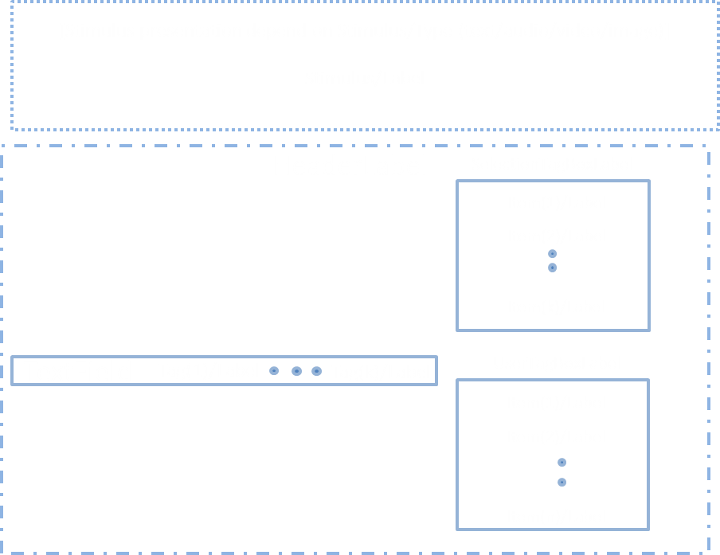
Inputs:
1 | Events |  | Complex | multi | 0 | 0 | 1
 | Events/Id |  |  | complex
 | Events/Type |  |  | simple
 | Events/Method |  |  | simple
 | Events/Data |  |  | simple

2 | Instrument |  | Complex | complex | "" | 1 | 1
 | Instrument/HeaderLabel |  | String | simple | "" | 1 | 1 | The label in front f te box
 | Instrument/SelectionTagBoxLabel |  | String | simple | "" | 1 | 1 | The label on top of the selection tag box
 | Instrument/UserTagBoxLabel |  | String | simple | "" | 1 | 1 | The label on top of the user tag box
 | Instrument/TextField |  | String | simple | "" | 1 | 1
 | Instrument/SelectionTags |  | List | multi |  | 1 | 1 | A list of predefined tags a user can choose from
 | Instrument/SelectionTags/Item |  | Complex | complex | "" | 1 | Inf | If empty box should not be shown
 | Instrument/SelectionTags/Item/Id |  | String | simple | "" | 1 | 1
 | Instrument/SelectionTags/Item/Label |  | String | simple | "" | 1 | 1
 | Instrument/SelectionTags/Item/Position |  | Integer | simple | "" | 1 | 1
 | Instrument/UserTags |  | List | multi |  | 1 | 1 | A list of tags user has used through the experiment
 | Instrument/UserTags/Item |  | Complex | compelx | "" | 1 | Inf | If empty box should not be shown
 | Instrument/UserTags/Item/Id |  | String | simple | "" | 1 | 1
 | Instrument/UserTags/Item/Label |  | String | simple | "" | 1 | 1
 | Instrument/UserTags/Item/Position |  | Integer | simpple | "" | 1 | 1
 | Instrument/Stimulus |  | Complex | complex |  | 1 | 1
 | Instrument/Stimulus/Type |  | String | simple | "" | 1 | 1 | Internet media type (text, audio, vIdeo etc), http://www.iana.org/assignments/media-types/media-types.xhtml#text
 | Instrument/Stimulus/Id |  | String | simple | "" | 1 | 1 | The value actually returned when selectign thes (?)
 | Instrument/Stimulus/URI |  | String | simple | "" | 1 | 1 | Source address of stimuli
 | Instrument/Stimulus/Label |  | String | simple | "" | 1 | 1

Outputs:
1 | Tags |  | List | multi | "" | 1 | 1 | The text
 | Tags/Tag |  | Complex | complex
 | Tags/Tag/Id |  | String | simple
 | Tags/Tag/Label |  | String | simple

2 | Events |  | List | multi | "" | 0 | 1
 | Events/Event |  | Complex | complex |  | 1 | Inf
 | Events/Event/DateTime |  | String | simple | "" | 1 | 1 | When
 | Events/Event/Id |  | String | simple | "" | 1 | 1 | What object was affected (XPAth like reference)
 | Events/Event/Type |  | String | simple | "" | 1 | 1 | What happend {'selected','start', stop etc}
 | Events/Event/Method |  | String | simple | "" | 1 | 1 | Detailed info about the interaciton methods, e.g. mouse, keyboard
 | Events/Event/Data |  | String | simple | "" | 1 | 1 | Detailed data, state before and after

