Sheet1
Occurence of Numbats in Australia According to Year, Month, Day of the Week, and Hour of the Day

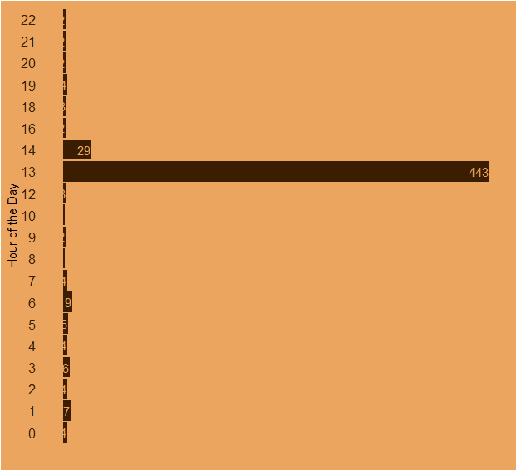
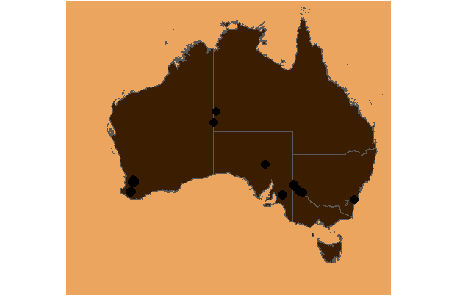
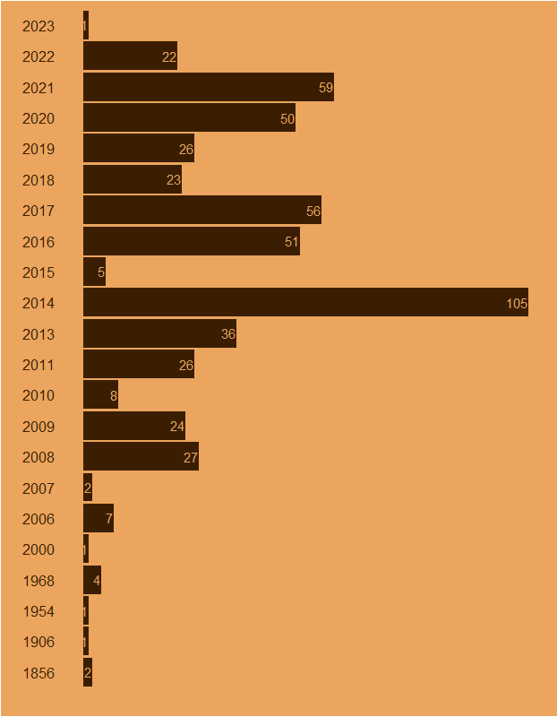

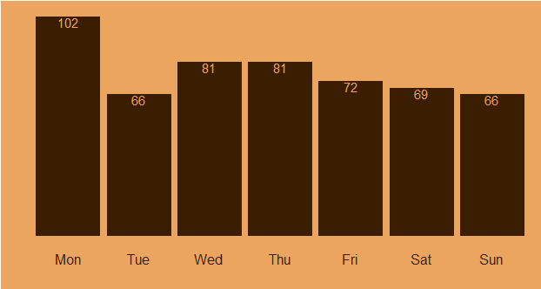
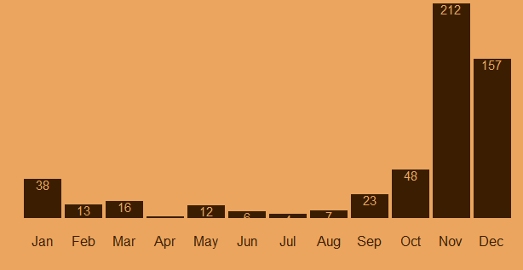

Data Source: Atlas of Living Australia Dashboard: @Elijah_Rona
#TidyTuesday

