Dashboard
SO WHAT CAUSES DEPRESSION?
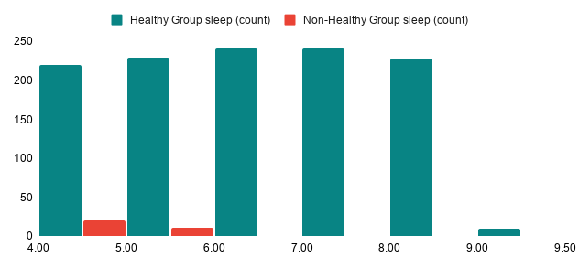
Average Stress Level and Depression Rate by Platform

Depression level by Platform & Mental Health Status

 | Driver of Depression | Correlation Strength | Summary impact
 | Sleep hour | -0.19 | Higher sleep shows a significantly reduces risk.
 | Social media hours | 0.18 | High daily usage shows increases risk.
 | Academic GPA | 0.00 | Grades do not directly affect depression in this data.
 | Stress level | 0.17 | Stress level is closely linked to depression in this data

