stable
TE-TestCastTranspose
stable rules：
tile num > cu num : (8,8)
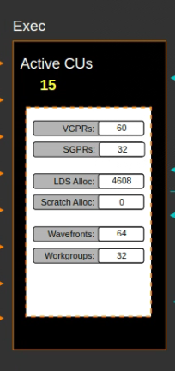
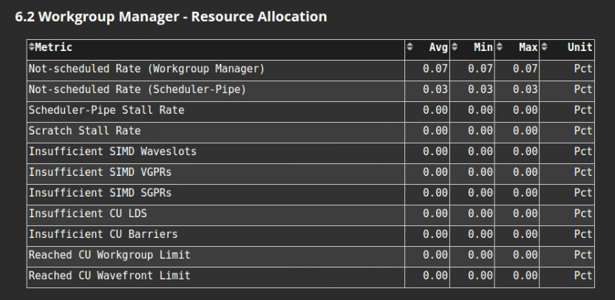
tile num <= cu num : (4,4) |  |  |  | AMD_MI308(stable) | AMD_MI308(dev) | NVIDIA_H20 | AMD_308_triton
 | InType | OutType | Shape | Time(us) | Time(us) | Time(us) | Time(us) | better | better
 | float32 | float8e5m2 | [2048,12288] | 570.885 | 647.77 | 57.081 | 88.8 | H20 | stable
 | float32 | float8e5m2 | [256,65536] | 400.997 | 462.86 | 41.376 | 46.62 | H20 | stable
 | float32 | float8e5m2 | [65536,128] | 226.702 | 273 | 22.772 | 29.42 | H20 | stable
 | float32 | float8e5m2 | [768,1024] | 23.784 | 17.58 | 6.051 | 23.46 | H20 | dev
 | float32 | float8e5m2 | [256,256] | 20.782 | 7.68 | 3.882 | 23.36 | H20 | dev
 | float32 | float8e5m2 | [120,2080] | 20.209 | 26.47 | 8.905 | 37.73 | H20 | stable
 | float32 | float8e5m2 | [8,8] | 19.946 | 7.93 | 6.137 | 23.59 | H20 | dev

 | float32 | float8e4m3 | [2048,12288] | 566.565 | 645.36 | 57.154 | 86.63 | FALSE | stable
 | float32 | float8e4m3 | [256,65536] | 398.132 | 456.56 | 41.228 | 46.75 | FALSE | stable
 | float32 | float8e4m3 | [65536,128] | 226.627 | 275.7 | 22.742 | 28.92 | FALSE | stable
 | float32 | float8e4m3 | [768,1024] | 23.859 | 17.47 | 6.05 | 23.73 | FALSE | stable
 | float32 | float8e4m3 | [256,256] | 20.772 | 7.71 | 3.881 | 23.21 | FALSE | stable
 | float32 | float8e4m3 | [120,2080] | 29.168 | 26.43 | 8.905 | 23.5 | FALSE | stable
 | float32 | float8e4m3 | [8,8] | 20.025 | 7.95 | 6.136 | 24.07 | FALSE | stable

 | bfloat16 | float8e5m2 | [2048,12288] | 587.642 | 576.78 | 57.153 | 54.4 | FALSE | stable
 | bfloat16 | float8e5m2 | [256,65536] | 467.353 | 461.12 | 41.228 | 39.12 | FALSE | stable
 | bfloat16 | float8e5m2 | [65536,128] | 233.997 | 226.82 | 22.742 | 24.5 | FALSE | stable
 | bfloat16 | float8e5m2 | [768,1024] | 29.21 | 15.94 | 3.685 | 23.39 | FALSE | stable
 | bfloat16 | float8e5m2 | [256,256] | 28.209 | 7.64 | 3.176 | 23.49 | FALSE | stable
 | bfloat16 | float8e5m2 | [120,2080] | 40.057 | 48.85 | 8.904 | 25.82 | FALSE | stable
 | bfloat16 | float8e5m2 | [8,8] | 19.712 | 10.74 | 4.063 | 23.53 | FALSE | stable

 | bfloat16 | float8e4m3 | [2048,12288] | 583.115 | 574.35 | 41.147 | 55.01 | FALSE | stable
 | bfloat16 | float8e4m3 | [256,65536] | 464.123 | 459.96 | 28.449 | 39.46 | FALSE | stable
 | bfloat16 | float8e4m3 | [65536,128] | 232.467 | 226.23 | 11.733 | 25.18 | FALSE | stable
 | bfloat16 | float8e4m3 | [768,1024] | 29.1307 | 16.14 | 3.805 | 23.74 | FALSE | stable
 | bfloat16 | float8e4m3 | [256,256] | 28.0908 | 7.73 | 3.826 | 23.17 | FALSE | stable
 | bfloat16 | float8e4m3 | [120,2080] | 40.152 | 48.77 | 9.939 | 22.96 | FALSE | stable
 | bfloat16 | float8e4m3 | [8,8] | 19.7768 | 10.74 | 4.203 | 23.93 | FALSE | stable

 | float16 | float8e5m2 | [2048,12288] | 592.886 | 581.27 | 41.183 | 53.51 | FALSE | stable
 | float16 | float8e5m2 | [256,65536] | 472.305 | 464.05 | 28.385 | 37.77 | FALSE | stable
 | float16 | float8e5m2 | [65536,128] | 236.146 | 225.81 | 11.725 | 25.55 | FALSE | stable
 | float16 | float8e5m2 | [768,1024] | 30.082 | 16.06 | 3.816 | 22.87 | FALSE | stable
 | float16 | float8e5m2 | [256,256] | 28.559 | 7.71 | 3.211 | 23.75 | FALSE | stable
 | float16 | float8e5m2 | [120,2080] | 41.587 | 49.19 | 9.938 | 24.07 | FALSE | stable
 | float16 | float8e5m2 | [8,8] | 20.411 | 10.9 | 4.237 | 24.74 | FALSE | stable

 | float16 | float8e4m3 | [2048,12288] | 590.651 | 580.52 | 41.265 | 55.21 | FALSE | stable
 | float16 | float8e4m3 | [256,65536] | 470.906 | 457.91 | 28.508 | 40.04 | FALSE | stable
 | float16 | float8e4m3 | [65536,128] | 234.764 | 225.06 | 11.521 | 25.5 | FALSE | stable
 | float16 | float8e4m3 | [768,1024] | 29.3563 | 16.18 | 3.821 | 23.05 | FALSE | stable
 | float16 | float8e4m3 | [256,256] | 28.432 | 7.72 | 3.317 | 22.92 | FALSE | stable
 | float16 | float8e4m3 | [120,2080] | 41.564 | 49.11 | 9.946 | 23.33 | FALSE | stable
 | float16 | float8e4m3 | [8,8] | 29.672 | 10.86 | 4.115 | 23.64 | FALSE | stable

dev
rule params: |  |  | MI308X

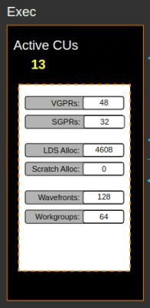
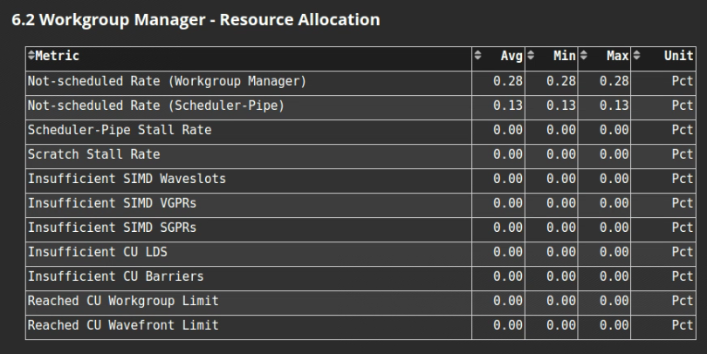
1. constexpr size_t warps_per_tile = 4;
2. THREADS_PER_WARP |  |  | 64
3. constexpr size_t cache_line_size = 128; |  |  | ?
4. constexpr size_t warps_per_sm = 16; |  |  | 32
5. static_cast<size_t>(cuda::sm_count()) |  |  | 80

high level可能的优化方向：
1. 修改上述参数为MI308X匹配的数值，再测试性能；
2. 通过实际测试的方法给出各种超参数情况下的经验性配置方法；
3. cost函数的设计原则；

 |  |  | AMD_MI308
InType | OutType | Shape | Time(us) | sel-config
float32 | float8e5m2 | [2048,12288] | 647.77 | 8, 8
float32 | float8e5m2 | [256,65536] | 462.86 | 8, 8
float32 | float8e5m2 | [65536,128] | 273 | 8, 8
float32 | float8e5m2 | [768,1024] | 17.58 | 4, 2
float32 | float8e5m2 | [256,256] | 7.68 | 4, 1
float32 | float8e5m2 | [120,2080] | 26.47 | 4, 4
float32 | float8e5m2 | [8,8] | 7.93 | 4, 4

float32 | float8e4m3 | [2048,12288] | 645.36 | 8, 8
float32 | float8e4m3 | [256,65536] | 456.56 | 8, 8
float32 | float8e4m3 | [65536,128] | 275.7 | 8, 8
float32 | float8e4m3 | [768,1024] | 17.47 | 4, 2
float32 | float8e4m3 | [256,256] | 7.71 | 4, 1
float32 | float8e4m3 | [120,2080] | 26.43 | 4, 4
float32 | float8e4m3 | [8,8] | 7.95 | 4, 4

bfloat16 | float8e5m2 | [2048,12288] | 576.78 | 8, 8
bfloat16 | float8e5m2 | [256,65536] | 461.12 | 8, 8
bfloat16 | float8e5m2 | [65536,128] | 226.82 | 8, 8
bfloat16 | float8e5m2 | [768,1024] | 15.94 | 4, 2
bfloat16 | float8e5m2 | [256,256] | 7.64 | 4, 1
bfloat16 | float8e5m2 | [120,2080] | 48.85 | 4, 4
bfloat16 | float8e5m2 | [8,8] | 10.74 | 4, 4

bfloat16 | float8e4m3 | [2048,12288] | 574.35 | 8, 8
bfloat16 | float8e4m3 | [256,65536] | 459.96 | 8, 8
bfloat16 | float8e4m3 | [65536,128] | 226.23 | 8, 8
bfloat16 | float8e4m3 | [768,1024] | 16.14 | 4, 2
bfloat16 | float8e4m3 | [256,256] | 7.73 | 4, 1
bfloat16 | float8e4m3 | [120,2080] | 48.77 | 4, 4
bfloat16 | float8e4m3 | [8,8] | 10.74 | 4, 4

float16 | float8e5m2 | [2048,12288] | 581.27 | 8, 8
float16 | float8e5m2 | [256,65536] | 464.05 | 8, 8
float16 | float8e5m2 | [65536,128] | 225.81 | 8, 8
float16 | float8e5m2 | [768,1024] | 16.06 | 4, 2
float16 | float8e5m2 | [256,256] | 7.71 | 4, 1
float16 | float8e5m2 | [120,2080] | 49.19 | 4, 4
float16 | float8e5m2 | [8,8] | 10.9 | 4, 4

float16 | float8e4m3 | [2048,12288] | 580.52 | 8, 8
float16 | float8e4m3 | [256,65536] | 457.91 | 8, 8
float16 | float8e4m3 | [65536,128] | 225.06 | 8, 8
float16 | float8e4m3 | [768,1024] | 16.18 | 4, 2
float16 | float8e4m3 | [256,256] | 7.72 | 4, 1
float16 | float8e4m3 | [120,2080] | 49.11 | 4, 4
float16 | float8e4m3 | [8,8] | 10.86 | 4, 4

