YYT_ITCOO+YYS_ITCOO
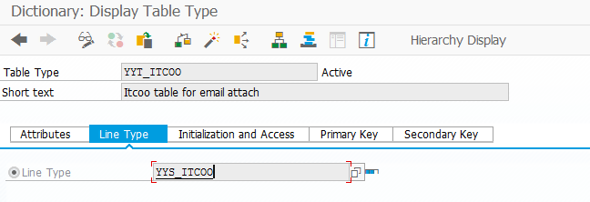
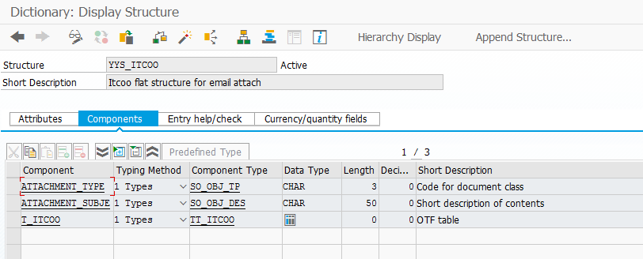

YYT_ITCOO - Itcoo table for email attach

 | YYS_ITCOO - Itcoo flat structure for email attach

 | ATTACHMENT_TYPE | 1 Types | SO_OBJ_TP | CHAR | 3 | 0 | Code for document class
 | ATTACHMENT_SUBJECT | 1 Types | SO_OBJ_DES | CHAR | 50 | 0 | Short description of contents
 | T_ITCOO | 1 Types | TT_ITCOO |  | 0 | 0 | OTF table

YYT_TLINE+YYS_TLINE
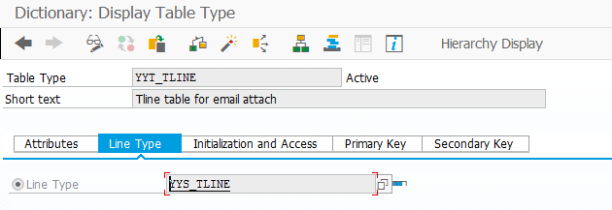
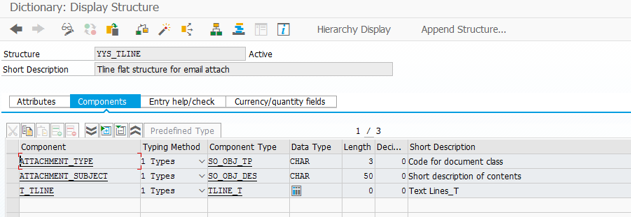

YYT_TLINE - Tline table for email attach | YYS_TLINE - Tline flat structure for email attach

 | ATTACHMENT_TYPE | 1 Types | SO_OBJ_TP | CHAR | 3 | 0 | Code for document class
 | ATTACHMENT_SUBJECT | 1 Types | SO_OBJ_DES | CHAR | 50 | 0 | Short description of contents
 | T_TLINE | 1 Types | TLINE_T |  | 0 | 0 | Text Lines_T
 | ______________________________ | _ | ______________________________ | ____________________________________________________________________________________________________________________________________ | ______ | ______ | ____________________________________________________________

YYT_FILE+YYS_FILE
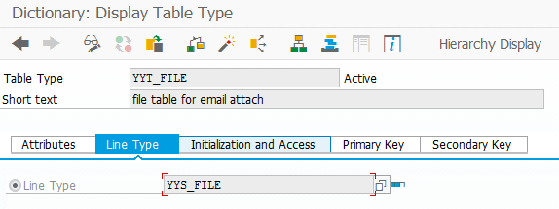
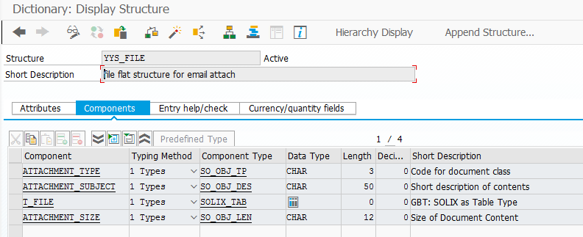

YYT_FILE - file table for email attach

 | YYS_FILE - file flat structure for email attach

 | ATTACHMENT_TYPE | 1 Types | SO_OBJ_TP | CHAR | 3 | 0 | Code for document class
 | ATTACHMENT_SUBJECT | 1 Types | SO_OBJ_DES | CHAR | 50 | 0 | Short description of contents
 | T_FILE | 1 Types | SOLIX_TAB |  | 0 | 0 | GBT: SOLIX as Table Type
 | ATTACHMENT_SIZE | 1 Types | SO_OBJ_LEN | CHAR | 12 | 0 | Size of Document Content

