Sheet1
crAssphage sequencing samples |  |  |  | Barr & McCarthy

Samples
Number | Source | Sample Type | State | Collection date | crAss primers | Latitude | Longitude
1 | Pakenham WWTP | Raw Sewage | VIC | 12/13/2016 | A,B,C | -38.1122141 | 145.4864454
4 | Melbourne | Raw Sewage | VIC | 8/24/2017 | A,B,C
5 | WWTP | Waste water | WA | 8/16/2017 | A,B,C
6 | Raw Sewage | Raw Sewage | NSW | 8/16/2017 | A,B,C
8 | Luggage Point | WWTP Inlet | QLD | 8/22/2017 | A,B,C | -27.3755791 | 153.1491078

PCR Gels
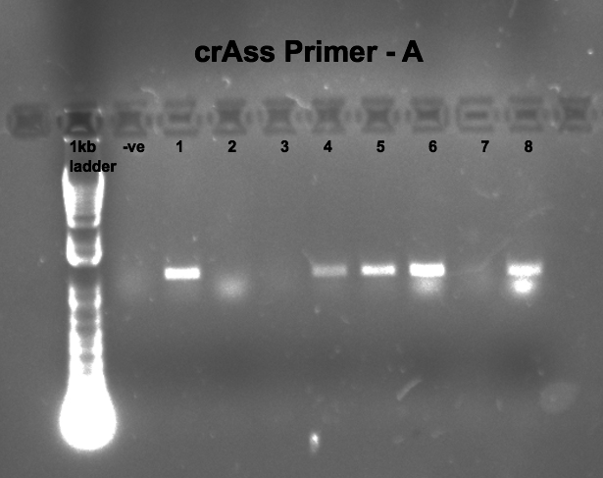
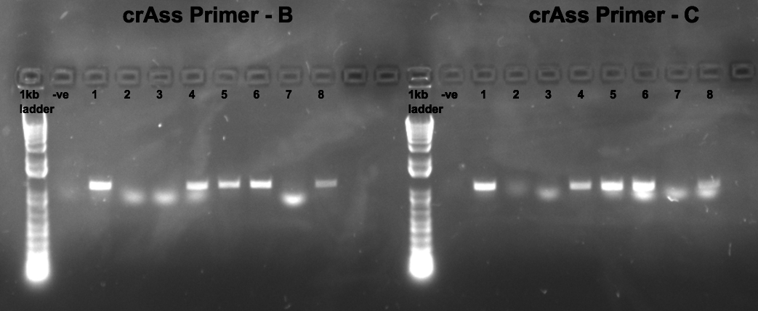

DNA Concentrations
Sample | Primer | DNA (ng/uL) | 260/280
1 | A | 6.1 | 1.51
1 | B | 9.9 | 1.55
1 | C | 12.4 | 1.53
4 | A | 30.1 | 1.34
4 | B | 9.5 | 1.41
4 | C | 9.2 | 1.48
5 | A | 6.6 | 1.45
5 | B | 7.2 | 2.11
5 | C | 13.2 | 1.85
6 | A | 6.8 | 1.45
6 | B | 11.7 | 1.73
6 | C | 11.5 | 1.67
8 | A | 10.8 | 1.43
8 | B | 11.5 | 1.5
8 | C | 6.1 | 1.21

