INGREDIENT_POSITION
INGREDIENT | X_POS | Y_POS | PAN_TYPE | ZONE | PAN_CODE | PAN_NAME | PAN_L | PAN_W | PAN_^MM | Full Pan |  | Half Pan |  | Third Pan |  | Quarter Pan |  | Sixth Pan |  | Ninth
DRESSINGS | 2378 | 175 | 4 | BASE | 0 | COLD_WELL | 8000 | 700 | 5600000 | 327 | 532 | 327 | 266 | 327 | 176.022 | 265 | 161 | 162.052 | 176.022 | 176 | 102
KALE | 150 | 175 | 1 | BASE | 1 | FULL | 327 | 532 | 173964 |  |  |  |  |  |  |  |  |  |  | 9
ROMAINE | 707 | 175 | 1 | BASE | 2 | HALF | 327 | 266 | 86982 |  |  |  |  |  |  |  |  | 6
SPINACH | 1264 | 175 | 1 | BASE | 3 | THIRD | 327 | 176 | 57552 |  |  |  |  |  |  | 4
MESCLUN | 1821 | 175 | 1 | BASE | 4 | FOURTH | 265 | 161 | 42665 |  |  |  |  | 3
ARUGULA | 2378 | 377 | 3 | BASE | 6 | SIXTH | 176 | 161 | 28336
BASIL | 4017 | 175 | 3 | TOP-1 | 9 | NINTH | 176 | 102 | 17952 |  |  | 2
CILANTRO | 4017 | 377 | 3 | TOP-1
SWEET POTATOES | 4017 | 578 | 3 | TOP-1
SPICY BROCCOLI | 4366 | 175 | 6 | TOP-1
INGREDIENT ORIGIN POSITIONS
MINT | 4366 | 377 | 6 | TOP-1 |  |  |  |  |  | 1
CHICKPEAS | 4366 | 578 | 6 | TOP-1
APPLES | 4553 | 175 | 6 | TOP-1
TOMATOES | 4553 | 377 | 6 | TOP-1
BEETS | 4553 | 578 | 6 | TOP-1
ONIONS | 4740 | 175 | 6 | TOP-1
CABBAGE | 4740 | 377 | 6 | TOP-1
PICKLED CAR + CEL | 4740 | 578 | 6 | TOP-1
CARROTS | 5105 | 175 | 3 | TOP-2
CUCUMBERS | 5105 | 377 | 3 | TOP-2
CORN | 5105 | 578 | 3 | TOP-2
LIMES | 5454 | 175 | 6 | TOP-2
LEMONS | 5454 | 377 | 6 | TOP-2
LENTILS | 5454 | 578 | 6 | TOP-2
EGGS | 5641 | 175 | 6 | TOP-2
ROASTED TOMATOES | 5641 | 377 | 6 | TOP-2
AVOCADO | 5641 | 578 | 6 | TOP-2
BLUE CHEESE | 5828 | 175 | 6 | TOP-2
FETA | 5828 | 377 | 6 | TOP-2
GOAT | 5828 | 578 | 6 | TOP-2
SHAVED PARMA | 6193 | 175 | 3 | CRUNCH
RAISINS | 6193 | 377 | 3 | CRUNCH
SUNFLOWER SEEDS | 6193 | 578 | 3 | CRUNCH
DRIED APRICOTS | 6541 | 175 | 6 | CRUNCH
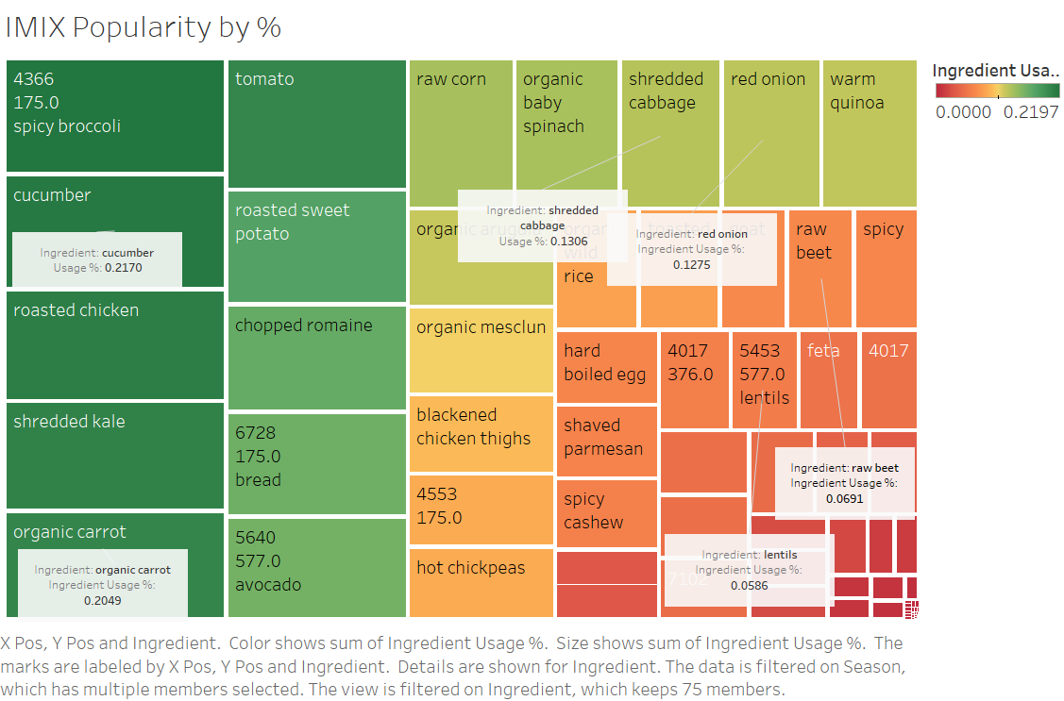
PECANS | 6541 | 377 | 6 | CRUNCH
RED CHILIS | 6541 | 578 | 6 | CRUNCH
BREAD | 6728 | 175 | 6 | CRUNCH
DRESSING | 6728 | 377 | 6 | CRUNCH
HOT SAUCE | 6728 | 578 | 6 | CRUNCH
HUMMUS | 6916 | 175 | 6 | CRUNCH
RICE | 2743 | 175 | 3 | HOT
QUINOA | 2743 | 377 | 3 | HOT
STEELHEAD | 2743 | 578 | 3 | HOT
SHRIMP | 3092 | 175 | 6 | HOT
CATFISH | 3092 | 377 | 6 | HOT
FALAFEL | 3092 | 578 | 6 | HOT
TOFU | 3279 | 175 | 6 | HOT
MUSHROOM | 3279 | 377 | 6 | HOT
CHICKPEAS | 3279 | 578 | 6 | HOT
ROASTED CARROTS | 3466 | 175 | 6 | HOT
BLACKENED CHICKEN | 3466 | 377 | 6 | HOT
CHICKEN | 3466 | 578 | 6 | HOT
PARMA CRISP | 6916 | 377 | 6 | CRUNCH
TORTILLA CHIPS | 6916 | 578 | 6 | CRUNCH
BREAD CRUMBS | 7103 | 175 | 6 | CRUNCH
WALNUTS | 7103 | 377 | 6 | CRUNCH
ALMONDS | 7103 | 578 | 6 | CRUNCH
TEST1 | 7467 | 175 | 3 | CRUNCH
TEST2 | 7467 | 377 | 3 | CRUNCH
TEST3 | 7467 | 578 | 3 | CRUNCH

