Sheet1
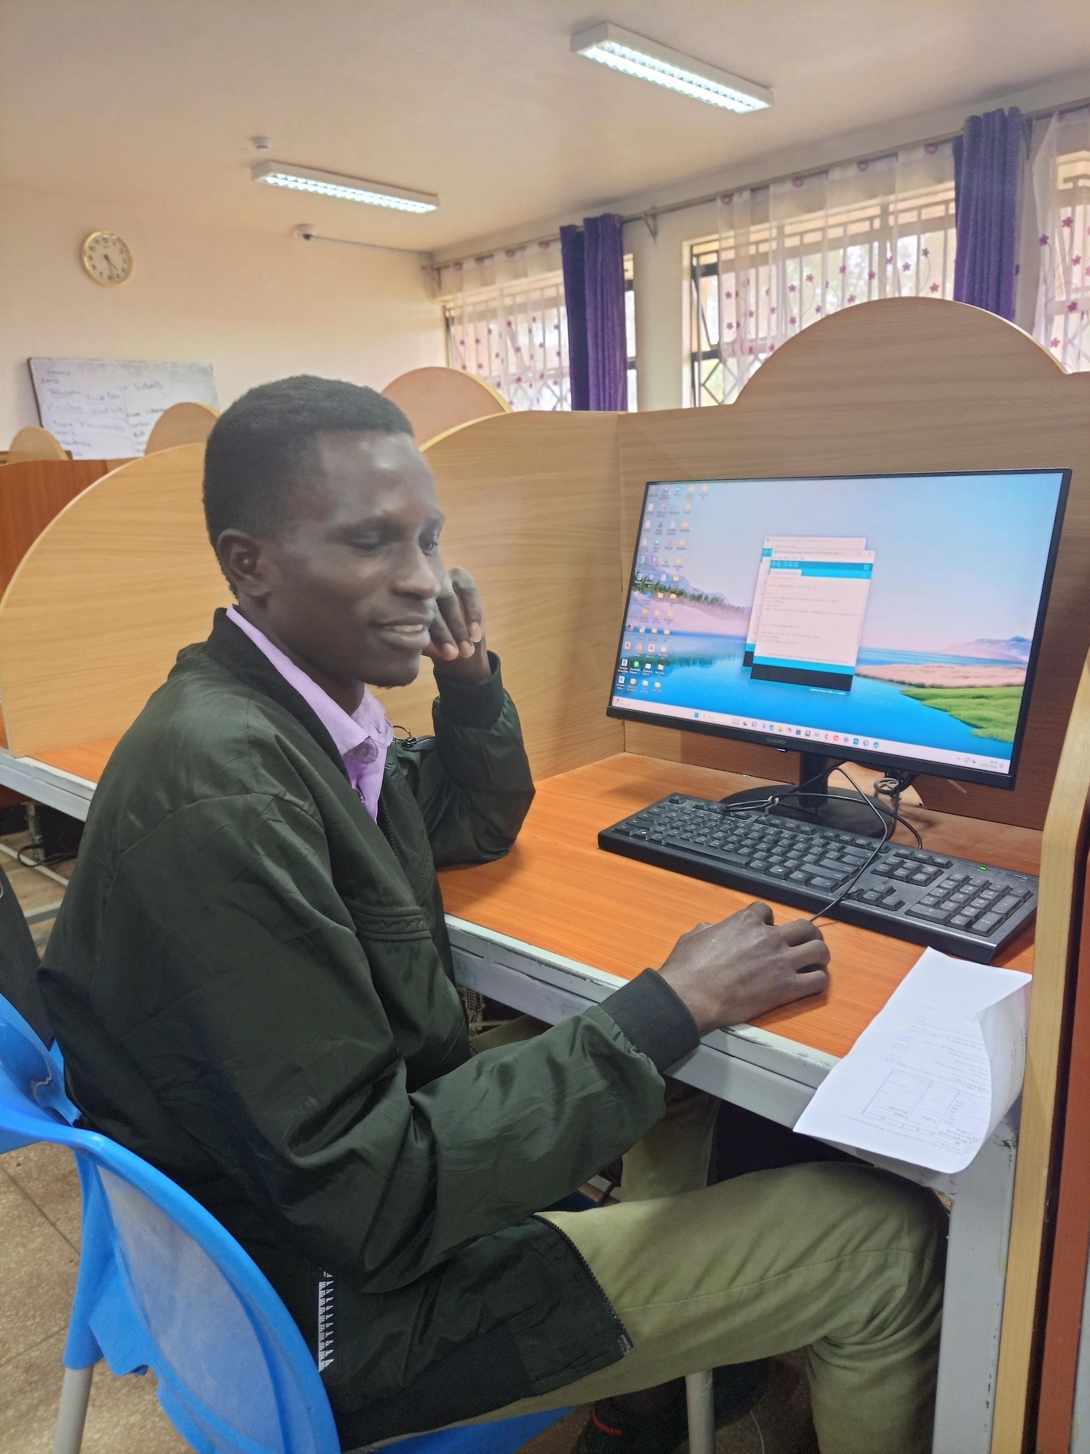
I think i should carefully look for documents partaining our program

