Mansion Estimation
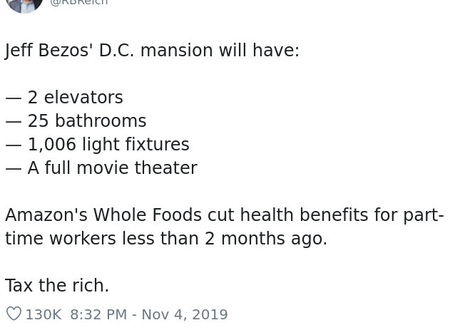
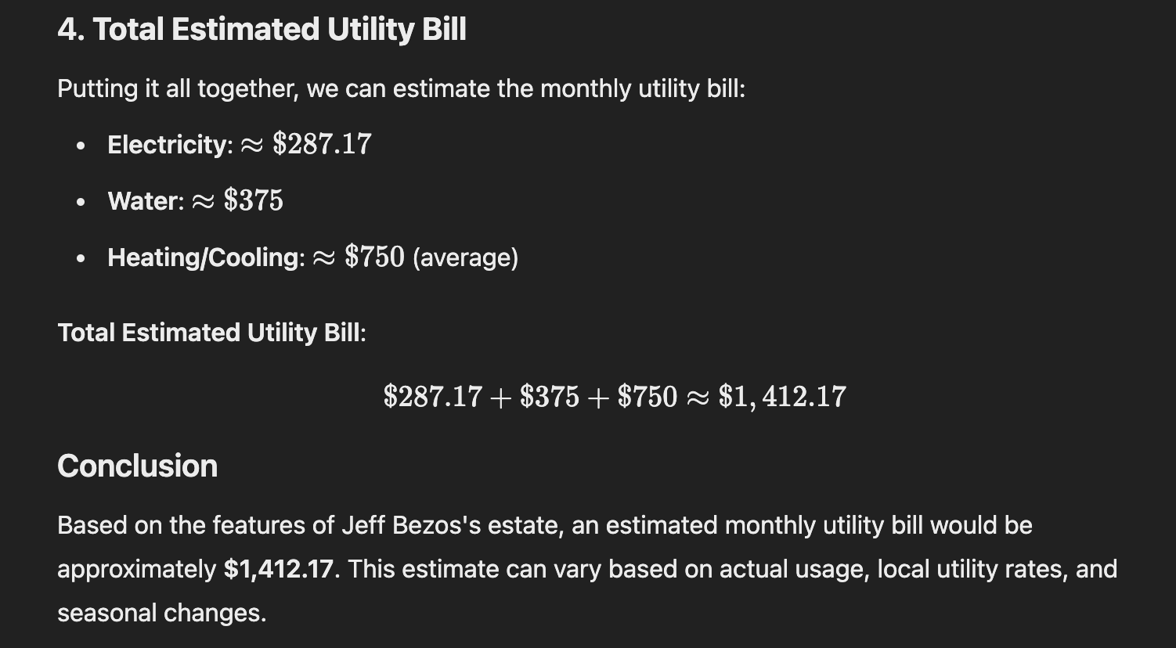
Information collected from a Twitter post and ChatGPT (very legit sources)

Estimated Annual Hydro Bill for a Billionaire | Estimated number of mansions | total (in millions)
16946.04 | 5 | 84.7302

