odom
timestamp | yaw | xpos | ypos | xvel | yvel | vex_print
 |  |  |  |  |  | motor sync reset
 |  |  |  |  |  | motor sync reset
 |  |  |  |  |  | Time: 10572
 |  |  |  |  |  | running moveTestNoCamAssist
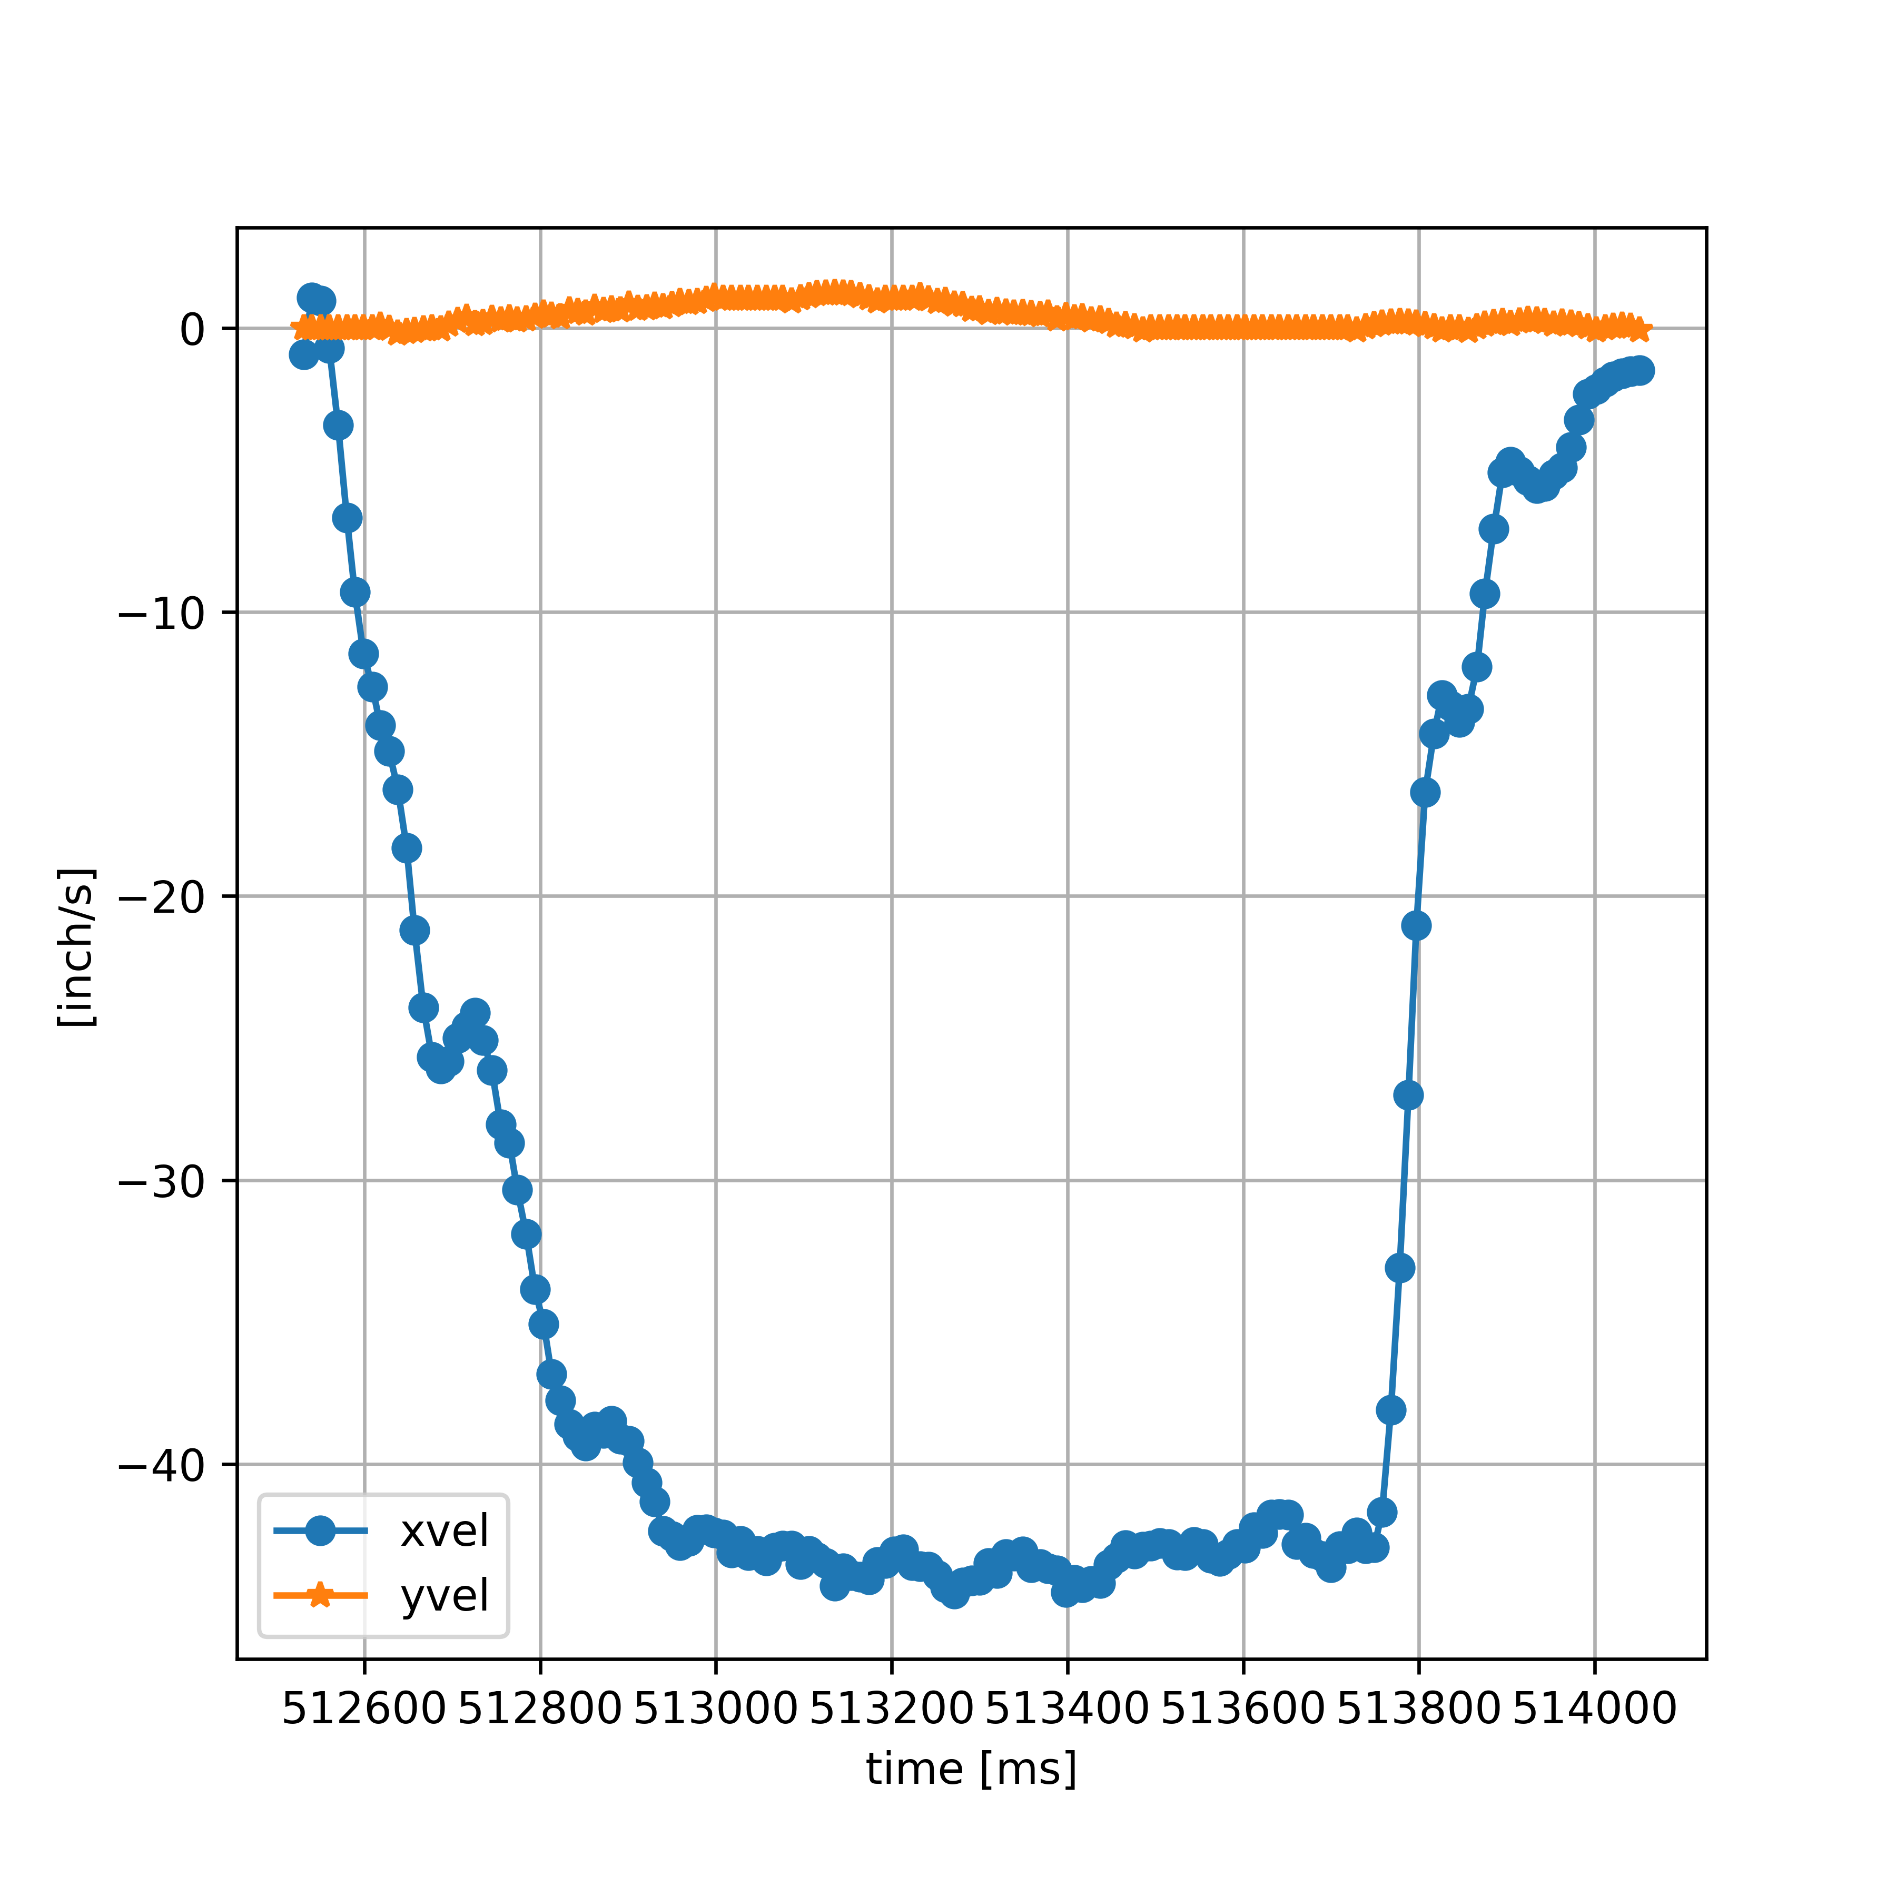
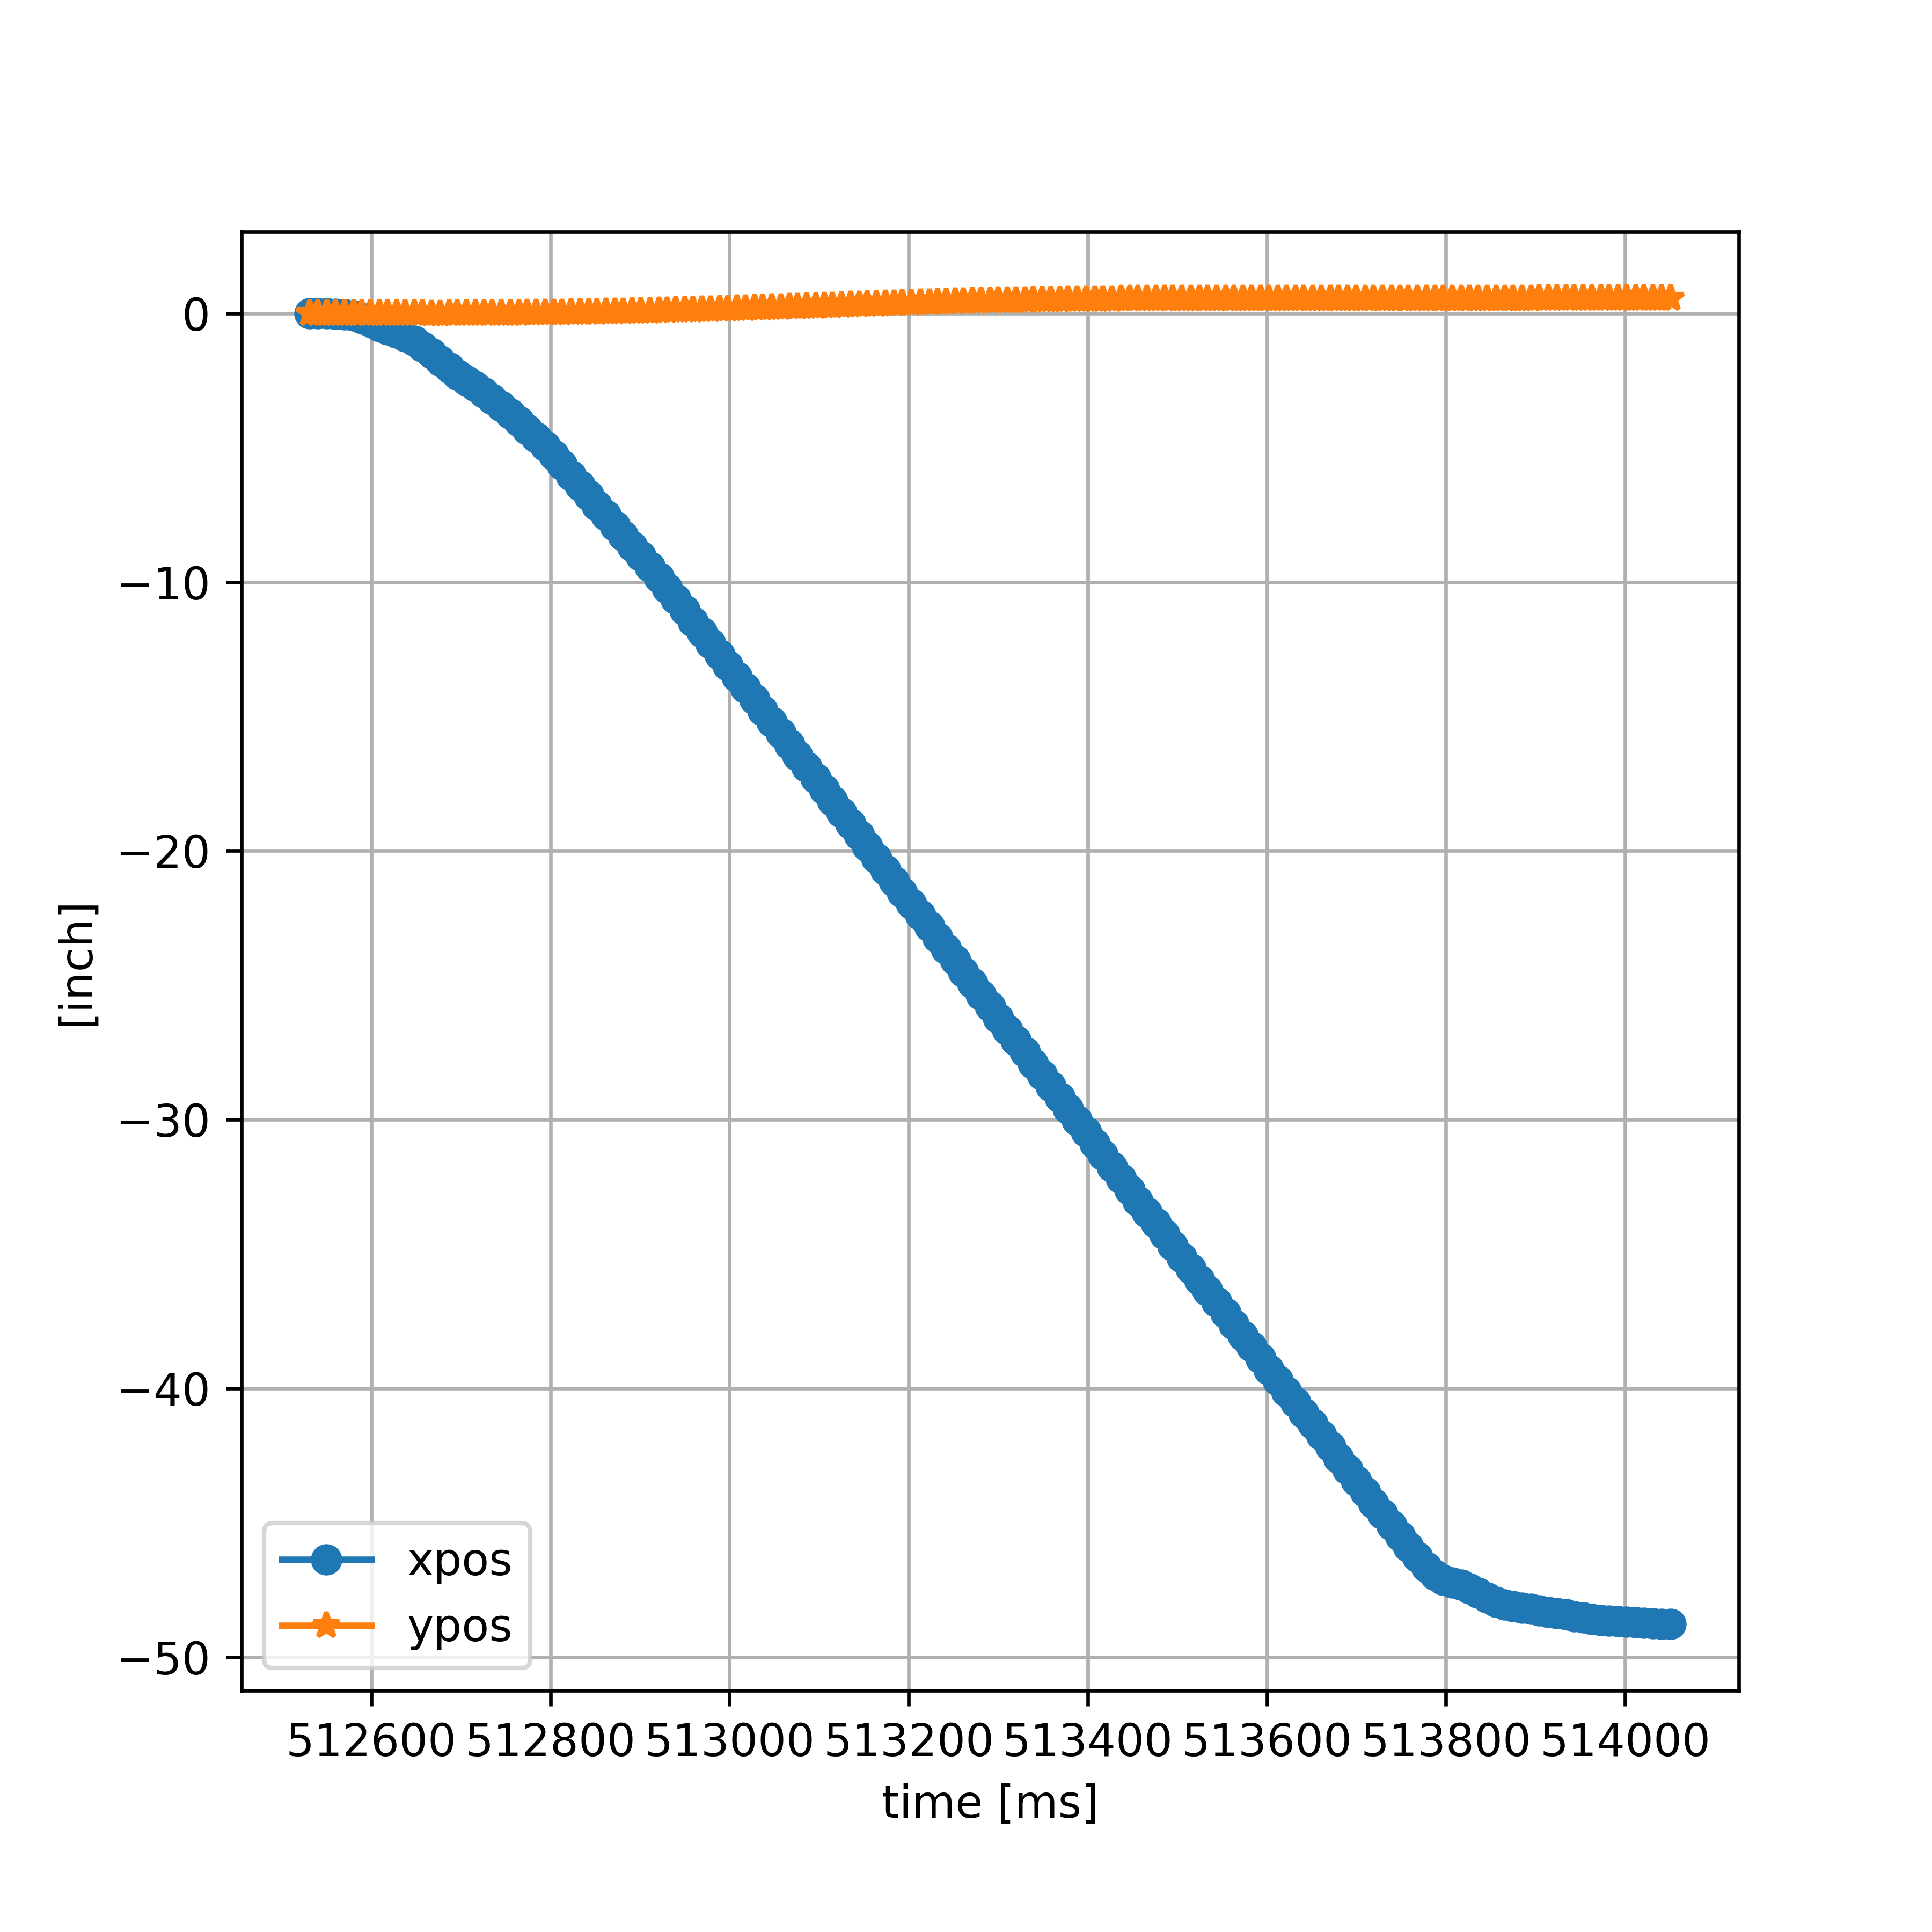
 |  |  |  |  |  | L: -3437.746771, R:3437.746771
 |  |  |  |  |  | Compute | tt: 0, L: -3437.746771, R:3437.746771, yaw: 0.000e+00
512521 | 0 | 0 | 0 | 0 | 0 | PosL: 0.00, goalPosL: -3437.75, posR: 0.00, goalPosR: 3437.75, goalPosSlowR: 3008.03
512531 | 0 | 0 | 0 | 0 | 0 | PosL: 0.00, goalPosL: -3437.75, posR: 0.00, goalPosR: 3437.75, goalPosSlowR: 3008.03
512540 | 0 | 0 | 0 | 0 | 0 | PosL: 0.00, goalPosL: -3437.75, posR: 0.00, goalPosR: 3437.75, goalPosSlowR: 3008.03
512550 | 0 | 0 | 0 | 0 | 0 | PosL: 0.00, goalPosL: -3437.75, posR: 0.00, goalPosR: 3437.75, goalPosSlowR: 3008.03
512560 | 0.06 | -0.01 | 0 | -1 | 0 | PosL: -1.00, goalPosL: -3437.75, posR: 0.00, goalPosR: 3437.75, goalPosSlowR: 3008.03
512570 | 0.11 | -0.03 | 0 | -2 | 0 | PosL: -3.00, goalPosL: -3437.75, posR: 1.00, goalPosR: 3437.75, goalPosSlowR: 3008.03
512580 | 0.17 | -0.08 | 0 | -5 | 0 | PosL: -7.00, goalPosL: -3437.75, posR: 4.00, goalPosR: 3437.75, goalPosSlowR: 3008.03
512589 | 0.22 | -0.18 | 0 | -11.111111111 | 0 | PosL: -14.00, goalPosL: -3437.75, posR: 10.00, goalPosR: 3437.75, goalPosSlowR: 3008.03
512599 | 0.28 | -0.31 | 0 | -13 | 0 | PosL: -25.00, goalPosL: -3437.75, posR: 16.00, goalPosR: 3437.75, goalPosSlowR: 3008.03
512609 | 0.39 | -0.47 | 0 | -16 | 0 | PosL: -37.00, goalPosL: -3437.75, posR: 24.00, goalPosR: 3437.75, goalPosSlowR: 3008.03
512618 | 0.39 | -0.59 | 0 | -13.333333333 | 0 | PosL: -47.00, goalPosL: -3437.75, posR: 32.00, goalPosR: 3437.75, goalPosSlowR: 3008.03
512628 | 0.28 | -0.72 | 0 | -13 | 0 | PosL: -57.00, goalPosL: -3437.75, posR: 40.00, goalPosR: 3437.75, goalPosSlowR: 3008.03
512638 | 0.17 | -0.86 | 0 | -14 | 0 | PosL: -65.00, goalPosL: -3437.75, posR: 47.00, goalPosR: 3437.75, goalPosSlowR: 3008.03
512648 | 0.11 | -1.02 | 0 | -16 | 0 | PosL: -74.00, goalPosL: -3437.75, posR: 58.00, goalPosR: 3437.75, goalPosSlowR: 3008.03
512657 | 0.11 | -1.23 | 0 | -23.333333333 | 0 | PosL: -84.00, goalPosL: -3437.75, posR: 71.00, goalPosR: 3437.75, goalPosSlowR: 3008.03
512667 | 0.06 | -1.47 | -0.01 | -24 | -1 | PosL: -99.00, goalPosL: -3437.75, posR: 85.00, goalPosR: 3437.75, goalPosSlowR: 3008.03
512677 | -0.22 | -1.75 | -0.01 | -28 | 0 | PosL: -115.00, goalPosL: -3437.75, posR: 99.00, goalPosR: 3437.75, goalPosSlowR: 3008.03
512687 | -0.44 | -2.02 | 0 | -27 | 1 | PosL: -132.00, goalPosL: -3437.75, posR: 114.00, goalPosR: 3437.75, goalPosSlowR: 3008.03
512696 | -0.61 | -2.27 | 0 | -27.777777778 | 0 | PosL: -148.00, goalPosL: -3437.75, posR: 131.00, goalPosR: 3437.75, goalPosSlowR: 3008.03
512706 | -0.61 | -2.49 | 0 | -22 | 0 | PosL: -164.00, goalPosL: -3437.75, posR: 148.00, goalPosR: 3437.75, goalPosSlowR: 3008.03
512716 | -0.61 | -2.72 | 0 | -23 | 0 | PosL: -181.00, goalPosL: -3437.75, posR: 166.00, goalPosR: 3437.75, goalPosSlowR: 3008.03
512726 | -0.55 | -2.95 | 0 | -23 | 0 | PosL: -199.00, goalPosL: -3437.75, posR: 184.00, goalPosR: 3437.75, goalPosSlowR: 3008.03
512735 | -0.5 | -3.19 | 0.01 | -26.666666667 | 1.1111111111 | PosL: -217.00, goalPosL: -3437.75, posR: 202.00, goalPosR: 3437.75, goalPosSlowR: 3008.03
512745 | -0.5 | -3.46 | 0.01 | -27 | 0 | PosL: -237.00, goalPosL: -3437.75, posR: 222.00, goalPosR: 3437.75, goalPosSlowR: 3008.03
512755 | -0.55 | -3.73 | 0.01 | -27 | 0 | PosL: -257.00, goalPosL: -3437.75, posR: 243.00, goalPosR: 3437.75, goalPosSlowR: 3008.03
512765 | -0.55 | -4.02 | 0.01 | -29 | 0 | PosL: -278.00, goalPosL: -3437.75, posR: 265.00, goalPosR: 3437.75, goalPosSlowR: 3008.03
512774 | -0.61 | -4.31 | 0.02 | -32.222222222 | 1.1111111111 | PosL: -299.00, goalPosL: -3437.75, posR: 287.00, goalPosR: 3437.75, goalPosSlowR: 3008.03
512784 | -0.66 | -4.61 | 0.02 | -30 | 0 | PosL: -323.00, goalPosL: -3437.75, posR: 310.00, goalPosR: 3437.75, goalPosSlowR: 3008.03
512794 | -0.72 | -4.94 | 0.02 | -33 | 0 | PosL: -347.00, goalPosL: -3437.75, posR: 336.00, goalPosR: 3437.75, goalPosSlowR: 3008.03
512804 | -0.72 | -5.27 | 0.03 | -33 | 1 | PosL: -373.00, goalPosL: -3437.75, posR: 363.00, goalPosR: 3437.75, goalPosSlowR: 3008.03
512813 | -0.77 | -5.64 | 0.03 | -41.111111111 | 0 | PosL: -400.00, goalPosL: -3437.75, posR: 391.00, goalPosR: 3437.75, goalPosSlowR: 3008.03
512823 | -0.77 | -6.02 | 0.04 | -38 | 1 | PosL: -427.00, goalPosL: -3437.75, posR: 419.00, goalPosR: 3437.75, goalPosSlowR: 3008.03
512833 | -0.83 | -6.4 | 0.04 | -38 | 0 | PosL: -455.00, goalPosL: -3437.75, posR: 447.00, goalPosR: 3437.75, goalPosSlowR: 3008.03
512843 | -0.88 | -6.77 | 0.05 | -37 | 1 | PosL: -481.00, goalPosL: -3437.75, posR: 474.00, goalPosR: 3437.75, goalPosSlowR: 3008.03
512852 | -0.88 | -7.15 | 0.05 | -42.222222222 | 0 | PosL: -508.00, goalPosL: -3437.75, posR: 501.00, goalPosR: 3437.75, goalPosSlowR: 3008.03
512862 | -0.88 | -7.51 | 0.06 | -36 | 1 | PosL: -535.00, goalPosL: -3437.75, posR: 528.00, goalPosR: 3437.75, goalPosSlowR: 3008.03
512872 | -0.94 | -7.9 | 0.07 | -39 | 1 | PosL: -561.00, goalPosL: -3437.75, posR: 556.00, goalPosR: 3437.75, goalPosSlowR: 3008.03
512881 | -0.99 | -8.27 | 0.07 | -41.111111111 | 0 | PosL: -589.00, goalPosL: -3437.75, posR: 584.00, goalPosR: 3437.75, goalPosSlowR: 3008.03
512891 | -0.99 | -8.66 | 0.08 | -39 | 1 | PosL: -617.00, goalPosL: -3437.75, posR: 612.00, goalPosR: 3437.75, goalPosSlowR: 3008.03
512901 | -0.99 | -9.03 | 0.09 | -37 | 1 | PosL: -645.00, goalPosL: -3437.75, posR: 640.00, goalPosR: 3437.75, goalPosSlowR: 3008.03
512911 | -1.1 | -9.42 | 0.09 | -39 | 0 | PosL: -673.00, goalPosL: -3437.75, posR: 668.00, goalPosR: 3437.75, goalPosSlowR: 3008.03
512921 | -1.05 | -9.82 | 0.1 | -40 | 1 | PosL: -701.00, goalPosL: -3437.75, posR: 698.00, goalPosR: 3437.75, goalPosSlowR: 3008.03
512930 | -1.05 | -10.23 | 0.11 | -45.555555556 | 1.1111111111 | PosL: -731.00, goalPosL: -3437.75, posR: 727.00, goalPosR: 3437.75, goalPosSlowR: 3008.03
512940 | -1.16 | -10.63 | 0.12 | -40 | 1 | PosL: -760.00, goalPosL: -3437.75, posR: 757.00, goalPosR: 3437.75, goalPosSlowR: 3008.03
512950 | -1.16 | -11.05 | 0.12 | -42 | 0 | PosL: -789.00, goalPosL: -3437.75, posR: 786.00, goalPosR: 3437.75, goalPosSlowR: 3008.03
512959 | -1.27 | -11.46 | 0.13 | -45.555555556 | 1.1111111111 | PosL: -819.00, goalPosL: -3437.75, posR: 817.00, goalPosR: 3437.75, goalPosSlowR: 3008.03
512969 | -1.21 | -11.87 | 0.14 | -41 | 1 | PosL: -849.00, goalPosL: -3437.75, posR: 846.00, goalPosR: 3437.75, goalPosSlowR: 3008.03
512979 | -1.32 | -12.29 | 0.15 | -42 | 1 | PosL: -878.00, goalPosL: -3437.75, posR: 876.00, goalPosR: 3437.75, goalPosSlowR: 3008.03
512989 | -1.27 | -12.7 | 0.16 | -41 | 1 | PosL: -907.00, goalPosL: -3437.75, posR: 906.00, goalPosR: 3437.75, goalPosSlowR: 3008.03
512998 | -1.32 | -13.11 | 0.17 | -45.555555556 | 1.1111111111 | PosL: -937.00, goalPosL: -3437.75, posR: 937.00, goalPosR: 3437.75, goalPosSlowR: 3008.03
513008 | -1.38 | -13.52 | 0.18 | -41 | 1 | PosL: -967.00, goalPosL: -3437.75, posR: 968.00, goalPosR: 3437.75, goalPosSlowR: 3008.03
513018 | -1.38 | -13.94 | 0.19 | -42 | 1 | PosL: -997.00, goalPosL: -3437.75, posR: 999.00, goalPosR: 3437.75, goalPosSlowR: 3008.03
513028 | -1.38 | -14.36 | 0.2 | -42 | 1 | PosL: -1028.00, goalPosL: -3437.75, posR: 1030.00, goalPosR: 3437.75, goalPosSlowR: 3008.03
513037 | -1.43 | -14.78 | 0.21 | -46.666666667 | 1.1111111111 | PosL: -1058.00, goalPosL: -3437.75, posR: 1061.00, goalPosR: 3437.75, goalPosSlowR: 3008.03
513047 | -1.43 | -15.2 | 0.22 | -42 | 1 | PosL: -1089.00, goalPosL: -3437.75, posR: 1092.00, goalPosR: 3437.75, goalPosSlowR: 3008.03
513057 | -1.43 | -15.62 | 0.23 | -42 | 1 | PosL: -1119.00, goalPosL: -3437.75, posR: 1123.00, goalPosR: 3437.75, goalPosSlowR: 3008.03
513067 | -1.43 | -16.04 | 0.24 | -42 | 1 | PosL: -1149.00, goalPosL: -3437.75, posR: 1154.00, goalPosR: 3437.75, goalPosSlowR: 3008.03
513076 | -1.43 | -16.46 | 0.25 | -46.666666667 | 1.1111111111 | PosL: -1179.00, goalPosL: -3437.75, posR: 1185.00, goalPosR: 3437.75, goalPosSlowR: 3008.03
513086 | -1.49 | -16.87 | 0.26 | -41 | 1 | PosL: -1209.00, goalPosL: -3437.75, posR: 1216.00, goalPosR: 3437.75, goalPosSlowR: 3008.03
513096 | -1.49 | -17.29 | 0.27 | -42 | 1 | PosL: -1239.00, goalPosL: -3437.75, posR: 1247.00, goalPosR: 3437.75, goalPosSlowR: 3008.03
513106 | -1.54 | -17.72 | 0.28 | -43 | 1 | PosL: -1270.00, goalPosL: -3437.75, posR: 1278.00, goalPosR: 3437.75, goalPosSlowR: 3008.03
513115 | -1.54 | -18.13 | 0.29 | -45.555555556 | 1.1111111111 | PosL: -1301.00, goalPosL: -3437.75, posR: 1308.00, goalPosR: 3437.75, goalPosSlowR: 3008.03
513125 | -1.54 | -18.57 | 0.3 | -44 | 1 | PosL: -1331.00, goalPosL: -3437.75, posR: 1340.00, goalPosR: 3437.75, goalPosSlowR: 3008.03
513135 | -1.49 | -18.99 | 0.32 | -42 | 2 | PosL: -1363.00, goalPosL: -3437.75, posR: 1371.00, goalPosR: 3437.75, goalPosSlowR: 3008.03
513145 | -1.49 | -19.41 | 0.33 | -42 | 1 | PosL: -1394.00, goalPosL: -3437.75, posR: 1402.00, goalPosR: 3437.75, goalPosSlowR: 3008.03
513154 | -1.49 | -19.84 | 0.34 | -47.777777778 | 1.1111111111 | PosL: -1425.00, goalPosL: -3437.75, posR: 1432.00, goalPosR: 3437.75, goalPosSlowR: 3008.03
513164 | -1.49 | -20.28 | 0.35 | -44 | 1 | PosL: -1456.00, goalPosL: -3437.75, posR: 1463.00, goalPosR: 3437.75, goalPosSlowR: 3008.03
513174 | -1.49 | -20.7 | 0.36 | -42 | 1 | PosL: -1487.00, goalPosL: -3437.75, posR: 1494.00, goalPosR: 3437.75, goalPosSlowR: 3008.03
513184 | -1.43 | -21.12 | 0.37 | -42 | 1 | PosL: -1517.00, goalPosL: -3437.75, posR: 1524.00, goalPosR: 3437.75, goalPosSlowR: 3008.03
513193 | -1.38 | -21.55 | 0.38 | -47.777777778 | 1.1111111111 | PosL: -1549.00, goalPosL: -3437.75, posR: 1554.00, goalPosR: 3437.75, goalPosSlowR: 3008.03
513203 | -1.38 | -21.97 | 0.39 | -42 | 1 | PosL: -1579.00, goalPosL: -3437.75, posR: 1584.00, goalPosR: 3437.75, goalPosSlowR: 3008.03
513213 | -1.32 | -22.38 | 0.4 | -41 | 1 | PosL: -1610.00, goalPosL: -3437.75, posR: 1614.00, goalPosR: 3437.75, goalPosSlowR: 3008.03
513223 | -1.27 | -22.8 | 0.41 | -42 | 1 | PosL: -1641.00, goalPosL: -3437.75, posR: 1644.00, goalPosR: 3437.75, goalPosSlowR: 3008.03
513232 | -1.21 | -23.23 | 0.42 | -47.777777778 | 1.1111111111 | PosL: -1672.00, goalPosL: -3437.75, posR: 1674.00, goalPosR: 3437.75, goalPosSlowR: 3008.03
513242 | -1.21 | -23.65 | 0.43 | -42 | 1 | PosL: -1703.00, goalPosL: -3437.75, posR: 1704.00, goalPosR: 3437.75, goalPosSlowR: 3008.03
513252 | -1.21 | -24.07 | 0.44 | -42 | 1 | PosL: -1734.00, goalPosL: -3437.75, posR: 1734.00, goalPosR: 3437.75, goalPosSlowR: 3008.03
513261 | -1.1 | -24.5 | 0.45 | -47.777777778 | 1.1111111111 | PosL: -1765.00, goalPosL: -3437.75, posR: 1764.00, goalPosR: 3437.75, goalPosSlowR: 3008.03
513271 | -0.99 | -24.93 | 0.46 | -43 | 1 | PosL: -1795.00, goalPosL: -3437.75, posR: 1794.00, goalPosR: 3437.75, goalPosSlowR: 3008.03
513281 | -0.99 | -25.37 | 0.46 | -44 | 0 | PosL: -1826.00, goalPosL: -3437.75, posR: 1824.00, goalPosR: 3437.75, goalPosSlowR: 3008.03
513291 | -0.83 | -25.79 | 0.47 | -42 | 1 | PosL: -1857.00, goalPosL: -3437.75, posR: 1854.00, goalPosR: 3437.75, goalPosSlowR: 3008.03
513300 | -0.83 | -26.22 | 0.48 | -47.777777778 | 1.1111111111 | PosL: -1887.00, goalPosL: -3437.75, posR: 1884.00, goalPosR: 3437.75, goalPosSlowR: 3008.03
513310 | -0.72 | -26.66 | 0.48 | -44 | 0 | PosL: -1917.00, goalPosL: -3437.75, posR: 1915.00, goalPosR: 3437.75, goalPosSlowR: 3008.03
513320 | -0.66 | -27.07 | 0.49 | -41 | 1 | PosL: -1947.00, goalPosL: -3437.75, posR: 1945.00, goalPosR: 3437.75, goalPosSlowR: 3008.03
513330 | -0.72 | -27.49 | 0.49 | -42 | 0 | PosL: -1993.00, goalPosL: -3437.75, posR: 1975.00, goalPosR: 3437.75, goalPosSlowR: 3008.03
513339 | -0.61 | -27.91 | 0.5 | -46.666666667 | 1.1111111111 | PosL: -2023.00, goalPosL: -3437.75, posR: 2005.00, goalPosR: 3437.75, goalPosSlowR: 3008.03
513349 | -0.61 | -28.33 | 0.5 | -42 | 0 | PosL: -2052.00, goalPosL: -3437.75, posR: 2035.00, goalPosR: 3437.75, goalPosSlowR: 3008.03
513359 | -0.55 | -28.76 | 0.51 | -43 | 1 | PosL: -2083.00, goalPosL: -3437.75, posR: 2065.00, goalPosR: 3437.75, goalPosSlowR: 3008.03
513369 | -0.61 | -29.18 | 0.51 | -42 | 0 | PosL: -2113.00, goalPosL: -3437.75, posR: 2096.00, goalPosR: 3437.75, goalPosSlowR: 3008.03
513378 | -0.61 | -29.6 | 0.52 | -46.666666667 | 1.1111111111 | PosL: -2143.00, goalPosL: -3437.75, posR: 2126.00, goalPosR: 3437.75, goalPosSlowR: 3008.03
513388 | -0.5 | -30.04 | 0.52 | -44 | 0 | PosL: -2173.00, goalPosL: -3437.75, posR: 2156.00, goalPosR: 3437.75, goalPosSlowR: 3008.03
513398 | -0.44 | -30.46 | 0.52 | -42 | 0 | PosL: -2203.00, goalPosL: -3437.75, posR: 2186.00, goalPosR: 3437.75, goalPosSlowR: 3008.03
513408 | -0.39 | -30.89 | 0.53 | -43 | 1 | PosL: -2233.00, goalPosL: -3437.75, posR: 2216.00, goalPosR: 3437.75, goalPosSlowR: 3008.03
513417 | -0.28 | -31.32 | 0.53 | -47.777777778 | 0 | PosL: -2263.00, goalPosL: -3437.75, posR: 2245.00, goalPosR: 3437.75, goalPosSlowR: 3008.03
513427 | -0.22 | -31.76 | 0.53 | -44 | 0 | PosL: -2293.00, goalPosL: -3437.75, posR: 2276.00, goalPosR: 3437.75, goalPosSlowR: 3008.03
513437 | -0.11 | -32.19 | 0.54 | -43 | 1 | PosL: -2323.00, goalPosL: -3437.75, posR: 2305.00, goalPosR: 3437.75, goalPosSlowR: 3008.03
513447 | -0.11 | -32.61 | 0.54 | -42 | 0 | PosL: -2353.00, goalPosL: -3437.75, posR: 2336.00, goalPosR: 3437.75, goalPosSlowR: 3008.03
513456 | -0.11 | -33.03 | 0.54 | -46.666666667 | 0 | PosL: -2383.00, goalPosL: -3437.75, posR: 2366.00, goalPosR: 3437.75, goalPosSlowR: 3008.03
513466 | -0.11 | -33.45 | 0.54 | -42 | 0 | PosL: -2413.00, goalPosL: -3437.75, posR: 2396.00, goalPosR: 3437.75, goalPosSlowR: 3008.03
513476 | -0.06 | -33.86 | 0.54 | -41 | 0 | PosL: -2443.00, goalPosL: -3437.75, posR: 2426.00, goalPosR: 3437.75, goalPosSlowR: 3008.03
513486 | -0.06 | -34.28 | 0.54 | -42 | 0 | PosL: -2473.00, goalPosL: -3437.75, posR: 2455.00, goalPosR: 3437.75, goalPosSlowR: 3008.03
513495 | -0.06 | -34.7 | 0.54 | -46.666666667 | 0 | PosL: -2502.00, goalPosL: -3437.75, posR: 2484.00, goalPosR: 3437.75, goalPosSlowR: 3008.03
513505 | -0.06 | -35.12 | 0.54 | -42 | 0 | PosL: -2533.00, goalPosL: -3437.75, posR: 2514.00, goalPosR: 3437.75, goalPosSlowR: 3008.03
513515 | -0.06 | -35.54 | 0.54 | -42 | 0 | PosL: -2563.00, goalPosL: -3437.75, posR: 2544.00, goalPosR: 3437.75, goalPosSlowR: 3008.03
513525 | -0.06 | -35.96 | 0.54 | -42 | 0 | PosL: -2593.00, goalPosL: -3437.75, posR: 2574.00, goalPosR: 3437.75, goalPosSlowR: 3008.03
513534 | -0.06 | -36.36 | 0.54 | -44.444444444 | 0 | PosL: -2623.00, goalPosL: -3437.75, posR: 2604.00, goalPosR: 3437.75, goalPosSlowR: 3008.03
513544 | -0.11 | -36.79 | 0.54 | -43 | 0 | PosL: -2653.00, goalPosL: -3437.75, posR: 2635.00, goalPosR: 3437.75, goalPosSlowR: 3008.03
513554 | 0 | -37.2 | 0.54 | -41 | 0 | PosL: -2683.00, goalPosL: -3437.75, posR: 2666.00, goalPosR: 3437.75, goalPosSlowR: 3008.03
513563 | 0.06 | -37.62 | 0.54 | -46.666666667 | 0 | PosL: -2713.00, goalPosL: -3437.75, posR: 2696.00, goalPosR: 3437.75, goalPosSlowR: 3008.03
513573 | 0 | -38.04 | 0.54 | -42 | 0 | PosL: -2743.00, goalPosL: -3437.75, posR: 2726.00, goalPosR: 3437.75, goalPosSlowR: 3008.03
513583 | 0.06 | -38.45 | 0.54 | -41 | 0 | PosL: -2773.00, goalPosL: -3437.75, posR: 2756.00, goalPosR: 3437.75, goalPosSlowR: 3008.03
513593 | 0 | -38.88 | 0.54 | -43 | 0 | PosL: -2803.00, goalPosL: -3437.75, posR: 2785.00, goalPosR: 3437.75, goalPosSlowR: 3008.03
513602 | 0 | -39.3 | 0.54 | -46.666666667 | 0 | PosL: -2833.00, goalPosL: -3437.75, posR: 2815.00, goalPosR: 3437.75, goalPosSlowR: 3008.03
513612 | -0.06 | -39.71 | 0.54 | -41 | 0 | PosL: -2863.00, goalPosL: -3437.75, posR: 2845.00, goalPosR: 3437.75, goalPosSlowR: 3008.03
513622 | -0.06 | -40.12 | 0.54 | -41 | 0 | PosL: -2893.00, goalPosL: -3437.75, posR: 2874.00, goalPosR: 3437.75, goalPosSlowR: 3008.03
513632 | 0 | -40.53 | 0.54 | -41 | 0 | PosL: -2923.00, goalPosL: -3437.75, posR: 2904.00, goalPosR: 3437.75, goalPosSlowR: 3008.03
513641 | 0 | -40.93 | 0.54 | -44.444444444 | 0 | PosL: -2953.00, goalPosL: -3437.75, posR: 2935.00, goalPosR: 3437.75, goalPosSlowR: 3008.03
513651 | 0.06 | -41.33 | 0.54 | -40 | 0 | PosL: -2983.00, goalPosL: -3437.75, posR: 2964.00, goalPosR: 3437.75, goalPosSlowR: 3008.03
513661 | 0.06 | -41.75 | 0.54 | -42 | 0 | PosL: -3012.00, goalPosL: -3437.75, posR: 2994.00, goalPosR: 3437.75, goalPosSlowR: 3008.03
513671 | 0.06 | -42.17 | 0.54 | -42 | 0 | PosL: -3042.00, goalPosL: -3437.75, posR: 3024.00, goalPosR: 3437.75, goalPosSlowR: 3008.03
513680 | 0 | -42.59 | 0.54 | -46.666666667 | 0 | BotStopping | tt: 0, L: -3073.00, R: 3054.00, rev
513690 | 0 | -43.01 | 0.54 | -42 | 0 | BotStopping | tt: 0, L: -3103.00, R: 3085.00, rev
513700 | -0.06 | -43.44 | 0.54 | -43 | 0 | BotStopping | tt: 0, L: -3133.00, R: 3115.00, rev
513710 | 0 | -43.85 | 0.54 | -41 | 0 | BotStopping | tt: 0, L: -3163.00, R: 3145.00, rev
513719 | 0 | -44.27 | 0.54 | -46.666666667 | 0 | BotStopping | tt: 0, L: -3193.00, R: 3174.00, rev
513729 | 0.06 | -44.68 | 0.54 | -41 | 0 | BotStopping | tt: 0, L: -3223.00, R: 3204.00, rev
513739 | -0.06 | -45.09 | 0.54 | -41 | 0 | BotStopping | tt: 0, L: -3251.00, R: 3234.00, rev
513749 | -0.11 | -45.5 | 0.54 | -41 | 0 | BotStopping | tt: 0, L: -3281.00, R: 3262.00, rev
513758 | -0.06 | -45.9 | 0.54 | -44.444444444 | 0 | BotStopping | tt: 0, L: -3309.00, R: 3290.00, rev
513768 | -0.11 | -46.28 | 0.54 | -38 | 0 | BotStop | tt: 0, L: -3336.00, R: 3318.00
513778 | -0.11 | -46.66 | 0.55 | -38 | 1 | BotStop | tt: 0, L: -3361.00, R: 3343.00
513788 | -0.11 | -46.96 | 0.55 | -30 | 0 | BotStop | tt: 0, L: -3378.00, R: 3358.00
513797 | -0.22 | -47.13 | 0.55 | -18.888888889 | 0 | BotStop | tt: 0, L: -3387.00, R: 3366.00
513807 | -0.28 | -47.24 | 0.55 | -11 | 0 | BotStop | tt: 0, L: -3394.00, R: 3371.00
513817 | -0.28 | -47.32 | 0.55 | -8 | 0 | BotStop | tt: 0, L: -3402.00, R: 3376.00
513826 | -0.33 | -47.45 | 0.55 | -14.444444444 | 0 | BotStop | tt: 0, L: -3410.00, R: 3381.00
513836 | -0.33 | -47.61 | 0.55 | -16 | 0 | BotStop | tt: 0, L: -3416.00, R: 3386.00
513846 | -0.33 | -47.79 | 0.55 | -18 | 0 | BotStop | tt: 0, L: -3421.00, R: 3392.00
513856 | -0.39 | -47.95 | 0.55 | -16 | 0 | BotStop | tt: 0, L: -3425.00, R: 3400.00
513866 | -0.55 | -48.05 | 0.55 | -10 | 0 | BotStop | tt: 0, L: -3429.00, R: 3408.00
513875 | -0.83 | -48.12 | 0.55 | -7.7777777778 | 0 | BotStop | tt: 0, L: -3435.00, R: 3418.00
513885 | -1.05 | -48.17 | 0.55 | -5 | 0 | BotStop | tt: 0, L: -3441.00, R: 3426.00
513895 | -1.43 | -48.22 | 0.55 | -5 | 0 | BotStop | tt: 0, L: -3447.00, R: 3434.00
513904 | -1.77 | -48.28 | 0.56 | -6.6666666667 | 1.1111111111 | BotStop | tt: 0, L: -3455.00, R: 3441.00
513914 | -2.04 | -48.33 | 0.56 | -5 | 0 | BotStop | tt: 0, L: -3462.00, R: 3447.00
513924 | -2.32 | -48.37 | 0.56 | -4 | 0 | BotStop | tt: 0, L: -3467.00, R: 3452.00
513934 | -2.37 | -48.42 | 0.56 | -5 | 0 | BotStop | tt: 0, L: -3473.00, R: 3456.00
513943 | -2.32 | -48.49 | 0.56 | -7.7777777778 | 0 | BotStop | tt: 0, L: -3477.00, R: 3460.00
513953 | -2.21 | -48.54 | 0.57 | -5 | 1 | BotStop | tt: 0, L: -3480.00, R: 3463.00
513963 | -2.15 | -48.59 | 0.57 | -5 | 0 | BotStop | tt: 0, L: -3483.00, R: 3465.00
513973 | -1.99 | -48.63 | 0.57 | -4 | 0 | BotStop | tt: 0, L: -3486.00, R: 3467.00
513982 | -1.93 | -48.66 | 0.57 | -3.3333333333 | 0 | BotStop | tt: 0, L: -3489.00, R: 3468.00
513992 | -1.88 | -48.68 | 0.57 | -2 | 0 | BotStop | tt: 0, L: -3491.00, R: 3469.00
514002 | -1.77 | -48.7 | 0.57 | -2 | 0 | BotStop | tt: 0, L: -3493.00, R: 3469.00
514012 | -1.66 | -48.71 | 0.57 | -1 | 0 | BotStop | tt: 0, L: -3495.00, R: 3470.00
514021 | -1.6 | -48.73 | 0.57 | -2.2222222222 | 0 | BotStop | tt: 0, L: -3497.00, R: 3470.00
514031 | -1.43 | -48.75 | 0.57 | -2 | 0 | BotStop | tt: 0, L: -3500.00, R: 3470.00
514041 | -1.32 | -48.77 | 0.57 | -2 | 0 | BotStop | tt: 0, L: -3502.00, R: 3470.00
514051 | -1.21 | -48.78 | 0.57 | -1 | 0 | BotStop | tt: 0, L: -3504.00, R: 3470.00
514060 | -1.16 | -48.8 | 0.57 | -2.2222222222 | 0 | BotStop | tt: 0, L: -3507.00, R: 3472.00

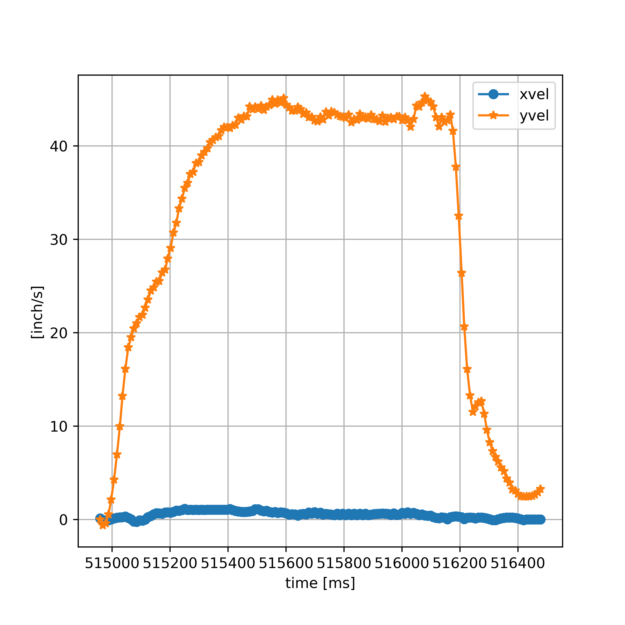
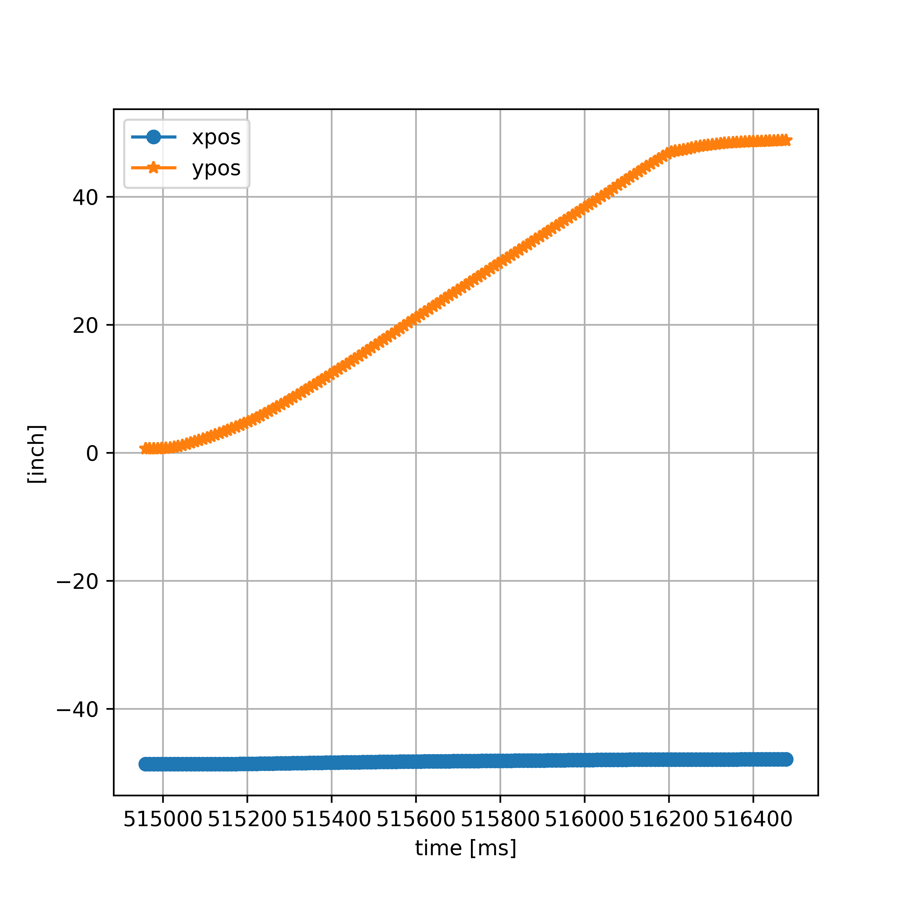
 |  |  |  |  |  | running moveTestNoCamAssist
 |  |  |  |  |  | L: 3437.746771, R:-3437.746771
 |  |  |  |  |  | Compute | tt: 0, L: 3437.746771, R:-3437.746771, yaw: 0.000e+00
514948 | 90.32 | -48.67 | 0.64 | 0 | 0 | PosL: -4327.00, goalPosL: -889.25, posR: 2654.00, goalPosR: -783.75, goalPosSlowR: -354.03
514959 | 90.26 | -48.67 | 0.64 | 0 | 0 | PosL: -4327.00, goalPosL: -889.25, posR: 2655.00, goalPosR: -783.75, goalPosSlowR: -354.03
514968 | 90.21 | -48.67 | 0.63 | 0 | -1.1111111111 | PosL: -4326.00, goalPosL: -889.25, posR: 2655.00, goalPosR: -783.75, goalPosSlowR: -354.03
514978 | 90.21 | -48.67 | 0.63 | 0 | 0 | PosL: -4325.00, goalPosL: -889.25, posR: 2655.00, goalPosR: -783.75, goalPosSlowR: -354.03
514988 | 90.1 | -48.67 | 0.64 | 0 | 1 | PosL: -4324.00, goalPosL: -889.25, posR: 2654.00, goalPosR: -783.75, goalPosSlowR: -354.03
514997 | 89.93 | -48.67 | 0.66 | 0 | 2.2222222222 | PosL: -4323.00, goalPosL: -889.25, posR: 2654.00, goalPosR: -783.75, goalPosSlowR: -354.03
515007 | 89.66 | -48.67 | 0.7 | 0 | 4 | PosL: -4319.00, goalPosL: -889.25, posR: 2651.00, goalPosR: -783.75, goalPosSlowR: -354.03
515017 | 89.38 | -48.67 | 0.76 | 0 | 6 | PosL: -4314.00, goalPosL: -889.25, posR: 2646.00, goalPosR: -783.75, goalPosSlowR: -354.03
515027 | 89.27 | -48.67 | 0.85 | 0 | 9 | PosL: -4306.00, goalPosL: -889.25, posR: 2636.00, goalPosR: -783.75, goalPosSlowR: -354.03
515036 | 89.32 | -48.66 | 0.98 | 1.1111111111 | 14.444444444 | PosL: -4297.00, goalPosL: -889.25, posR: 2623.00, goalPosR: -783.75, goalPosSlowR: -354.03
515046 | 89.6 | -48.66 | 1.14 | 0 | 16 | PosL: -4285.00, goalPosL: -889.25, posR: 2606.00, goalPosR: -783.75, goalPosSlowR: -354.03
515056 | 90.04 | -48.66 | 1.33 | 0 | 19 | PosL: -4269.00, goalPosL: -889.25, posR: 2588.00, goalPosR: -783.75, goalPosSlowR: -354.03
515066 | 90.37 | -48.66 | 1.54 | 0 | 21 | PosL: -4251.00, goalPosL: -889.25, posR: 2573.00, goalPosR: -783.75, goalPosSlowR: -354.03
515075 | 90.54 | -48.66 | 1.73 | 0 | 21.111111111 | PosL: -4229.00, goalPosL: -889.25, posR: 2556.00, goalPosR: -783.75, goalPosSlowR: -354.03
515085 | 90.43 | -48.66 | 1.93 | 0 | 20 | PosL: -4205.00, goalPosL: -889.25, posR: 2540.00, goalPosR: -783.75, goalPosSlowR: -354.03
515095 | 90.15 | -48.67 | 2.13 | -1 | 20 | PosL: -4185.00, goalPosL: -889.25, posR: 2524.00, goalPosR: -783.75, goalPosSlowR: -354.03
515105 | 89.77 | -48.67 | 2.33 | 0 | 20 | PosL: -4167.00, goalPosL: -889.25, posR: 2510.00, goalPosR: -783.75, goalPosSlowR: -354.03
515114 | 89.54 | -48.67 | 2.56 | 0 | 25.555555556 | PosL: -4152.00, goalPosL: -889.25, posR: 2499.00, goalPosR: -783.75, goalPosSlowR: -354.03
515124 | 89.27 | -48.66 | 2.8 | 1 | 24 | PosL: -4136.00, goalPosL: -889.25, posR: 2488.00, goalPosR: -783.75, goalPosSlowR: -354.03
515134 | 88.99 | -48.66 | 3.04 | 0 | 24 | PosL: -4119.00, goalPosL: -889.25, posR: 2476.00, goalPosR: -783.75, goalPosSlowR: -354.03
515144 | 88.77 | -48.66 | 3.28 | 0 | 24 | PosL: -4100.00, goalPosL: -889.25, posR: 2460.00, goalPosR: -783.75, goalPosSlowR: -354.03
515153 | 88.55 | -48.65 | 3.52 | 1.1111111111 | 26.666666667 | PosL: -4082.00, goalPosL: -889.25, posR: 2444.00, goalPosR: -783.75, goalPosSlowR: -354.03
515163 | 88.44 | -48.64 | 3.77 | 1 | 25 | PosL: -4063.00, goalPosL: -889.25, posR: 2426.00, goalPosR: -783.75, goalPosSlowR: -354.03
515173 | 88.39 | -48.64 | 4.03 | 0 | 26 | PosL: -4045.00, goalPosL: -889.25, posR: 2408.00, goalPosR: -783.75, goalPosSlowR: -354.03
515183 | 88.39 | -48.63 | 4.29 | 1 | 26 | PosL: -4027.00, goalPosL: -889.25, posR: 2390.00, goalPosR: -783.75, goalPosSlowR: -354.03
515192 | 88.39 | -48.62 | 4.56 | 1.1111111111 | 30 | PosL: -4007.00, goalPosL: -889.25, posR: 2371.00, goalPosR: -783.75, goalPosSlowR: -354.03
515202 | 88.39 | -48.62 | 4.84 | 0 | 28 | PosL: -3987.00, goalPosL: -889.25, posR: 2352.00, goalPosR: -783.75, goalPosSlowR: -354.03
515212 | 88.33 | -48.61 | 5.14 | 1 | 30 | PosL: -3967.00, goalPosL: -889.25, posR: 2332.00, goalPosR: -783.75, goalPosSlowR: -354.03
515222 | 88.33 | -48.6 | 5.44 | 1 | 30 | PosL: -3945.00, goalPosL: -889.25, posR: 2310.00, goalPosR: -783.75, goalPosSlowR: -354.03
515231 | 88.39 | -48.59 | 5.77 | 1.1111111111 | 36.666666667 | PosL: -3923.00, goalPosL: -889.25, posR: 2287.00, goalPosR: -783.75, goalPosSlowR: -354.03
515241 | 88.39 | -48.58 | 6.11 | 1 | 34 | PosL: -3899.00, goalPosL: -889.25, posR: 2264.00, goalPosR: -783.75, goalPosSlowR: -354.03
515251 | 88.39 | -48.57 | 6.46 | 1 | 35 | PosL: -3874.00, goalPosL: -889.25, posR: 2238.00, goalPosR: -783.75, goalPosSlowR: -354.03
515261 | 88.33 | -48.56 | 6.81 | 1 | 35 | PosL: -3849.00, goalPosL: -889.25, posR: 2213.00, goalPosR: -783.75, goalPosSlowR: -354.03
515270 | 88.44 | -48.55 | 7.16 | 1.1111111111 | 38.888888889 | PosL: -3823.00, goalPosL: -889.25, posR: 2187.00, goalPosR: -783.75, goalPosSlowR: -354.03
515280 | 88.44 | -48.54 | 7.52 | 1 | 36 | PosL: -3797.00, goalPosL: -889.25, posR: 2160.00, goalPosR: -783.75, goalPosSlowR: -354.03
515290 | 88.5 | -48.53 | 7.89 | 1 | 37 | PosL: -3772.00, goalPosL: -889.25, posR: 2134.00, goalPosR: -783.75, goalPosSlowR: -354.03
515300 | 88.44 | -48.52 | 8.28 | 1 | 39 | PosL: -3746.00, goalPosL: -889.25, posR: 2106.00, goalPosR: -783.75, goalPosSlowR: -354.03
515309 | 88.5 | -48.51 | 8.65 | 1.1111111111 | 41.111111111 | PosL: -3719.00, goalPosL: -889.25, posR: 2079.00, goalPosR: -783.75, goalPosSlowR: -354.03
515319 | 88.55 | -48.5 | 9.03 | 1 | 38 | PosL: -3692.00, goalPosL: -889.25, posR: 2051.00, goalPosR: -783.75, goalPosSlowR: -354.03
515329 | 88.61 | -48.49 | 9.42 | 1 | 39 | PosL: -3665.00, goalPosL: -889.25, posR: 2023.00, goalPosR: -783.75, goalPosSlowR: -354.03
515339 | 88.61 | -48.48 | 9.81 | 1 | 39 | PosL: -3637.00, goalPosL: -889.25, posR: 1995.00, goalPosR: -783.75, goalPosSlowR: -354.03
515348 | 88.61 | -48.47 | 10.2 | 1.1111111111 | 43.333333333 | PosL: -3610.00, goalPosL: -889.25, posR: 1967.00, goalPosR: -783.75, goalPosSlowR: -354.03
515358 | 88.55 | -48.46 | 10.6 | 1 | 40 | PosL: -3582.00, goalPosL: -889.25, posR: 1938.00, goalPosR: -783.75, goalPosSlowR: -354.03
515368 | 88.55 | -48.45 | 11 | 1 | 40 | PosL: -3553.00, goalPosL: -889.25, posR: 1910.00, goalPosR: -783.75, goalPosSlowR: -354.03
515377 | 88.61 | -48.44 | 11.4 | 1.1111111111 | 44.444444444 | PosL: -3525.00, goalPosL: -889.25, posR: 1880.00, goalPosR: -783.75, goalPosSlowR: -354.03
515387 | 88.66 | -48.43 | 11.8 | 1 | 40 | PosL: -3497.00, goalPosL: -889.25, posR: 1852.00, goalPosR: -783.75, goalPosSlowR: -354.03
515397 | 88.66 | -48.42 | 12.21 | 1 | 41 | PosL: -3468.00, goalPosL: -889.25, posR: 1822.00, goalPosR: -783.75, goalPosSlowR: -354.03
515407 | 88.77 | -48.41 | 12.62 | 1 | 41 | PosL: -3439.00, goalPosL: -889.25, posR: 1792.00, goalPosR: -783.75, goalPosSlowR: -354.03
515416 | 88.77 | -48.4 | 13.04 | 1.1111111111 | 46.666666667 | PosL: -3410.00, goalPosL: -889.25, posR: 1763.00, goalPosR: -783.75, goalPosSlowR: -354.03
515426 | 88.72 | -48.39 | 13.45 | 1 | 41 | PosL: -3381.00, goalPosL: -889.25, posR: 1734.00, goalPosR: -783.75, goalPosSlowR: -354.03
515436 | 88.66 | -48.38 | 13.86 | 1 | 41 | PosL: -3351.00, goalPosL: -889.25, posR: 1704.00, goalPosR: -783.75, goalPosSlowR: -354.03
515446 | 88.72 | -48.37 | 14.27 | 1 | 41 | PosL: -3322.00, goalPosL: -889.25, posR: 1674.00, goalPosR: -783.75, goalPosSlowR: -354.03
515455 | 88.72 | -48.37 | 14.69 | 0 | 46.666666667 | PosL: -3293.00, goalPosL: -889.25, posR: 1645.00, goalPosR: -783.75, goalPosSlowR: -354.03
515465 | 88.77 | -48.36 | 15.12 | 1 | 43 | PosL: -3263.00, goalPosL: -889.25, posR: 1615.00, goalPosR: -783.75, goalPosSlowR: -354.03
515475 | 88.77 | -48.35 | 15.55 | 1 | 43 | PosL: -3233.00, goalPosL: -889.25, posR: 1585.00, goalPosR: -783.75, goalPosSlowR: -354.03
515485 | 88.83 | -48.34 | 15.98 | 1 | 43 | PosL: -3203.00, goalPosL: -889.25, posR: 1554.00, goalPosR: -783.75, goalPosSlowR: -354.03
515494 | 88.88 | -48.33 | 16.4 | 1.1111111111 | 46.666666667 | PosL: -3173.00, goalPosL: -889.25, posR: 1524.00, goalPosR: -783.75, goalPosSlowR: -354.03
515504 | 88.88 | -48.32 | 16.83 | 1 | 43 | PosL: -3143.00, goalPosL: -889.25, posR: 1492.00, goalPosR: -783.75, goalPosSlowR: -354.03
515514 | 88.88 | -48.31 | 17.27 | 1 | 44 | PosL: -3112.00, goalPosL: -889.25, posR: 1461.00, goalPosR: -783.75, goalPosSlowR: -354.03
515524 | 88.94 | -48.3 | 17.69 | 1 | 42 | PosL: -3082.00, goalPosL: -889.25, posR: 1430.00, goalPosR: -783.75, goalPosSlowR: -354.03
515533 | 88.99 | -48.29 | 18.12 | 1.1111111111 | 47.777777778 | PosL: -3051.00, goalPosL: -889.25, posR: 1399.00, goalPosR: -783.75, goalPosSlowR: -354.03
515543 | 88.99 | -48.29 | 18.55 | 0 | 43 | PosL: -3021.00, goalPosL: -889.25, posR: 1368.00, goalPosR: -783.75, goalPosSlowR: -354.03
515553 | 88.99 | -48.28 | 18.98 | 1 | 43 | PosL: -2990.00, goalPosL: -889.25, posR: 1336.00, goalPosR: -783.75, goalPosSlowR: -354.03
515563 | 89.1 | -48.27 | 19.42 | 1 | 44 | PosL: -2959.00, goalPosL: -889.25, posR: 1304.00, goalPosR: -783.75, goalPosSlowR: -354.03
515572 | 89.1 | -48.26 | 19.86 | 1.1111111111 | 48.888888889 | PosL: -2928.00, goalPosL: -889.25, posR: 1272.00, goalPosR: -783.75, goalPosSlowR: -354.03
515582 | 89.1 | -48.26 | 20.3 | 0 | 44 | PosL: -2897.00, goalPosL: -889.25, posR: 1240.00, goalPosR: -783.75, goalPosSlowR: -354.03
515592 | 89.1 | -48.25 | 20.73 | 1 | 43 | PosL: -2865.00, goalPosL: -889.25, posR: 1208.00, goalPosR: -783.75, goalPosSlowR: -354.03
515602 | 89.21 | -48.24 | 21.16 | 1 | 43 | PosL: -2834.00, goalPosL: -889.25, posR: 1176.00, goalPosR: -783.75, goalPosSlowR: -354.03
515611 | 89.27 | -48.24 | 21.59 | 0 | 47.777777778 | PosL: -2803.00, goalPosL: -889.25, posR: 1144.00, goalPosR: -783.75, goalPosSlowR: -354.03
515621 | 89.27 | -48.23 | 22.02 | 1 | 43 | PosL: -2771.00, goalPosL: -889.25, posR: 1113.00, goalPosR: -783.75, goalPosSlowR: -354.03
515631 | 89.21 | -48.23 | 22.45 | 0 | 43 | PosL: -2741.00, goalPosL: -889.25, posR: 1082.00, goalPosR: -783.75, goalPosSlowR: -354.03
515641 | 89.21 | -48.22 | 22.87 | 1 | 42 | PosL: -2710.00, goalPosL: -889.25, posR: 1052.00, goalPosR: -783.75, goalPosSlowR: -354.03
515650 | 89.27 | -48.22 | 23.29 | 0 | 46.666666667 | PosL: -2679.00, goalPosL: -889.25, posR: 1022.00, goalPosR: -783.75, goalPosSlowR: -354.03
515660 | 89.21 | -48.21 | 23.72 | 1 | 43 | PosL: -2649.00, goalPosL: -889.25, posR: 992.00, goalPosR: -783.75, goalPosSlowR: -354.03
515670 | 89.1 | -48.21 | 24.14 | 0 | 42 | PosL: -2618.00, goalPosL: -889.25, posR: 962.00, goalPosR: -783.75, goalPosSlowR: -354.03
515679 | 89.1 | -48.2 | 24.56 | 1.1111111111 | 46.666666667 | PosL: -2587.00, goalPosL: -889.25, posR: 932.00, goalPosR: -783.75, goalPosSlowR: -354.03
515689 | 89.1 | -48.19 | 24.97 | 1 | 41 | PosL: -2557.00, goalPosL: -889.25, posR: 903.00, goalPosR: -783.75, goalPosSlowR: -354.03
515699 | 89.1 | -48.19 | 25.39 | 0 | 42 | PosL: -2527.00, goalPosL: -889.25, posR: 873.00, goalPosR: -783.75, goalPosSlowR: -354.03
515709 | 89.1 | -48.18 | 25.81 | 1 | 42 | PosL: -2496.00, goalPosL: -889.25, posR: 843.00, goalPosR: -783.75, goalPosSlowR: -354.03
515719 | 89.16 | -48.17 | 26.24 | 1 | 43 | PosL: -2465.00, goalPosL: -889.25, posR: 812.00, goalPosR: -783.75, goalPosSlowR: -354.03
515728 | 89.21 | -48.17 | 26.65 | 0 | 45.555555556 | PosL: -2435.00, goalPosL: -889.25, posR: 782.00, goalPosR: -783.75, goalPosSlowR: -354.03
515738 | 89.32 | -48.16 | 27.07 | 1 | 42 | PosL: -2405.00, goalPosL: -889.25, posR: 752.00, goalPosR: -783.75, goalPosSlowR: -354.03
515748 | 89.32 | -48.16 | 27.49 | 0 | 42 | PosL: -2374.00, goalPosL: -889.25, posR: 722.00, goalPosR: -783.75, goalPosSlowR: -354.03
515757 | 89.32 | -48.15 | 27.91 | 1.1111111111 | 46.666666667 | PosL: -2344.00, goalPosL: -889.25, posR: 692.00, goalPosR: -783.75, goalPosSlowR: -354.03
515767 | 89.32 | -48.15 | 28.32 | 0 | 41 | PosL: -2298.00, goalPosL: -889.25, posR: 662.00, goalPosR: -783.75, goalPosSlowR: -354.03
515777 | 89.32 | -48.14 | 28.76 | 1 | 44 | PosL: -2268.00, goalPosL: -889.25, posR: 633.00, goalPosR: -783.75, goalPosSlowR: -354.03
515787 | 89.32 | -48.14 | 29.18 | 0 | 42 | PosL: -2238.00, goalPosL: -889.25, posR: 602.00, goalPosR: -783.75, goalPosSlowR: -354.03
515796 | 89.32 | -48.13 | 29.6 | 1.1111111111 | 46.666666667 | PosL: -2207.00, goalPosL: -889.25, posR: 572.00, goalPosR: -783.75, goalPosSlowR: -354.03
515806 | 89.32 | -48.13 | 30.01 | 0 | 41 | PosL: -2177.00, goalPosL: -889.25, posR: 542.00, goalPosR: -783.75, goalPosSlowR: -354.03
515816 | 89.32 | -48.12 | 30.43 | 1 | 42 | PosL: -2147.00, goalPosL: -889.25, posR: 512.00, goalPosR: -783.75, goalPosSlowR: -354.03
515826 | 89.32 | -48.12 | 30.85 | 0 | 42 | PosL: -2117.00, goalPosL: -889.25, posR: 482.00, goalPosR: -783.75, goalPosSlowR: -354.03
515835 | 89.27 | -48.11 | 31.26 | 1.1111111111 | 45.555555556 | PosL: -2087.00, goalPosL: -889.25, posR: 452.00, goalPosR: -783.75, goalPosSlowR: -354.03
515845 | 89.32 | -48.11 | 31.69 | 0 | 43 | PosL: -2057.00, goalPosL: -889.25, posR: 422.00, goalPosR: -783.75, goalPosSlowR: -354.03
515855 | 89.27 | -48.1 | 32.1 | 1 | 41 | PosL: -2027.00, goalPosL: -889.25, posR: 392.00, goalPosR: -783.75, goalPosSlowR: -354.03
515865 | 89.27 | -48.1 | 32.52 | 0 | 42 | PosL: -1997.00, goalPosL: -889.25, posR: 362.00, goalPosR: -783.75, goalPosSlowR: -354.03
515874 | 89.27 | -48.09 | 32.94 | 1.1111111111 | 46.666666667 | PosL: -1967.00, goalPosL: -889.25, posR: 331.00, goalPosR: -783.75, goalPosSlowR: -354.03
515884 | 89.27 | -48.09 | 33.36 | 0 | 42 | PosL: -1937.00, goalPosL: -889.25, posR: 300.00, goalPosR: -783.75, goalPosSlowR: -354.03
515894 | 89.32 | -48.08 | 33.78 | 1 | 42 | PosL: -1906.00, goalPosL: -889.25, posR: 270.00, goalPosR: -783.75, goalPosSlowR: -354.03
515904 | 89.21 | -48.08 | 34.2 | 0 | 42 | PosL: -1876.00, goalPosL: -889.25, posR: 240.00, goalPosR: -783.75, goalPosSlowR: -354.03
515913 | 89.27 | -48.07 | 34.61 | 1.1111111111 | 45.555555556 | PosL: -1846.00, goalPosL: -889.25, posR: 210.00, goalPosR: -783.75, goalPosSlowR: -354.03
515923 | 89.27 | -48.07 | 35.03 | 0 | 42 | PosL: -1816.00, goalPosL: -889.25, posR: 180.00, goalPosR: -783.75, goalPosSlowR: -354.03
515933 | 89.27 | -48.06 | 35.45 | 1 | 42 | PosL: -1787.00, goalPosL: -889.25, posR: 150.00, goalPosR: -783.75, goalPosSlowR: -354.03
515943 | 89.32 | -48.05 | 35.86 | 1 | 41 | PosL: -1757.00, goalPosL: -889.25, posR: 120.00, goalPosR: -783.75, goalPosSlowR: -354.03
515952 | 89.32 | -48.05 | 36.28 | 0 | 46.666666667 | PosL: -1727.00, goalPosL: -889.25, posR: 91.00, goalPosR: -783.75, goalPosSlowR: -354.03
515962 | 89.32 | -48.04 | 36.7 | 1 | 42 | PosL: -1697.00, goalPosL: -889.25, posR: 62.00, goalPosR: -783.75, goalPosSlowR: -354.03
515972 | 89.21 | -48.04 | 37.12 | 0 | 42 | PosL: -1667.00, goalPosL: -889.25, posR: 32.00, goalPosR: -783.75, goalPosSlowR: -354.03
515982 | 89.16 | -48.03 | 37.53 | 1 | 41 | PosL: -1638.00, goalPosL: -889.25, posR: 2.00, goalPosR: -783.75, goalPosSlowR: -354.03
515991 | 89.1 | -48.03 | 37.96 | 0 | 47.777777778 | PosL: -1609.00, goalPosL: -889.25, posR: -27.00, goalPosR: -783.75, goalPosSlowR: -354.03
516001 | 89.05 | -48.02 | 38.37 | 1 | 41 | PosL: -1579.00, goalPosL: -889.25, posR: -58.00, goalPosR: -783.75, goalPosSlowR: -354.03
516011 | 89.05 | -48.01 | 38.77 | 1 | 40 | PosL: -1549.00, goalPosL: -889.25, posR: -87.00, goalPosR: -783.75, goalPosSlowR: -354.03
516020 | 89.05 | -48.01 | 39.19 | 0 | 46.666666667 | PosL: -1520.00, goalPosL: -889.25, posR: -116.00, goalPosR: -783.75, goalPosSlowR: -354.03
516030 | 89.1 | -48 | 39.61 | 1 | 42 | PosL: -1490.00, goalPosL: -889.25, posR: -146.00, goalPosR: -783.75, goalPosSlowR: -354.03
516040 | 89.16 | -47.99 | 40.03 | 1 | 42 | PosL: -1460.00, goalPosL: -889.25, posR: -176.00, goalPosR: -783.75, goalPosSlowR: -354.03
516050 | 89.16 | -47.99 | 40.45 | 0 | 42 | PosL: -1431.00, goalPosL: -889.25, posR: -206.00, goalPosR: -783.75, goalPosSlowR: -354.03
516060 | 89.1 | -47.98 | 40.88 | 1 | 43 | PosL: -1401.00, goalPosL: -889.25, posR: -237.00, goalPosR: -783.75, goalPosSlowR: -354.03
516069 | 89.16 | -47.98 | 41.29 | 0 | 45.555555556 | PosL: -1371.00, goalPosL: -889.25, posR: -266.00, goalPosR: -783.75, goalPosSlowR: -354.03
516079 | 89.88 | -47.97 | 41.81 | 1 | 52 | PosL: -1341.00, goalPosL: -889.25, posR: -296.00, goalPosR: -783.75, goalPosSlowR: -354.03
516089 | 89.82 | -47.97 | 42.22 | 0 | 41 | PosL: -1311.00, goalPosL: -889.25, posR: -326.00, goalPosR: -783.75, goalPosSlowR: -354.03
516099 | 89.82 | -47.97 | 42.64 | 0 | 42 | BotStopping | tt: 0, L: -1281.00, R: -356.00, fwd
516108 | 89.77 | -47.96 | 43.07 | 1.1111111111 | 47.777777778 | BotStopping | tt: 0, L: -1251.00, R: -386.00, fwd
516118 | 89.77 | -47.96 | 43.47 | 0 | 40 | BotStopping | tt: 0, L: -1221.00, R: -416.00, fwd
516128 | 89.77 | -47.96 | 43.89 | 0 | 42 | BotStopping | tt: 0, L: -1191.00, R: -446.00, fwd
516137 | 89.71 | -47.96 | 44.3 | 0 | 45.555555556 | BotStopping | tt: 0, L: -1161.00, R: -476.00, fwd
516147 | 89.77 | -47.96 | 44.72 | 0 | 42 | BotStopping | tt: 0, L: -1131.00, R: -506.00, fwd
516157 | 89.66 | -47.96 | 45.12 | 0 | 40 | BotStopping | tt: 0, L: -1102.00, R: -536.00, fwd
516167 | 89.66 | -47.95 | 45.54 | 1 | 42 | BotStopping | tt: 0, L: -1073.00, R: -564.00, fwd
516176 | 89.66 | -47.95 | 45.93 | 0 | 43.333333333 | BotStopping | tt: 0, L: -1044.00, R: -593.00, fwd
516186 | 89.66 | -47.95 | 46.32 | 0 | 39 | BotStop | tt: 0, L: -1017.00, R: -620.00
516196 | 89.6 | -47.95 | 46.71 | 0 | 39 | BotStop | tt: 0, L: -989.00, R: -647.00
516206 | 89.38 | -47.94 | 46.98 | 1 | 27 | BotStop | tt: 0, L: -967.00, R: -668.00
516215 | 89.27 | -47.94 | 47.14 | 0 | 17.777777778 | BotStop | tt: 0, L: -956.00, R: -680.00
516225 | 89.16 | -47.94 | 47.24 | 0 | 10 | BotStop | tt: 0, L: -949.00, R: -686.00
516235 | 89.21 | -47.94 | 47.33 | 0 | 9 | BotStop | tt: 0, L: -944.00, R: -689.00
516245 | 89.21 | -47.94 | 47.47 | 0 | 14 | BotStop | tt: 0, L: -936.00, R: -695.00
516254 | 89.32 | -47.94 | 47.62 | 0 | 16.666666667 | BotStop | tt: 0, L: -925.00, R: -706.00
516264 | 89.32 | -47.93 | 47.76 | 1 | 14 | BotStop | tt: 0, L: -911.00, R: -720.00
516274 | 89.38 | -47.93 | 47.88 | 0 | 12 | BotStop | tt: 0, L: -898.00, R: -736.00
516284 | 89.32 | -47.93 | 47.98 | 0 | 10 | BotStop | tt: 0, L: -888.00, R: -748.00
516293 | 89.32 | -47.93 | 48.07 | 0 | 10 | BotStop | tt: 0, L: -881.00, R: -757.00
516303 | 89.27 | -47.93 | 48.14 | 0 | 7 | BotStop | tt: 0, L: -875.00, R: -764.00
516313 | 89.21 | -47.93 | 48.22 | 0 | 8 | BotStop | tt: 0, L: -872.00, R: -768.00
516323 | 89.27 | -47.93 | 48.28 | 0 | 6 | BotStop | tt: 0, L: -869.00, R: -772.00
516332 | 89.32 | -47.93 | 48.35 | 0 | 7.7777777778 | BotStop | tt: 0, L: -865.00, R: -776.00
516342 | 89.32 | -47.93 | 48.4 | 0 | 5 | BotStop | tt: 0, L: -863.00, R: -780.00
516352 | 89.43 | -47.93 | 48.44 | 0 | 4 | BotStop | tt: 0, L: -861.00, R: -782.00
516361 | 89.43 | -47.93 | 48.49 | 0 | 5.5555555556 | BotStop | tt: 0, L: -859.00, R: -785.00
516371 | 89.54 | -47.92 | 48.53 | 1 | 4 | BotStop | tt: 0, L: -857.00, R: -788.00
516381 | 89.6 | -47.92 | 48.56 | 0 | 3 | BotStop | tt: 0, L: -855.00, R: -790.00
516391 | 89.6 | -47.92 | 48.59 | 0 | 3 | BotStop | tt: 0, L: -854.00, R: -793.00
516400 | 89.66 | -47.92 | 48.61 | 0 | 2.2222222222 | BotStop | tt: 0, L: -852.00, R: -795.00
516410 | 89.66 | -47.92 | 48.64 | 0 | 3 | BotStop | tt: 0, L: -851.00, R: -797.00
516420 | 89.71 | -47.92 | 48.66 | 0 | 2 | BotStop | tt: 0, L: -849.00, R: -799.00
516430 | 89.71 | -47.92 | 48.69 | 0 | 3 | BotStop | tt: 0, L: -847.00, R: -801.00
516439 | 89.77 | -47.92 | 48.71 | 0 | 2.2222222222 | BotStop | tt: 0, L: -845.00, R: -803.00
516449 | 89.77 | -47.92 | 48.74 | 0 | 3 | BotStop | tt: 0, L: -843.00, R: -806.00
516459 | 89.77 | -47.92 | 48.76 | 0 | 2 | BotStop | tt: 0, L: -841.00, R: -808.00
516469 | 89.77 | -47.92 | 48.79 | 0 | 3 | BotStop | tt: 0, L: -840.00, R: -810.00
516478 | 89.77 | -47.92 | 48.82 | 0 | 3.3333333333 | BotStop | tt: 0, L: -838.00, R: -

