MAIN
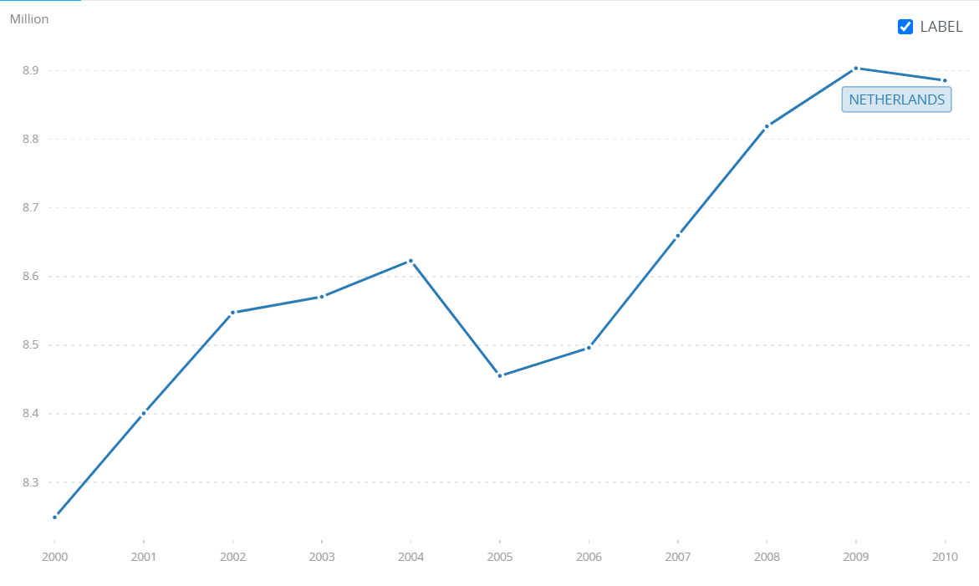
Microeconomics research topic #3: The impact of marital status on the labor force composition: a case of the Dutch economy
Data Source: "World Development Indicators" | Source: The World Bank
Last Updated: 04-27-2022 | https://data.worldbank.org/indicator/SL.TLF.TOTL.IN?end=2010&locations=NL&name_desc=false&start=2000&view=chart
Labor Force

Data Source: "population; sex, age and marital status, January 1; 1950-2019"
Last Updated: 07-15-2019 | Source: StatLine (on the Dutch government website! Retrieved from CBS)
PSAMS | https://opendata.cbs.nl/statline/#/CBS/en/dataset/7461ENG/table?fromstatweb

Data Source: World Inequity Database | Sourtce; World Inequity Database (GDP per capita info)
Last Updated: 2022 | https://wid.world/data/
GDP

