Sheet1
Microeconomics research topic #3: The impact of marital status on the labor force composition: a case of the Dutch economy
Data Source: "World Development Indicators" |  |  |  |  |  |  | Source: The World Bank
Last Updated: 04-27-2022 |  |  |  |  |  |  | https://data.worldbank.org/indicator/SL.TLF.TOTL.IN?end=2010&locations=NL&name_desc=false&start=2000&view=chart

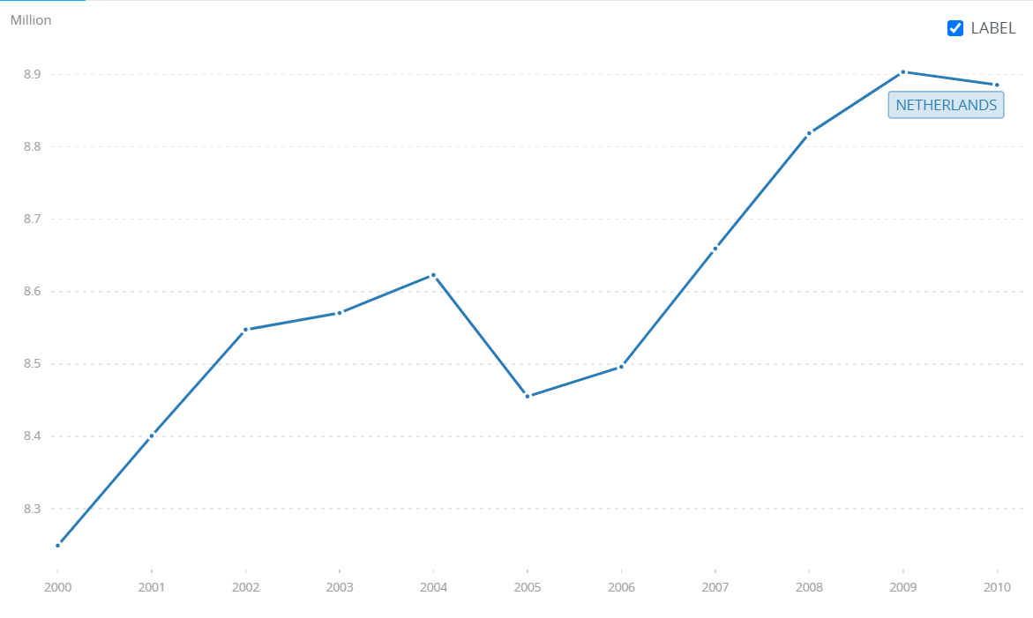
Country Name | Indicator Name | 2000 | 2001 | 2002 | 2003 | 2004 | 2005 | 2006 | 2007 | 2008 | 2009 | 2010
Netherlands | Labor force, total | 8248997 | 8400591 | 8547488 | 8570550 | 8623015 | 8455225 | 8496086 | 8659491 | 8818906 | 8903655 | 8885675
United States | Labor force, total | 146013784 | 147226537 | 148295437 | 149003774 | 150102997 | 151976098 | 153855509 | 155224880 | 156907793 | 157079943 | 157111093

Data Source: "population; sex, age and marital status, January 1; 1950-2019" |  |  |  |  |  |  | Source: StatLine (on the Dutch government website! Retrived from CBS)
Last Updated: 07-15-2019 |  |  |  |  |  |  | https://opendata.cbs.nl/statline/#/CBS/en/dataset/7461ENG/table?fromstatweb

Total population
 |  | 2000 | 2001 | 2002 | 2003 | 2004 | 2005 | 2006 | 2007 | 2008 | 2009 | 2010
Total population (all ages) |  | 15,863,950 | 15,987,075 | 16,105,285 | 16,192,572 | 16,258,032 | 16,305,526 | 16,334,210 | 16,357,992 | 16,405,399 | 16,485,787 | 16,574,989
20 to 30 years |  | 2,132,157 | 2,081,512 | 2,042,450 | 2,004,007 | 1,978,064 | 1,962,279 | 1,956,619 | 1,955,512 | 1,967,463 | 1,988,832 | 2,012,265
30 to 40 years |  | 2,629,347 | 2,645,592 | 2,643,277 | 2,620,163 | 2,570,502 | 2,505,504 | 2,433,221 | 2,363,624 | 2,299,600 | 2,245,029 | 2,180,507
40 to 50 years |  | 2,348,772 | 2,377,995 | 2,414,942 | 2,443,939 | 2,476,793 | 2,509,444 | 2,532,853 | 2,545,593 | 2,555,917 | 2,567,117 | 2,585,337
50 to 60 years |  | 2,004,772 | 2,056,871 | 2,110,583 | 2,162,201 | 2,198,376 | 2,227,579 | 2,267,137 | 2,243,270 | 2,231,864 | 2,238,812 | 2,260,211
60 to 70 years |  | 1,367,932 | 1,386,386 | 1,402,524 | 1,422,671 | 1,458,794 | 1,501,599 | 1,534,241 | 1,632,030 | 1,720,738 | 1,788,356 | 1,845,956
70 to 80 years |  | 1,007,623 | 1,014,029 | 1,019,266 | 1,026,622 | 1,029,648 | 1,037,591 | 1,047,497 | 1,060,018 | 1,073,878 | 1,092,848 | 1,114,385
80 to 90 years |  | 431543 | 446307 | 460231 | 471067 | 483632 | 495934 | 507784 | 520015 | 532054 | 546446 | 560127
90 years or older |  | 68796 | 70330 | 71376 | 72903 | 74666 | 77639 | 79232 | 80827 | 83435 | 84762 | 87867

Never married
 |  | 2000 | 2001 | 2002 | 2003 | 2004 | 2005 | 2006 | 2007 | 2008 | 2009 | 2010
Total population (all ages) |  | 7,048,699 | 7,138,972 | 7,241,077 | 7,321,665 | 7,389,408 | 7,450,192 | 7,499,312 | 7,543,236 | 7,601,904 | 7,680,426 | 7,701,812
20 to 30 years |  | 1,686,633 | 1,668,415 | 1,661,349 | 1,646,716 | 1,638,982 | 1,641,637 | 1,650,793 | 1,662,406 | 1,684,191 | 1,709,820 | 1,732,691
30 to 40 years |  | 841817 | 882227 | 922134 | 950153 | 965314 | 976595 | 982654 | 986978 | 991181 | 998259 | 980938
40 to 50 years |  | 327744 | 351852 | 377964 | 404208 | 432119 | 461671 | 489199 | 514995 | 541384 | 568929 | 579254
50 to 60 years |  | 136865 | 146658 | 158374 | 171621 | 185290 | 200161 | 216750 | 230286 | 246235 | 264458 | 271470
60 to 70 years |  | 81223 | 80740 | 80324 | 80469 | 81566 | 83699 | 85407 | 92686 | 100005 | 107294 | 111595
70 to 80 years |  | 64737 | 64606 | 63947 | 63362 | 62317 | 61360 | 60795 | 60134 | 59626 | 59102 | 58436
80 to 90 years |  | 33256 | 32979 | 32764 | 32505 | 32444 | 32540 | 32776 | 32939 | 33033 | 33348 | 33562
90 years or older |  | 7164 | 7168 | 7113 | 7157 | 7086 | 7114 | 6957 | 6857 | 6887 | 6713 | 6630

Married
 |  | 2000 | 2001 | 2002 | 2003 | 2004 | 2005 | 2006 | 2007 | 2008 | 2009 | 2010
Total population (all ages) |  | 7,071,202 | 7,079,502 | 7,063,982 | 7,052,176 | 7,034,504 | 7,002,557 | 6,964,100 | 6,927,736 | 6,898,147 | 6,882,639 | 6,875,088
20 to 30 years |  | 419223 | 389354 | 358787 | 338047 | 321928 | 304718 | 290675 | 278401 | 268953 | 265192 | 263862
30 to 40 years |  | 1,611,610 | 1,586,918 | 1,542,414 | 1,495,613 | 1,438,092 | 1,370,014 | 1,299,886 | 1,233,766 | 1,173,028 | 1,118,668 | 1,065,366
40 to 50 years |  | 1,737,197 | 1,738,073 | 1,740,957 | 1,738,330 | 1,738,052 | 1,735,357 | 1,725,735 | 1,709,610 | 1,691,015 | 1,672,611 | 1,657,683
50 to 60 years |  | 1,566,533 | 1,597,678 | 1,626,634 | 1,653,299 | 1,666,878 | 1,672,600 | 1,685,917 | 1,648,951 | 1,621,868 | 1,607,310 | 1,603,371
60 to 70 years |  | 1,011,989 | 1,027,017 | 1,039,874 | 1,056,148 | 1,084,725 | 1,118,018 | 1,143,228 | 1,216,948 | 1,280,750 | 1,328,318 | 1,365,634
70 to 80 years |  | 580089 | 587881 | 595734 | 604696 | 611650 | 622206 | 633392 | 647598 | 662462 | 681202 | 700268
80 to 90 years |  | 134247 | 142125 | 149008 | 155157 | 162142 | 168821 | 175030 | 182357 | 189604 | 198419 | 207358
90 years or older |  | 6601 | 6768 | 7079 | 7390 | 7791 | 8314 | 8612 | 8972 | 9393 | 9850 | 10463

Data Source: World Inequity Database |  |  |  | GDP
Last Updated: 2022 |  |  |  | https://wid.world/data/

Netherlands: Gross domestic product per capita
2000 | 49716.9768
2001 | 50551.8955
2002 | 50345.9803
2003 | 50177.1081
2004 | 50905.6192
2005 | 51804.9999
2006 | 53395.304
2007 | 55195.6088
2008 | 56003.4717
2009 | 53476.5624
2010 | 53861.3368

United States: Gross domestic product per capita
2000 | 54401.4283
2001 | 54320.6621
2002 | 54640.5792
2003 | 55479.4315
2004 | 56921.0615
2005 | 58206.2382
2006 | 59134.4413
2007 | 59553.2952
2008 | 58832.2656
2009 | 56708.9519
2010 | 57511.6776

