Sheet1
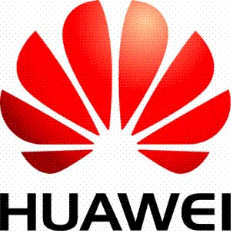 |  |  |  |  | INVOICE

 |  | Huawei International Co. Limited

9/F, Tower 6, The Gateway, No. 9 Canton Road, Tsim Sha Tsui, Kowloon, Hong Kong

Bill To: HUAWEI TECHNOLOGIES CO LTD. ECUADOR RUC/1791845722001 Ave. República de El Salvador N34-493 y Portugal. Edificio Gibraltar, Piso 7. Quito - Ecuador Ruben Torres/593 1 898 146 593 4 601 3000 ext 3091 |  |  |  | INVOICE NO.:
 |  |  |  | INVOICE DATE:
 |  |  |  | CONTRACT NO.:
 |  |  |  | TRADE TERM:
 |  |  |  | PO NO.:
 |  |  |  | PAYMENT TERM: |  |  | 180 DAYS
 |  |  |  | CURRENCY: |  |  | USD
 |  |  |  | TRANS. MODE:
NO. | PART NO. | DESCRIPTION | C/O | QTY | UoM | REMARK | UNIT PRICE | TOTAL AMOUNT

 |  |  |  | TOTAL VALUE OF GOODS：
 |  |  |  | FREIGHT：
 |  |  |  | INSURANCE：
SAY |  |  |  | TOTAL VALUE PAYABLE:

REMARKS

PACKING LIST NO.

