Sheet1
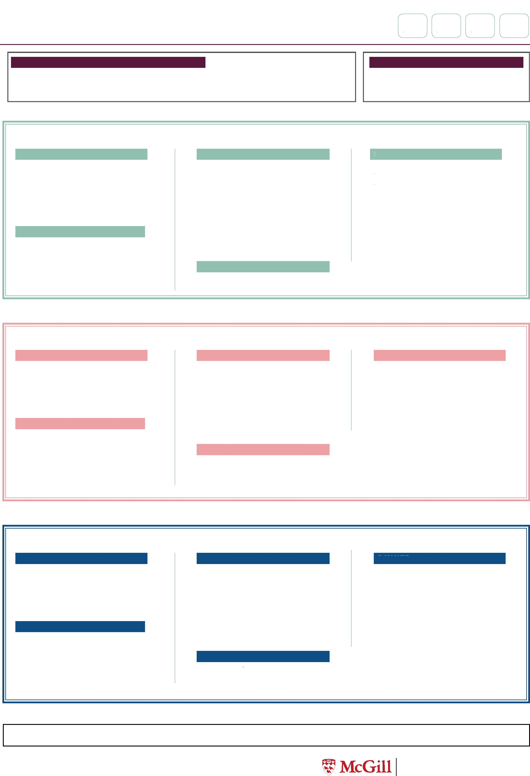

Jan
23-29
Feb
20-26
Menu for the following weeks
Apr
17-23
Bishop Mountain Hall
Dining Hall
TUESDAY
BREAKFAST
McGill Breakfast Sandwich
V
option w/bacon
SOUP
Tomato - Basil
GF VE
Chicken Tortilla Soup
LUNCH
Beef Tacos GF
Beyond Meat Tacos
GF VE
Mexican Style Rice
GF VE
SHAWARMA LUNCH & DINNER
Chicken/beef or falafel
DINNER
Dijon Roast Pork
GF
Mushroom, Pearl Onion,
Pepper & Soy Beef Sauté
V
Spicy Potato Wedges
GF VE
*OFFERED DAILY AT LUNCH
Vegetables of the day VE GF
*OFFERED DAILY AT BREAKFAST/BRUNCH:
Eggs (various preparations) Scrambled Tofu Ham GF /bacon GF/sausage
Breakfast potatoes VE GF Baked beans V Oatmeal VE Waffles
MONDAY
BREAKFAST
French Toast
V
Southwest Tofu Scramble
GF VE
SOUP
Miso, Tofu & Mushroom
VE
Minestrone
VE
LUNCH
Chicken Parmigiana
Eggplant Parmesan
V
Barley Risotto
V
SHAWARMA LUNCH & DINNER
Chicken/beef or falafel
DINNER
Sweet Chili Garlic Tofu
Stir Fry
GF VE
Jasmine Coconut Rice
GF VE
Crispy Vegetarian Spring
Roll
V
Mar
20-26
LEGEND
Made without Gluten (GF) Vegetarian (V) Vegan & Dairy Free (VE) Dairy Free (DF) MSC (MSC) Halal (H)
WEDNESDAY
BREAKFAST
Chocolate Chip Pancakes
V
SOUP
Indo - Mex Soup
VE
Chicken Noodle
LUNCH
Meatball Sub
Grilled Vegetable Sub
w/Pesto
V
Spicy Curly Fries
VE
SHAWARMA LUNCH & DINNER
Chicken/beef or falafel
DINNER
Jerk Chicken
GF
Jamaican Casserole
GF VE
Rice & Beans
GF VE
Please note that the menu is subject to change without notice. Student Housing and Service de logement
Hospitality Services étudiant et d’hôtellerie
LEGEND
Made without Gluten (GF) Vegetarian (V) Vegan & Dairy Free (VE) Dairy Free (DF) MSC (MSC) Halal (H)
Please note that the menu is subject to change without notice. Student Housing and Service de logement
Hospitality Services étudiant et d’hôtellerie


Jan
23-29
Feb
20-26
Menu for the following weeks
Apr
17-23
Bishop Mountain Hall
Dining Hall
*OFFERED DAILY AT LUNCH
Vegetables of the day VE GF
*OFFERED DAILY AT BREAKFAST/BRUNCH:
Eggs (various preparations) Scrambled Tofu Ham GF /bacon GF/sausage
Breakfast potatoes VE GF Baked beans V Oatmeal VE Waffles
THURSDAY
BREAKFAST
Breakfast Burrito
V
Southwestern Tofu Scramble
GF VE
SOUP
Dr.Joe’s Cauliflower Soup
VE
Zucchini Basil - Lemon
VE
LUNCH
Butter Chicken
GF
Butternut Squash & Chickpea
Curry
GF VE
Basmati Rice
GF VE
SHAWARMA LUNCH & DINNER
Chicken/beef or falafel
DINNER
Shepherd’s Pie
GF
Beyond Meat Shepherd’s Pie /
Sweet Potato
GF VE
Onion Rings
V
FRIDAY
BREAKFAST
$9 Friday Breakfast Special
Blueberry Pancakes V
McGill Breakfast Sandwich
w/bacon
SOUP
Quebec Pea Soup
GF VE
Broccoli & Cheddar V GF
LUNCH
Herb Crusted Cod
Singapore Style Noodles
VE
Brown Rice Pilaf
GF VE
Garlic Bread VE
SHAWARMA LUNCH & DINNER
Chicken/beef or falafel
DINNER
Chicken Brochette
GF
Grilled Tofu & Pepper
Brochettes
GF VE
Lemon-Herb Roasted
Potatoes GF VE
Spanakopita
V
SATURDAY
BRUNCH
Quiche Florentine
V
Bacon & Onion
Quiche
Beef Burgers
Beyond Meat
Burger
VE
French fries
VE
SOUP
Carrot & Ginger
GF VE
Stracciatella
DINNER
Texas BBQ Chicken
Drumsticks
Grilled Vegetable
Portabello Towers
w/cheese V
(vegan cheese option)
Spicy Curly Fries
VE
SUNDAY
BRUNCH
Quiche Florentine
V
Bacon & Onion
Quiche
Chicken Wings
Cauliflower Buffalo
Wings
VE
French fries
VE
SOUP
Mushroom
GF VE
Chicken Noodle
DINNER
Roast Turkey
Mac n Cheese
V
Baked Potatoes
GF VE
Mar
20-26

