Instructions
# | Indicator | Data Source | How to get data | Screen Shot

1 | No. of clients on ART seen today through KenyaEMR (CCC & MCH) | KenyaEMR | [1] Recreate tables in KenyaEMR or data extractor to refresh the reports data sources [2] Go to the KenyaEMR Data extractor (Access it from the server using the url is localhost:8080/anyb ) [3] On queries drop down, select the option Daily Appointment Keeping [4] Click Execute Query button [5] From the downloaded output, filter the indicator 6. Patients Seen Today [6] Count the number of patients and update on Row number 10, column D of the Data Triangulation worksheet | 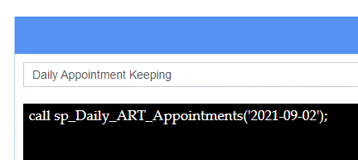
2 | No. of clients on ART seen today through the Pharmacy Tool ( DAR For Ois & ARVs or Web ADT ) | Web ADT/ DAR ARVs and Ois Register | If using Web ADT; [1] Login into Web ADT [2] Go to Reports [3] Go to Visiting Patients [4] Select the report List of Patients visited for refill [5] Specify the date ranges for the report [6] On the downloaded excel file, Go to Type of Service and filter ART and PMTCT services [7] Go to Regimen column, and unselect any PMC drug [8] Go to Source Column, check all the patients indicated as Transit and Confirm if they are confirmed Transfer Ins. If they are not, unselect them [9] Count the number of patients and update on Row number 11, column D of the Data Triangulation worksheet If using DAR ARVs and OIs: [1] Go to the Page Totals Section [2] Sum the number of Patients who were given ARVs under Adult ART Regimens, Pediatric ART Regimens and Regimens for Pregnent Women Only [3]Update the sum on step 2 above on Row number 11, column D of the Data Triangulation worksheet |  | 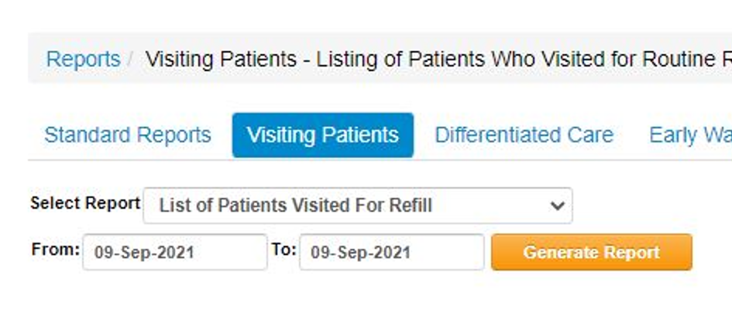 | 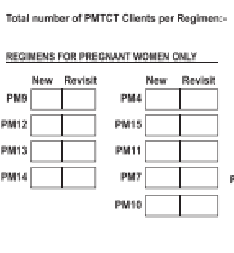
3 | No. of clients on ART seen today through paper appointment diary (CCC & MCH) | Paper Appointment Diary
3 | No. of clients on ART seen today through electronic appointment diary (CCC & MCH) | KenyaEMR | [1] Recreate tables in KenyaEMR or data extractor to refresh the reports data sources [2] Go to the KenyaEMR Data extractor (Access it from the server using the url is localhost:8080/anyb ) [3] On queries drop down, select the option Daily Appointment Keeping [4] Click Execute Query button [5] From the downloaded output, filter the indicator 6. Patients Seen Today [6] Count the number of patients and update on Row number 10, column D of the Data Triangulation worksheet
4 | No. of clients on ART seen today through Daily Activity Register(CCC & MCH) | Daily Activity Register(CCC & MCH)
5 | Variance Between EMR and Pharmacy Tool |  | This is the difference between the number of patients on ART seen today through the EMR and their details updated against the patients on ART who came to pick drugs on pharmacy.
6 | Corrective action plan taken | System User | This is the action plan put in place to address the noted differences between data reported in EMR. If there are variences noted on step 5 above, users will need to work with patient level list , especially the ccc numbers to identify which patient was not updated and on which system (ADT/EMR). Also note that the Patients seen through paper appointment diary

