Analyze
Analyze Guide

 | KPI
 | 1. Total Sales
 | 2. Display Average Operating Profit
 | 3. Average Operating Profit
 | 4. Total Number of units sales
 | Display the ff.:
 | 1. Sales per Retailer
 | 2. Compare Sales from present year to previous year
 | 3. Create Chart Tables for the Sales [retailer and Beverages]

 | Sum of Total Sales
 | $12,016,665.00

 | Average of Operating Profit
 | $489.48

 | Average of Operating Margin
 | $0.42

 | Count of Units Sold
 | $9,648.00

 | SALES PER RETAILER
 | Row Labels | Sum of Units Sold | Sum of Total Sales
 | Amazon | 2,496,850.00 | $1,285,908.70
 | BevCo | 5,852,940.00 | $2,794,394.50
 | FizzyCo | 5,465,400.00 | $2,424,037.20
 | Target | 2,873,750.00 | $1,351,245.30
 | Walmart | 1,847,050.00 | $920,123.50
 | West Soda | 6,252,620.00 | $3,240,955.80
 | Grand Total | 24,788,610.00 | $12,016,665.00

 | Sales Comparison Per Brand (2022-2025)
 | Sum of Total Sales | Column Labels
 | Row Labels | 2022 | 2023
 | Coca-Cola | $499,102.00 | $2,268,974.90
 | Dasani Water | $469,270.70 | $1,917,827.80
 | Diet Coke | $423,758.70 | $1,633,959.30
 | Sprite | $366,578.00 | $1,353,578.30
 | Powerade | $349,533.90 | $1,302,529.30
 | Fanta | $315,489.20 | $1,116,062.90

 | Sales Comparison Per Retailer (2022-2025)
 | Sum of Total Sales | Column Labels
 | Row Labels | 2022 | 2023
 | West Soda | $1,170,361.60 | $2,070,594.20
 | BevCo | $466,788.00 | $2,327,606.50
 | Walmart | $339,912.50 | $580,211.00
 | Amazon | $276,210.00 | $1,009,698.70
 | FizzyCo | $161,210.10 | $2,262,827.10
 | Target | $9,250.30 | $1,341,995.00

 | Quarterly Sales and Average Operating Margin per Year
 | Row Labels | Sum of Total Sales | Average of Operating Margin
 | 2022
 | Qtr1 | $692,776.10 | $0.40 | 2022 | Qtr1 | $692,776.10 | $0.40
 | Qtr2 | $644,203.90 | $0.40 |  | Qtr2 | $644,203.90 | $0.40
 | Qtr3 | $719,170.40 | $0.41 |  | Qtr3 | $719,170.40 | $0.41
 | Qtr4 | $367,582.10 | $0.40 |  | Qtr4 | $367,582.10 | $0.40
 | 2023 |  |  | 2023 | Qtr1 | $1,877,584.30 | $0.42
 | Qtr1 | $1,877,584.30 | $0.42 |  | Qtr2 | $2,379,424.80 | $0.43
 | Qtr2 | $2,379,424.80 | $0.43 |  | Qtr3 | $2,805,752.50 | $0.43
 | Qtr3 | $2,805,752.50 | $0.43 |  | Qtr4 | $2,530,170.90 | $0.42
SALES AND OPERATING PROFIT MARGIN BY QUARTER
 | Qtr4 | $2,530,170.90 | $0.42

Dashboard
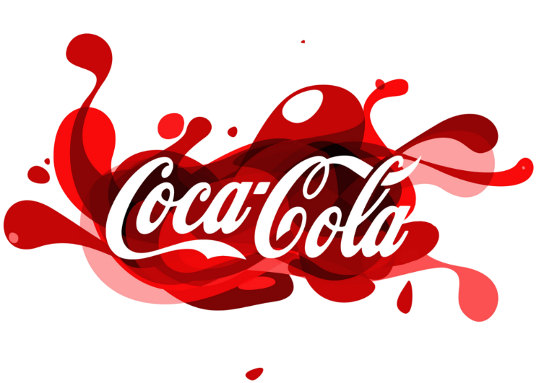
COCA-COLA USA RETAILER SALES DASHBOARD

Figures in USD

TOTAL SALES
TOTAL UNIT SOLD
AVERAGE OPERATING PROFIT
AVERAGE OPERATING MARGIN
$12,016,665.00
$9,648.00
$489.48
$0.42

SALES BY BEVERAGE BRAND |  |  |  | SALES BY RETAILER
Brand | Sales 2022 | Sales 2023 | Variance | Brand | Sales 2022 | Sales 2023 | Variance
Coca-Cola | 499,102.00 | 2,268,974.90 | 1,769,872.90 | West Soda | 1,170,361.60 | 2,070,594.20 | 900,232.60
Dasani Water | 469,270.70 | 1,917,827.80 | 1,448,557.10 | BevCo | 466,788.00 | 2,327,606.50 | 1,860,818.50
Diet Coke | 423,758.70 | 1,633,959.30 | 1,210,200.60 | Walmart | 339,912.50 | 580,211.00 | 240,298.50
Sprite | 366,578.00 | 1,353,578.30 | 987,000.30 | Amazon | 276,210.00 | 1,009,698.70 | 733,488.70
Powerade | 349,533.90 | 1,302,529.30 | 952,995.40 | FizzyCo | 161,210.10 | 2,262,827.10 | 2,101,617.00
Fanta | 315,489.20 | 1,116,062.90 | 800,573.70 | Target | 9,250.30 | 1,341,995.00 | 1,332,744.70
TOTAL | 2,423,732.50 | 9,592,932.50 | 7,169,200.00 | TOTAL | 2,423,732.50 | 9,592,932.50 | 7,169,200.00

SALES AND OPERATING PROFIT MARGIN BY QUARTER
Qtr1 | $692,776.10 | $0.40
Qtr2 | $644,203.90 | $0.40
Qtr3 | $719,170.40 | $0.41
Qtr4 | $367,582.10 | $0.40
Qtr1 | $1,877,584.30 | $0.42
Qtr2 | $2,379,424.80 | $0.43
Qtr3 | $2,805,752.50 | $0.43
Qtr4 | $2,530,170.90 | $0.42

