Constituency_Dashboard
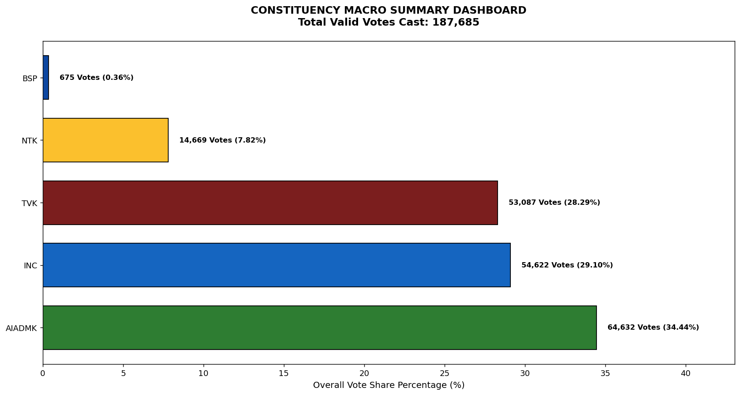
Label | Total_Votes | Share_Percentage
AIADMK | 64632 | 34.43642273
INC | 54622 | 29.103018355
TVK | 53087 | 28.285158643
NTK | 14669 | 7.8157551216
BSP | 675 | 0.35964515012

