Constituency_Dashboard
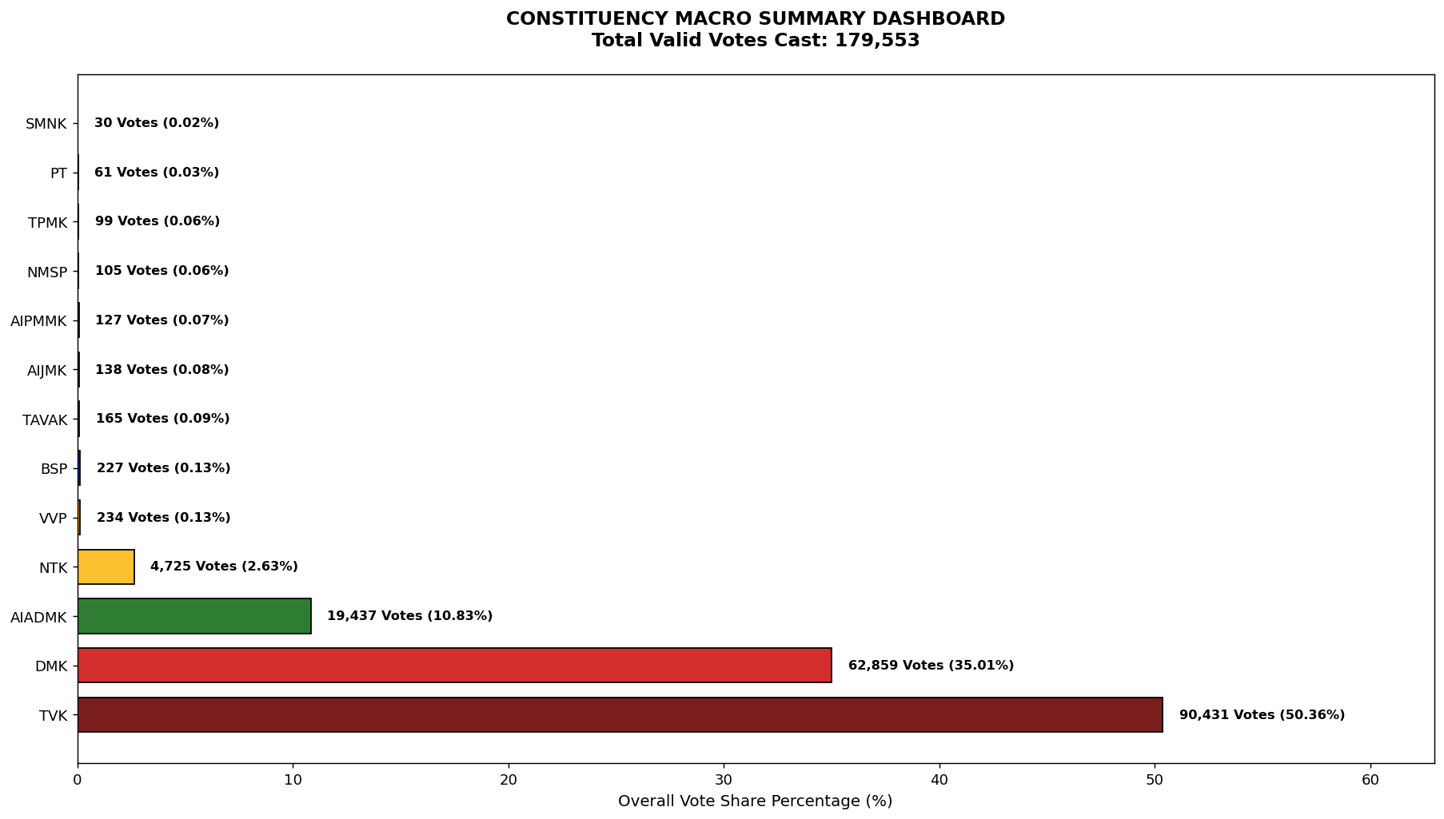
Label | Total_Votes | Share_Percentage
TVK | 90431 | 50.364516327
DMK | 62859 | 35.008604702
AIADMK | 19437 | 10.825215953
NTK | 4725 | 2.6315349785
VVP | 234 | 0.13032363703
BSP | 227 | 0.12642506669
TAVAK | 165 | 0.091894872266
AIJMK | 138 | 0.076857529532
AIPMMK | 127 | 0.070731204714
NMSP | 105 | 0.058478555078
TPMK | 99 | 0.05513692336
PT | 61 | 0.033973255807
SMNK | 30 | 0.016708158594

