Constituency_Dashboard
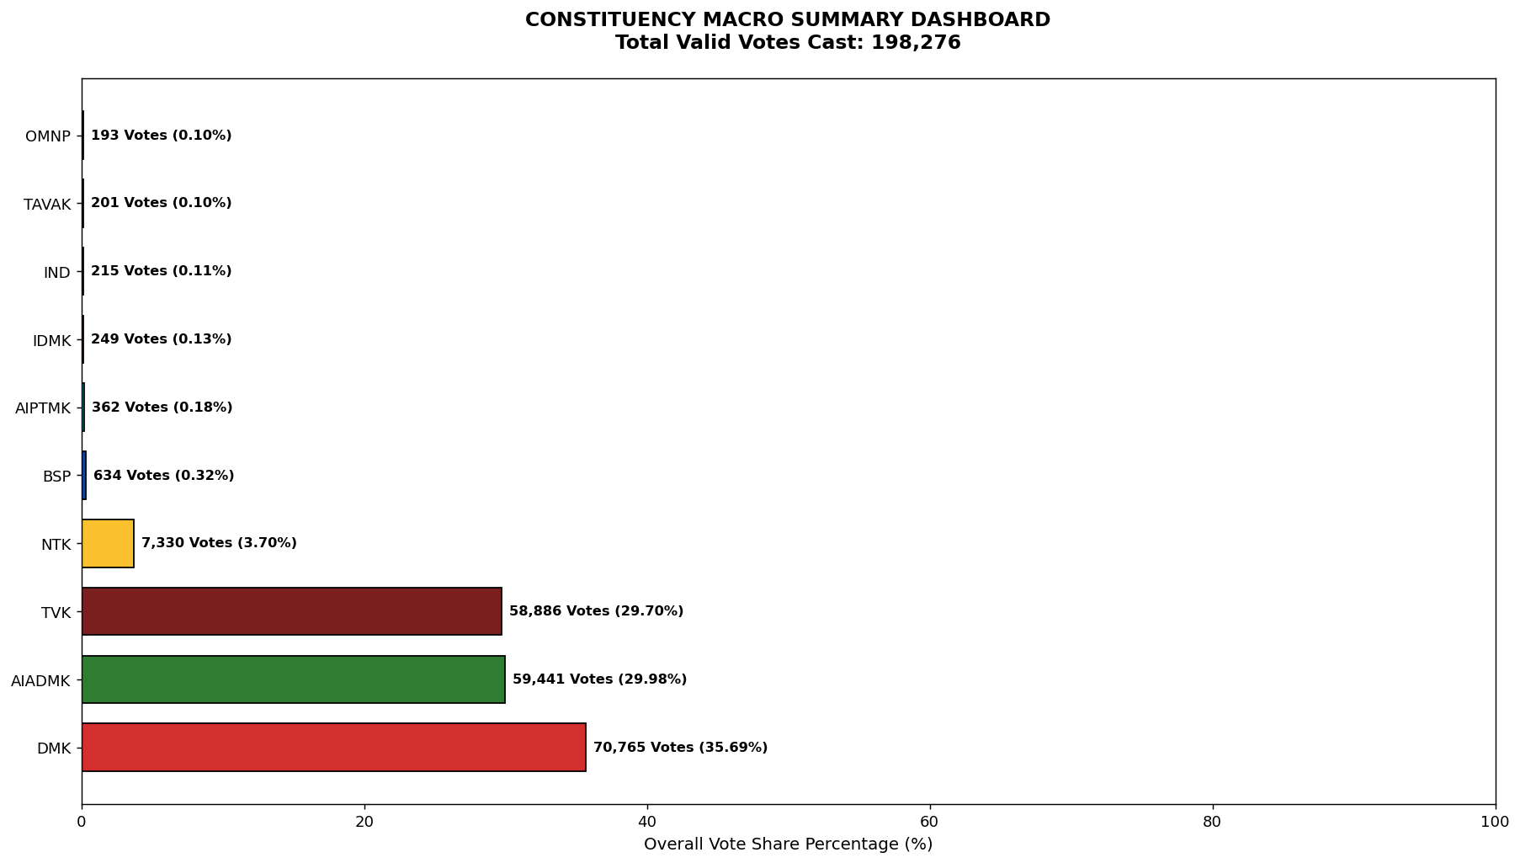
Label | Total_Votes | Share_Percentage
DMK | 70765 | 35.690149085
AIADMK | 59441 | 29.978918276
TVK | 58886 | 29.699005427
NTK | 7330 | 3.6968669935
BSP | 634 | 0.3197562993
AIPTMK | 362 | 0.18257378604
IDMK | 249 | 0.12558252133
IND | 215 | 0.10843470718
TAVAK | 201 | 0.10137384252
OMNP | 193 | 0.097339062721

