Constituency_Dashboard
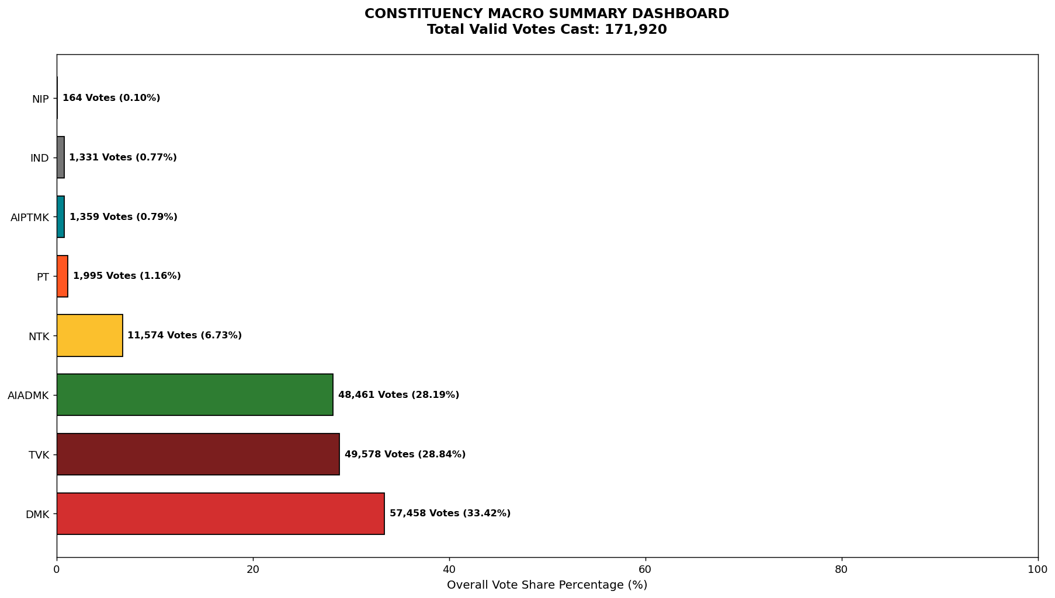
Label | Total_Votes | Share_Percentage
DMK | 57458 | 33.421358772
TVK | 49578 | 28.83783155
AIADMK | 48461 | 28.188110749
NTK | 11574 | 6.7322010237
PT | 1995 | 1.1604234528
AIPTMK | 1359 | 0.79048394602
IND | 1331 | 0.77419730107
NIP | 164 | 0.095393206142

