Constituency_Dashboard
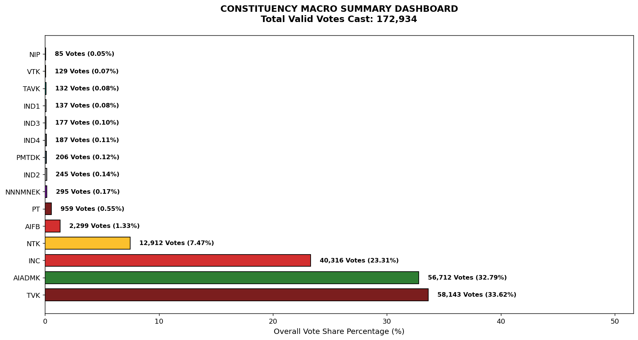
Label | Total_Votes | Share_Percentage
TVK | 58143 | 33.621497219
AIADMK | 56712 | 32.794013901
INC | 40316 | 23.312940197
NTK | 12912 | 7.4664322805
AIFB | 2299 | 1.3294089074
PT | 959 | 0.55454682133
NNNMNEK | 295 | 0.17058531
IND2 | 245 | 0.1416725456
PMTDK | 206 | 0.11912058936
IND4 | 187 | 0.10813373888
IND3 | 177 | 0.102351186
IND1 | 137 | 0.079220974476
TAVK | 132 | 0.076329698035
VTK | 129 | 0.074594932171
NIP | 85 | 0.049151699492

