Constituency_Dashboard
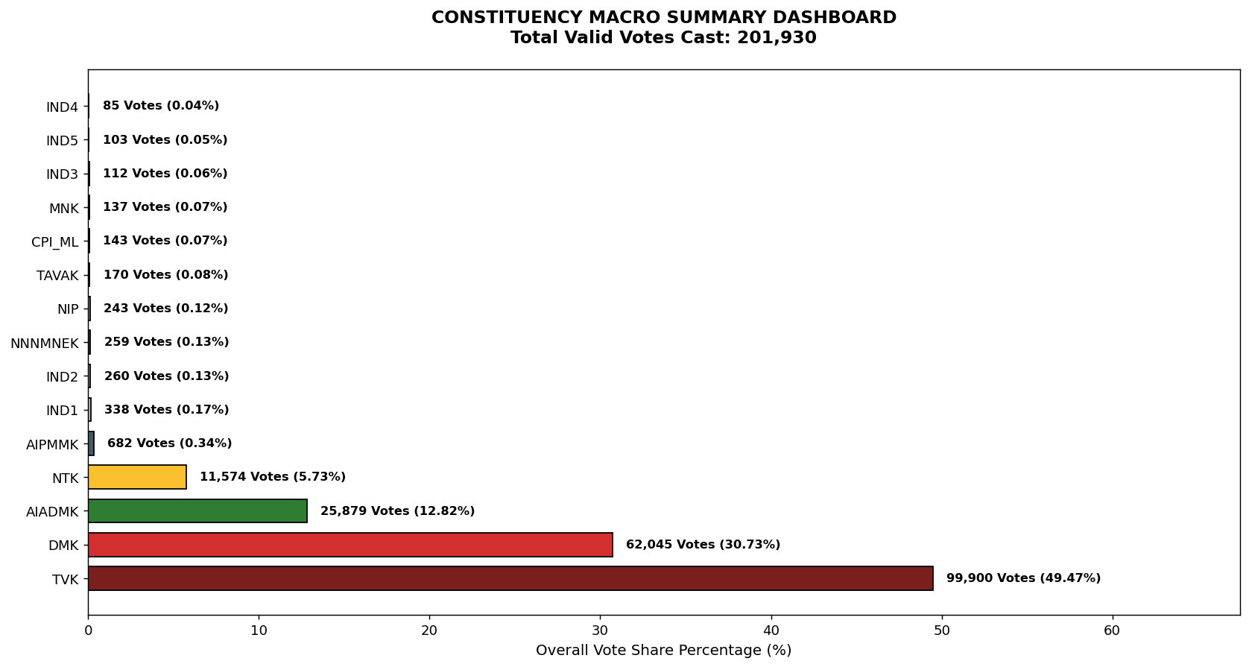
Label | Total_Votes | Share_Percentage
TVK | 99900 | 49.472589511
DMK | 62045 | 30.725994156
AIADMK | 25879 | 12.815827267
NTK | 11574 | 5.7316891992
AIPMMK | 682 | 0.33774080127
IND1 | 338 | 0.16738473729
IND2 | 260 | 0.12875749022
NNNMNEK | 259 | 0.1282622691
NIP | 243 | 0.12033873124
TAVAK | 170 | 0.084187589759
CPI_ML | 143 | 0.070816619621
MNK | 137 | 0.067845292923
IND3 | 112 | 0.055464765018
IND5 | 103 | 0.051007774972
IND4 | 85 | 0.042093794879

