Constituency_Dashboard
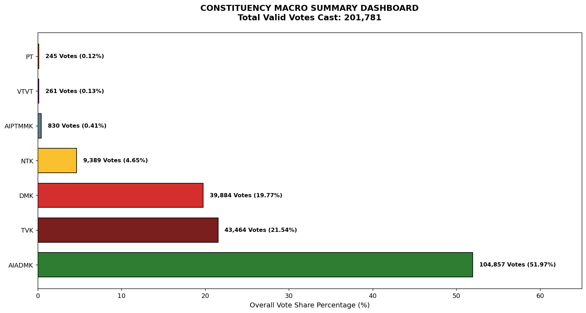
Label | Total_Votes | Share_Percentage
AIADMK | 104857 | 51.96574504
TVK | 43464 | 21.540184656
DMK | 39884 | 19.765983913
NTK | 9389 | 4.653064461
AIPTMMK | 830 | 0.41133704363
VTVT | 261 | 0.12934815468
PT | 245 | 0.12141876589

