Constituency_Dashboard
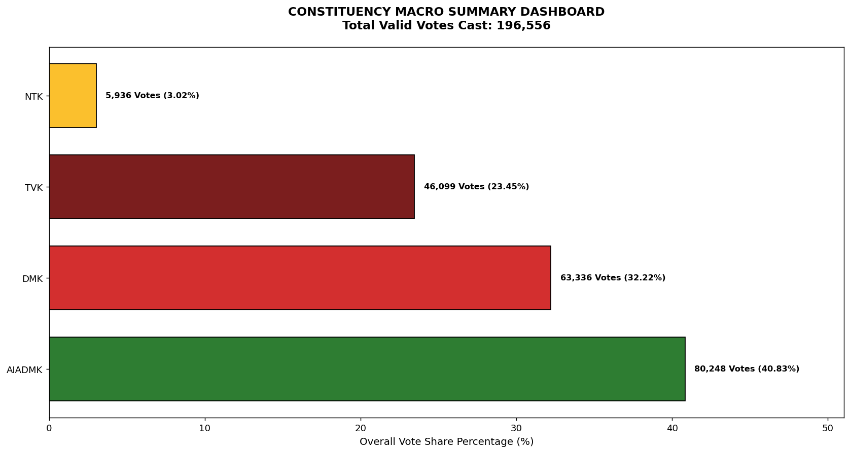
Label | Total_Votes | Share_Percentage
AIADMK | 80248 | 40.827041657
DMK | 63336 | 32.222877958
TVK | 46099 | 23.453366979
NTK | 5936 | 3.0200044771

