Constituency_Dashboard
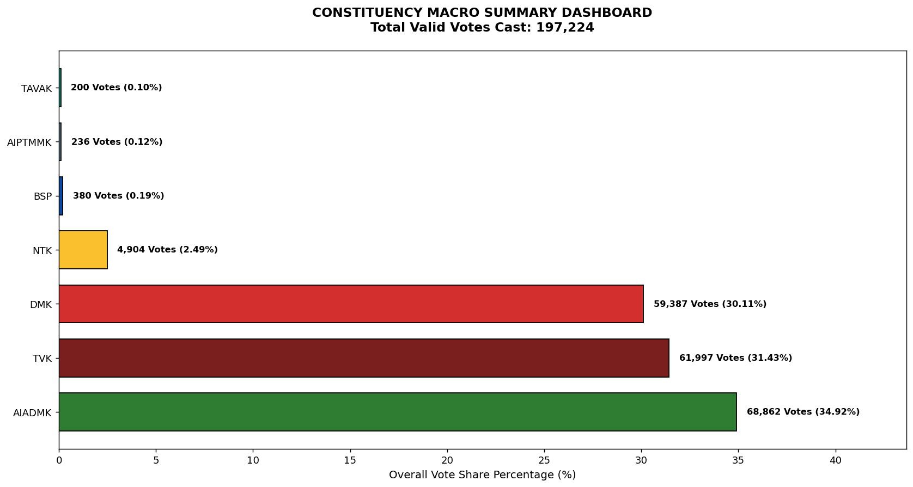
Label | Total_Votes | Share_Percentage
AIADMK | 68862 | 34.91562893
TVK | 61997 | 31.434815235
DMK | 59387 | 30.111446883
NTK | 4904 | 2.4865127976
BSP | 380 | 0.19267431956
AIPTMMK | 236 | 0.1196608932
TAVAK | 200 | 0.10140753661

