Constituency_Dashboard
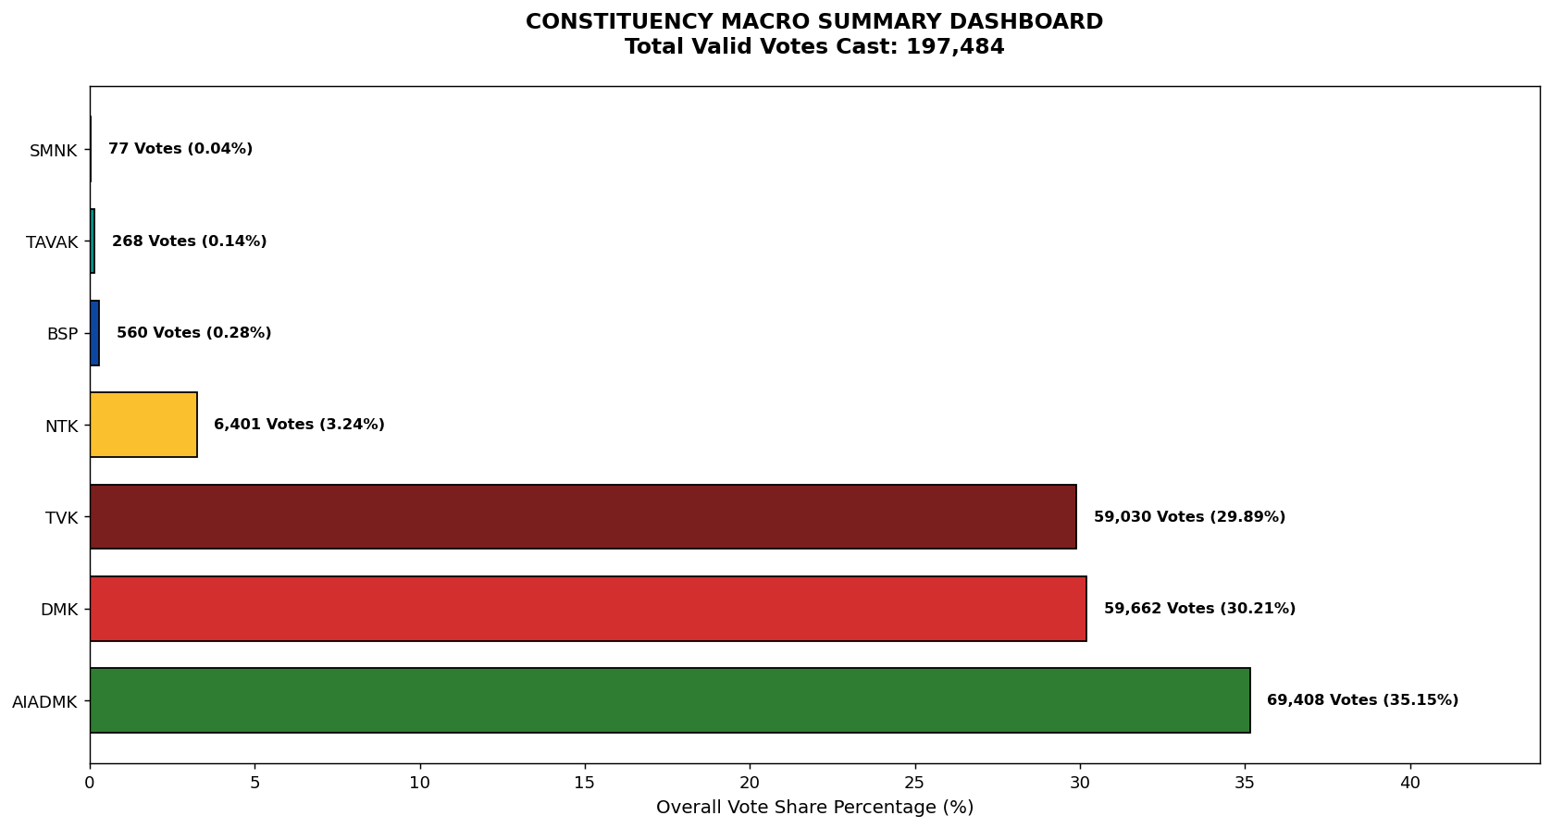
Label | Total_Votes | Share_Percentage
AIADMK | 69408 | 35.146138421
DMK | 59662 | 30.211055073
TVK | 59030 | 29.891029147
NTK | 6401 | 3.2412752426
BSP | 560 | 0.28356727634
TAVAK | 268 | 0.13570719653
SMNK | 77 | 0.038990500496

