Constituency_Dashboard
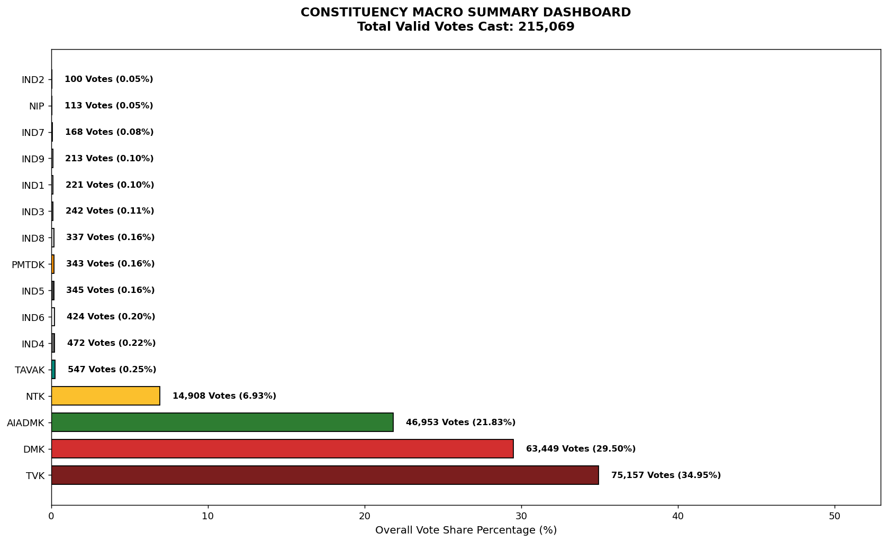
Label | Total_Votes | Share_Percentage
TVK | 75157 | 34.945529109
DMK | 63449 | 29.501694805
AIADMK | 46953 | 21.831598231
NTK | 14908 | 6.931728887
TAVAK | 547 | 0.25433698022
IND4 | 472 | 0.21946445094
IND6 | 424 | 0.1971460322
IND5 | 345 | 0.16041363469
PMTDK | 343 | 0.15948370058
IND8 | 337 | 0.15669389824
IND3 | 242 | 0.11252202781
IND1 | 221 | 0.10275771962
IND9 | 213 | 0.099037983159
IND7 | 168 | 0.07811446559
NIP | 113 | 0.05254127745
IND2 | 100 | 0.046496705708

