Constituency_Dashboard
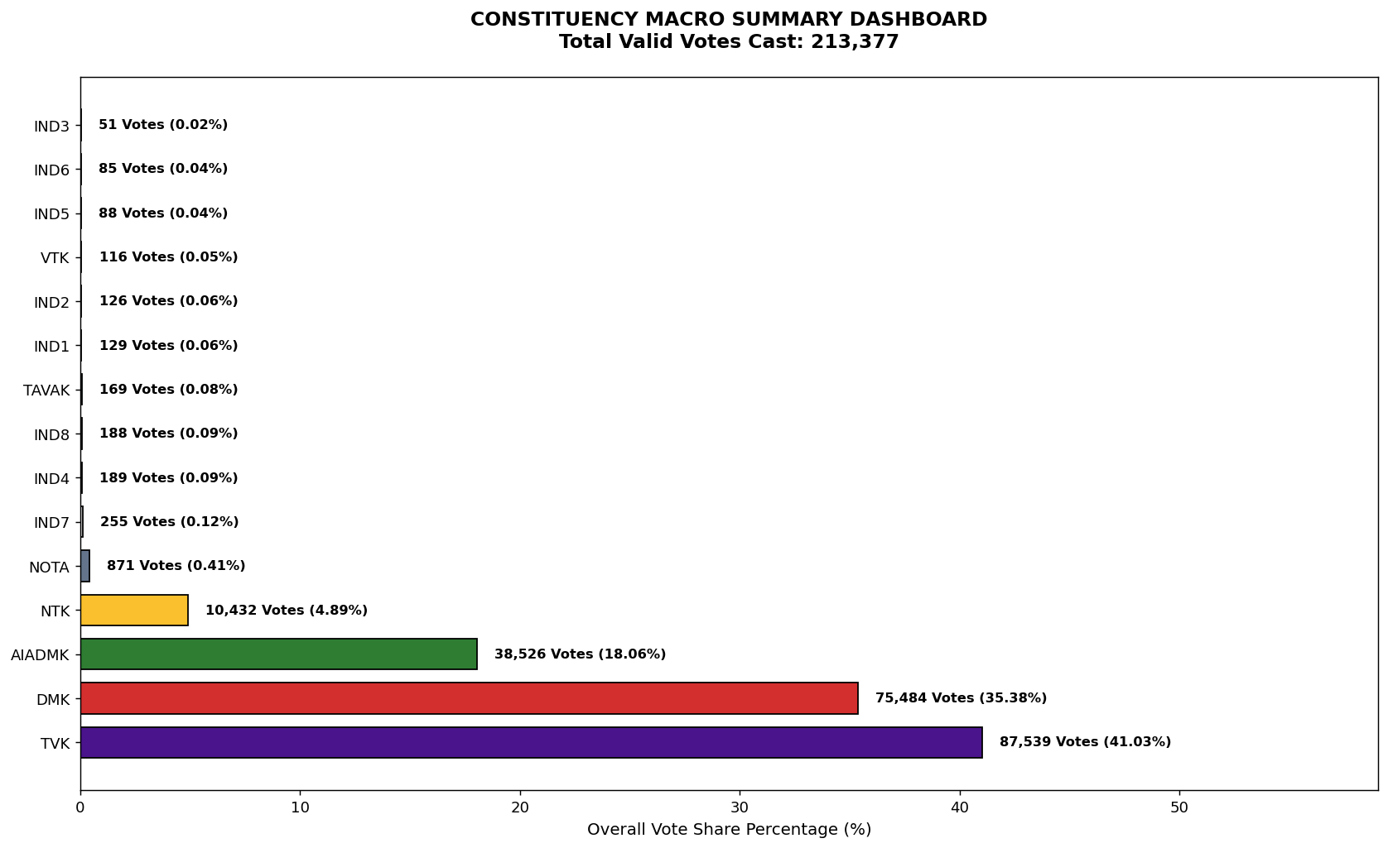
Label | Total_Votes | Share_Percentage
TVK | 87539 | 41.025508841
DMK | 75484 | 35.375883999
AIADMK | 38526 | 18.055366792
NTK | 10432 | 4.888999283
NOTA | 871 | 0.40819769703
IND7 | 255 | 0.11950678845
IND4 | 189 | 0.088575619678
IND8 | 188 | 0.088106965605
TAVAK | 169 | 0.07920253823
IND1 | 129 | 0.060456375336
IND2 | 126 | 0.059050413119
VTK | 116 | 0.054363872395
IND5 | 88 | 0.041241558369
IND6 | 85 | 0.039835596151
IND3 | 51 | 0.023901357691

