Constituency_Dashboard
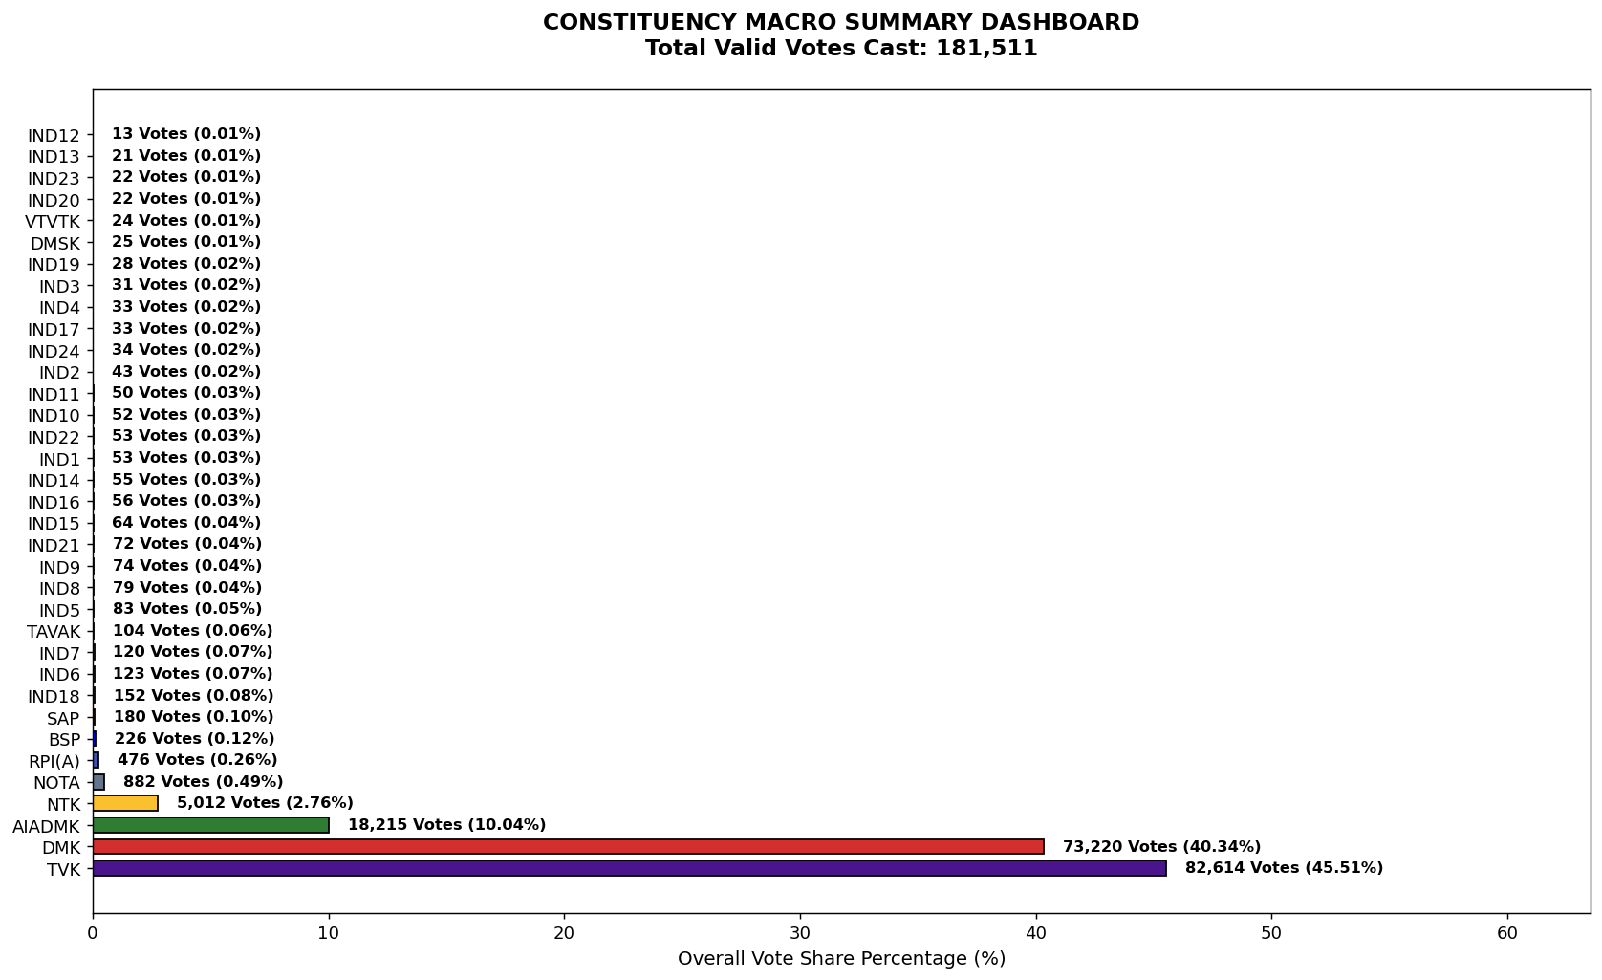
Label | Total_Votes | Share_Percentage
TVK | 82614 | 45.514596911
DMK | 73220 | 40.339152999
AIADMK | 18215 | 10.035204478
NTK | 5012 | 2.7612651575
NOTA | 882 | 0.48592096347
RPI(A) | 476 | 0.26224305965
BSP | 226 | 0.12451036025
SAP | 180 | 0.099167543565
IND18 | 152 | 0.083741481233
IND6 | 123 | 0.067764488103
IND7 | 120 | 0.06611169571
TAVAK | 104 | 0.057296802949
IND5 | 83 | 0.045727256199
IND8 | 79 | 0.043523533009
IND9 | 74 | 0.040768879021
IND21 | 72 | 0.039667017426
IND15 | 64 | 0.035259571045
IND16 | 56 | 0.030852124665
IND14 | 55 | 0.030301193867
IND1 | 53 | 0.029199332272
IND22 | 53 | 0.029199332272
IND10 | 52 | 0.028648401474
IND11 | 50 | 0.027546539879
IND2 | 43 | 0.023690024296
IND24 | 34 | 0.018731647118
IND17 | 33 | 0.01818071632
IND4 | 33 | 0.01818071632
IND3 | 31 | 0.017078854725
IND19 | 28 | 0.015426062332
DMSK | 25 | 0.01377326994
VTVTK | 24 | 0.013222339142
IND23 | 22 | 0.012120477547
IND20 | 22 | 0.012120477547
IND13 | 21 | 0.011569546749
IND12 | 13 | 0.0071621003686

