Constituency_Dashboard
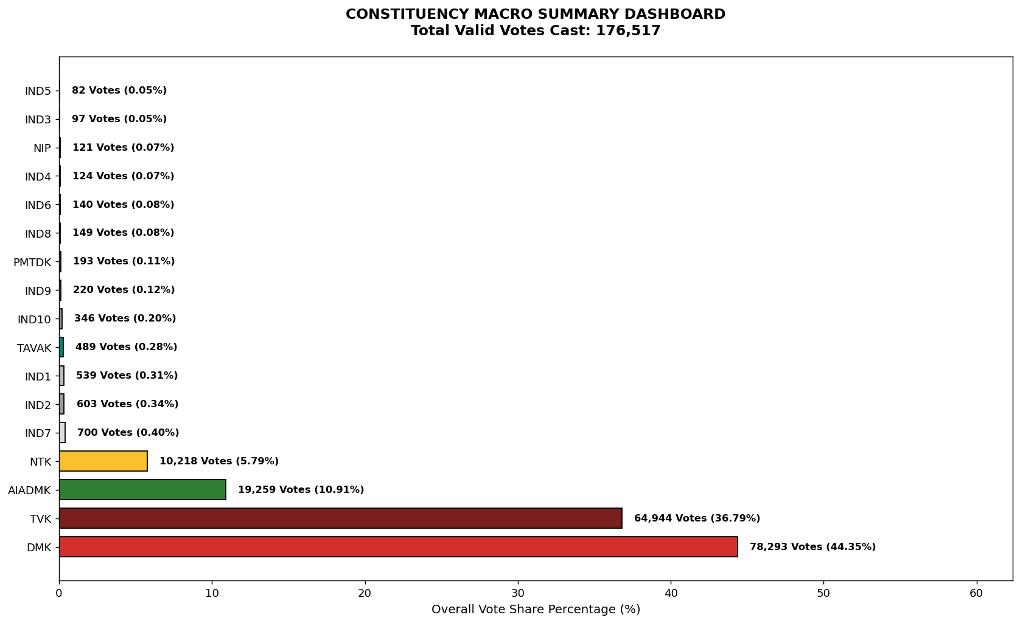
Label | Total_Votes | Share_Percentage
DMK | 78293 | 44.354368135
TVK | 64944 | 36.791923724
AIADMK | 19259 | 10.910563855
NTK | 10218 | 5.7886775778
IND7 | 700 | 0.39656237076
IND2 | 603 | 0.34161015653
IND1 | 539 | 0.30535302549
TAVAK | 489 | 0.27702714186
IND10 | 346 | 0.19601511469
IND9 | 220 | 0.12463388795
PMTDK | 193 | 0.1093379108
IND8 | 149 | 0.084411133205
IND6 | 140 | 0.079312474153
IND4 | 124 | 0.070248191392
NIP | 121 | 0.068548638375
IND3 | 97 | 0.054952214234
IND5 | 82 | 0.046454449147

